Sheet1
Which search engine performs best when considering the first five results for a given query? | Overall, Google performs better than Bing. But there are many queries where Bing performs as good as Google.

Is there a difference in relevance between the search engines when considering informational queries and navigational queries, respectively? | In most of the navigational queries, Bing performs as good as Google. The two search engines gave all relevant results. But in informational queries, Google gave all relevant results while Bing gave some irrelevant results.

Navigational Queries
Grading Parameters used for faculty names | homepage : personal or created by department - 1 , wikipedia/linkedIn info about the prof.- 0.5, direct video link by the prof. about himself and course - 0.5 rest urls with little info - 0.25

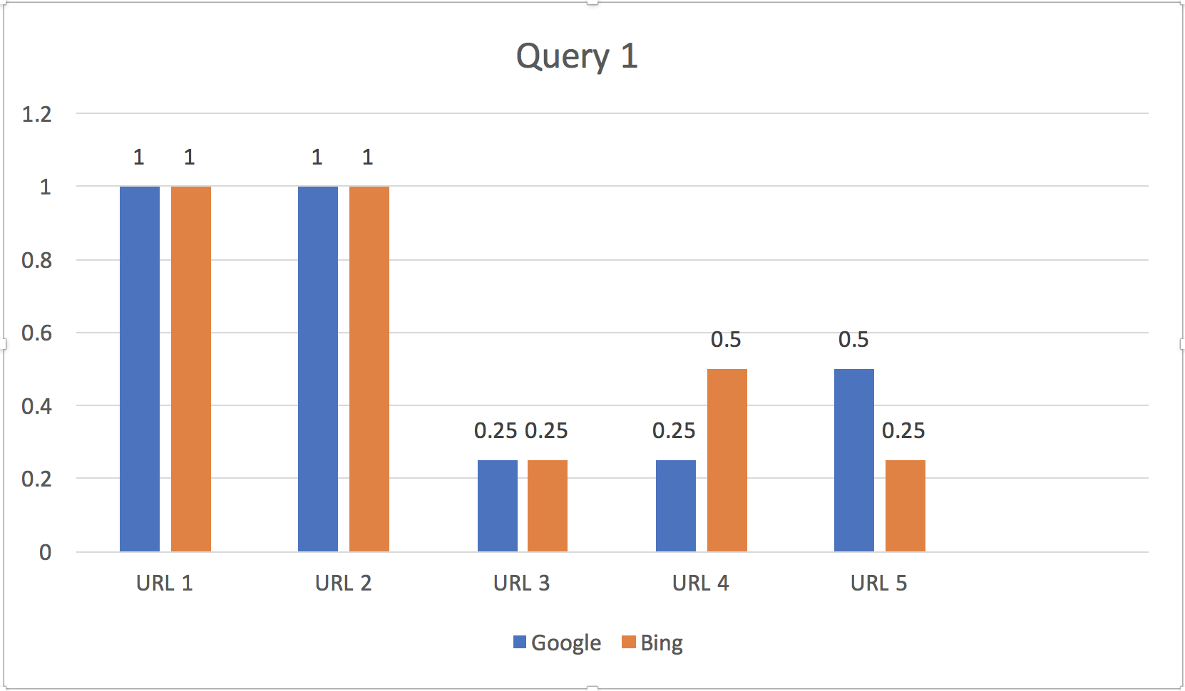
Query 1 | Ellis Horowitz Viterbi |  |  |  |  | 2.1
 | Google Results | Relevance Score | Bing Results | Relevance Score
1 | http://www.ellishorowitz.com/ | 1 | https://viterbi.usc.edu/directory/faculty/Horowitz/Ellis | 1
2 | https://viterbi.usc.edu/directory/faculty/Horowitz/Ellis | 1 | http://www-bcf.usc.edu/~horowitz/ | 1
3 | https://pressroom.usc.edu/ellis-horowitz/ | 0.25 | https://www.cs.usc.edu/orientation-videos/ | 0.25
4 | http://www.ratemyprofessors.com/ShowRatings.jsp?tid=1263746 | 0.25 | https://en.wikipedia.org/wiki/Ellis_Horowitz | 0.5
5 | https://en.wikipedia.org/wiki/Ellis_Horowitz | 0.5 | https://informatics.usc.edu/people/ | 0.25

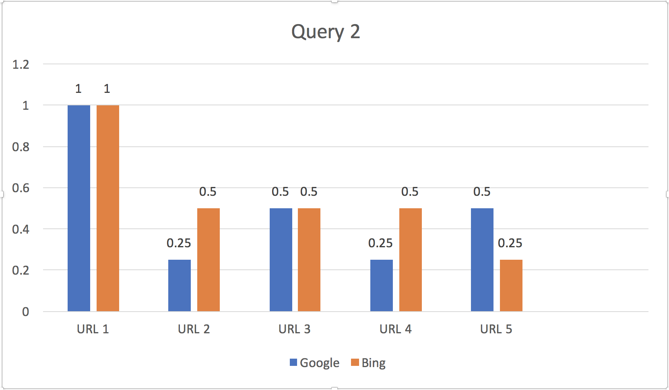
Query 2 | Olivera Grujic Viterbi
 | Google Results | Relevance Score | Bing Results | Relevance Score
1 | https://viterbi.usc.edu/directory/faculty/Grujic/Olivera | 1 | https://viterbi.usc.edu/directory/faculty/Grujic/Olivera | 1
2 | https://www.cs.usc.edu/directory/faculty/ | 0.25 | https://www.youtube.com/watch?v=or6AIdMYSlw | 0.5
3 | https://www.linkedin.com/in/oliveragrujic/ | 0.5 | https://classes.usc.edu/term-20163/course/csci-585/ | 0.5
4 | http://www.ratemyprofessors.com/ShowRatings.jsp?tid=2276797 | 0.25 | https://classes.usc.edu/term-20171/course/csci-585/ | 0.5
5 | https://www.youtube.com/watch?v=or6AIdMYSlw | 0.5 | https://viterbi.usc.edu/directory/faculty/ | 0.25

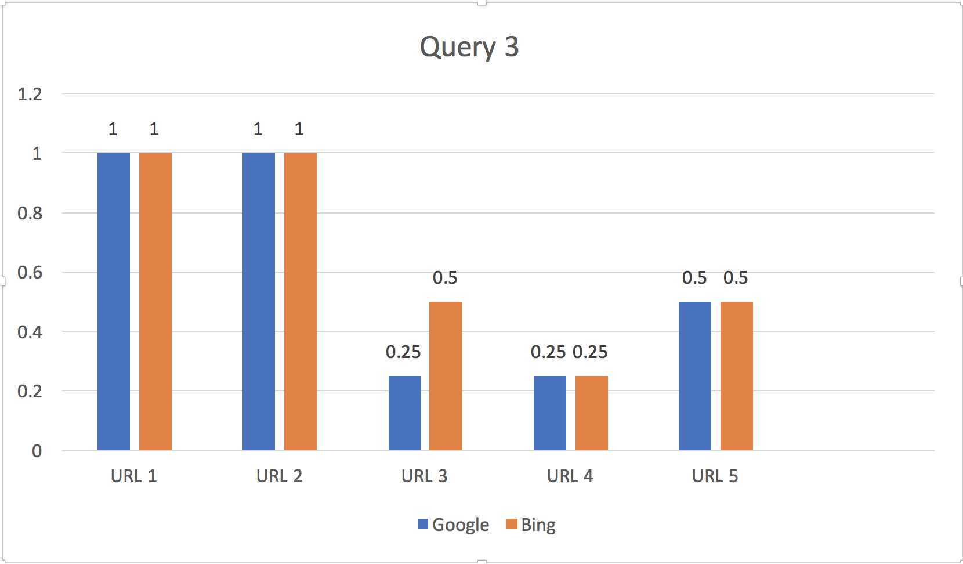
Query 3 | Christian Mattmann Viterbi
 | Google Results | Relevance Score | Bing Results | Relevance Score
1 | https://viterbi.usc.edu/directory/faculty/Mattmann/Christian | 1 | https://viterbi.usc.edu/directory/faculty/Mattmann/Christian | 1
2 | http://sunset.usc.edu/~mattmann/ | 1 | http://sunset.usc.edu/~mattmann/ | 1
3 | https://www.cs.usc.edu/directory/faculty/ | 0.25 | https://theconversation.com/profiles/christian-mattmann-259692 | 0.5
4 | https://viterbi.usc.edu/directory/faculty/ | 0.25 | https://viterbi.usc.edu/directory/faculty/ | 0.25
5 | https://en.wikipedia.org/wiki/Chris_Mattmann | 0.5 | https://en.wikipedia.org/wiki/Chris_Mattmann | 0.5

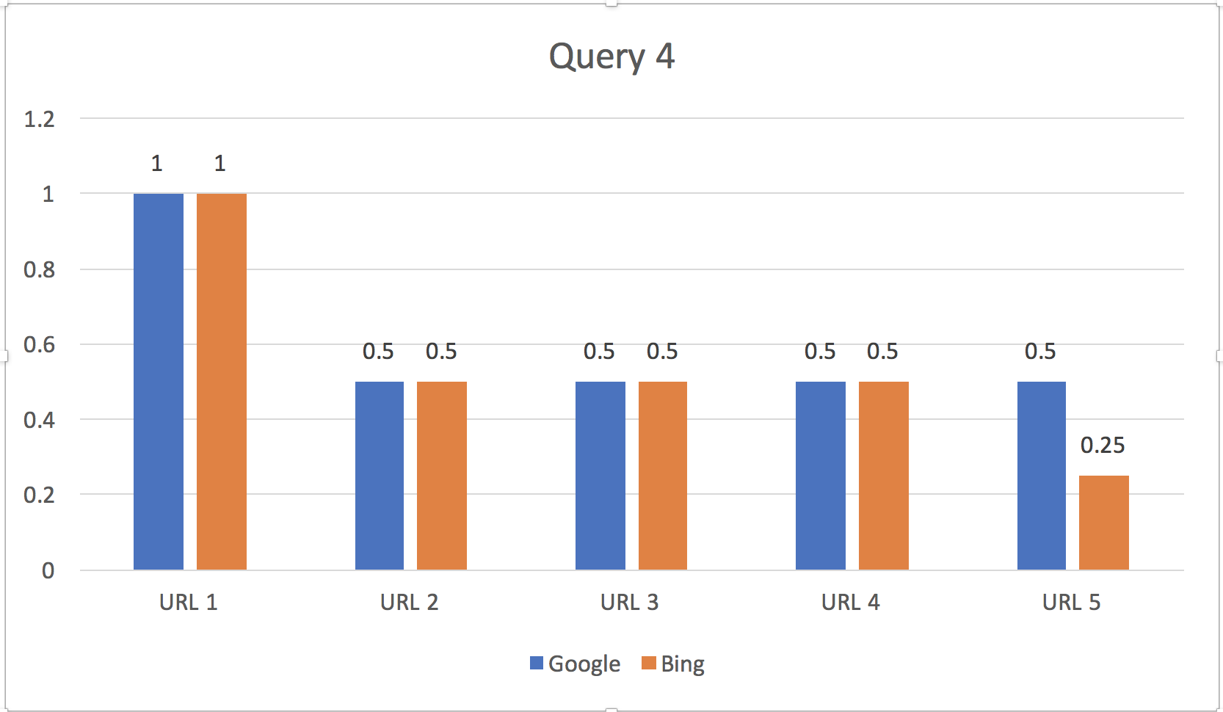
Query 4 | Astronautical Engineering Viterbi
 | Google Results | Relevance Score | Bing Score | Relevance Score
1 | https://astronautics.usc.edu/ | 1 | https://astronautics.usc.edu/ | 1
2 | https://astronautics.usc.edu/about/ | 0.5 | http://viterbiadmission.usc.edu/aste/ | 0.5
3 | https://viterbigradadmission.usc.edu/programs/masters/msprograms/astronautical-engineering/ms-astronautical-engineering/ | 0.5 | https://viterbigradadmission.usc.edu/programs/masters/msprograms/astronautical-engineering/ | 0.5
4 | https://viterbigradadmission.usc.edu/programs/masters/msprograms/astronautical-engineering/ | 0.5 | https://viterbigradadmission.usc.edu/programs/masters/msprograms/astronautical-engineering/ms-astronautical-engineering/ | 0.5
5 | http://viterbiadmission.usc.edu/aste/ | 0.5 | https://viterbischool.usc.edu/news/2017/11/usc-viterbi-joins-international-astronautical-federation/ | 0.25

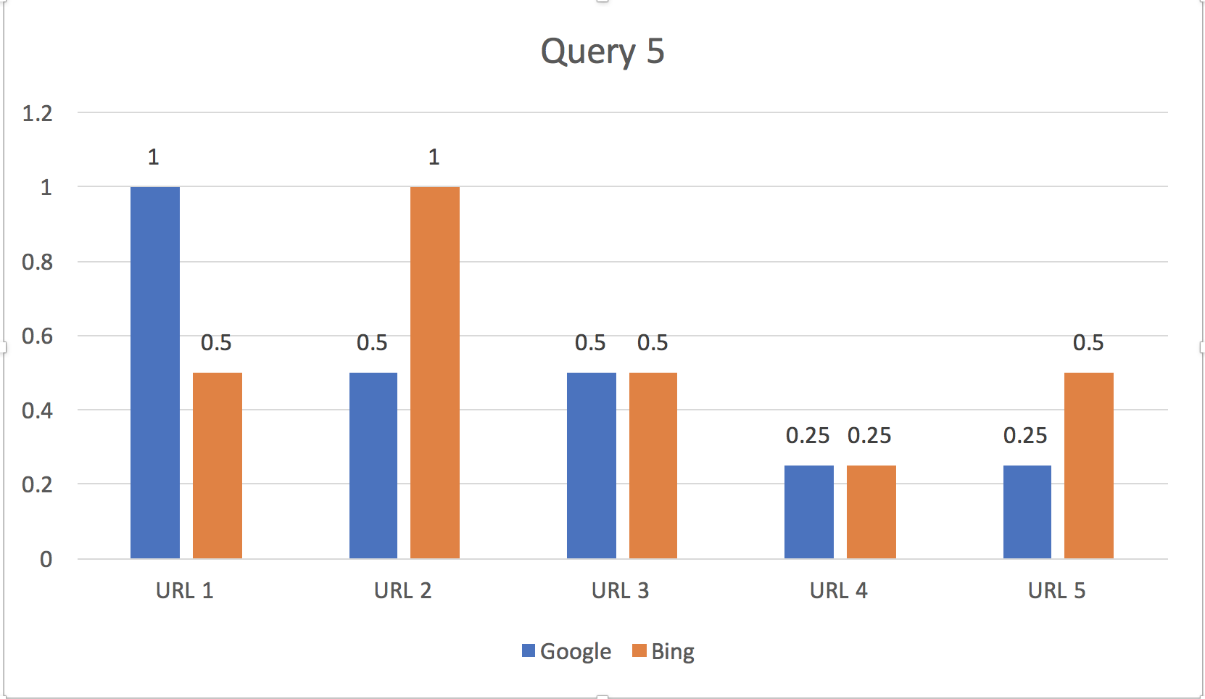
Query 5 | Biomedical Engineering Viterbi
 | Google Results | Relevance Score | Bing Results | Relevance Score
1 | https://bme.usc.edu/ | 1 | http://viterbiadmission.usc.edu/bme/ | 0.5
2 | https://viterbigradadmission.usc.edu/programs/masters/msprograms/biomedical-engineering/ | 0.5 | https://bme.usc.edu/ | 1
3 | https://viterbigradadmission.usc.edu/programs/masters/msprograms/biomedical-engineering/ms-biomedical-engineering/ | 0.5 | http://viterbiadmission.usc.edu/bme/ | 0.5
4 | https://viterbi.usc.edu/directory/faculty/Khoo/Michael | 0.25 | https://viterbischool.usc.edu/ | 0.25
5 | https://viterbi.usc.edu/directory/faculty/Chung/Eun-Ji | 0.25 | https://viterbigradadmission.usc.edu/programs/masters/msprograms/biomedical-engineering/ | 0.5

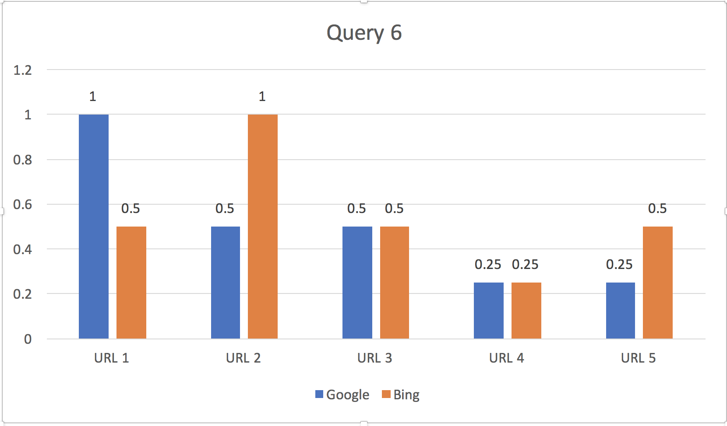
Query 6 | Computer Science Viterbi
 | Google Results | Relevance Score | Bing Results | Relevance Score
1 | https://www.cs.usc.edu/ | 1 | https://viterbischool.usc.edu/admission/ | 0.5
2 | https://viterbigradadmission.usc.edu/programs/masters/msprograms/computer-science/ | 0.5 | https://www.cs.usc.edu/ | 1
3 | https://viterbigradadmission.usc.edu/programs/masters/msprograms/computer-science/ms-computer-science/ | 0.5 | https://viterbiexeced.usc.edu/engineering-program-areas/computer-science/ | 0.5
4 | https://viterbischool.usc.edu/news/2017/05/usc-viterbi-seeks-support-new-computer-science-building/ | 0.25 | https://viterbischool.usc.edu/ | 0.25
5 | https://www.quora.com/How-is-the-USC-Viterbi-School-of-Engineering-for-computer-science-undergraduates | 0.25 | https://viterbigradadmission.usc.edu/programs/masters/msprograms/computer-science/ | 0.5

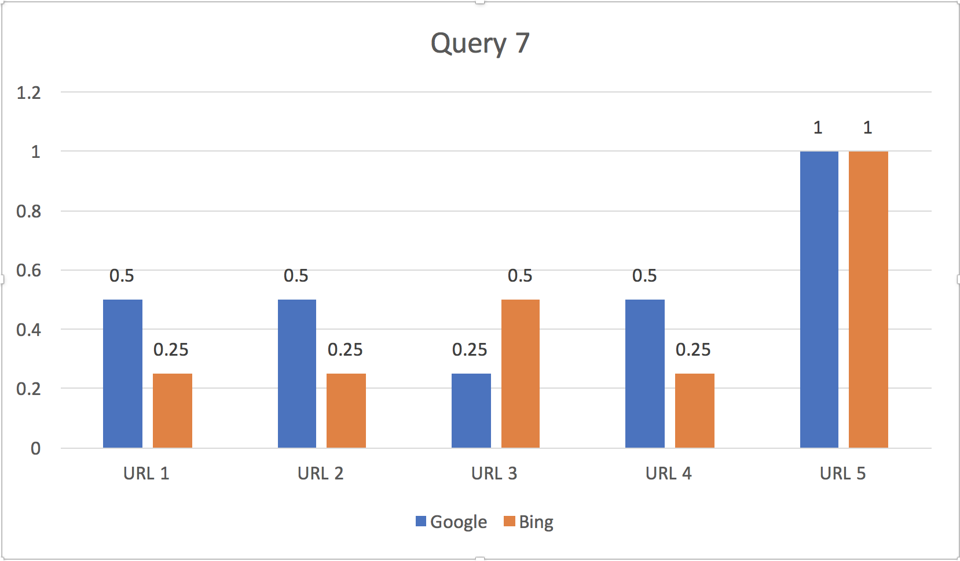
Query 7 | Viterbi USC map
 | Google Results | Relevance Score | Bing Results | Relevance Score
1 | http://csi.usc.edu/csi_home/maps-directions.htm | 0.5 | https://www.bing.com/search?q=viterbi+usc+map&FORM=HDRSC1 | 0.25
2 | https://web-app.usc.edu/maps/map.pdf | 0.5 | https://viterbischool.usc.edu/ | 0.25
3 | http://smrl.usc.edu/about/maps-and-directions/ | 0.25 | http://csi.usc.edu/csi_home/maps-directions.htm | 0.5
4 | https://commencement.usc.edu/academic-school-ceremonies/viterbi/ | 0.5 | https://viterbischool.usc.edu/alumni/ | 0.25
5 | https://viterbischool.usc.edu/visiting/ | 1 | https://www.cs.usc.edu/directions/ | 1

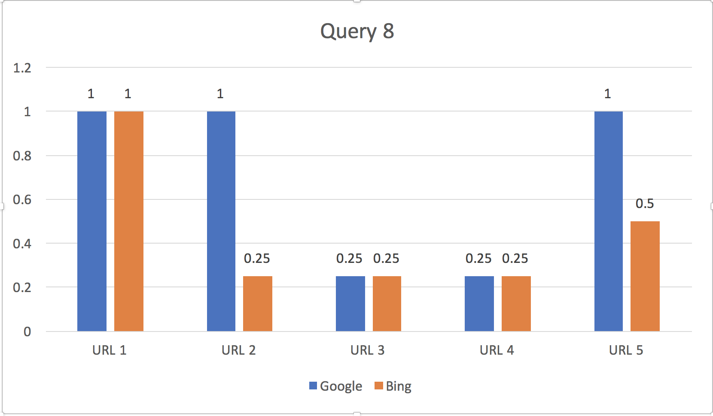
Query 8 | Andrew Viterbi USC
 | Google Results | Relevance Score | Bing Results | Relevance Score
1 | https://viterbischool.usc.edu/about-andrew-viterbi/ | 1 | https://viterbischool.usc.edu/about-andrew-viterbi/ | 1
2 | https://viterbi.usc.edu/directory/faculty/Viterbi/Andrew | 1 | https://viterbischool.usc.edu/ | 0.25
3 | https://viterbischool.usc.edu/ | 0.25 | https://www.bing.com/images/search?q=andrew+viterbi+usc&qpvt=Andrew+Viterbi+USC&FORM=IGRE | 0.25
4 | https://viterbi.usc.edu/news/news/2014/andrew-and-erna-viterbi-donate-additional-15-million-dollars-to-usc.htm | 0.25 | https://minghsiehee.usc.edu/about/lectures/distinguished-lecturer-series/andrew-viterbi/ | 0.25
5 | https://en.wikipedia.org/wiki/Andrew_Viterbi | 1 | https://en.wikipedia.org/wiki/USC_Viterbi_School_of_Engineering | 0.5

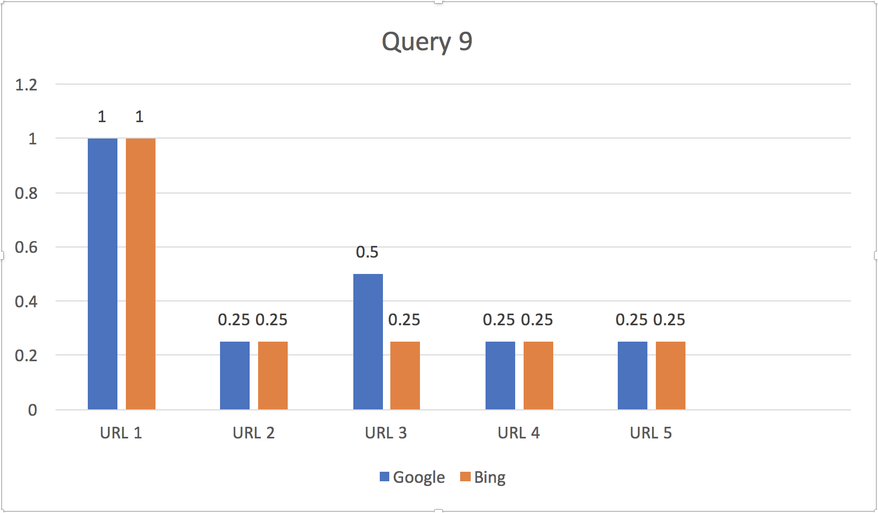
Query 9 | USC Viterbi Alumni
 | Google Results | Relevance Score | Bing Results | Relevance Score
1 | https://viterbischool.usc.edu/alumni/ | 1 | https://viterbischool.usc.edu/alumni/ | 1
2 | https://bme.usc.edu/people/alumni-friends/ | 0.25 | http://nanolab.usc.edu/people/alumni.htm | 0.25
3 | https://viterbicareers.usc.edu/alumni/ | 0.5 | http://nanolab.usc.edu/people/alumni.htm | 0.25
4 | https://ise.usc.edu/people/alumni-friends/ | 0.25 | https://viterbicareers.usc.edu/ | 0.25
5 | https://chems.usc.edu/people/alumni-friends/ | 0.25 | https://bme.usc.edu/people/alumni-friends/ | 0.25

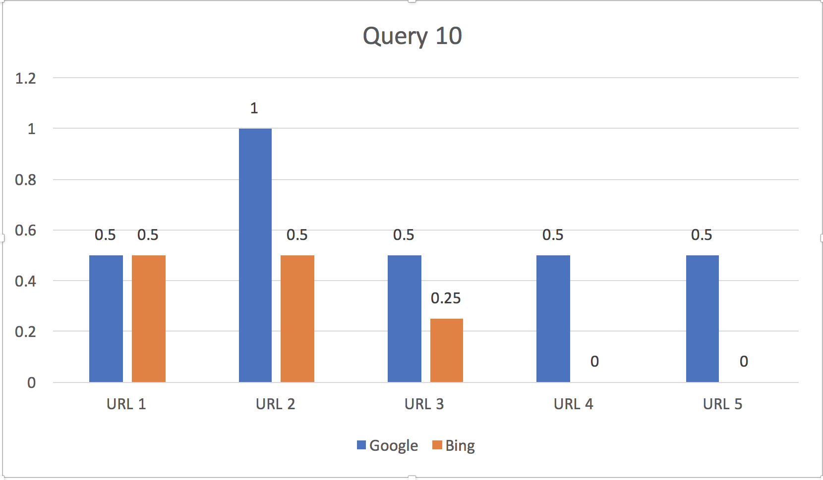
Informational Queries
Query 10 | USC Computer Science Undergraduate degree requirements
 | Google Results | Relevance Score | Bing Results | Relevance Score
1 | https://www.cs.usc.edu/undergrad/ | 0.5 | https://www.cs.usc.edu/undergrad/ | 0.5
2 | https://www.cs.usc.edu/undergrad/computer-science/ | 1 | http://catalogue.usc.edu/preview_program.php?catoid=2&poid=1486 | 0.5
3 | http://catalogue.usc.edu/preview_program.php?catoid=2&poid=1486 | 0.5 | https://undergrad.usc.edu/programs/major/list/engineering/ | 0.25
4 | http://catalogue.usc.edu/preview_program.php?catoid=2&poid=1488 | 0.5 | http://dornsife.usc.edu/earth/undergraduate-degrees/ | 0
5 | https://www.cs.usc.edu/undergrad/computer-science-business-administration/ | 0.5 | http://ee.usc.edu/info/studentresources/EE_Catalogue.html | 0

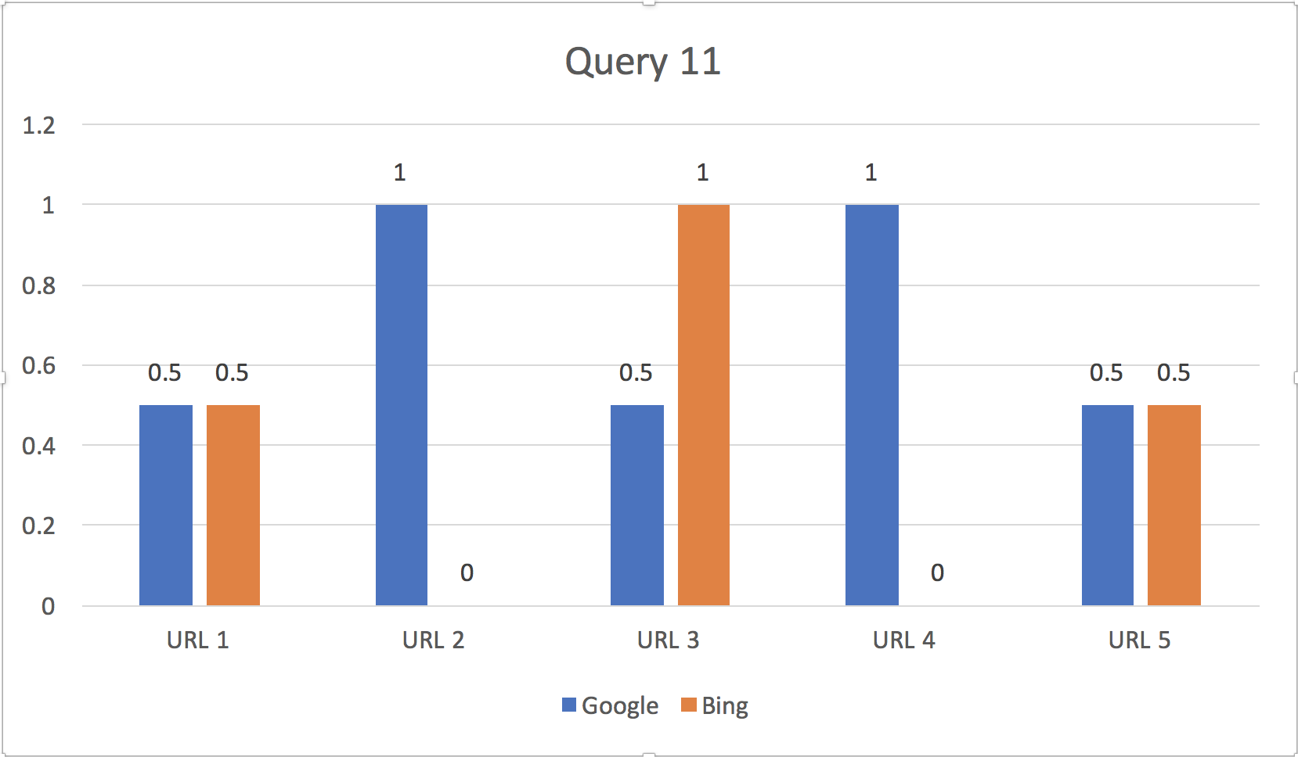
Query 11 | USC Computer Science Masters degree requirements
Note | I have assigned 1 only if the page has master degree req. consisting credit, course etc. for CS general. If it is any dept within Comp Sci other general , I have assigned 0.5
 | Google Results | Relevance Score | Bing Results | Relevance Score
1 | https://www.cs.usc.edu/masters/ | 0.5 | http://catalogue.usc.edu/preview_entity.php?catoid=2&ent_oid=247 | 0.5
2 | https://www.cs.usc.edu/masters/computer-science-general/ | 1 | http://catalogue.usc.edu/preview_program.php?catoid=2&poid=1486 | 0
3 | https://www.cs.usc.edu/masters/scientists-and-engineers/ | 0.5 | https://viterbigradadmission.usc.edu/programs/masters/msprograms/computer-science/ms-computer-science/ | 1
4 | https://viterbigradadmission.usc.edu/programs/masters/msprograms/computer-science/ms-computer-science/ | 1 | https://www.cs.usc.edu/undergrad/ | 0
5 | https://www.cs.usc.edu/students/ms-students/ | 0.5 | https://www.cs.usc.edu/masters/ | 0.5

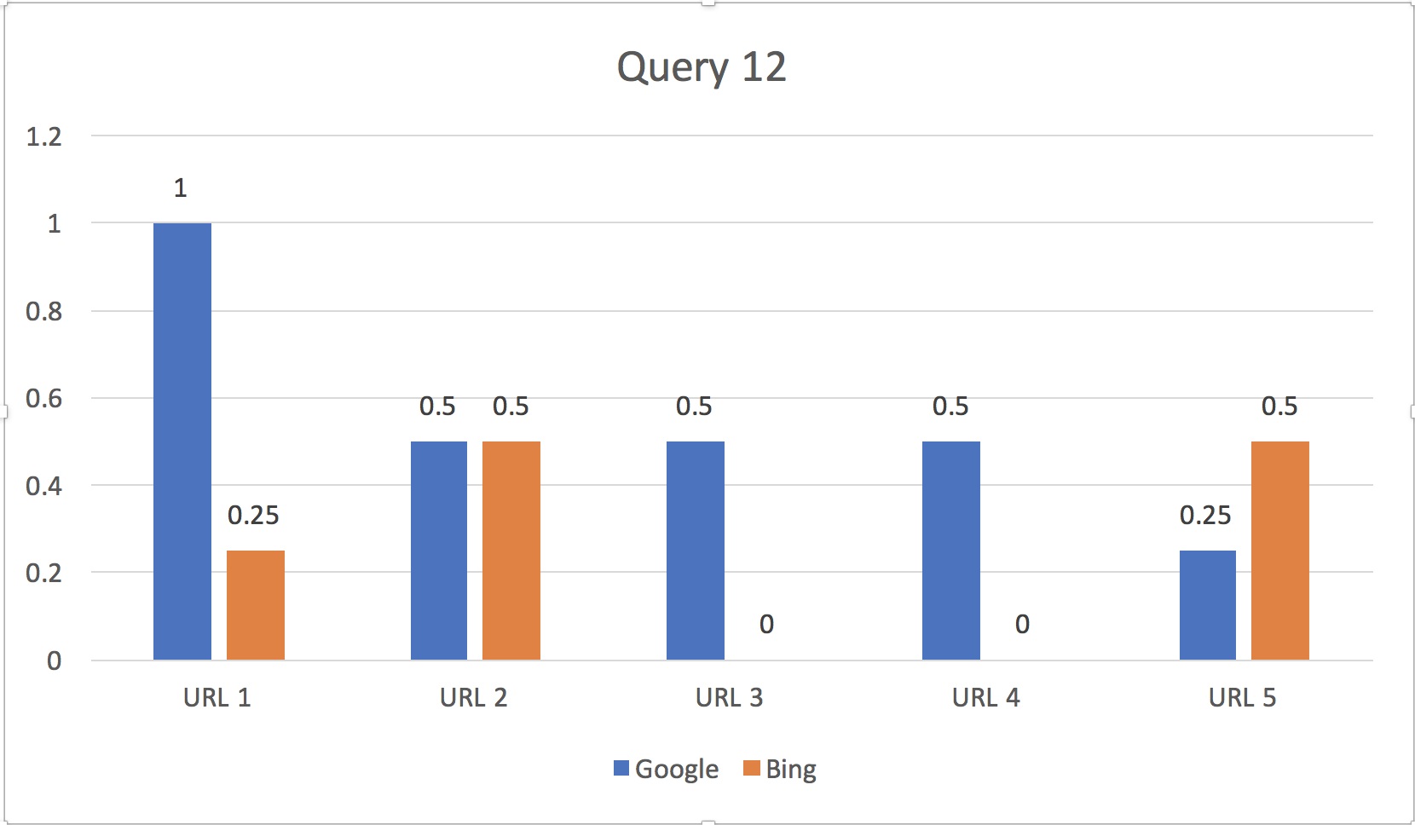
Query 12 | USC Computer Science Ph.D. degree requirements
 | Google Results | Relevance Score | Bing Results | Relevance Score
 | https://www.cs.usc.edu/phd/ | 1 | https://www.cs.usc.edu/ | 0.25
 | https://www.cs.usc.edu/phd-students/ | 0.5 | http://catalogue.usc.edu/preview_entity.php?catoid=2&ent_oid=247 | 0.5
 | https://www.cs.usc.edu/masters/ | 0.5 | http://catalogue.usc.edu/preview_program.php?catoid=2&poid=1486 | 0
 | https://www.cs.usc.edu/undergrad/ | 0.5 | http://ee.usc.edu/info/studentresources/EE_Catalogue.html | 0
 | https://www.cs.usc.edu/admission/ | 0.25 | https://www.cs.usc.edu/undergrad/ | 0.5

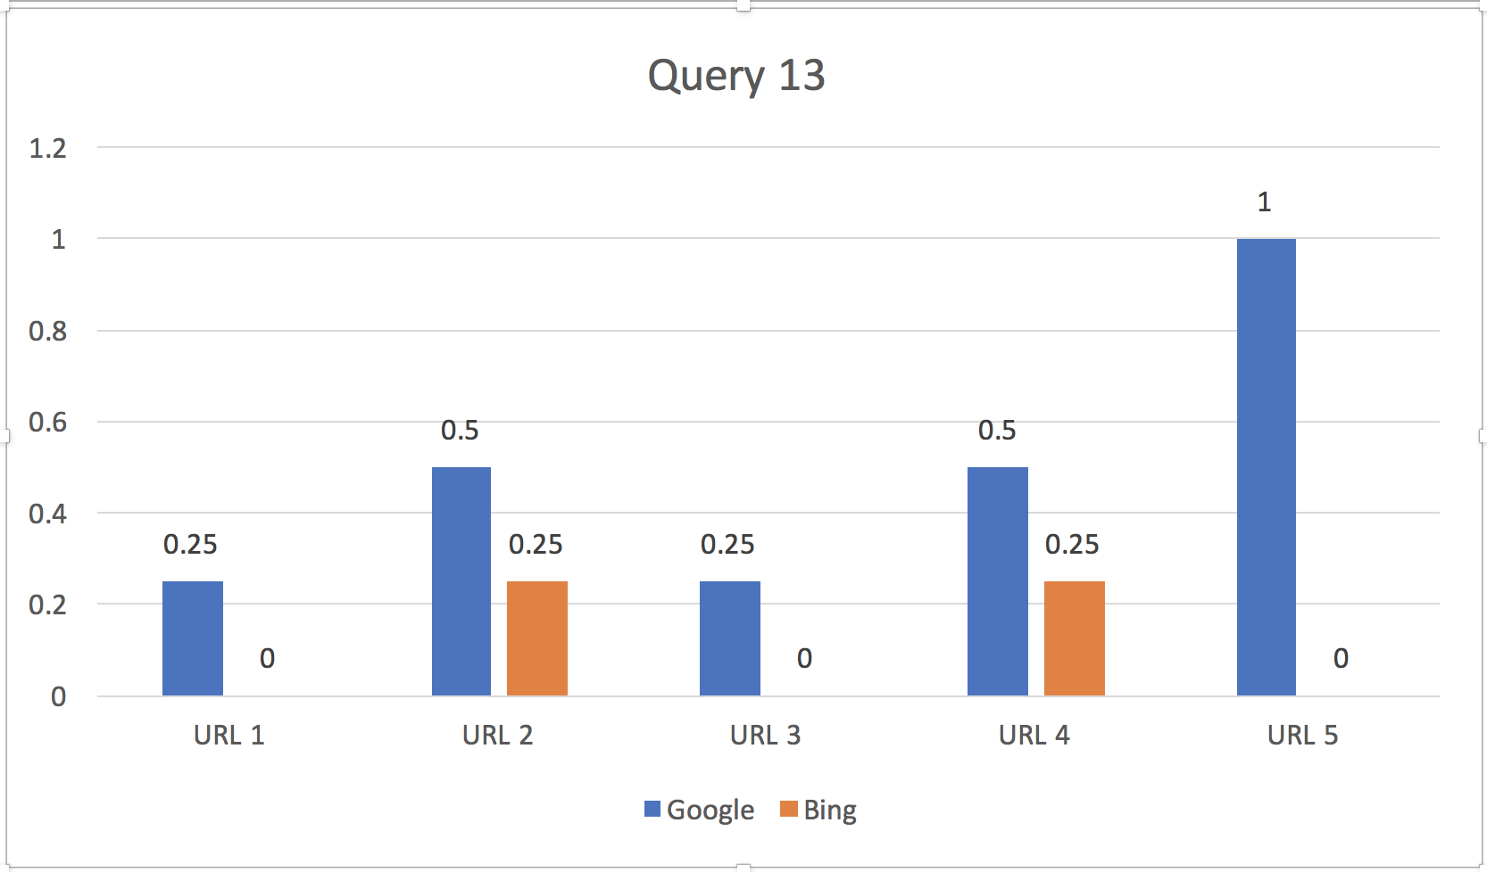
Query 13 | workshop viterbi data analysis
 | Google Results | Relevance Score | Bing Results | Relevance Score
1 | https://scholar.google.com/scholar?q=workshop+viterbi+data+analysis&hl=en&as_sdt=0&as_vis=1&oi=scholart&sa=X&ved=0ahUKEwiI5K6IqvHYAhVR4GMKHbciDPAQgQMIKzAA | 0.25 | https://www.isi.edu/~galstyan/papers/hmm_parameter_nips.pdf | 0
2 | https://viterbi.usc.edu/calendar/?date=01/30/2018& | 0.5 | https://viterbigradadmission.usc.edu/programs/masters/msprograms/industrial-systems-engineering/ms-analytics/ | 0.25
3 | https://viterbi.usc.edu/calendar/?month& | 0.25 | https://stats.stackexchange.com/questions/581/differences-between-baum-welch-and-viterbi-training | 0
4 | https://viterbiexeced.usc.edu/course/usc-viterbi-data-analytics-boot-camp/ | 0.5 | https://viterbigradadmission.usc.edu/programs/masters/msprograms/informatics/ms-data-informatics/ | 0.25
5 | https://databootcamp.viterbi.usc.edu/ | 1 | https://aviationsafety.usc.edu/courses/ | 0

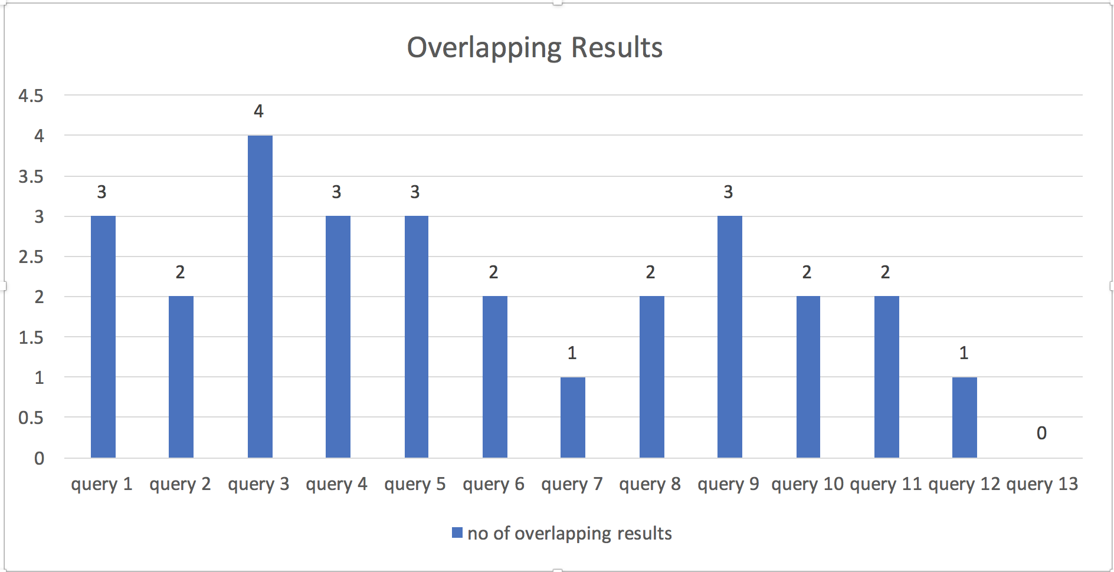

 |  |  |  |  | 2.2

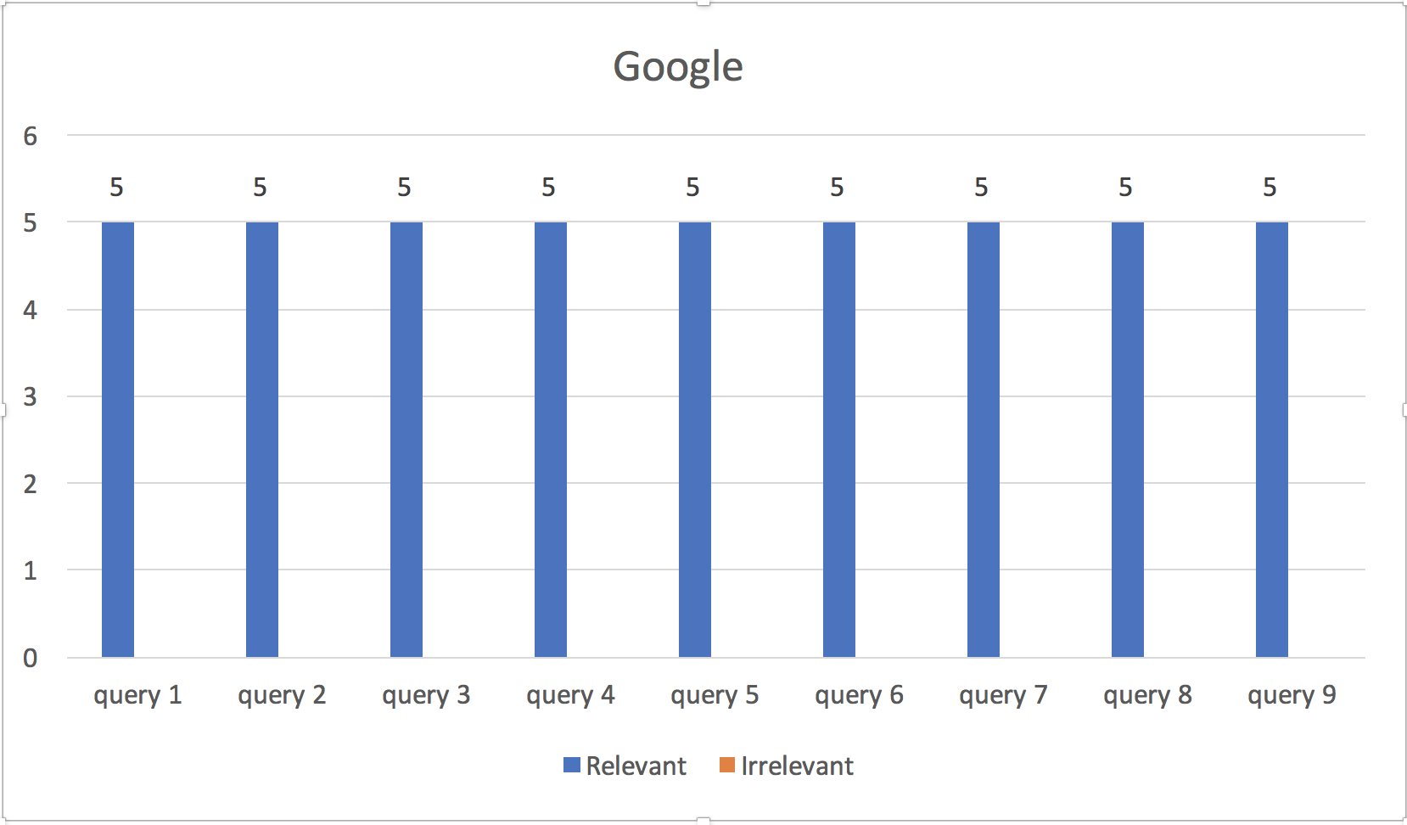
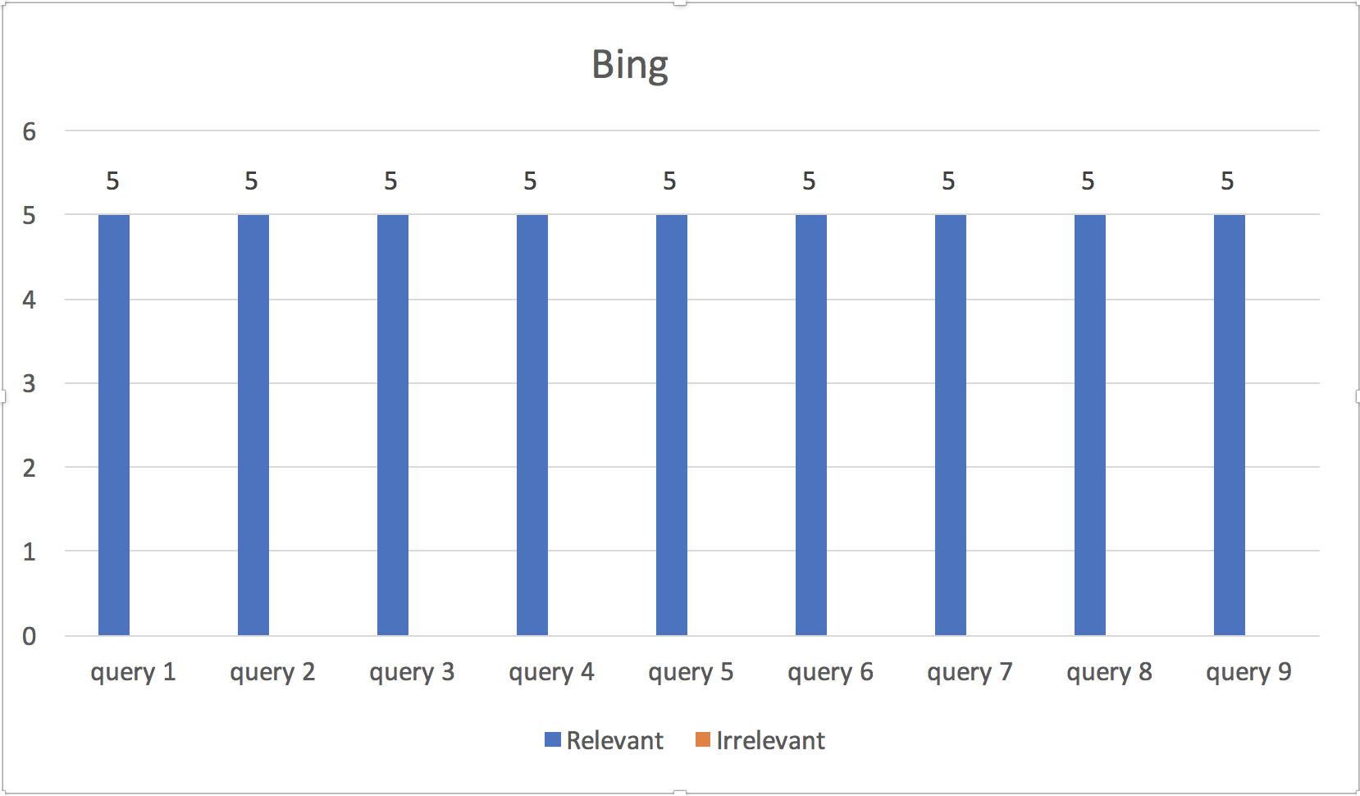

 |  | 2.3 a |  |  |  |  | 2.3 b

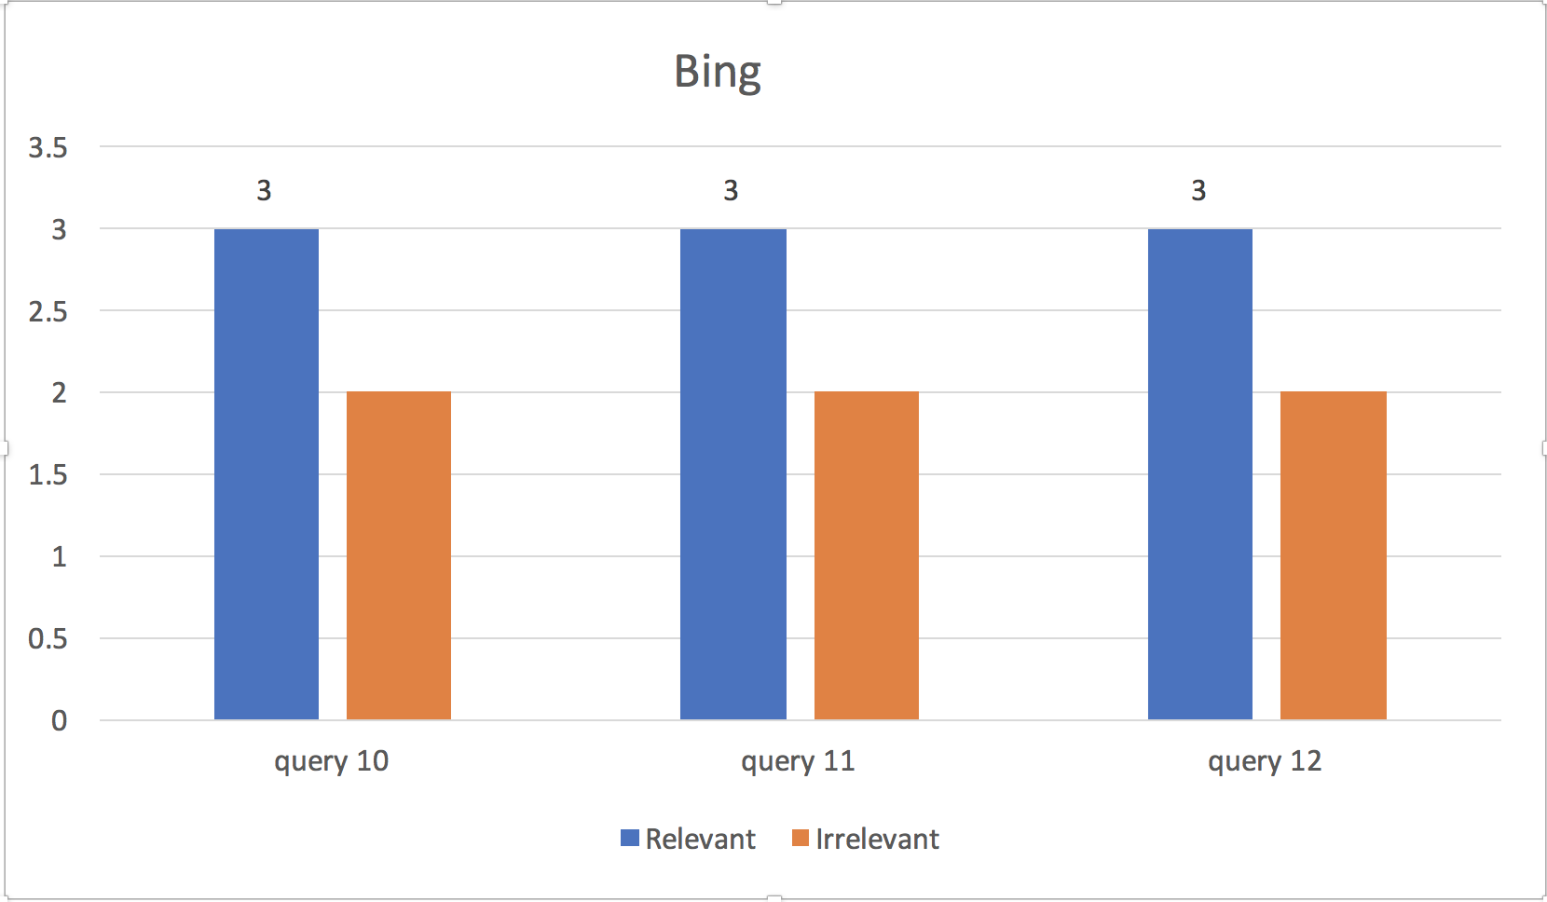
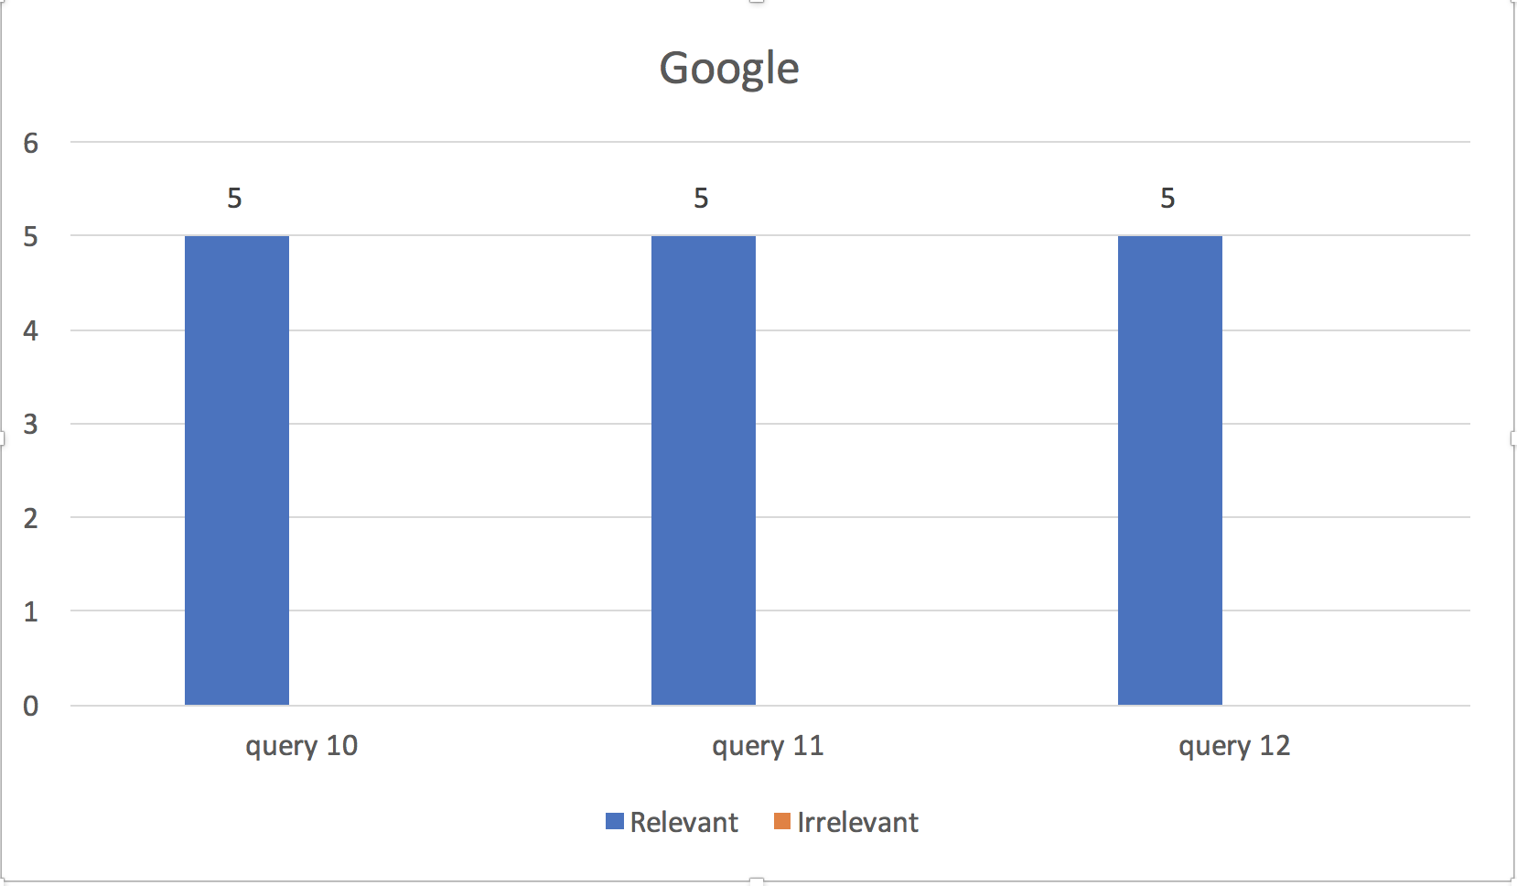

 |  | 2.4 a |  |  |  |  | 2.4 b

