Bug#1
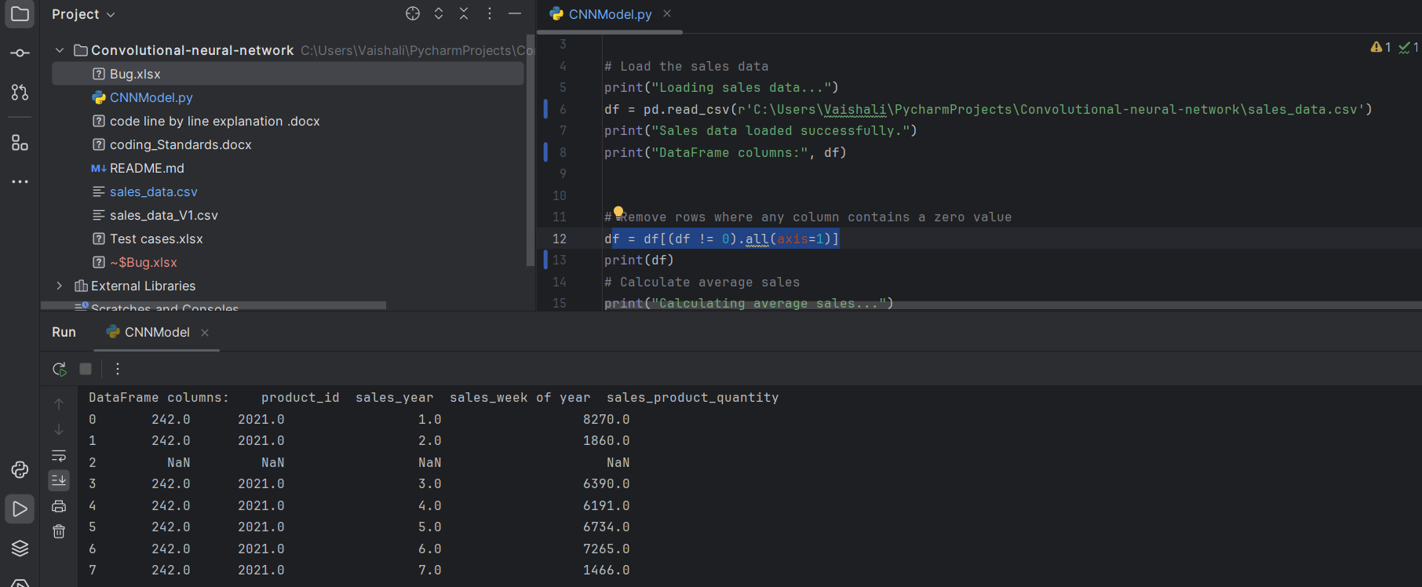
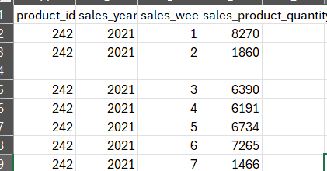
Bug ID#1
 |  | Status | Reviewer
Bug description | When uploaded a file with rows null, the null rows are displayed. | Open | Padhu
 | From below picture the empty values diplay as NaN which is not valid add in the code will reduce performance |  | Rahul
 |  |  | Charan
 |  |  | Deepnil
 |  |  | Yeman

