Laser Flow

LASER (Quad/Warehouse) Flow Chart

SSN Search
Successful

Set Flag for Positive
Improvement of Credit, scrub
Score Account Letter all Accounts passing scrubs Enrich accounts with Contact ability Data
No SSN
Yes
SSN
Synergetic Communication

Placement of Account

Score at Placement
Move to Tier Work
Reset Flags for Next Hit

No SSN

Right Party Contact
Hit

Attempt to Enrich
SSN Search

Send Letter and
Move Account to Active Work Queue
Segmentation Determined by Score and Credit Information Received

SSN Not Found

Tier 1 Work Strategy
Tier 2 Work Strategy
Tier 3 Work Strategy

Hold Account

Contacted Consumer
Payment,
SIF/PIF
Banko,
Deceased
No
Contact,
Skip,
Refuse to Pay

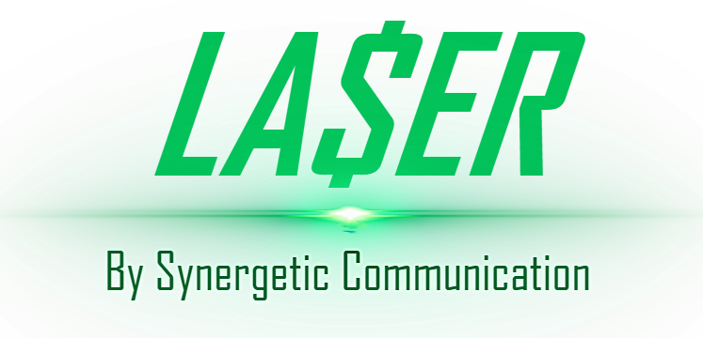

Close and Return

