Sheet2
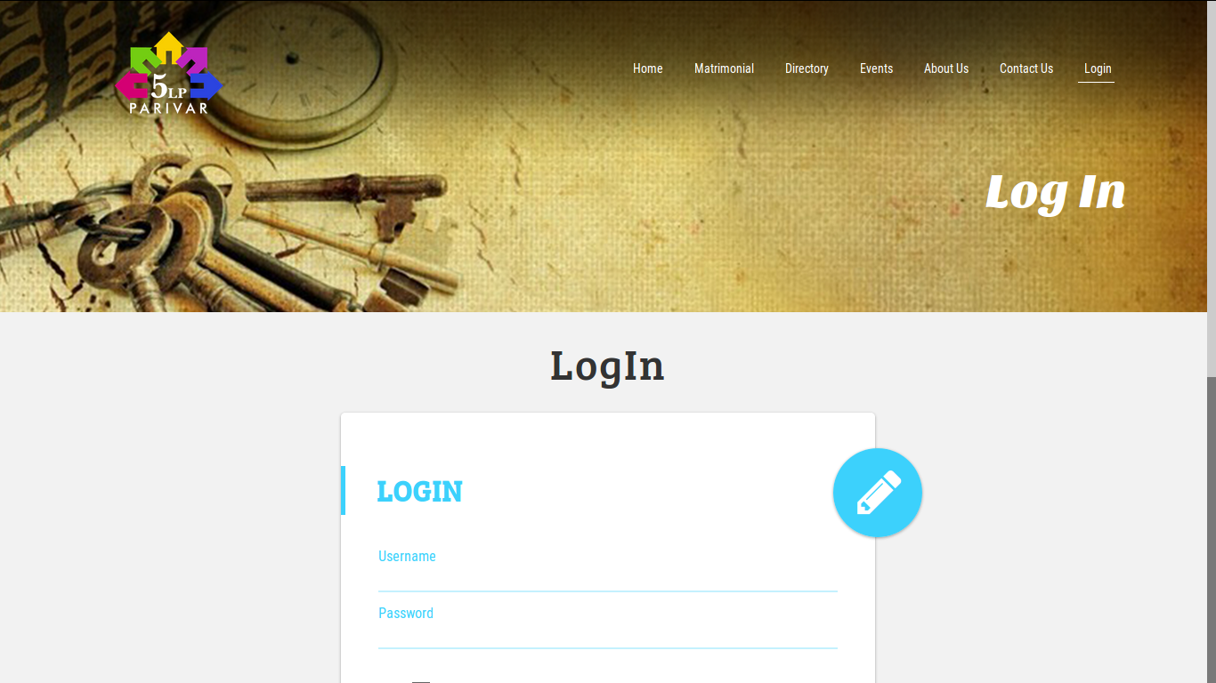

Screen shot 1



Screen shot 2

