Shard Draw
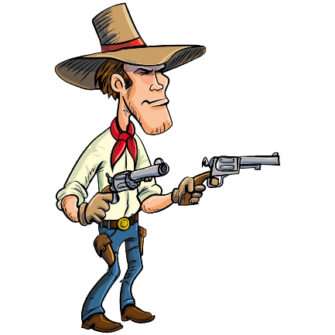
Shard Draw Simulator |  |  |  |  |  |  |  |  |  | Draw Results | Draw Results
 |  |  |  |  |  |  |  |  |  |  | Champion | Rarity | Affinity
 | Shards Owned |  | 1x or 2x Event | Draw Pool |  |  | Odds
Click | Type | Qty |  | Rare | Epic | Legendary | Rare | Epic | Legendary
on the | Mystery |  | Mystery | 139 | n/a | n/a | 1.4% | n/a | n/a
Cowboy | Ancient |  | Ancient | 139 | 152 | 95 | 91.5% | 8.0% | 0.5%
to draw | Void |  | Void | 49 | 37 | 31 | 91.5% | 8.0% | 0.5%
 | Sacred |  | Sacred | n/a | 143 | 92 | n/a | 94.0% | 6.0%

 | Event Type |  | Mercy System | Activation |  | Increase |  | Draws Since Last
 | 2x Ancient | FALSE |  | Epic | Legendary | Epic | Legendary | Epic | Legendary
 | 2x Void | FALSE | Mystery | n/a | n/a | n/a | n/a | n/a | n/a
Graphics | 2x Sacred | FALSE | Ancient | 20 | 200 | +2% | +5% | 18 | 12
 | 10x | TRUE | Void | 20 | 200 | +2% | +5% | 1 | 20
 | Win 1 Get 1 | FALSE | Sacred | n/a | 12 | n/a | +2% | n/a | 2

10 x Event Champions |  |  | x 10 Event | 10 x Draw Pool |  |  | Odds
 |  |  |  | Rare | Epic | Legendary | Rare | Epic | Legendary
 |  |  | Ancient | 139 | 152 | 95 | n/a | 0.0% | 0.0%
 |  |  | Void | 49 | 37 | 31 | n/a | 0.0% | 0.0%
 |  |  | Sacred | n/a | 143 | 92 | n/a | 0.0% | 0.0%

