📊 Overview & Trends
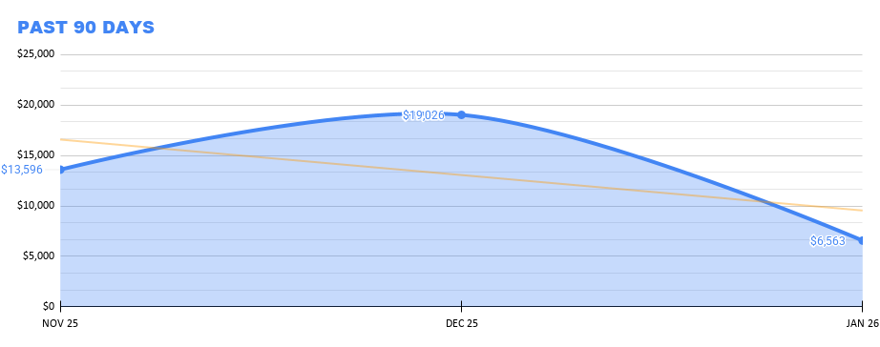
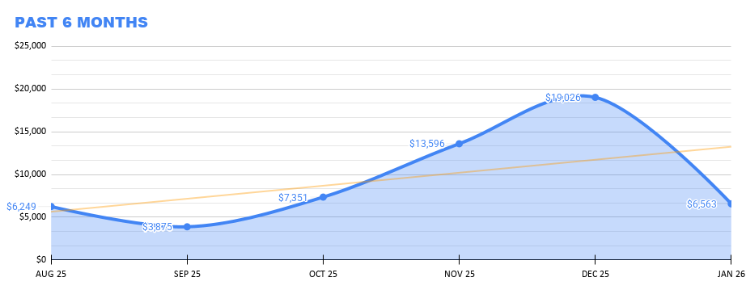
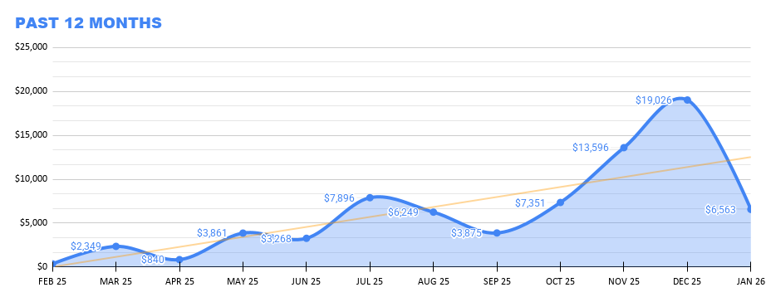
 |  | 💲REVENUE OVERVIEW & TRENDS
 |  | PAST 90 DAYS |  |  | PAST 6 MONTHS |  |  | PAST 12 MONTHS
 | FEB 26 | JAN 26 | DEC 25 | NOV 25 | OCT 25 | SEP 25 | AUG 25 | JUL 25 | JUN 25 | MAY 25 | APR 25 | MAR 25 | FEB 25 | JAN 25 | DEC 24 | NOV 24 | OCT 24 | SEP 24 | AUG 24 | JUL 24 | JUN 24
VIDEO
YT VIDEOS | $3,528.49 | $4,193.08 | $14,418.95 | $7,986.27 | $4,882.45 | $2,508.56 | $5,206.70 | $7,649.82 | $3,012.39 | $3,811.41 | $784.31 | $2,319.51 | $155.61 | $105.36 | $98.28 | $228.90 | $200.99 | $310.61 | $2,135.04 | $1,745.68 | $2,662.66
YT SHORTS | $284.47 | $182.65 | $277.36 | $234.24 | $108.64 | $81.51 | $236.08 | $243.56 | $75.32 | $18.70 | $12.98 | $20.86 | $10.68 | $6.18 | $5.42 | $3.96 | $2.18 | $2.09 | $5.11 | $2.73 | $9.28
YT LIVES | $3,774.16 | $878.91 | $1.28 | $1.29 | $0.82 | $1.42 | $1.40 | $2.18 | $180.18 | $31.21 | $42.47 | $8.46 | $186.16 | $3.47 | $14.26 | $6.38 | $134.50 | $8.16 | $1,702.04 | $1,210.78 | $3,030.49
CULTURE GENESIS | TBD | $676.74 | $2,887.07 | $3,155.81 | $1,520.75 | $365.06 | $714.93 | N/A | N/A | N/A | N/A | N/A | N/A | N/A | N/A | N/A | N/A | N/A | N/A | N/A
UPTIDES | $7.68 | N/A | N/A | N/A | N/A | N/A | N/A | N/A | N/A | N/A | N/A | N/A | N/A
AUDIO | $0.00 | $631.81 | $1,441.56 | $2,218.64 | $837.92 | $918.70 | $89.60 | N/A | N/A | N/A | N/A | N/A | N/A | N/A | N/A | N/A | N/A | N/A | N/A | N/A
BRANDS | $45,000 | N/A | N/A | N/A | N/A | N/A | N/A | N/A | N/A | N/A | N/A | N/A | N/A
SOCIAL | N/A | N/A | N/A | N/A | N/A | N/A | N/A | N/A | N/A | N/A | N/A | N/A | N/A | N/A | N/A | N/A | N/A | N/A | N/A | N/A
MERCH | N/A | N/A | N/A | N/A | N/A | N/A | N/A | N/A | N/A | N/A | N/A | N/A | N/A | N/A | N/A | N/A
TOTAL | $52,587.12 | $6,563.19 | $19,026.22 | $13,596.25 | $7,350.58 | $3,875.25 | $6,248.71 | $7,895.56 | $3,267.89 | $3,861.32 | $839.76 | $2,348.83 | $352.45 | $115.01 | $117.96 | $239.24 | $337.67 | $320.86 | $3,842.19 | $2,959.19 | $3,030.49

