Displays
Parent Category Outcomes
 | canceled | failed | live | successful
theater | 26 | 349 | 12 | 525
Subcategory Outcome
 | canceled | failed | live | successful
animation |  | 14
art books | 3
children's books |  | 2
classical music |  |  |  | 5
documentary |  |  |  | 8
drama |  | 16
electronic music |  |  |  | 6
faith |  | 1 | 1
fiction |  | 2
food trucks | 1 | 5
gadgets |  | 3
hardware |  |  |  | 19
jazz |  | 6
metal |  |  |  | 2
mobile games |  | 7
musical | 5 | 11 |  | 10
nature |  | 3
nonfiction |  |  |  | 6
people |  | 5
photobooks |  | 14 |  | 18
places |  | 5
pop |  |  |  | 2
restaurants |  | 3
rock |  |  |  | 10
science fiction | 2
shorts |  |  |  | 6
small batch |  |  | 1
space exploration |  |  |  | 3
spaces | 1 | 8 |  | 10
tabletop games |  |  |  | 16
television |  |  |  | 7
translations |  | 4
video games |  | 10
wearables | 5 | 6
web | 7 | 10
world music | 1

Outcomes Based on Launch Date
 | canceled | failed | live | successful
Jan | 7 | 33 | 2 | 56
Feb | 3 | 39 | 8 | 71
Mar | 3 | 33 | 14 | 56
Apr | 2 | 40 |  | 71
May | 3 | 52 |  | 111
Jun | 4 | 49 |  | 100
Jul | 1 | 50 |  | 87
Aug | 4 | 47 |  | 72
Sep | 4 | 34 |  | 59
Oct |  | 50 |  | 65
Nov | 3 | 31 |  | 54
Dec | 3 | 35 |  | 37
Number of Failed Outcomes by Length of Time
 | Total
11 to 20 days | 224
Less than 10 days | 35
31 to 40 days | 422
26 to 30 days | 963
41 to 50 days | 153
21 to 25 days | 202
Greater than 40 days | 186

Kickstarter Mean and Median Comparison
 | Successful. | Failed.
Mean Goal | 5048.8786408 | 10554.212
Mean Pledged | 5601.545801 | 558.65484
Median Goal | 3000 | 5000
Median Pledged | 3167.5 | 103
Kickstarter Statistics Comparison
 | Successful. | Failed.
IQR of Goal | 7482.4925 | 8491.75
Lower Quartile of Goal | 3216.5075 | 2009.25
Standard Deviation | 16083.326943 | 23298.25409
Upper Quartile of Goal | 10699 | 10501
Successful Outcome Goal Results
 | Total
film & video | 118.1%
food | 173.8%
games | 415.1%
music | 124.1%
photography | 147.5%
publishing | 212.1%
technology | 292.8%
theater | 115.0%

Category Statistics
country | US

Count of outcomes | Column Labels
Row Labels | canceled | failed | live | successful | Grand Total
theater | 26 | 349 | 12 | 525 | 912
Grand Total | 26 | 349 | 12 | 525 | 912

Parent Category Outcomes

Subcategory Statistics
country | GB
Parent Category | (All)

Count of outcomes | Column Labels
Row Labels | canceled | failed | live | successful | Grand Total
animation |  | 14 |  |  | 14
art books | 3 |  |  |  | 3
children's books |  | 2 |  |  | 2
classical music |  |  |  | 5 | 5
documentary |  |  |  | 8 | 8
drama |  | 16 |  |  | 16
electronic music |  |  |  | 6 | 6
faith |  | 1 | 1 |  | 2
fiction |  | 2 |  |  | 2
food trucks | 1 | 5 |  |  | 6
gadgets |  | 3 |  |  | 3
hardware |  |  |  | 19 | 19
jazz |  | 6 |  |  | 6
metal |  |  |  | 2 | 2
mobile games |  | 7 |  |  | 7
musical | 5 | 11 |  | 10 | 26
nature |  | 3 |  |  | 3
nonfiction |  |  |  | 6 | 6
people |  | 5 |  |  | 5
photobooks |  | 14 |  | 18 | 32
places |  | 5 |  |  | 5
pop |  |  |  | 2 | 2
restaurants |  | 3 |  |  | 3
rock |  |  |  | 10 | 10
science fiction | 2 |  |  |  | 2
shorts |  |  |  | 6 | 6
small batch |  |  | 1 |  | 1
space exploration |  |  |  | 3 | 3
spaces | 1 | 8 |  | 10 | 19
tabletop games |  |  |  | 16 | 16
television |  |  |  | 7 | 7
translations |  | 4 |  |  | 4
video games |  | 10 |  |  | 10
wearables | 5 | 6 |  |  | 11
web | 7 | 10 |  |  | 17
world music | 1 |  |  |  | 1
Grand Total | 25 | 135 | 2 | 128 | 290

Subcategory Outcome
 | canceled | failed | live | successful
animation |  | 14
art books | 3
children's books |  | 2
classical music |  |  |  | 5
documentary |  |  |  | 8
drama |  | 16
electronic music |  |  |  | 6
faith |  | 1 | 1
fiction |  | 2
food trucks | 1 | 5
gadgets |  | 3
hardware |  |  |  | 19
jazz |  | 6
metal |  |  |  | 2
mobile games |  | 7
musical | 5 | 11 |  | 10
nature |  | 3
nonfiction |  |  |  | 6
people |  | 5
photobooks |  | 14 |  | 18
places |  | 5
pop |  |  |  | 2
restaurants |  | 3
rock |  |  |  | 10
science fiction | 2
shorts |  |  |  | 6
small batch |  |  | 1
space exploration |  |  |  | 3
spaces | 1 | 8 |  | 10
tabletop games |  |  |  | 16
television |  |  |  | 7
translations |  | 4
video games |  | 10
wearables | 5 | 6
web | 7 | 10
world music | 1

Goals
Successful Outcome Goal Results
 | Total
film & video | 118.1%
food | 173.8%
games | 415.1%
music | 124.1%
photography | 147.5%
publishing | 212.1%
technology | 292.8%
theater | 115.0%
Row Labels | Sum of % of Goal Made
successful
film & video | 118.1%
food | 173.8%
games | 415.1%
music | 124.1%
photography | 147.5%
publishing | 212.1%
technology | 292.8%
theater | 115.0%

Length of time and succeess
outcomes | successful

Row Labels | Count of outcomes
11 to 20 days | 224
Less than 10 days | 35
31 to 40 days | 422
26 to 30 days | 963
41 to 50 days | 153
21 to 25 days | 202
Greater than 40 days | 186
Grand Total | 2185
Number of Failed Outcomes by Length of Time

Number of Success and Failed by Length of Time

Count of outcomes | Column Labels
Row Labels | failed | successful | Grand Total
26-27 days | 31 | 87 | 118
28 to 29 days | 22 | 58 | 80
30 days | 733 | 813 | 1546
Grand Total | 786 | 958 | 1744

Length of Time and Parent
Parent Categories and Campaign Lengths
 | failed | successful
film & video | 3 | 12
food | 1
games | 3 | 4
music | 3 | 12
photography |  | 2
publishing | 4 | 1
technology | 4 | 5
theater | 13 | 51
film & video | 2 | 2
food |  | 1
games | 2 | 3
music |  | 12
photography | 2 | 5
publishing | 1 | 3
technology | 3 | 2
theater | 12 | 30
film & video | 81 | 108
food | 78 | 18
games | 87 | 32
music | 54 | 197
photography | 52 | 43
publishing | 71 | 33
technology | 109 | 89
theater | 201 | 293
Count of Parent Category | Column Labels
Row Labels | failed | successful | Grand Total
26-27 days | 31 | 87 | 118
film & video | 3 | 12 | 15
food | 1 |  | 1
games | 3 | 4 | 7
music | 3 | 12 | 15
photography |  | 2 | 2
publishing | 4 | 1 | 5
technology | 4 | 5 | 9
theater | 13 | 51 | 64
28 to 29 days | 22 | 58 | 80
film & video | 2 | 2 | 4
food |  | 1 | 1
games | 2 | 3 | 5
music |  | 12 | 12
photography | 2 | 5 | 7
publishing | 1 | 3 | 4
technology | 3 | 2 | 5
theater | 12 | 30 | 42
30 days | 733 | 813 | 1546
film & video | 81 | 108 | 189
food | 78 | 18 | 96
games | 87 | 32 | 119
music | 54 | 197 | 251
photography | 52 | 43 | 95
publishing | 71 | 33 | 104
technology | 109 | 89 | 198
theater | 201 | 293 | 494
Grand Total | 786 | 958 | 1744

Outcomes Based on Launch Date
Parent Category | theater
Years | (All)

Count of outcomes | Column Labels
Row Labels | canceled | failed | live | successful | Grand Total
Jan | 7 | 33 | 2 | 56 | 98
Feb | 3 | 39 | 8 | 71 | 121
Mar | 3 | 33 | 14 | 56 | 106
Apr | 2 | 40 |  | 71 | 113
May | 3 | 52 |  | 111 | 166
Jun | 4 | 49 |  | 100 | 153
Jul | 1 | 50 |  | 87 | 138
Aug | 4 | 47 |  | 72 | 123
Sep | 4 | 34 |  | 59 | 97
Oct |  | 50 |  | 65 | 115
Nov | 3 | 31 |  | 54 | 88
Dec | 3 | 35 |  | 37 | 75
Grand Total | 37 | 493 | 24 | 839 | 1393

Outcomes Based on Launch Date
 | canceled | failed | live | successful
Jan | 7 | 33 | 2 | 56
Feb | 3 | 39 | 8 | 71
Mar | 3 | 33 | 14 | 56
Apr | 2 | 40 |  | 71
May | 3 | 52 |  | 111
Jun | 4 | 49 |  | 100
Jul | 1 | 50 |  | 87
Aug | 4 | 47 |  | 72
Sep | 4 | 34 |  | 59
Oct |  | 50 |  | 65
Nov | 3 | 31 |  | 54
Dec | 3 | 35 |  | 37

Descriptive Statistics
Type | Successful | Failed
Mean Goal | $5,049 | $10,554
Median Goal | $3,000 | $5,000
Standard Deviation | 7748.7537726 | $21,968
Upper Quartile of Goal | 5000 | 10000
Lower Quartile of Goal | 1500 | 2000
IQR of Goal | 3500 | 8000
Mean Pledged | $5,602 | $559
Median Pledged | $3,168 | $103
Standard Deviation | $8,335 | $1,331
Upper Quartile of Goal | $5,699 | $501
Lower Quartile of Goal | $1,717 | $9
IQR of Goal | $3,982 | $492

Row Labels | Successful. | Failed. | Row Labels | Successful. | Failed.
Mean Goal | 5048.8786408 | 10554.212 | IQR of Goal | 7482.4925 | 8491.75
Mean Pledged | 5601.545801 | 558.65484 | Lower Quartile of Goal | 3216.5075 | 2009.25
Median Goal | 3000 | 5000 | Standard Deviation | 16083.326943 | 23298.25409
Median Pledged | 3167.5 | 103 | Upper Quartile of Goal | 10699 | 10501
Grand Total | 16817.924442 | 16215.86684 | Grand Total | 37481.326943 | 44300.25409

Kickstarter Mean and Median Comparison
Kickstarter Statistics Comparison

Top Countries and Ratios
outcomes | successful

Top Five Countries Successful Outcomes
Row Labels | Count of outcomes
AU | 19
DE | 23
CA | 64
GB | 366
US | 1651
Grand Total | 2123

 | Success | Failure | Canceled | Live | S:F | S:C
US | 1651 | 1097 | 257 | 33 | 1651:1097 | 1651:257
GB | 366 | 205 | 25 | 8 | 366:205

Class information
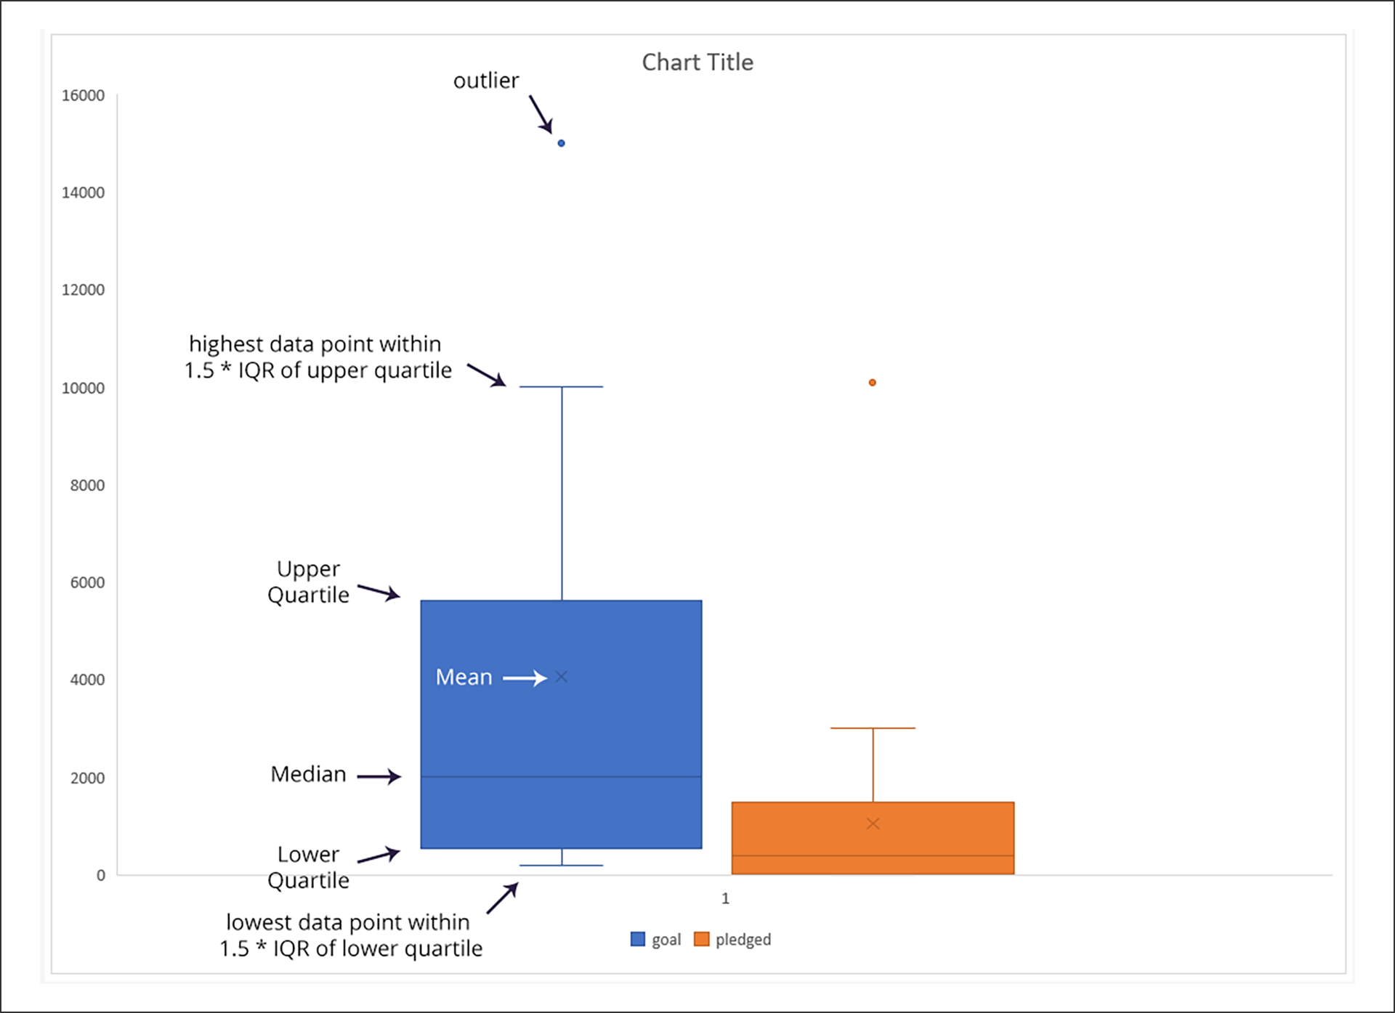
mean is the sum of the data divided by the number of data points
median answers the question "Where is the midpoint of the data?"
mode answers the question "What value shows up the most?"
When the mean and median are close to each other, the data is roughly symmetric
If the mean is significantly different than the median, the data is skewed, meaning that some number of extreme values are pulling the mean higher or lower
f the mean is much higher than the median, the data is skewed to the right
If the mean is much lower than the median, the data is skewed to the left
Skewness is a statistic that quantifies how skewed, or asymmetrical, a distribution is
Measures of spread include range, variance, standard deviation, and quartiles
range is the difference between the maximum value of the dataset and the minimum value of the dataset
Variance is a measure of how far data points are from the center, or mean.
 | Subtract the mean from each data point.
 | Square the difference so that it's positive.
 | Take the average of those squared differences.
Like medians, quartiles are percentiles
The difference between the upper and lower quartiles is known as the interquartile range (IQR
The IQR gives us a sense of how far out you can go from the mean to get 50% of the data
 | IQR = Q3 -- Q1
The function to calculate the standard deviation of a population in Excel is STDEV.P. (The other option is STDEV.S, which calculates the standard deviation based on a sample of the whole population. There's a subtle difference between these formulas (one is for the entire population of a dataset while the other is for a sample of the whole)
utliers are extreme points of data; they can be much larger than the rest of the data or much smaller
Why don't we use variance to determine outliers? We use standard deviation because taking the square root of the variance standardizes the "units" of the variance to match the "units" of the dataset. (This is also why it's called "standard" deviation.)
 | Any value greater than the upper quartile plus 1.5 x IQR is considered an outlier.
 | Any value less than the lower quartile minus 1.5 x IQR is considered an outlier.
Medians and quartiles are robust statistics, which means that they are less sensitive to outliers.
Box plots are an effective way to show large amounts of information about a distribution in a small amount of space.
We'll use box plots, also called box and whisker plots

When the mean is considerably higher than the median of a dataset, what does it signify?
 | It means the distribution is heavily skewed
What do the data indicate when the lower quartile of pledges starts on the x-axis?
 | 25% of the Kickstarter campaigns for musicals in Great Britain got no funding at all.

Epoch & Unix Timestamp Conversion Tools | www.epochconverter.com

GitHub

Branching is a common component of working in GitHub. The main branch is the main branch that showcases your completed project. For a large-scale project, different aspects of the project will each have its own branch. This is especially useful when working in teams.
Historically, the most common name for the main body of a codebase has been master. Recently, however, main has been gaining in popularity. In fact, GitHub now uses main as the default name for its repositories - as do the projects in this course
 | Headers are signified with a #. The number of hashtags indicates the level of the header. For example, ### is a third-level header.
 | Bullets are added in three ways: a typical bullet with an asterisk, a numbered bullet with numbers, or a hyphenated bullet with a hyphen.
 | Images can be added with the following syntax: ![image_name](path/to/image_name.png).
 | Hyperlinks to relevant files are added in a similar manner: [filename](path/to/filename.xlxs).
 | Line breaks are added by using three consecutive hyphens: ---.

