Sheet2
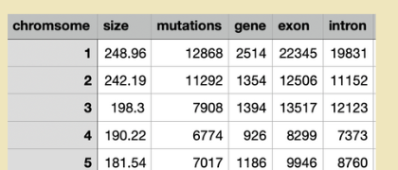
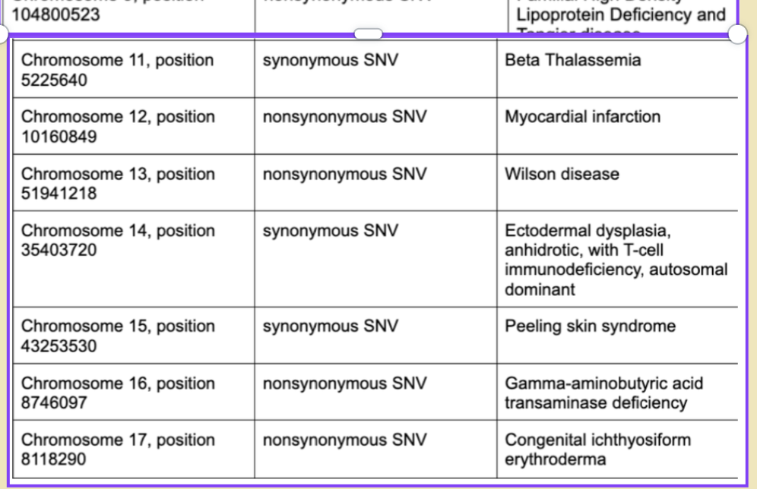
Location of Variant | Type of Variant | Implications
Chromosome 1, position 100206504 | Nonsynonymous SNV | Immediate maple syrup urine disease type 2
Chromosome 3, position 38603929 | Nonsynonymous SNV | Progressive familial heart block type 1A
Chromosome 5, position 35871088 | Nonsynonymous SNV | Severe combined immunodeficiency
Chromosome 7, position 150952443 | Synonymous SNV | Cardiac arrhythmia
Chromosome 8, position 54626835 | Nonsynonymous SNV | Susceptibility to Hypertriglyceridemia, Retinit Pigmentosa
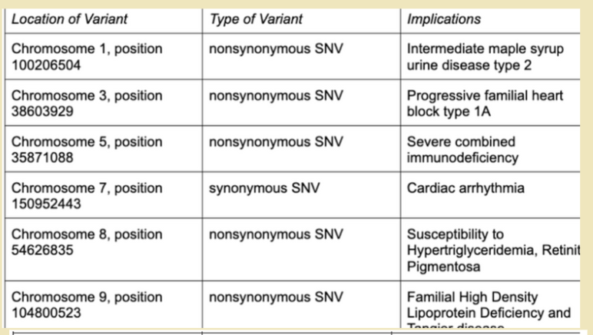
Chromosome 9, position 104800523 | Nonsynonymous SNV | Familial High Density Lipoprotein Deficiency and Tangier disease
Chromosome 11, position 5225640 | Synonymous SNV | Beta Thalassemia
Chromosome 12, position 10160849 | Nonsynonymous SNV | Myocardial infarction
Chromosome 13, position 51941218 | Nonsynonymous SNV | Wilson disease
Chromosome 14, position 35403720 | Synonymous SNV | Ectodermal dysplasia, anhidrotic, with T-cell immunodeficiency, autosomal dominant
Chromosome 15, position 43253530 | Synonymous SNV | Peeling skin syndrome
Chromosome 16, position 8746097 | Nonsynonymous SNV | Gamma-aminobutyric acid transaminase deficiency
Chromosome 17, position 8118290 | Nonsynonymous SNV | Congenital ichthyosiform erthroderma

