Sheet1
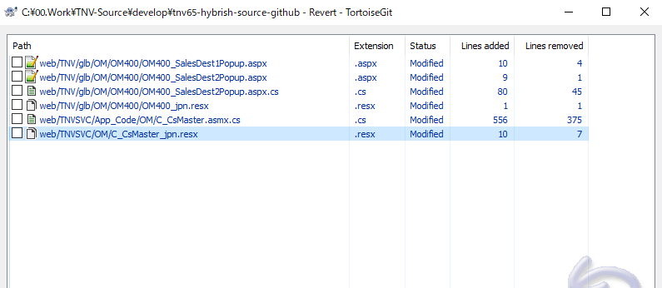

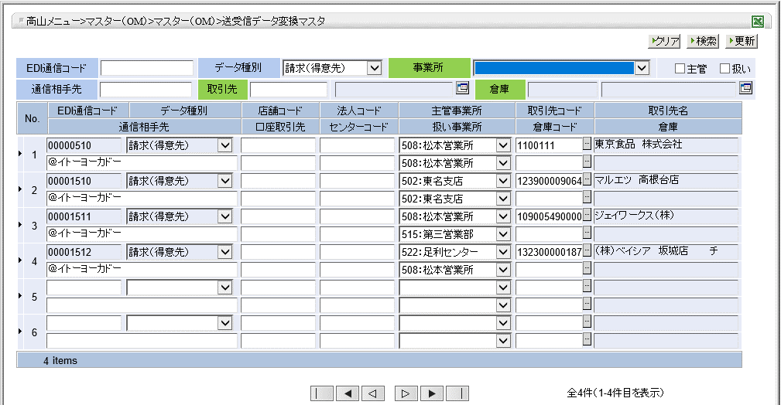

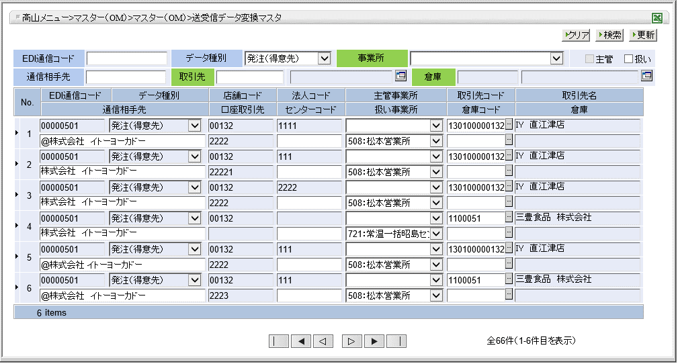

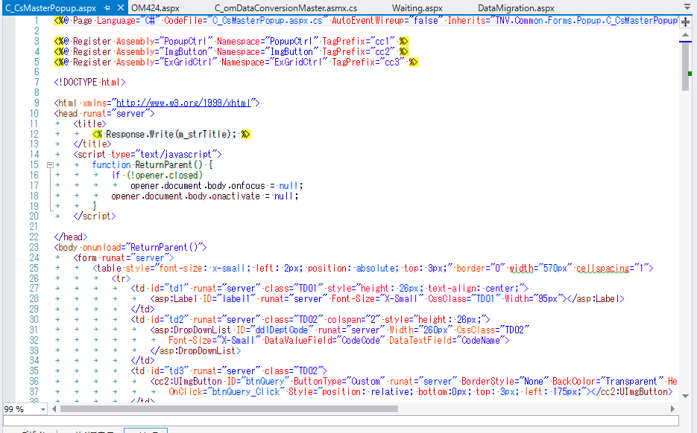

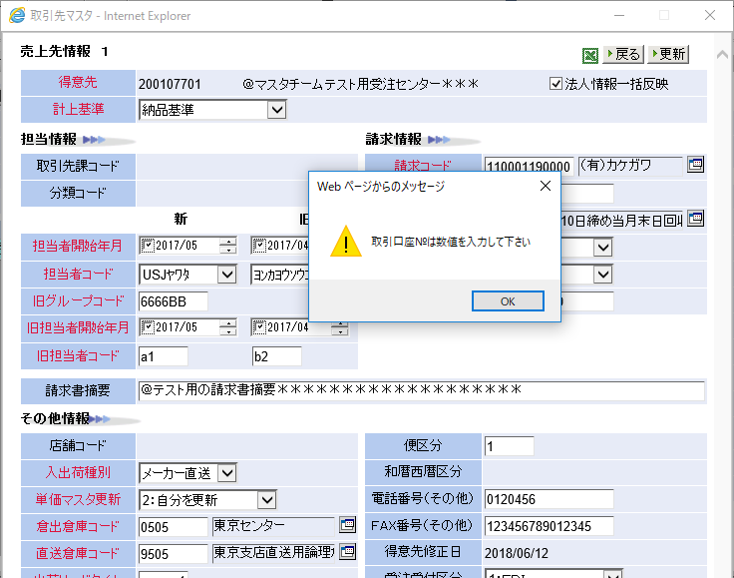

Sheet2
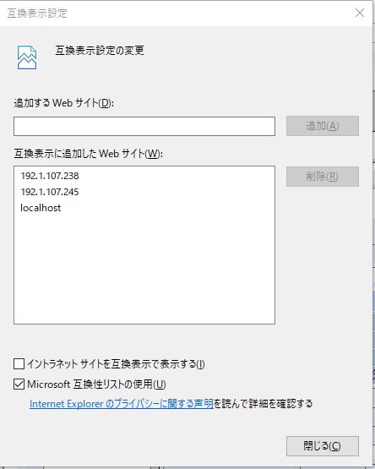

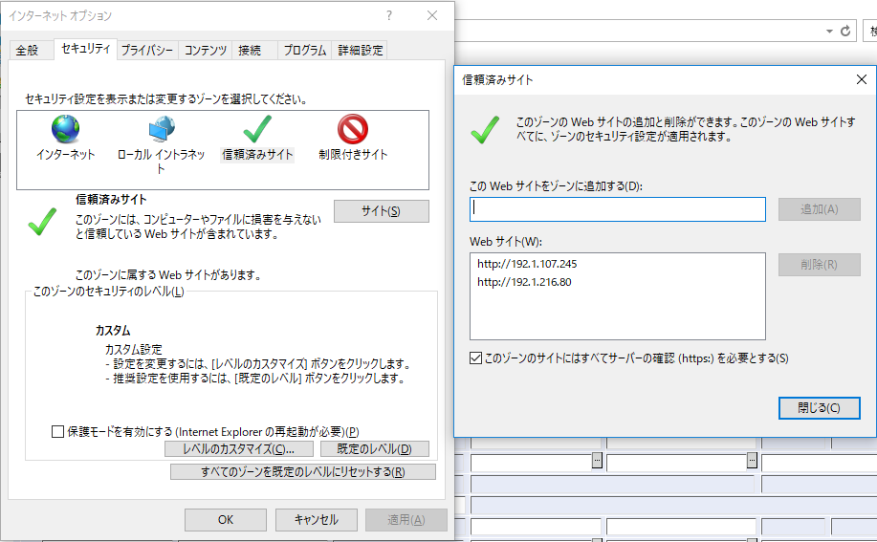

Sheet11
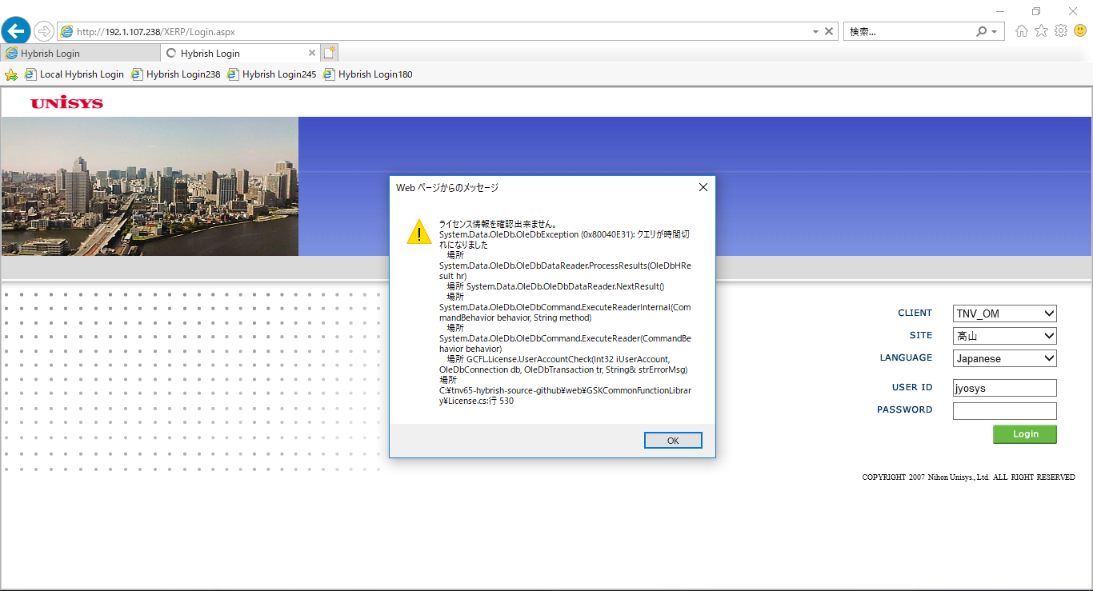
ComCode | CsCode | CsName | CsType | CsGubun | ArCheck | ApCheck | OutCheck | CsNameFull | ForeignCheck | ComCheck | CsUse | NationCode | RegionCode | ParentCs | CsAddress | CsZip | CsChief | CsTel | CsFax | CsUrl | CsEmail | TaxCodeAr | TaxCodeAp | PayConditionAr | PayConditionAp | CurrCode | CsGrade | CreditGrade | IncoTerm | LeadTime | TransCode | SendMethod | TranPartner | TranTelNo | TranFax | TranEmail | BankCode | AccountNo | CsDescr | ExtraField1 | ExtraField2 | ExtraField3 | ExtraField4 | TbankCode | TbankCodeName | TbankKanaName | BranchCode | BranchCodeName | BranchKanaName | DepType | DepNo | AccountName | AccountKanaName | CompanyGubun | UnionGubun | ChargeCheck | DepCodeTrust | ChairCsCode | DunsNo | CsClass1 | CsClass2 | SalesGubun | DepCodeDeposit | SettlementCodeAr | SettlementCodeAp | C_ShipTpCheck | C_ExpressCorpCheck | C_InCompanyCheck | C_GroupCompanyCheck | C_PayRecipientCheck | C_CsNameKana | C_PayToCs | C_InvoiceSentToCs | C_LastDeliveryToCs | C_DeptCode | C_EmpCode | C_InvoiceDestination | C_InvoiceNeed | C_UnionCode | C_PurchaserCode | C_InCityGubun | C_ProfitRate | C_KashiVANCode | C_KashiVANDeliveryDataFlg | C_KashiVANMemberFlg | C_CsSalesType | C_CsSalesCategory | C_AutoOrderMethod | C_AvailableBDate | C_AvailableEDate | C_CloseDateType | C_PickupCoType | C_CoNameCheck | C_ExpresssOutSendType | C_DeliveryBillSendMethod | C_PoInvoiceSendMethod | C_InvoiceDocCode | C_TagDocCode | C_CsGroupCode | C_BusiUniCode | C_CenterCheck | C_StoreCheck | C_OutSourcePlaceCheck | C_DisposeCompanyCheck | C_CompanyArCheck | C_ChiefComCheck | C_StoreNameFull | C_StoreNameKana | CsAddress1Kana | CsAddress2Full | CsAddress2Kana | C_CreateDate | C_EffectiveDate | C_RecordedBase | C_DefaultDept | C_CsSecCode | C_EmpStartyyyymm1 | C_EmpCode1 | C_EmpStartyyyymm2 | C_EmpCode2 | C_ShopCode | C_deliveryGubun | C_OrderType | C_CalenderGubun | C_ItemCsMsUpdGubun | C_WhCode | C_DirectWhCode | C_OtherCsTel | C_OtherCsFax | C_OrderAcceptType | C_ColdShipToCsCode | C_ColdStorageBdate | C_ColdStorageEdate | C_ArUpdateDate | C_InVoiceCs | C_AccountNo | C_InVoiceGubun | C_InVoiceYN | C_InVoiceSumNeed | C_InVoice_Descr | C_InVoiceCsFormatID | C_NoType | C_DocLinesNormal | C_DocLinesEos | C_CdUseGubun | C_DelBillGubunNormal | C_DelBillGubunEos | C_DelBillDocTypeNormal | C_DelBillDocTypeEos | C_DeliveryCsFormatID | C_ArReturnDocPrintN | C_ArReturnDocPrintE | C_DelBillDocTypeReturnN | C_DelBillDocTypeReturnE | C_StockoutCsFormatID | C_StockOutCs | C_OddTransNetAr | C_OddTransTotalAr | C_OddTransBaseKickBack | C_ArTaxKbn | C_InVoiceTaxUnit | C_InvOddTransTax | C_CsSaleRegular | C_CsSaleSpot | C_CsDocRegular | C_CsDocSpot | C_CsClassRegular | C_CsClassSpot | C_ApUpdateDate | C_PaymentCode | C_PaymentGubun2 | C_SubconLawApply | C_MakerInout | C_ApDocLinesNormal | C_ApDocLinesEos | C_ApReturnDocPrint | C_ApTaxKbn | C_PayItemVatAmntAdd | C_PayItemVatAmntUnit | C_PayOddTransTax | C_PayStopGubun | C_InvReceveMethod | C_PayDataSendGubun | C_RebatePay | C_AddRebateRate | C_AdRbtPayCdinAp | C_PayMethod | C_OffDayPayData | C_FBBankCharge | C_BankChargeGubun1 | C_BankChargeGubun2 | C_BankChargeGubun3 | C_BankChargeGubun4 | C_BankChargeGubun5 | C_PayBase | C_ApGroup | C_PayCloseDate11 | C_PaySiteMonth11 | C_PaySiteDay11 | C_PayCloseDate12 | C_PaySiteMonth12 | C_PaySiteDay12 | C_PayCloseDate13 | C_PaySiteMonth13 | C_PaySiteDay13 | C_PayConditionApChgDate | C_PayBase2 | C_ApGroup2 | C_PayConditionAp2 | C_PayCloseDate21 | C_PaySiteMonth21 | C_PaySiteDay21 | C_PayCloseDate22 | C_PaySiteMonth22 | C_PaySiteDay22 | C_PayCloseDate23 | C_PaySiteMonth23 | C_PaySiteDay23 | C_InterestRebatesRate | C_InterestRebatesGubun | C_InterestRebatesDate | C_PayCondApSprit | C_SettlemtCdApSprit | C_AccUpdateDate | C_AccUpdateDate2 | C_CsRcvOrderCK | C_CsRcvOrderCD | C_CsReceiveReceipt | C_CsRcvReceiptCD | C_CsRcvPoRecomCK | C_CsRcvPoRecomCD | C_CsRcvBmsPoSumCK | C_CsRcvBmsPoSumCD | C_CsRcvReturnCK | C_CsRcvReturnCD | C_CsRcvReturnPlanCK | C_CsRcvReturnPlanCD | C_CsReceivePayCK | C_CsRcvPayCD | C_CsSndInVoiceCK | C_CsSndHandCK | C_CsSndInVoiceCD | C_CsSndItemCK | C_CsSndItemCD | C_CsSndAsnCK | C_CsSndAsnCD | C_CsSndAsnSumCK | C_CsSndAsnSumCD | C_CsSndAsnLinkCK | C_CsSndAsnLinkCD | C_CsSndAsnLinkNotCK | C_CsSndAsnLinkNotCD | C_CsSndAsnSumLinkCK | C_CsSndAsnSumLinkCD | C_CsAsnDocItem
0001 | 1324000 | 株式会社 ベイシア | 001 | 1 | Y | N | N | 株式会社 ベイシア | N | N | Y | JPN | 13 | 1324000 |  |  |  |  |  | NULL | NULL | 99 | 99 | 3107 | NULL | JPN | NULL | NULL | NULL | 1 | NULL | FAX | NULL | NULL | NULL | NULL | NULL | NULL | NULL | NULL | NULL | NULL | NULL | NULL | NULL | NULL | NULL | NULL | NULL | NULL | NULL | NULL | NULL | A | A | 0 | NULL | NULL | NULL | 02 | NULL | S | NULL | NULL | NULL | N | N | N | N | N | KK ﾍﾞｲｼｱ | 1324000 | NULL |  | 508 | NULL | NULL | NULL | NULL | NULL | NULL | NULL | NULL | NULL | NULL | NULL | NULL | NULL | 20000101 | 20501231 | NULL | NULL | NULL | NULL | NULL | NULL | NULL | NULL | NULL |  | N | N | N | N | N | 1324000 |  |  |  |  |  | 20171209 |  | 2 | 508 | 2 | 201712 | 19911004 | 201712 | 19911004 |  | NULL | 100 |  | 1 | 0508 | 9508 |  | NULL | NULL |  |  |  | 20171227 | NULL | NULL | NULL | NULL | NULL | NULL | NULL | C_CsOrNo1100111 | 6 | NULL | NULL | N | N | ISJUDTP1007 | NULL | NULL | Y | N | NULL | NULL | NULL | N | 2 | 2 | 2 | NULL | 0 | 2 | NULL | NULL | NULL | NULL | NULL | NULL | NULL | NULL | NULL | NULL | NULL | NULL | NULL | Y | NULL | NULL | NULL | NULL | NULL | NULL | NULL | NULL | NULL | NULL | NULL | NULL | NULL | NULL | NULL | NULL | NULL | NULL | NULL | NULL |  |  |  |  |  |  |  |  |  | NULL | NULL | NULL | NULL |  |  |  |  |  |  |  |  |  | NULL | NULL | NULL | NULL | NULL | NULL | NULL | Y | 00009106 | N | NULL | N | NULL | N | NULL | N | NULL | N | NULL | N | NULL | N | N | NULL | N | NULL | N | NULL | N | NULL | N | NULL | N | NULL | N | NULL

ComCode | CsCode | CsName | CsType | CsGubun | ArCheck | ApCheck | OutCheck | CsNameFull | ForeignCheck | ComCheck | CsUse | NationCode | RegionCode | ParentCs | CsAddress | CsZip | CsChief | CsTel | CsFax | CsUrl | CsEmail | TaxCodeAr | TaxCodeAp | PayConditionAr | PayConditionAp | CurrCode | CsGrade | CreditGrade | IncoTerm | LeadTime | TransCode | SendMethod | TranPartner | TranTelNo | TranFax | TranEmail | BankCode | AccountNo | CsDescr | ExtraField1 | ExtraField2 | ExtraField3 | ExtraField4 | TbankCode | TbankCodeName | TbankKanaName | BranchCode | BranchCodeName | BranchKanaName | DepType | DepNo | AccountName | AccountKanaName | CompanyGubun | UnionGubun | ChargeCheck | DepCodeTrust | ChairCsCode | DunsNo | CsClass1 | CsClass2 | SalesGubun | DepCodeDeposit | SettlementCodeAr | SettlementCodeAp | C_ShipTpCheck | C_ExpressCorpCheck | C_InCompanyCheck | C_GroupCompanyCheck | C_PayRecipientCheck | C_CsNameKana | C_PayToCs | C_InvoiceSentToCs | C_LastDeliveryToCs | C_DeptCode | C_EmpCode | C_InvoiceDestination | C_InvoiceNeed | C_UnionCode | C_PurchaserCode | C_InCityGubun | C_ProfitRate | C_KashiVANCode | C_KashiVANDeliveryDataFlg | C_KashiVANMemberFlg | C_CsSalesType | C_CsSalesCategory | C_AutoOrderMethod | C_AvailableBDate | C_AvailableEDate | C_CloseDateType | C_PickupCoType | C_CoNameCheck | C_ExpresssOutSendType | C_DeliveryBillSendMethod | C_PoInvoiceSendMethod | C_InvoiceDocCode | C_TagDocCode | C_CsGroupCode | C_BusiUniCode | C_CenterCheck | C_StoreCheck | C_OutSourcePlaceCheck | C_DisposeCompanyCheck | C_CompanyArCheck | C_ChiefComCheck | C_StoreNameFull | C_StoreNameKana | CsAddress1Kana | CsAddress2Full | CsAddress2Kana | C_CreateDate | C_EffectiveDate | C_RecordedBase | C_DefaultDept | C_CsSecCode | C_EmpStartyyyymm1 | C_EmpCode1 | C_EmpStartyyyymm2 | C_EmpCode2 | C_ShopCode | C_deliveryGubun | C_OrderType | C_CalenderGubun | C_ItemCsMsUpdGubun | C_WhCode | C_DirectWhCode | C_OtherCsTel | C_OtherCsFax | C_OrderAcceptType | C_ColdShipToCsCode | C_ColdStorageBdate | C_ColdStorageEdate | C_ArUpdateDate | C_InVoiceCs | C_AccountNo | C_InVoiceGubun | C_InVoiceYN | C_InVoiceSumNeed | C_InVoice_Descr | C_InVoiceCsFormatID | C_NoType | C_DocLinesNormal | C_DocLinesEos | C_CdUseGubun | C_DelBillGubunNormal | C_DelBillGubunEos | C_DelBillDocTypeNormal | C_DelBillDocTypeEos | C_DeliveryCsFormatID | C_ArReturnDocPrintN | C_ArReturnDocPrintE | C_DelBillDocTypeReturnN | C_DelBillDocTypeReturnE | C_StockoutCsFormatID | C_StockOutCs | C_OddTransNetAr | C_OddTransTotalAr | C_OddTransBaseKickBack | C_ArTaxKbn | C_InVoiceTaxUnit | C_InvOddTransTax | C_CsSaleRegular | C_CsSaleSpot | C_CsDocRegular | C_CsDocSpot | C_CsClassRegular | C_CsClassSpot | C_ApUpdateDate | C_PaymentCode | C_PaymentGubun2 | C_SubconLawApply | C_MakerInout | C_ApDocLinesNormal | C_ApDocLinesEos | C_ApReturnDocPrint | C_ApTaxKbn | C_PayItemVatAmntAdd | C_PayItemVatAmntUnit | C_PayOddTransTax | C_PayStopGubun | C_InvReceveMethod | C_PayDataSendGubun | C_RebatePay | C_AddRebateRate | C_AdRbtPayCdinAp | C_PayMethod | C_OffDayPayData | C_FBBankCharge | C_BankChargeGubun1 | C_BankChargeGubun2 | C_BankChargeGubun3 | C_BankChargeGubun4 | C_BankChargeGubun5 | C_PayBase | C_ApGroup | C_PayCloseDate11 | C_PaySiteMonth11 | C_PaySiteDay11 | C_PayCloseDate12 | C_PaySiteMonth12 | C_PaySiteDay12 | C_PayCloseDate13 | C_PaySiteMonth13 | C_PaySiteDay13 | C_PayConditionApChgDate | C_PayBase2 | C_ApGroup2 | C_PayConditionAp2 | C_PayCloseDate21 | C_PaySiteMonth21 | C_PaySiteDay21 | C_PayCloseDate22 | C_PaySiteMonth22 | C_PaySiteDay22 | C_PayCloseDate23 | C_PaySiteMonth23 | C_PaySiteDay23 | C_InterestRebatesRate | C_InterestRebatesGubun | C_InterestRebatesDate | C_PayCondApSprit | C_SettlemtCdApSprit | C_AccUpdateDate | C_AccUpdateDate2 | C_CsRcvOrderCK | C_CsRcvOrderCD | C_CsReceiveReceipt | C_CsRcvReceiptCD | C_CsRcvPoRecomCK | C_CsRcvPoRecomCD | C_CsRcvBmsPoSumCK | C_CsRcvBmsPoSumCD | C_CsRcvReturnCK | C_CsRcvReturnCD | C_CsRcvReturnPlanCK | C_CsRcvReturnPlanCD | C_CsReceivePayCK | C_CsRcvPayCD | C_CsSndInVoiceCK | C_CsSndHandCK | C_CsSndInVoiceCD | C_CsSndItemCK | C_CsSndItemCD | C_CsSndAsnCK | C_CsSndAsnCD | C_CsSndAsnSumCK | C_CsSndAsnSumCD | C_CsSndAsnLinkCK | C_CsSndAsnLinkCD | C_CsSndAsnLinkNotCK | C_CsSndAsnLinkNotCD | C_CsSndAsnSumLinkCK | C_CsSndAsnSumLinkCD | C_CsAsnDocItem
0001 | 1324000 | 株式会社 ベイシア | 001 | 1 | Y | N | N | 株式会社 ベイシア | N | N | Y | JPN | 13 | 1324000 |  |  |  |  |  | NULL | NULL | 28 | 99 | 3107 | NULL | JPY | NULL | NULL | NULL | 1 | NULL | FAX | NULL | NULL | NULL | NULL | NULL | NULL | NULL | NULL | NULL | NULL | NULL | NULL | NULL | NULL | NULL | NULL | NULL | NULL | NULL | NULL | NULL | A | A | 0 | NULL | NULL | NULL | 02 | NULL | S | NULL | NULL | NULL | N | N | N | N | N | KK ﾍﾞｲｼｱ | 1324000 | NULL |  | 522 | NULL | NULL | NULL | NULL | NULL | NULL | NULL | NULL | NULL | NULL | NULL | NULL | NULL | 20000101 | 20501231 | NULL | NULL | NULL | NULL | NULL | NULL | NULL | NULL | NULL |  | N | N | N | N | N | 1324000 |  |  |  |  |  | 20171214 |  | 2 | 522 | 2 | 201712 | 19911004 | 201711 | 19911004 |  | NULL | 100 | 0 | 1 | 0508 | 9508 | NULL | NULL | NULL |  |  |  | 20180216 | 132400000000 | NULL | NULL | 2 | 2 | NULL | NULL | C_CsOrNo1323000 | 6 | NULL | 00 | N | N | ISJUDTP1007 | NULL | NULL | Y | N | NULL | NULL | NULL | N | 2 | 2 | 2 | 2 | 0 | 2 | NULL | NULL | NULL | NULL | NULL | NULL | NULL | NULL | NULL | NULL | NULL | NULL | NULL | Y | NULL | NULL | NULL | NULL | NULL | NULL | NULL | NULL | NULL | NULL | NULL | NULL | NULL | NULL | NULL | NULL | NULL | NULL | NULL | NULL |  |  |  |  |  |  |  |  |  | NULL | NULL | NULL | NULL |  |  |  |  |  |  |  |  |  | NULL | NULL | NULL | NULL | NULL | NULL | NULL | Y | 00009106 | N | NULL | N | NULL | N | NULL | N | NULL | N | NULL | N | NULL | N | N | NULL | N | NULL | Y | NULL | Y | NULL | Y | NULL | Y | NULL | Y | NULL

Sheet4
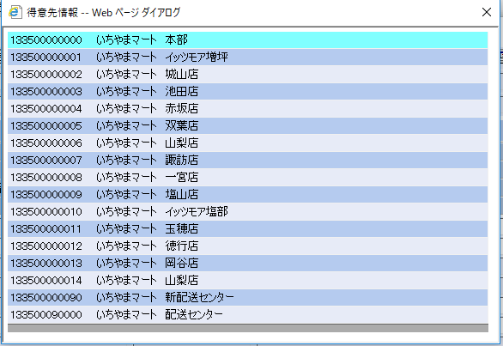
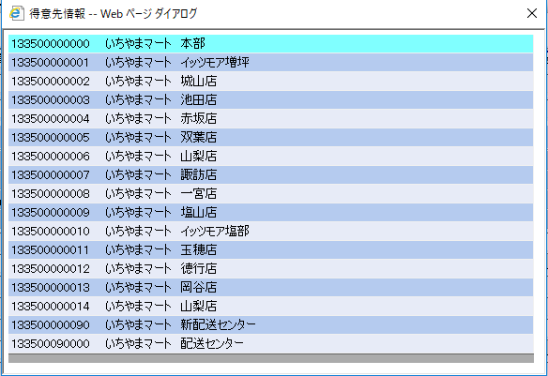

Sheet5
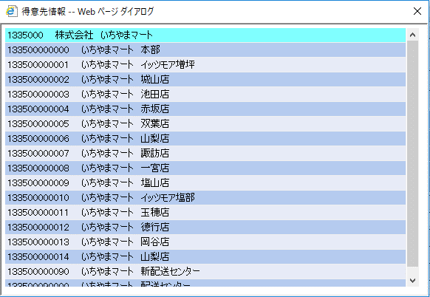
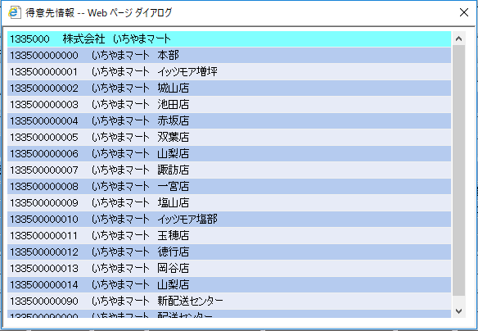

Sheet6
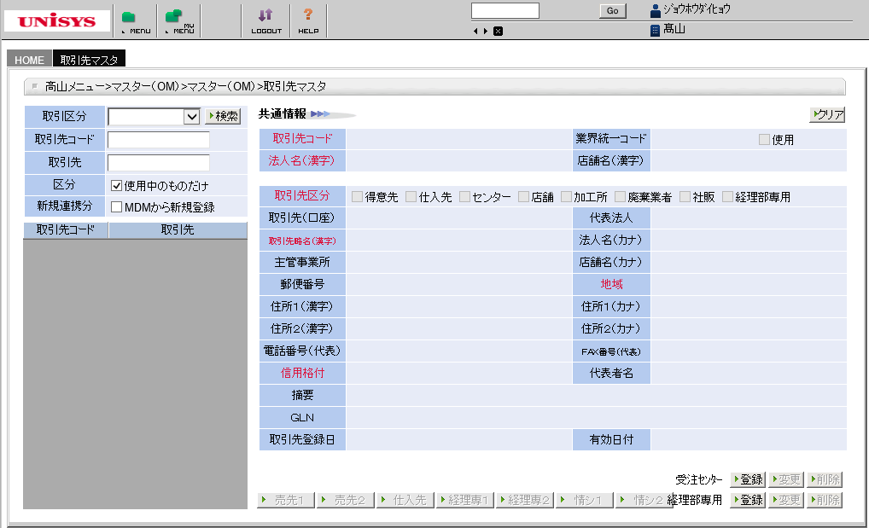

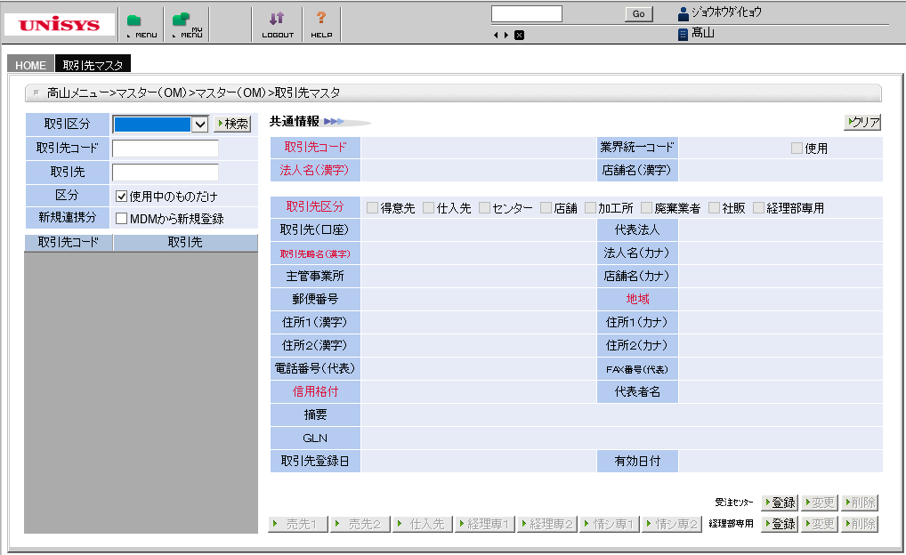

Sheet7
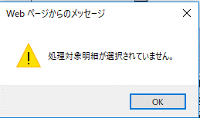

Sheet8
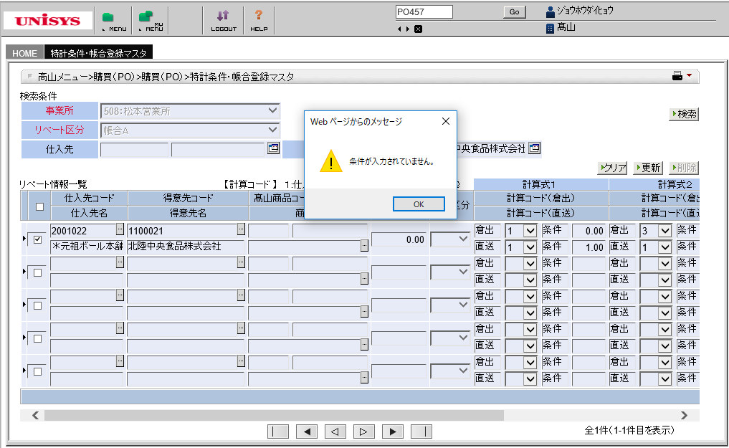

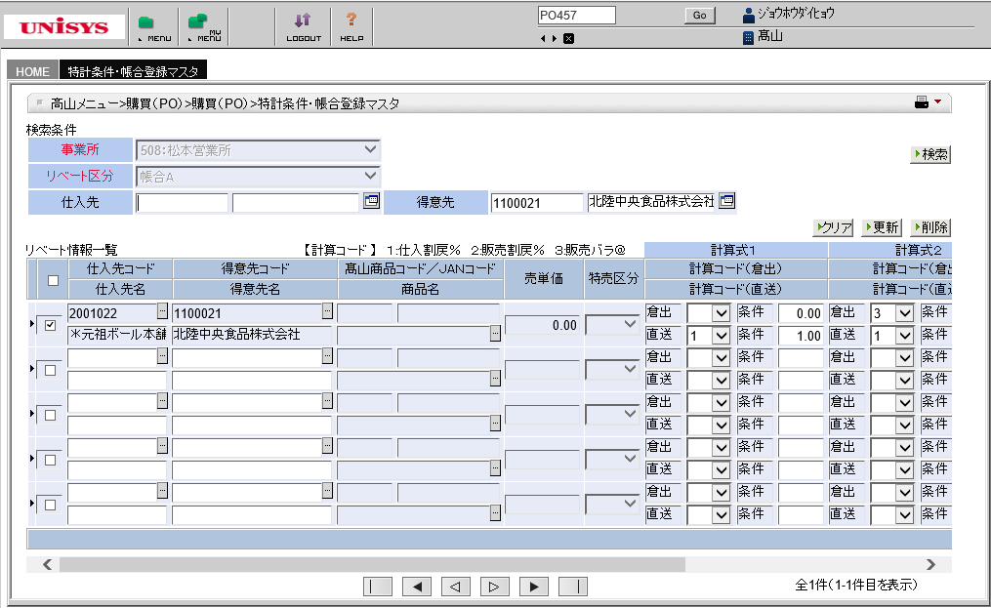

Sheet9
