all_wavelengths
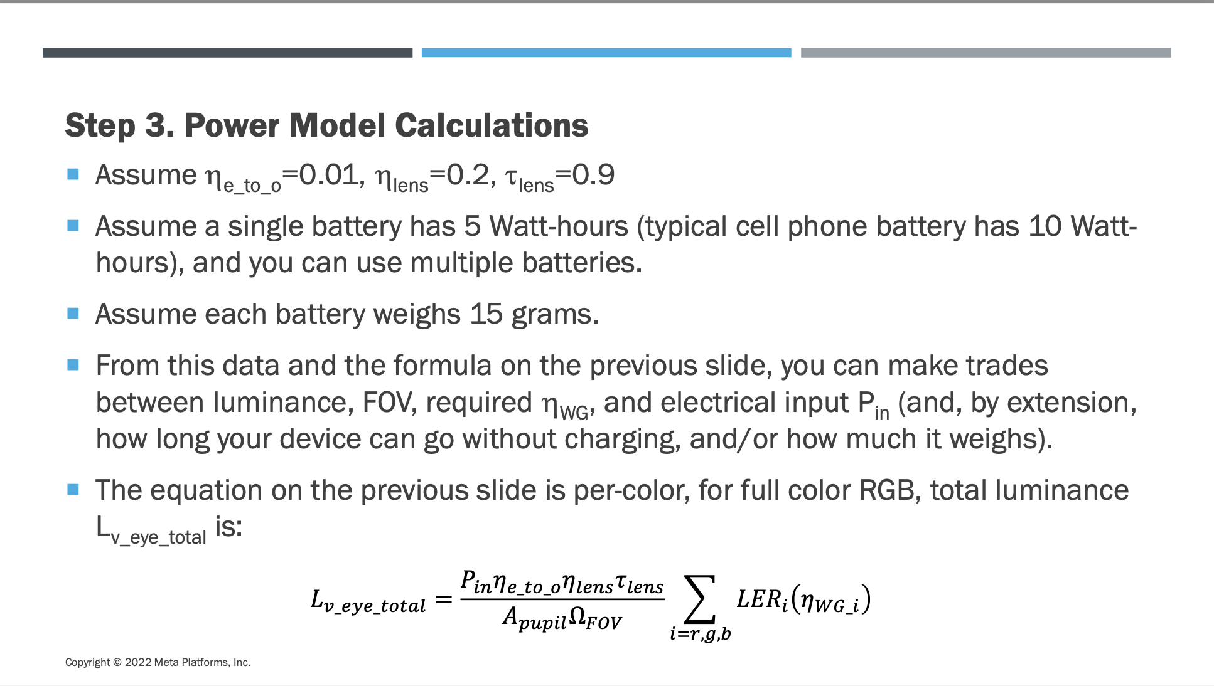
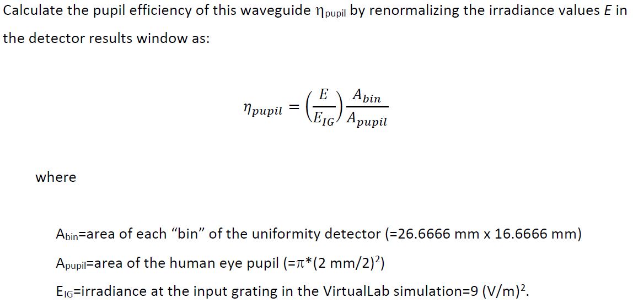
 |  |  | Polar angles from pupil positions: φ (deg) |  |  |  | Inputs | Value | Units | Comment
 |  |  |  | -26.667 | 0 | 26.667 | Human eye pupil diameter | 2 | mm | Aperture size of 2.5 mm x 2.5 mm (elliptical, typical human eye pupil size) with 10% relative edge width
 |  |  | 16.667 | 147.99 | 90.00 | 32.01 | Uniformity detector bin width | 26.6667 | mm
 |  |  | 0 | 180.00 | 0.00 | 0.00 | Uniformity detector bin height | 16.6667 | mm
 |  |  | -16.667 | -147.99 | -90.00 | -32.01 | FOV_x | 32 | deg
 |  |  |  |  |  |  | FOV_y | 18 | deg
 |  |  | Polar angles from pupil positions: θ (deg) |  |  |  | Projector output flux | 1 | lm | Assumption
 |  |  |  | -26.667 | 0 | 26.667 | Distance from eyebox to uniformity detector | 101 | mm
 |  |  | 16.667 | 17.29 | 9.37 | 17.29
 |  |  | 0 | 14.79 | 0.00 | 14.79 | Outputs | Value | Units | Comment
 |  |  | -16.667 | 17.29 | 9.37 | 17.29 | A_bin (Uniformity detector bin area) | 4.44E-04 | m^2
 |  |  |  |  |  |  | A_pupil (Human eye pupil area) | 3.14E-06 | m^2
 |  |  | Cartesian angle from polar angles: θx (deg) |  |  |  | Irradiance scale factor | 141.4711 |  | =A_bin/A_pupil
 |  |  |  | -26.667 | 0 | 26.667 | E_IG | 9 | (V/m)^2 | E_IG = irradiance at the input grating in the VirtualLab simulation = 9 (V/m)^2.
 |  |  | 16.667 | -14.790 | 0.000 | 14.790 | Distance | 101 | mm
 |  |  | 0 | -14.790 | 0.000 | 14.790
 |  |  | -16.667 | -14.790 | 0.000 | 14.790

 |  |  | Cartesian angle from polar angles: θy (deg)
 |  |  |  | -26.667 | 0 | 26.667
 |  |  | 16.667 | 9.370 | 9.370 | 9.370
 |  |  | 0 | 0.000 | 0.000 | 0.000
 |  |  | -16.667 | -9.370 | -9.370 | -9.370
 |  |  |  |  |  |  |  |  |  |  | Luminous Efficacy of Radiation (LER)
Wavelength = 640nm (Red) |  |  |  |  |  |  |  |  |  |  | Color | LER (lm/w) | Units | Center Wavelength (nm) | Bandwidth FWHM (nm)
Optimized Waveguide | Value | Units | Value for Pupil in (V/m)^2 |  |  |  |  |  |  |  | Red | 92.99 | lm/W | 650 | 40
Value for Pupil around (-26.667 mm; -16.667 mm) | 6.79E-06 | (V/m)^2 |  | -26.667 | 0 | 26.667 |  |  |  |  | Green | 636.11 | lm/W | 550 | 40
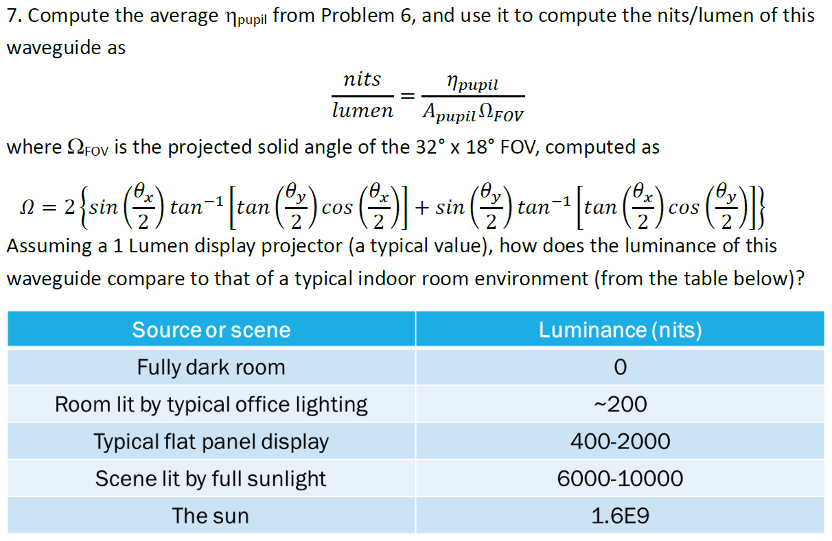
Value for Pupil around (0 mm; -16.667 mm) | 2.79E-05 | (V/m)^2 | 16.667 | 2.4152E-06 | 2.3446E-05 | 2.0006E-06 |  |  |  |  | Blue | 33.29 | lm/W | 450 | 40
Value for Pupil around (26.667 mm; -16.667 mm) | 3.42E-06 | (V/m)^2 | 0 | 1.5172E-05 | 9.8933E-05 | 1.2849E-05
Value for Pupil around (-26.667 mm; 0 mm) | 1.52E-05 | (V/m)^2 | -16.667 | 6.7913E-06 | 2.7870E-05 | 3.4215E-06 | Outputs | Value | Units |  | Display Projector Power Model
Value for Pupil around (0 mm; 0 mm) | 9.89E-05 | (V/m)^2 |  |  |  |  | ηpupil (average efficiency) | 3.3691E-04 |  |  | Input Variables | Value | Units | Comment
Value for Pupil around (26.667 mm; 0 mm) | 1.28E-05 | (V/m)^2 | Cartesian angles θx, θy (deg) vs. pupil efficiency (fractional) |  |  |  | Projected solid angle of FOV | 0.1696393 | sr |  | Input power (P_in) | 4.5 | W | Estimate based on standard USB 3.0
Value for Pupil around (-26.667 mm; 16.667 mm) | 2.42E-06 | (V/m)^2 |  | -14.790 | 0.000 | 14.790 | Efficiency | 632.17 | nits/lumen |  | Electrical-to-optical conversion (η_e_to_o) | 0.01 |  | Assumption
Value for Pupil around (0 mm; 16.667 mm) | 2.34E-05 | (V/m)^2 | 9.370 | 3.7965E-05 | 3.6855E-04 | 3.1447E-05 | Luminance | 632.17 | nits |  | Projector optics collection efficiency (η_lens) | 0.2 |  | Assumption
Value for Pupil around (26.667 mm; 16.667 mm) | 2.00E-06 | (V/m)^2 | 0.000 | 2.3849E-04 | 1.5551E-03 | 2.0197E-04 | Max/min | 49.45166 |  |  | System transmittance (τ_lens) | 0.9 |  | Assumption
Arithmetic Mean | 2.1433E-05 | (V/m)^2 | -9.370 | 1.0675E-04 | 4.3809E-04 | 5.3783E-05 | Uniformity Error | 96.036% |  |  | Waveguide pupil efficiency (η_WG) | 3.3691E-04 |  | Average pupil efficiency for 650 nm
 |  |  |  |  |  |  |  |  |  |  | Waveguide pupil efficiency (η_WG) | 1.4212E-04 |  | Average pupil efficiency for 550 nm
Wavelength = 530nm (Green) |  |  |  |  |  |  |  |  |  |  | Waveguide pupil efficiency (η_WG) | 7.9573E-05 |  | Average pupil efficiency for 450 nm
Optimized Waveguide | Value | Units | Value for Pupil in (V/m)^2 |  |  |  |  |  |  |  | Area of the eye pupil (A_pupil) | 3.14E-06 | m^2
Value for Pupil around (-26.667 mm; -16.667 mm) | 1.55E-05 | (V/m)^2 |  | -26.667 | 0 | 26.667 |  |  |  |  | Projected solid angle of FOV (Ω_FOV) | 0.1696393 | sr
Value for Pupil around (0 mm; -16.667 mm) | 7.95E-06 | (V/m)^2 | 16.667 | 6.1345E-06 | 8.8785E-06 | 8.8338E-06 |  |  |  |  | Total Luminance at eye (L_v_eye) | 1890.49 | nits
Value for Pupil around (26.667 mm; -16.667 mm) | 4.04E-06 | (V/m)^2 | 0 | 1.0479E-05 | 4.0420E-06 | 1.5502E-05
Value for Pupil around (-26.667 mm; 0 mm) | 1.05E-05 | (V/m)^2 | -16.667 | 1.5507E-05 | 7.9541E-06 | 4.0426E-06 | Outputs | Value | Units
Value for Pupil around (0 mm; 0 mm) | 4.04E-06 | (V/m)^2 |  |  |  |  | ηpupil (average efficiency) | 1.4212E-04
Value for Pupil around (26.667 mm; 0 mm) | 1.55E-05 | (V/m)^2 | Cartesian angles θx, θy (deg) vs. pupil efficiency (fractional) |  |  |  | Projected solid angle of FOV | 0.1696393 | sr
Value for Pupil around (-26.667 mm; 16.667 mm) | 6.13E-06 | (V/m)^2 |  | -14.790 | 0.000 | 14.790 | Efficiency | 266.68 | nits/lumen
Value for Pupil around (0 mm; 16.667 mm) | 8.88E-06 | (V/m)^2 | 9.370 | 9.6428E-05 | 1.3956E-04 | 1.3886E-04 | Luminance | 266.68 | nits
Value for Pupil around (26.667 mm; 16.667 mm) | 8.83E-06 | (V/m)^2 | 0.000 | 1.6472E-04 | 6.3536E-05 | 2.4368E-04 | Max/min | 3.83647
Arithmetic Mean | 9.0415E-06 | (V/m)^2 | -9.370 | 2.4375E-04 | 1.2503E-04 | 6.3546E-05 | Uniformity Error | 58.648%

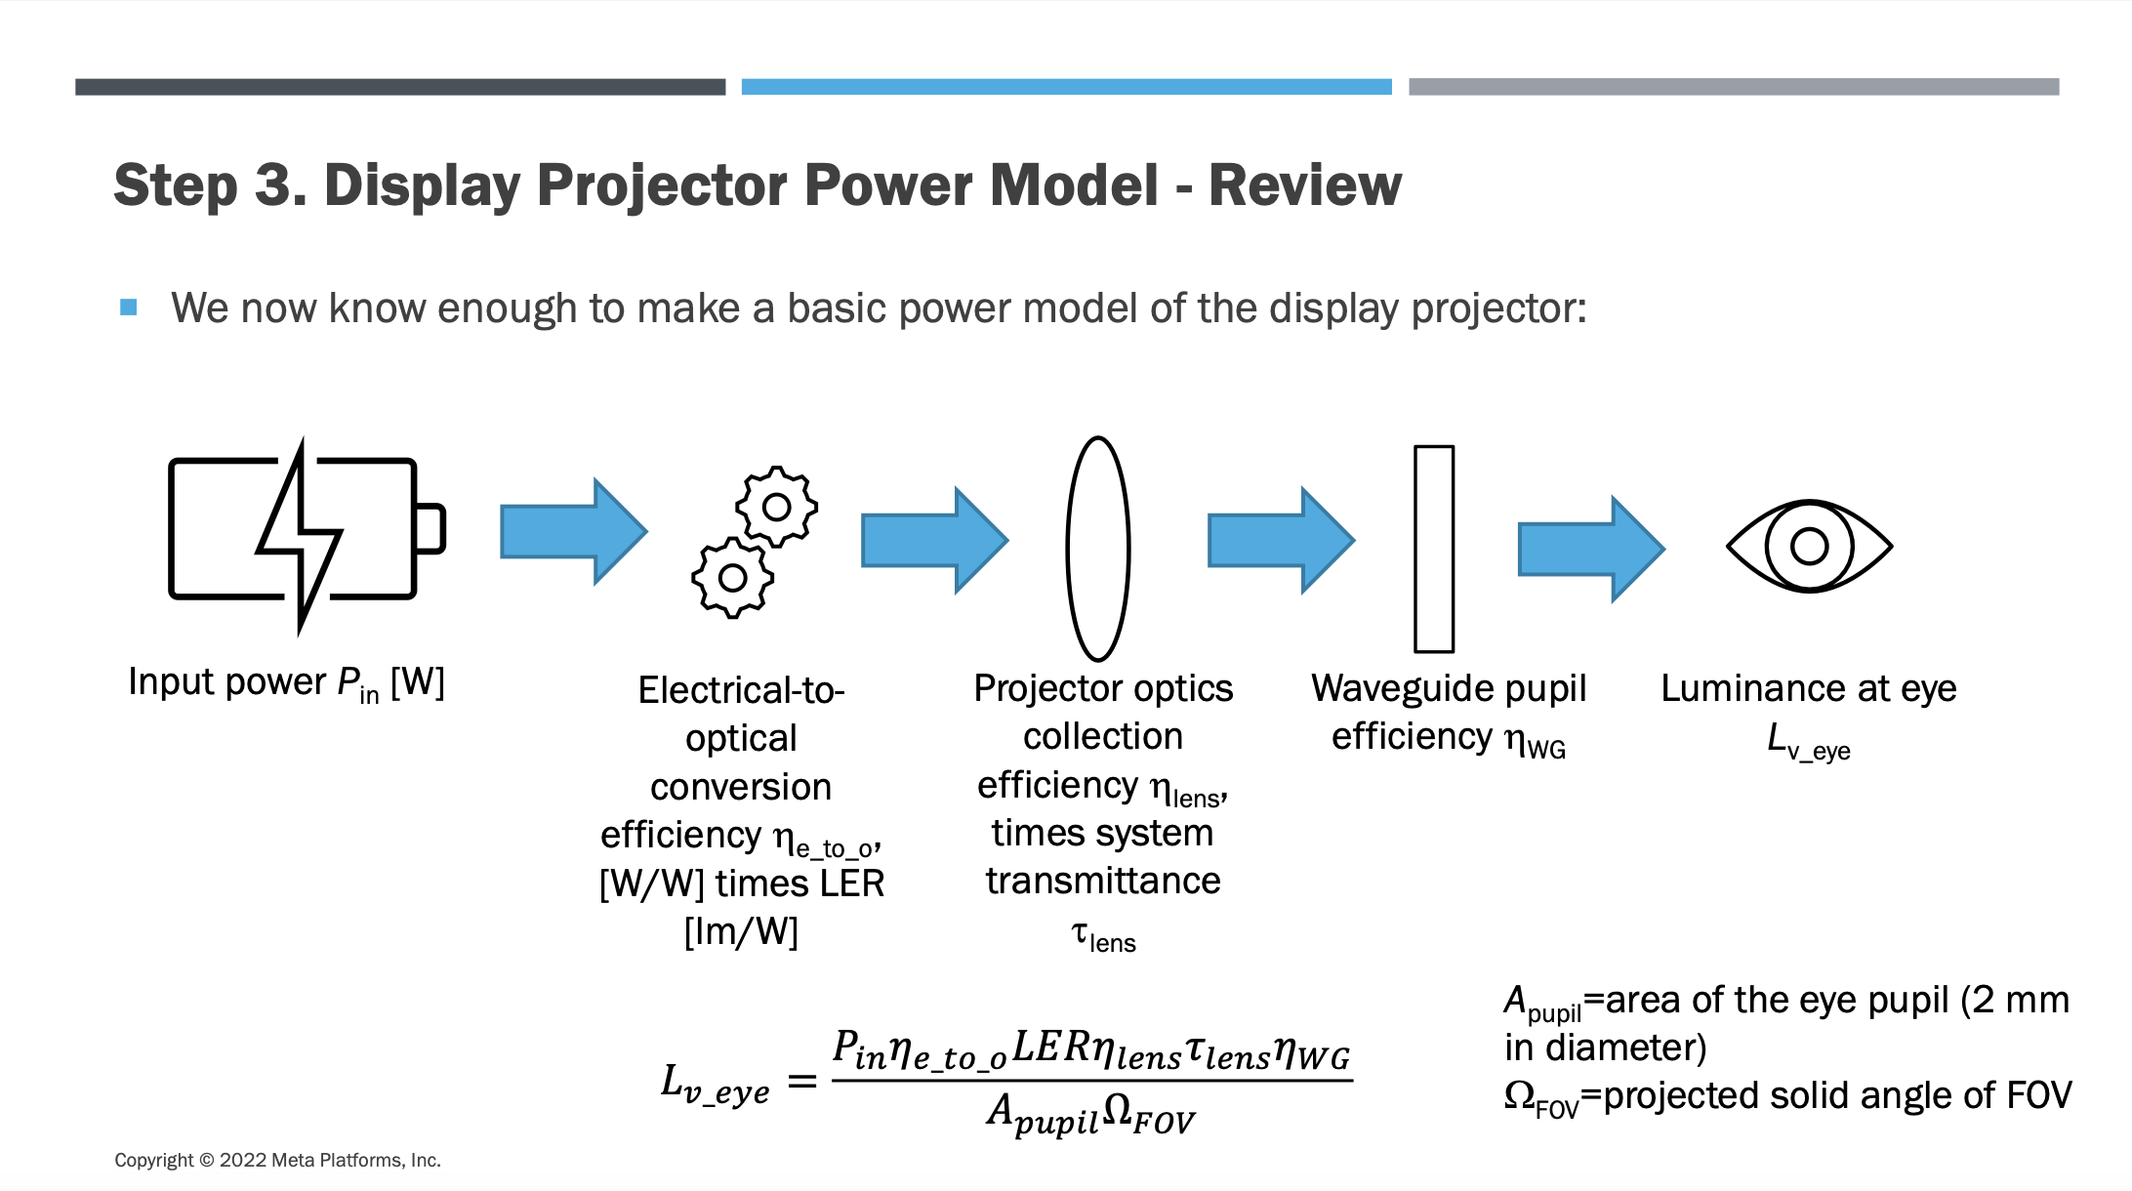
Wavelength = 450nm (Blue)
Optimized Waveguide | Value | Units | Value for Pupil in (V/m)^2
Value for Pupil around (-26.667 mm; -16.667 mm) | 0.00E+00 | (V/m)^2 |  | -26.667 | 0 | 26.667
Value for Pupil around (0 mm; -16.667 mm) | 0.00E+00 | (V/m)^2 | 16.667 | 0.0000E+00 | 8.9113E-06 | 6.7625E-06
Value for Pupil around (26.667 mm; -16.667 mm) | 0.00E+00 | (V/m)^2 | 0 | 0.0000E+00 | 2.2519E-05 | 7.3672E-06
Value for Pupil around (-26.667 mm; 0 mm) | 0.00E+00 | (V/m)^2 | -16.667 | 0.0000E+00 | 0.0000E+00 | 0.0000E+00 | Outputs | Value | Units
Value for Pupil around (0 mm; 0 mm) | 2.25E-05 | (V/m)^2 |  |  |  |  | ηpupil (average efficiency) | 7.9573E-05
Value for Pupil around (26.667 mm; 0 mm) | 7.37E-06 | (V/m)^2 | Cartesian angles θx, θy (deg) vs. pupil efficiency (fractional) |  |  |  | Projected solid angle of FOV | 0.1696393 | sr
Value for Pupil around (-26.667 mm; 16.667 mm) | 0.00E+00 | (V/m)^2 |  | -14.790 | 0.000 | 14.790 | Efficiency | 149.31 | nits/lumen
Value for Pupil around (0 mm; 16.667 mm) | 8.91E-06 | (V/m)^2 | 9.370 | 0.0000E+00 | 1.4008E-04 | 1.0630E-04 | Luminance | 149.31 | nits
Value for Pupil around (26.667 mm; 16.667 mm) | 6.76E-06 | (V/m)^2 | 0.000 | 0.0000E+00 | 3.5398E-04 | 1.1581E-04 | Max/min | #DIV/0!
Arithmetic Mean | 5.0622E-06 | (V/m)^2 | -9.370 | 0.0000E+00 | 0.0000E+00 | 0.0000E+00 | Uniformity Error | 100.000%

