20774
Date | Actual | LSTM | ARIMA | Prophet | Ensemble | Ensemble Error% | Ensemble Absolute Error% | LTSM Absolute Error %
2016-07-01 | 13280 |  | 11240 | 13069 | 12328 | #REF! | 22.47159878 | 6.2419403468
2016-08-01 | 13280 |  | 10832 | 13598 | 12974 | 2.3585632804 | 2.35856328 | 17.278282848
2016-09-01 | 11631 |  | 10389 | 12281 | 12188 | -4.5700689202 | 4.57006892 | 10.627406414
2017-03-01 | 12945 |  | 12245 | 14559 | 12932 | 0.1005258274 | 0.100525827 | 11.870018645
2016-12-01 | 11994 |  | 11695 | 11985 | 11218 | 6.9174540916 | 6.917454092 | 40.313635821
 |  |  |  |  |  |  | 7.20% | 17.26%

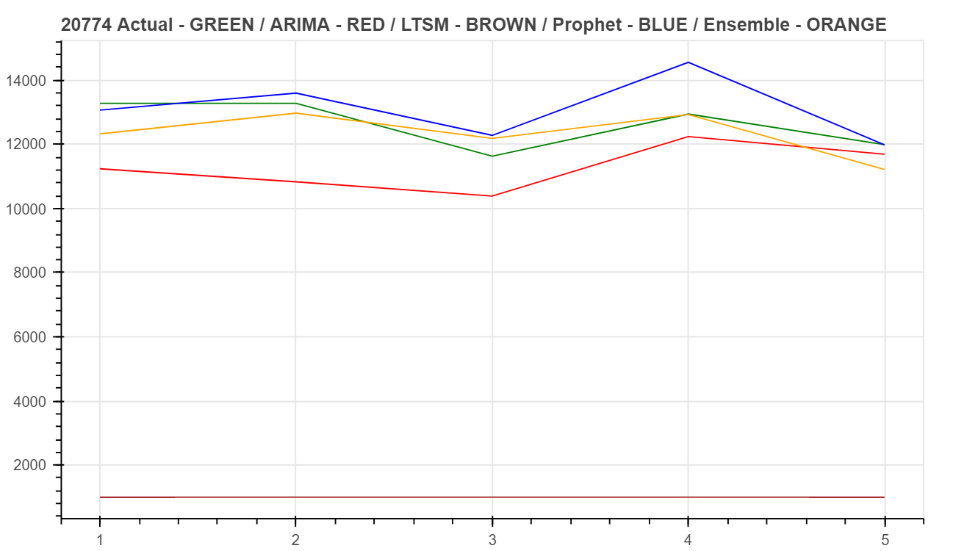

 |  |  |  |  |  |  |  |  | ARIMA RMSE: 1566.924950
 |  |  |  |  |  |  |  |  | Prophet RMSE: 796.645718
 |  |  |  |  |  |  |  |  | Ensemble RMSE: 618.471341

