supervised learing simple ex
1 |  | training data | wherein company employees have rated their satisfaction on a scale of 1 to 100
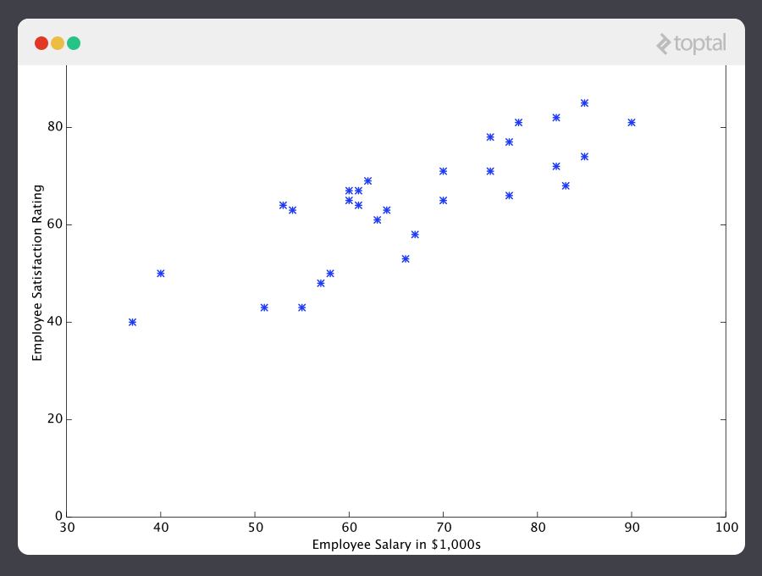

 |  | Data is not clear but there is a pattern. | its shows that employee satisfaction tends to go up as salary goes up)
 |  | it does not fit in straight line.This will always be the case with real-world data and ML have to deal with it
 |  | The goal ML is not to make perfact guess but make guesses that are good enough to be useful

 | step1 | initialize our predictor h(x) with some reasonable values of constants

 |  | Now our predictor looks like this when placed over our training set
 |  |  | h(x)=12.00 +0.20x

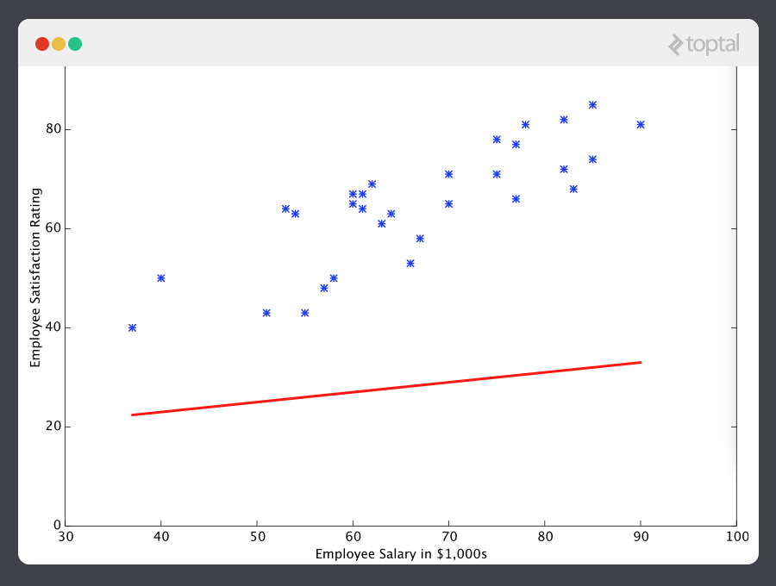

 |  | If we ask this predictor for the satisfaction of an employee making $60k, it would predict a rating of 27



 |  | It’s obvious that this was a terrible guess and that this machine doesn’t know very much

 |  | let’s give this predictor all the salaries from our training set
 |  | and take the differences between the resulting predicted satisfaction ratings and the actual satisfaction ratings of the corresponding employees
 |  | if we perform a little mathematical wizardry
 |  | we can calculate, with very high certainty, that values contant1 is 13.12
 |  | constant2 | 0.61
 |  | are going to give us a better predictor.

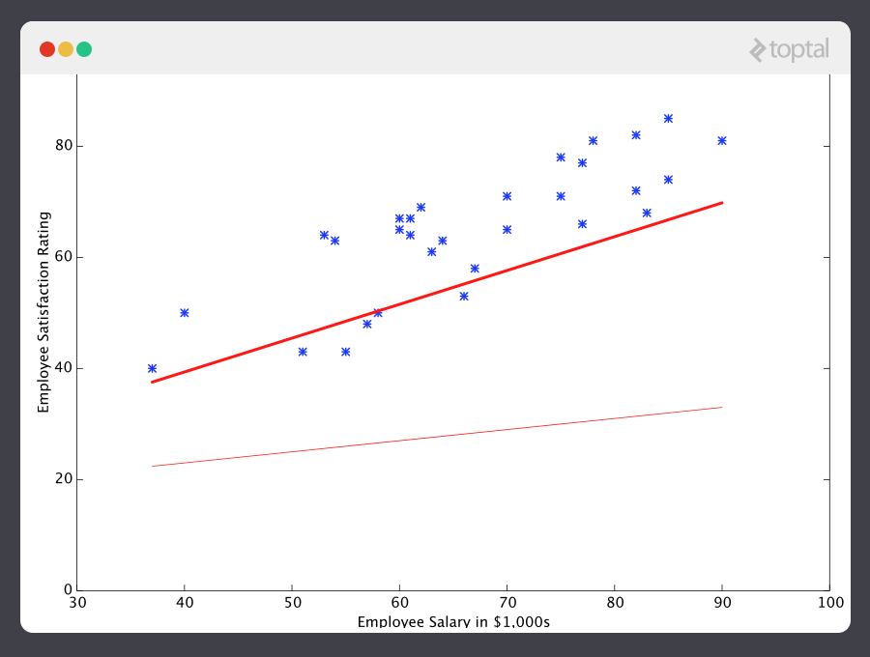

 |  | And if we repeat this process, say 1500 times, our predictor will end up looking like this

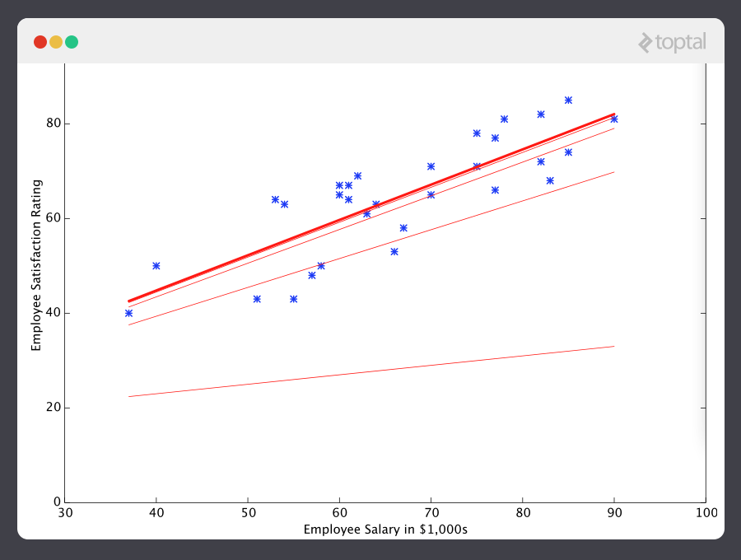

 |  | At this point, if we repeat the process, we will find that const1 and const2 won’t change by any appreciable amount anymore
 |  | and thus we see that the system has converged
 |  | If we haven’t made any mistakes, this means we’ve found the optimal predictor.

 |  | Accordingly, if we now ask the machine again for the satisfaction rating of the employee who makes $60k, it will predict a rating of roughly 60

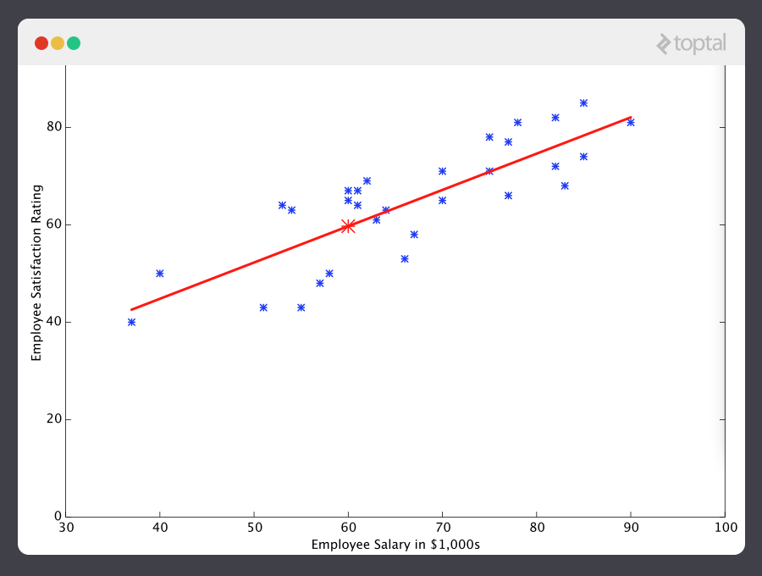

 |  | A Note on Complexity
 |  | consider a predictor that looks like this

 |  | This function takes input in four dimensions and has a variety of polynomial terms
 |  |  | Deriving a normal equation for this function is a significant challenge
 |  | Many modern machine learning problems take thousands or even millions of dimensions of data to build predictions using hundreds of coefficients
 |  |  | Fortunately, the iterative approach taken by ML systems is much more resilient in the face of such complexity

 |  | Gradient Descent - Minimizing “Wrongness”

 |  | Let’s take a closer look at how this iterative process works.
 |  | how do we make sure that the value of const1 and cosnt2 are getting better with each step ?
 |  | it is done by "measurement of wrongness"
 |  | The wrongness measure is known as the cost function or loss function
 |  | is really pair of const1 and const2 | gives us a mathematical measurement of how wrong our predictor is when it uses the given values of const1 and const2
 |  | The choice of the cost function is another important piece of an ML program

 |  | In our employee satisfaction example,
 |  | the well-established standard is the | linear least squares function

 |  | With least squares, | the penalty for a bad guess goes up quadratically with the difference between the guess and the correct answer
 |  |  | so it acts as a very “strict” measurement of wrongness
 |  |  | The cost function computes an average penalty over all of the training examples

 |  | So now we see that our goal is to find const1 and const2 for our predictor h(x) such that our cost function | as small as possible
 |  | We call on the power of calculus to accomplish this

 |  | what we do is take the gradient of | which is the pair of derivatives of
 |  | The gradient will be different for every different value of | and
 |  |  | tells us what the “slope of the hill is” and, in particular, “which way is down”,

 |  | For example, when we plug our current values of | into the gradient it may tell us that adding a little to and subtracting a little to
 |  |  | will take us in the direction of the cost function-valley floor
 |  |  | We have completed one round of our learning algorithm
 |  | Our updated predictor, h(x)= + | will return better prediction than before
 |  |  | Our machine is now a little bit smarter

 |  | This process of alternating between calculating the current gradient, and updating the from the results, is known as gradient descent

 |  | Under supervised ML, two major subcategories are:
 |  | Regression machine learning systems: | systems where the value being predicted falls somewhere on a continuous spectrum
 |  |  | These systems help us with questions of “How much?” or “How many?”.
 |  | Classification machine learning systems: | Systems where we seek a yes-or-no prediction

 |  | As it turns out, the underlying theory is more or less the same.
 |  | The major differences are the design of the predictor h(x) and and the design of the cost function

mahout
Apache Mahout | Apache Mahout is a highly scalable machine learning library

Mahout | implements Naive Bayes classifier supervised learning algorithms

prerequisites | Java and Hadoop are the prerequisites of mahout.

Recommendation | the popular machine learning technique

 | Amazon uses Mahout for recommendation

 | Mahout Recommender Engine | Mahout has a non-distributed, non-Hadoop-based recommender engine

 | input | You should pass a text document having user preferences for items
 | output | the output of this engine would be the estimated preferences of a particular user for other items

 |  | Mahout engine analyzes past purchase data of the users and recommends new products based on that

 | components provided by Mahout to build a recommender engine
 |  | DataModel
 |  | UserSimilarity
 |  | ItemSimilarity
 |  | UserNeighborhood
 |  | Recommender

 | Architecture of Recommender Engine

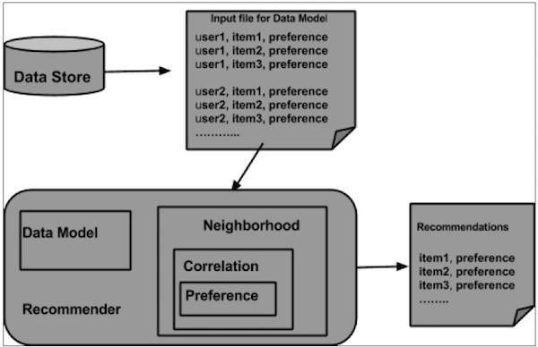

 | 1 | From the data store, the data model is prepared
 | 2 | is passed as an input to the recommender engine
 | 3 | The Recommender engine generates the recommendations for a particular user

Clustering | Clustering is the procedure to organize items
 | of a given collection
 | into groups based on the similarity between the items

Using Mahout, we can cluster a given set of data
The steps required are as
1 | Algorithm | suitable clustering algorithm to group the elements of a cluster
2 | Similarity and Dissimilarity | a rule in place to verify the similarity between the newly encountered elements
3 | Stopping Condition | A stopping condition is required to define the point where no clustering is required

Classification | Is a machine learning technique
 | that uses known data to determine
 | how the new data should be classified into a set of existing categories

 | ex | Mail service providers such as Yahoo! and Gmail use this technique to decide whether a new mail should be classified as a spam

 | While classifying a given set of data, the classifier system performs the following actions

1 | Initially a new data model is prepared using any of the learning algorithms
2 | Then the prepared data model is tested
3 | Thereafter, this data model is used to evaluate the new data and to determine its class

Naive Bayes Classifier | Mahout uses the Naive Bayes classifier algorithm.

two implementations
 | Distributed Naive Bayes classification
 | Complementary Naive Bayes classification

Advantage | An advantage of naive Bayes is that it only requires a small amount of training data to estimate the parameters necessary for classification

Procedure of Classification

1 | Generate example data
2 | Create sequence files from data
3 | Convert sequence files to vectors
4 | Train the vectors
5 | Test the vectors

