STEP1
Simple Linear Regression

x versus y
Dataset
x | y
1 | 1
2 | 3
4 | 3
3 | 2
5 | 5

STEP5
Simple Linear Regression

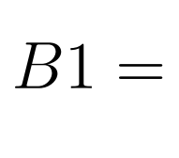

 | 8 | ANSWER = 0.8
 | 10

STEP6
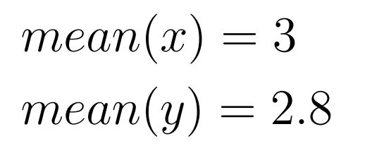

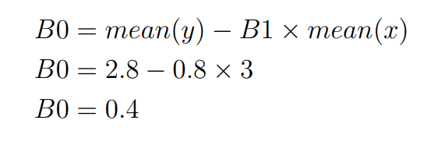

STEP7
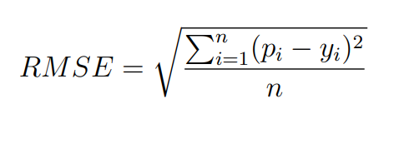
Simple Linear Regression

B0 | B1
0.4 | 0.8

Predictions
x | Predicted Y | y | Predicted - y | squared error | RMSE
1 | 1.2 | 1 | 0.2 | 0.04
2 | 2 | 3 | -1 | 1
4 | 3.6 | 3 | 0.6 | 0.36
3 | 2.8 | 2 | 0.8 | 0.64
5 | 4.4 | 5 | -0.6 | 0.36 | 0.69282032303
 |  |  | SUM: | 2.4

LINEAR-MODEL
x versus y
Simple Linear Regression

Dataset
x | y
1 | 1
2 | 3
4 | 3
3 | 2
5 | 5

x | mean(x) | x - mean(x)
1 | 3 | -2
2 |  | -1
4 |  | 1
3 |  | 0
5 |  | 2

y | mean(y) | y - mean(y)
1 | 2.8 | -1.8
3 |  | 0.2
3 |  | 0.2
2 |  | -0.8
5 |  | 2.2

x - mean(x) | y - mean(y) | Multiplication | Sum
-2 | -1.8 | 3.6
-1 | 0.2 | -0.2
1 | 0.2 | 0.2
0 | -0.8 | 0
2 | 2.2 | 4.4 | 8

x - mean(x) | squared | Sum
-2 | 4
-1 | 1
1 | 1
0 | 0
2 | 4 | 10

B0 | B1
0.4 | 0.8

Predictions
x | Predicted Y | y | Predicted - y | squared error | RMSE
1 | 1.2 | 1 | 0.2 | 0.04
2 | 2 | 3 | -1 | 1
4 | 3.6 | 3 | 0.6 | 0.36
3 | 2.8 | 2 | 0.8 | 0.64
5 | 4.4 | 5 | -0.6 | 0.36 | 0.69282032303
 |  |  | SUM: | 2.4
Shortcut
Correlation | Stdev x | Stdev y | B0 | B1
0.85280286542 | 1.5811388301 | 1.4832396974 | 0.4 | 0.8

