Dashboard
KT Plan
Stage | # Open | # In Progress | # Closed | % Completed
KT Plan | 14 | 0 | 0 | 0%
Access | 0 | 0 | 9 | 100%
Inventory |  |  |  | 100%
Archictecture | 0 | 0 | 0 | 100%
Server Credentials |  |  |  | 100%
Contacts | 0 | 0 | 3 | 100%
Overall | 14 | 0 | 12 | 83%

Transition Plan : Valampuri to Paul Naveen (% Completed)

4. Architecture
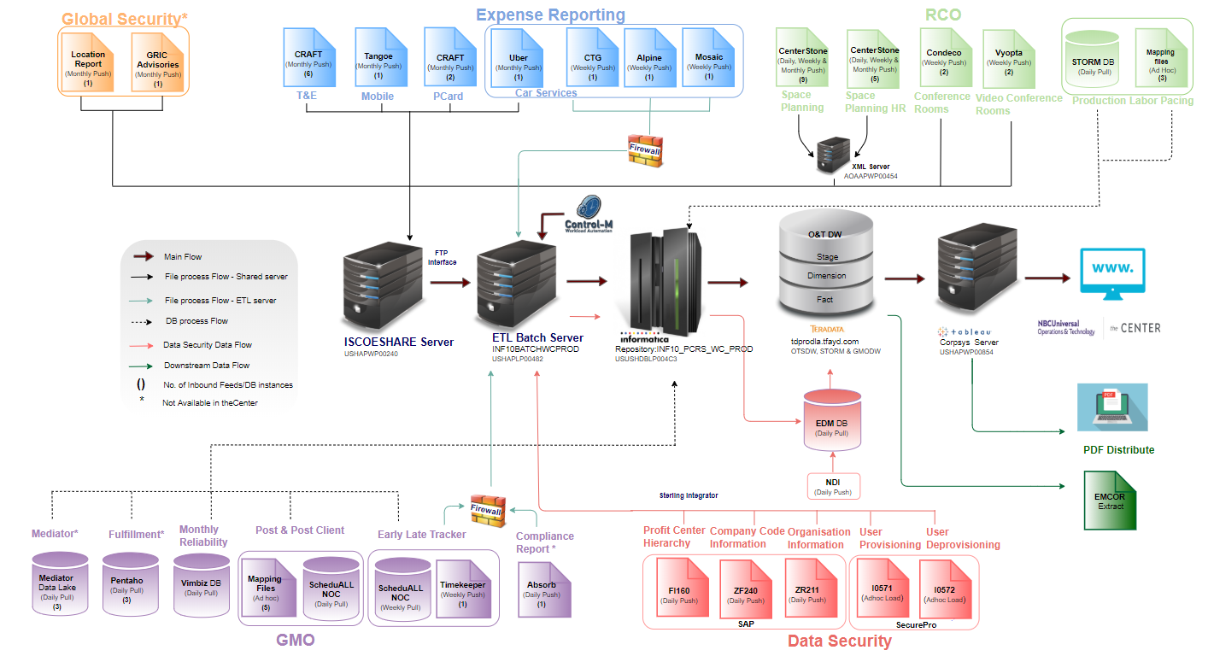
Refer the below mentioned onedrive link
https://nbcuni.sharepoint.com/:w:/s/Corp_EDW/EfrwMwh6InxOvrQBI4NgkRcBnSNGtp42qpc3xZJTl_HX9g?e=dmds4X

