Powerpipe soc2 AWs and GCP
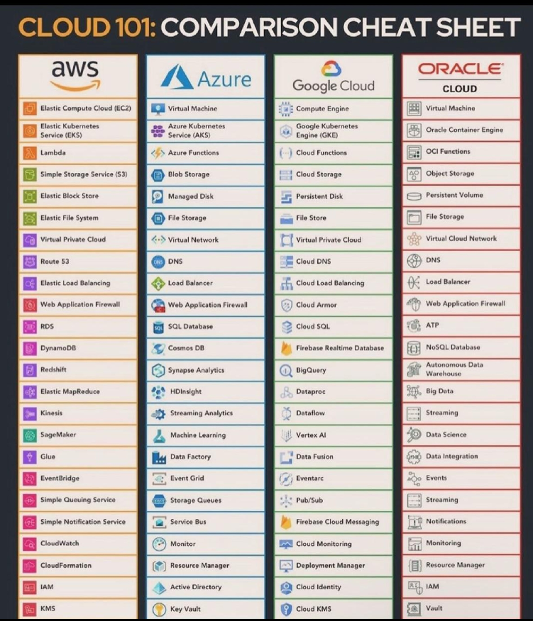
 | similar if considered may/may not match 100% for soc2 and gcp,but since there is too less matching i added possibally usable name
 |  |  | table | discription
 | AWS Control | GCP Control | aws_accessanalyzer_analyzer | AWS Access Analyzer
1 | apigateway_stage_logging_enabled | gcp_cloud_run_service | aws_accessanalyzer_finding | AWS Access Analyzer Finding
2 | backup_plan_min_retention_35_days | gcp_compute_instance | aws_account | AWS Account
3 | backup_recovery_point_encryption_enabled | gcp_compute_instance | aws_account_alternate_contact | AWS Account Alternate Contact
4 | backup_recovery_point_manual_deletion_disabled | gcp_compute_disk | aws_account_contact | AWS Account Contact
5 | backup_recovery_point_min_retention_35_days | gcp_compute_disk_metric_read_ops | aws_acm_certificate | AWS ACM Certificate
6 | cloudtrail_multi_region_trail_enabled | gcp_cloudtrail_event_data_store | aws_acmpca_certificate_authority | AWS ACM Private Certificate Authority
7 | cloudtrail_trail_enabled | gcp_cloudtrail_trail | aws_amplify_app | AWS Amplify App
8 | cloudtrail_trail_integrated_with_logs | gcp_cloudtrail_import | aws_api_gateway_api_key | AWS API Gateway API Key
9 | dynamodb_table_in_backup_plan | gcp_sql_database_instance | aws_api_gateway_authorizer | AWS API Gateway Authorizer
10 | dynamodb_table_point_in_time_recovery_enabled | gcp_sql_database_instance_metric_connections | aws_api_gateway_domain_name | AWS API Gateway Domain Name
11 | dynamodb_table_protected_by_backup_plan | gcp_sql_database_instance_metric_cpu_utilization | aws_api_gateway_method | AWS API Gateway Method
12 | ebs_volume_in_backup_plan | gcp_compute_disk | aws_api_gateway_rest_api | AWS API Gateway Rest API
13 | ebs_volume_protected_by_backup_plan | gcp_compute_disk | aws_api_gateway_stage | AWS API Gateway Stage
14 | ec2_instance_ebs_optimized | gcp_compute_instance | aws_api_gateway_usage_plan | AWS API Gateway Usage Plan
15 | ec2_instance_protected_by_backup_plan | gcp_compute_instance | aws_api_gatewayv2_api | AWS API Gateway Version 2 API
16 | efs_file_system_in_backup_plan | gcp_compute_instance | aws_api_gatewayv2_domain_name | AWS API Gateway Version 2 Domain Name
17 | efs_file_system_protected_by_backup_plan | gcp_compute_instance | aws_api_gatewayv2_integration | AWS API Gateway Version 2 Integration
18 | elasticache_redis_cluster_automatic_backup_retention_15_days | gcp_redis_instance | aws_api_gatewayv2_route | AWS API Gateway Version 2 Route
19 | elb_application_classic_lb_logging_enabled | gcp_compute_backend_service | aws_api_gatewayv2_stage | AWS API Gateway Version 2 Stage
20 | fsx_file_system_protected_by_backup_plan | gcp_compute_disk | aws_appautoscaling_policy | AWS Application Auto Scaling Policy
21 | rds_db_cluster_aurora_protected_by_backup_plan | gcp_sql_database | aws_appautoscaling_target | AWS Application Auto Scaling Target
22 | rds_db_instance_backup_enabled | gcp_sql_database | aws_appconfig_application | AWS AppConfig Application
23 | rds_db_instance_in_backup_plan | gcp_sql_database | aws_appstream_fleet | AWS AppStream Fleet
24 | rds_db_instance_logging_enabled | gcp_sql_database_instance_metric_connections | aws_appstream_image | AWS AppStream Image
25 | rds_db_instance_protected_by_backup_plan | gcp_sql_database | aws_appsync_graphql_api | AWS AppSync GraphQL API
26 | redshift_cluster_automatic_snapshots_min_7_days | gcp_bigquery_dataset | aws_athena_query_execution | AWS Athena Query Execution
27 | s3_bucket_cross_region_replication_enabled | gcp_storage_bucket | aws_athena_workgroup | AWS Athena Workgroup
28 | s3_bucket_versioning_enabled | gcp_storage_bucket | aws_auditmanager_assessment | AWS Audit Manager Assessment
29 | waf_web_acl_logging_enabled | gcp_compute_security_policy | aws_auditmanager_control | AWS Audit Manager Control
30 | wafv2_web_acl_logging_enabled | gcp_compute_security_policy | aws_auditmanager_evidence | AWS Audit Manager Evidence
31 | rds_db_instance_deletion_protection_enabled | gcp_sql_database | aws_auditmanager_evidence_folder | AWS Audit Manager Evidence Folder
32 | s3_bucket_object_lock_enabled | gcp_storage_object | aws_auditmanager_framework | AWS Audit Manager Framework
33 | s3_bucket_versioning_and_lifecycle_policy_enabled | gcp_storage_bucket | aws_availability_zone | AWS Availability Zone
34 | s3_bucket_lifecycle_policy_enabled | gcp_storage_bucket | aws_backup_framework | AWS Backup Framework
35 | iam_group_not_empty | gcp_iam_policy | aws_backup_job | AWS Backup Job
36 | iam_group_user_role_no_inline_policies | gcp_iam_policy | aws_backup_legal_hold | AWS Backup Legal Hold
37 | iam_managed_policy_attached_to_role | gcp_iam_role | aws_backup_plan | AWS Backup Plan
38 | iam_policy_no_star_star | gcp_iam_policy | aws_backup_protected_resource | AWS Backup Protected Resource
39 | iam_policy_unused | gcp_iam_policy | aws_backup_recovery_point | AWS Backup Recovery Point
40 | iam_user_in_group | gcp_iam_role | aws_backup_report_plan | AWS Backup Report Plan
41 | iam_user_no_inline_attached_policies | gcp_iam_policy | aws_backup_selection | AWS Backup Selection
42 | iam_user_unused_credentials_90 | gcp_iam_policy | aws_backup_vault | AWS Backup Vault
43 | rds_db_instance_iam_authentication_enabled | gcp_sql_database | aws_cloudcontrol_resource | AWS Cloud Control Resource
44 | cloudtrail_s3_data_events_enabled | gcp_cloudtrail_event_data_store | aws_cloudformation_stack | AWS CloudFormation Stack
45 | cloudtrail_security_trail_enabled | gcp_cloudtrail_trail | aws_cloudformation_stack_resource | AWS CloudFormation Stack Resource
46 | config_enabled_all_regions | gcp_config_conformance_pack | aws_cloudformation_stack_set | AWS CloudFormation Stack Set
47 | ec2_instance_ssm_managed | gcp_compute_instance | aws_cloudfront_cache_policy | AWS CloudFront Cache Policy
48 | guardduty_enabled | gcp_security_center | aws_cloudfront_distribution | AWS CloudFront Distribution
49 | guardduty_finding_archived | gcp_security_center | aws_cloudfront_function | AWS CloudFront Function
50 | iam_user_console_access_mfa_enabled | gcp_iam_policy | aws_cloudfront_origin_access_identity | AWS CloudFront Origin Access Identity
51 | ssm_managed_instance_compliance_association_compliant | gcp_compute_instance | aws_cloudfront_origin_request_policy | AWS CloudFront Origin Request Policy
52 | ssm_managed_instance_compliance_patch_compliant | gcp_compute_instance | aws_cloudfront_response_headers_policy | AWS Cloudfront Response Headers Policy
 |  |  | aws_cloudsearch_domain | AWS CloudSearch Domain
 |  |  | aws_cloudtrail_channel | AWS CloudTrail Channel
 |  |  | aws_cloudtrail_event_data_store | AWS CloudTrail Event Data Store
...

