Sheet 1
1 | Python Programming: A Step By Step Guide From Beginner To Expert (Beginner, Intermediate & Advanced) |  |  |  |  |  |  |  |  | Pad krapow moo' is a very popular dish in the Thai street food scene. Ground pork is stir-fried with aromatic ingredients, then served over fluffy rice. If you want to serve a fried egg on the side, we heartily recommend it!
 |  |  |  |  |  |  |  | 201801

WEEK | 01 | Book Category | 10 | BUST | #NAME? |  | NEW BOOK? | No
BOOK ID | RP-0058 | Book Sub Category | 30 | OUT |  |  | DEVELOPER | Irene | TAGS
NEED PHOTOS? | 0 | Book Pages | 0 |  |  |  | LAST Edit | 2018-01-01
 |  | BOX TYPE |  |  |  |  | TEST SCORE | 3.59
BOOK TITLE | Python Programming: A Step By Step Guide From Beginner To Expert (Beginner, Intermediate & Advanced) | SPICY |  |  |  |  | FIRST TESTER
BOOK SUBTITLE |  | MAKE FIRST |  |  |  |  | REPEAT TESTER
 |  |  |  |  |  |  | SECOND TESTER
 | Add picture of existing photo or book photo |  |  | PHOTO BRIEF NOTES: |  |  | THIRD TESTER |  | AUTHOR (EN) | CUISINE (EN)
 |  |  |  |  |  |  |  |  | Customer Favourite | Asian
 |  |  |  |  |  |  |  |  | AUTHOR (FR) | CUISINE (FR)
 |  |  |  |  |  |  |  |  | Préféré de notre clientèle | asiatique

 |  |  |  |  |  |  |  |  | FR BOOK TITLE | Thaï « Pad Krawpow Moo »
 |  |  |  | BOOK NOTES: |  |  | FINAL DATE |  | FR BOOK SUBTITLE
 |  |  |  |  |  |  | ROMANCE CHECK? | Yes
 |  |  |  |  |  |  | NEW CARD? | Yes | FR START STRONG
 |  |  |  |  |  |  | PROOF-READ? | Yes
 |  |  |  |  |  |  | ANALYZE NFT? | Done

 |  |  |  |  |  | 

 |  |  |  |  |  | 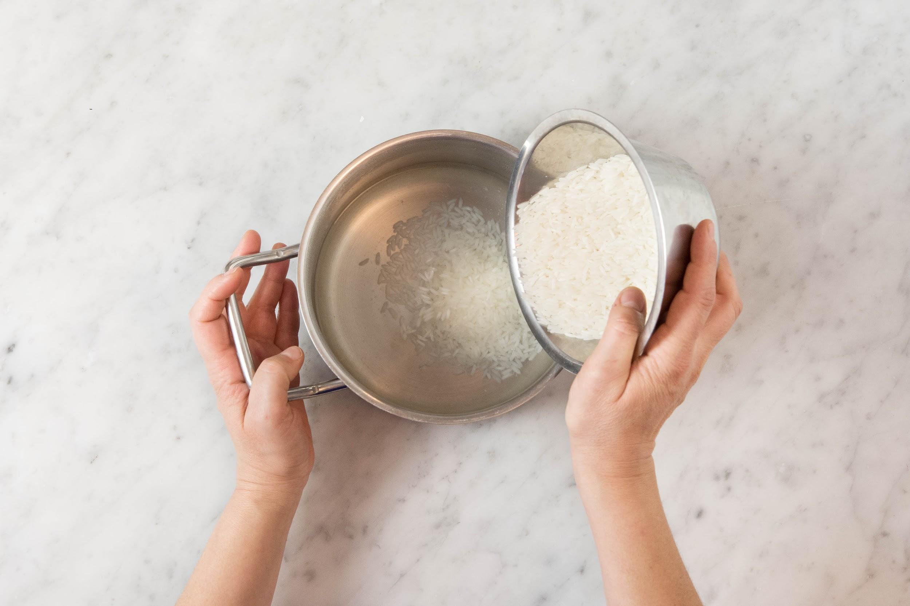

 |  |  |  |  |  | 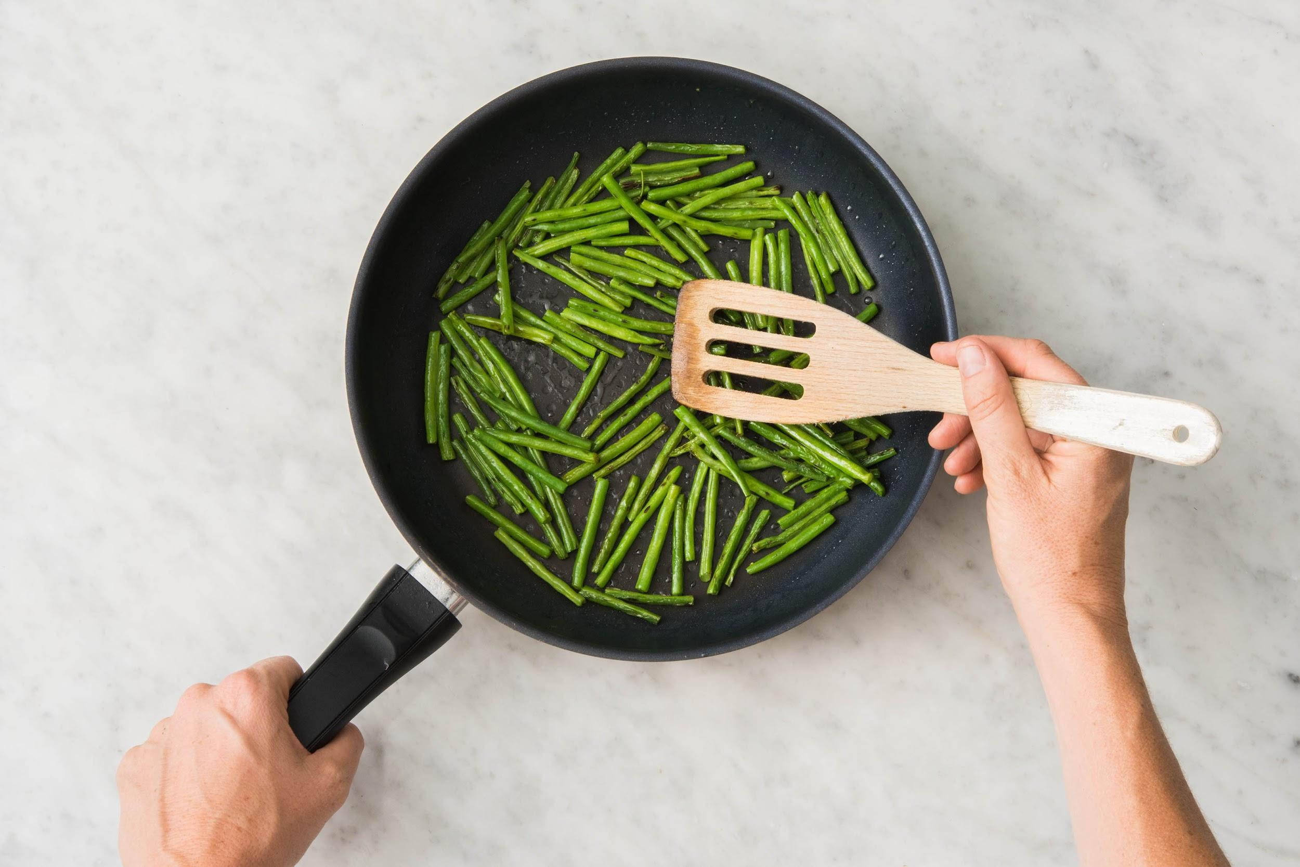

 |  |  |  |  |  | 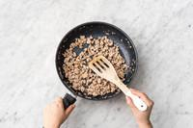

 |  |  |  |  |  | 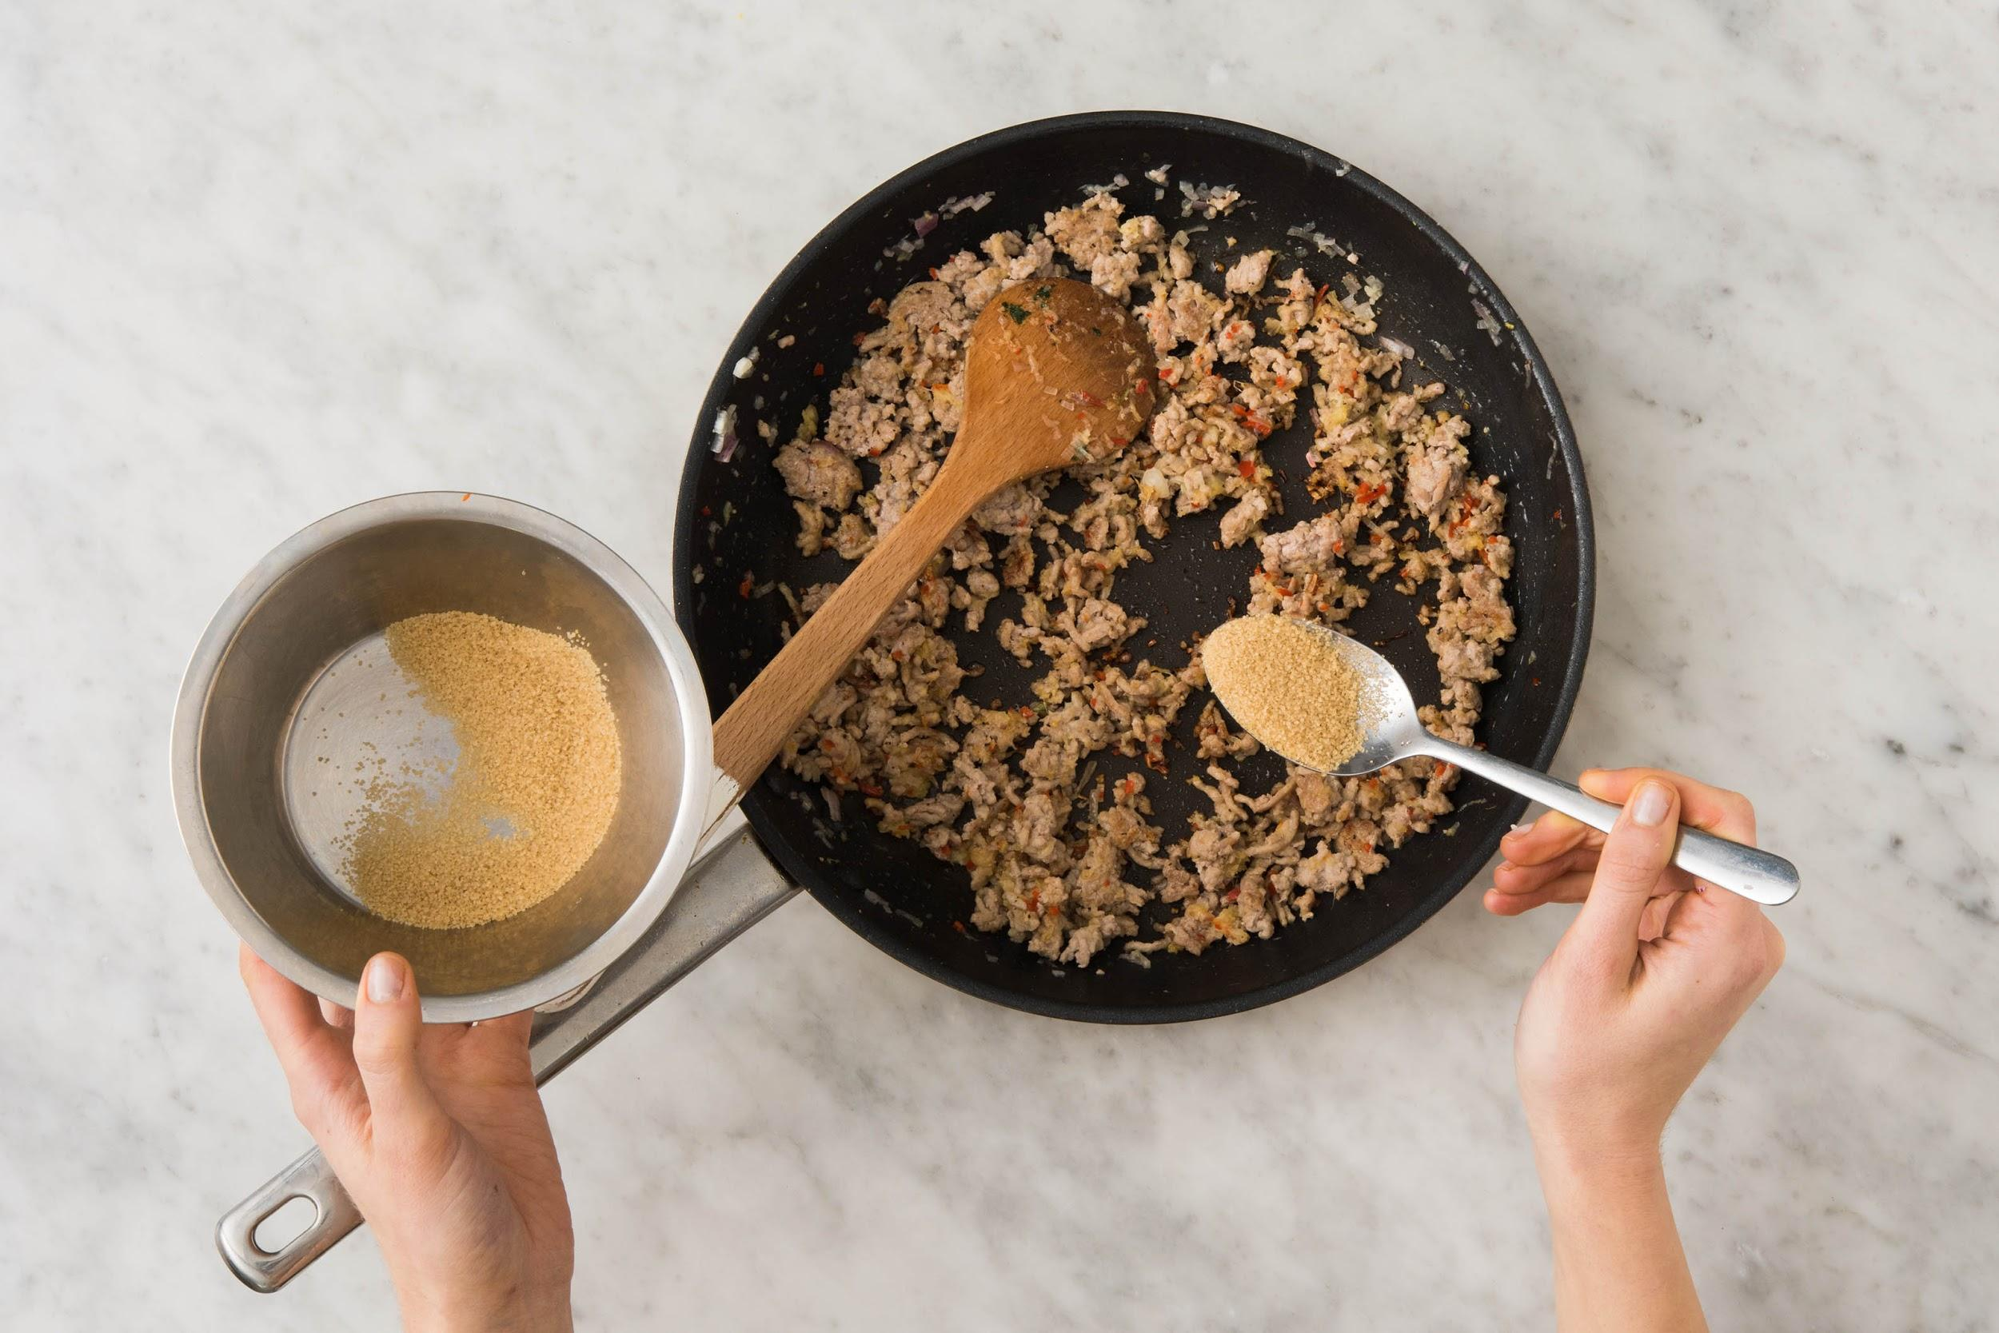

 |  |  |  |  |  | 