Cleaned Data
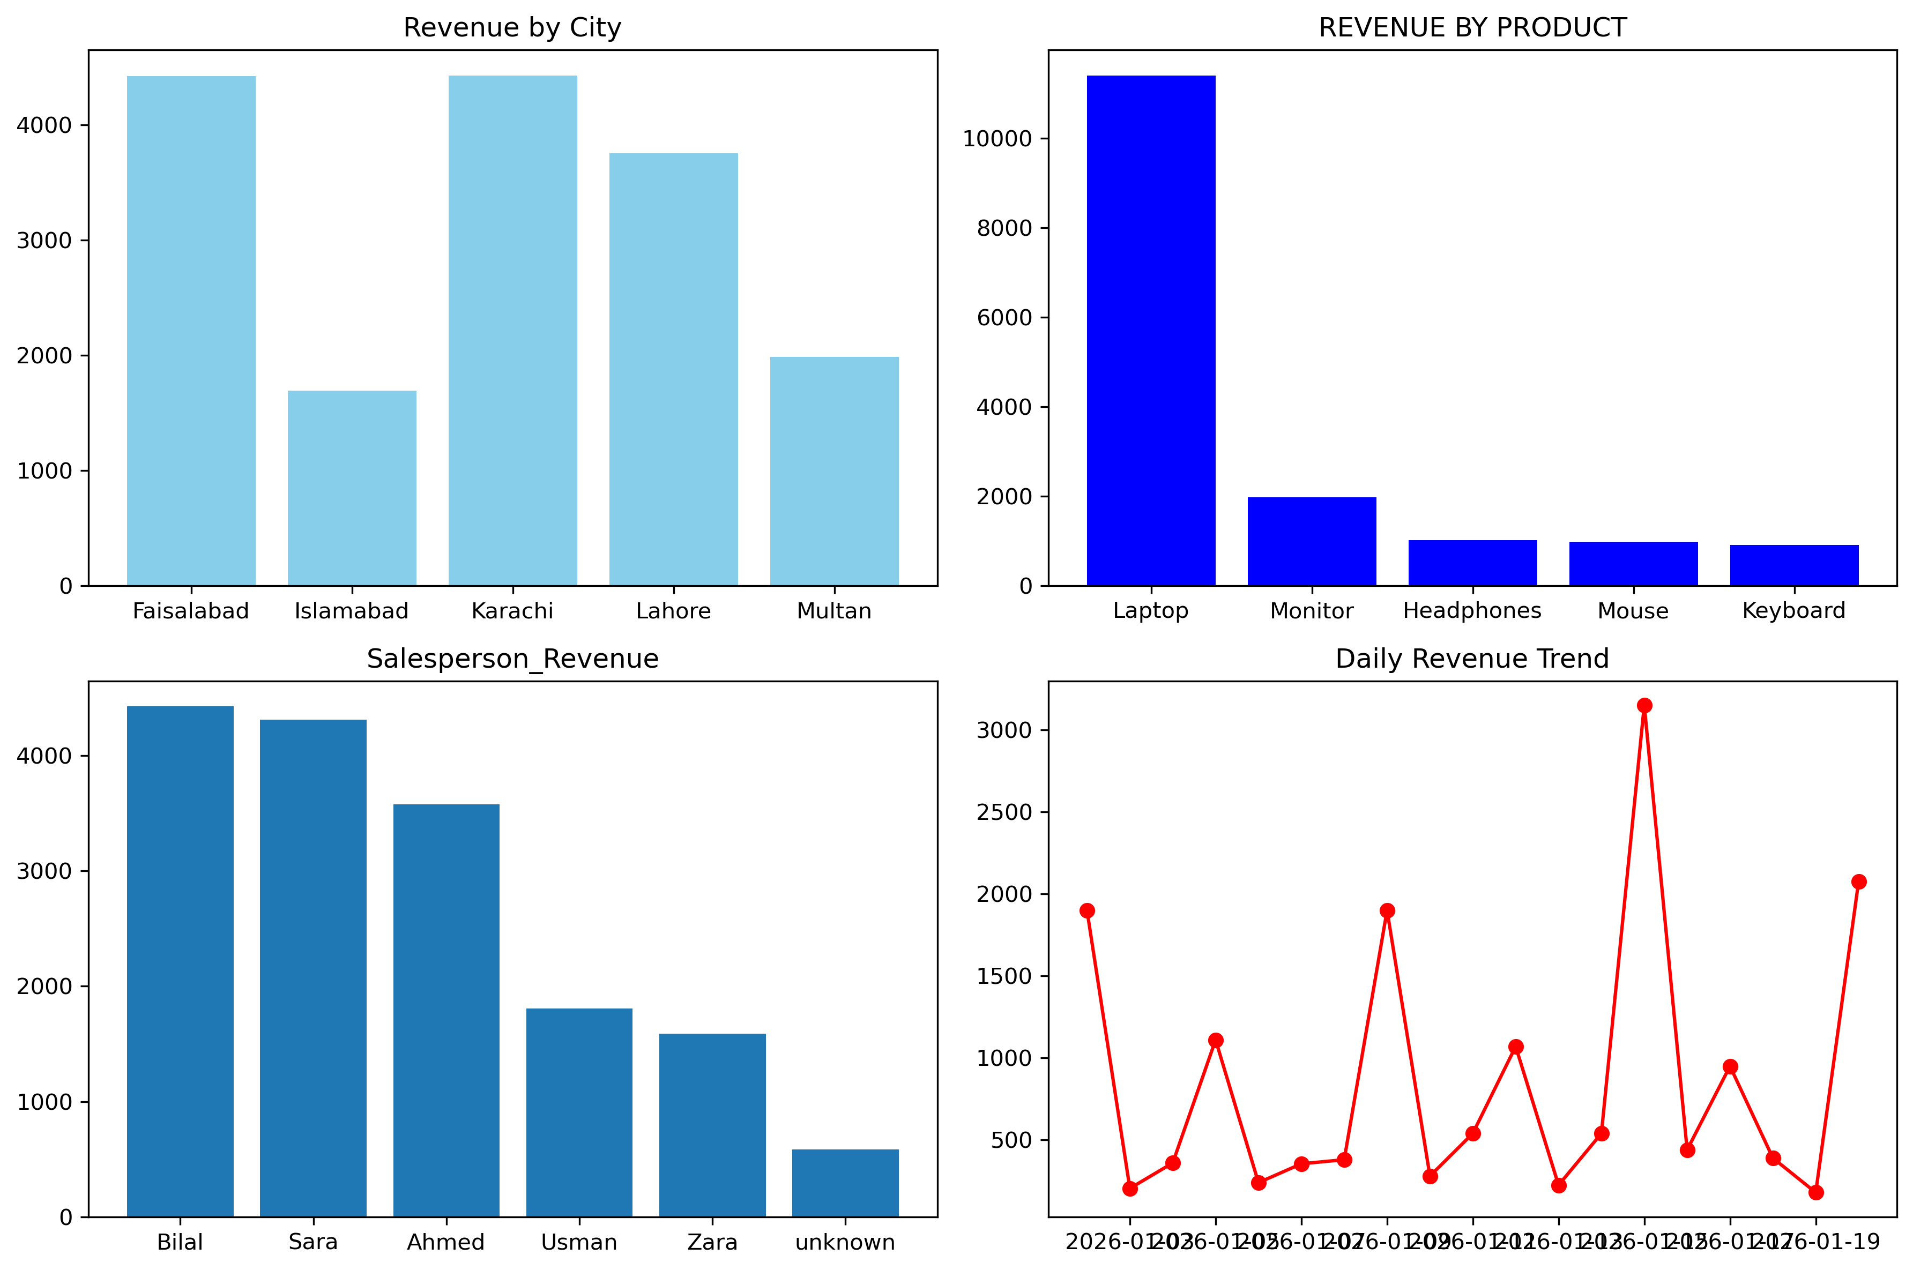
Order_ID | Date | City | Salesperson | Product | Category | Quantity | Price | Total_Revenue | Rating
1001 | 2026-01-02 | Lahore | Ahmed | Laptop | Electronics | 2 | 950 | 1900 | 4
1002 | 2026-01-03 | Karachi | Sara | Mouse | Accessories | 5 | 20 | 100 | 3
1003 | 2026-01-03 | Islamabad | unknown | Keyboard | Accessories | 3 | 35 | 105 | 4
1004 | 2026-01-04 | Lahore | Ahmed | Monitor | Electronics | 2 | 180 | 360 | 4
1005 | 2026-01-05 | Faisalabad | Bilal | Mouse | Accessories | 8 | 20 | 160 | 3
1006 | 2026-01-05 | Karachi | Sara | Laptop | Electronics | 1 | 950 | 950 | 4
1007 | 2026-01-06 | Islamabad | Zara | Headphones | Accessories | 4 | 60 | 240 | 4
1008 | 2026-01-07 | Lahore | Ahmed | Keyboard | Accessories | 5 | 35 | 175 | 3
1009 | 2026-01-07 | Multan | unknown | Monitor | Electronics | 1 | 180 | 180 | 4
1010 | 2026-01-08 | Karachi | Sara | Mouse | Accessories | 10 | 20 | 200 | 3
1011 | 2026-01-08 | Lahore | Ahmed | Headphones | Accessories | 3 | 60 | 180 | 4
1012 | 2026-01-09 | Faisalabad | Bilal | Laptop | Electronics | 2 | 950 | 1900 | 4
1013 | 2026-01-10 | Islamabad | Zara | Mouse | Accessories | 7 | 20 | 140 | 3
1014 | 2026-01-10 | Multan | Usman | Keyboard | Accessories | 4 | 35 | 140 | 4
1015 | 2026-01-11 | Lahore | Ahmed | Monitor | Electronics | 3 | 180 | 540 | 4
1016 | 2026-01-12 | Karachi | unknown | Headphones | Accessories | 2 | 60 | 120 | 3
1017 | 2026-01-12 | Islamabad | Zara | Laptop | Electronics | 1 | 950 | 950 | 4
1018 | 2026-01-13 | Lahore | Ahmed | Mouse | Accessories | 6 | 20 | 120 | 3
1019 | 2026-01-13 | Faisalabad | Bilal | Keyboard | Accessories | 3 | 35 | 105 | 4
1020 | 2026-01-14 | Multan | Usman | Monitor | Electronics | 3 | 180 | 540 | 4
1021 | 2026-01-15 | Karachi | Sara | Laptop | Electronics | 3 | 950 | 2850 | 4
1022 | 2026-01-15 | Lahore | Ahmed | Headphones | Accessories | 5 | 60 | 300 | 4
1023 | 2026-01-16 | Islamabad | Zara | Mouse | Accessories | 4 | 20 | 80 | 4
1024 | 2026-01-16 | Faisalabad | Bilal | Monitor | Electronics | 2 | 180 | 360 | 4
1025 | 2026-01-17 | Multan | Usman | Laptop | Electronics | 1 | 950 | 950 | 4
1026 | 2026-01-18 | Karachi | Sara | Keyboard | Accessories | 6 | 35 | 210 | 3
1027 | 2026-01-18 | Lahore | unknown | Mouse | Accessories | 9 | 20 | 180 | 3
1028 | 2026-01-19 | Islamabad | Zara | Headphones | Accessories | 3 | 60 | 180 | 4
1029 | 2026-01-20 | Faisalabad | Bilal | Laptop | Electronics | 2 | 950 | 1900 | 4
1030 | 2026-01-20 | Multan | Usman | Keyboard | Accessories | 5 | 35 | 175 | 4

Revenue by City
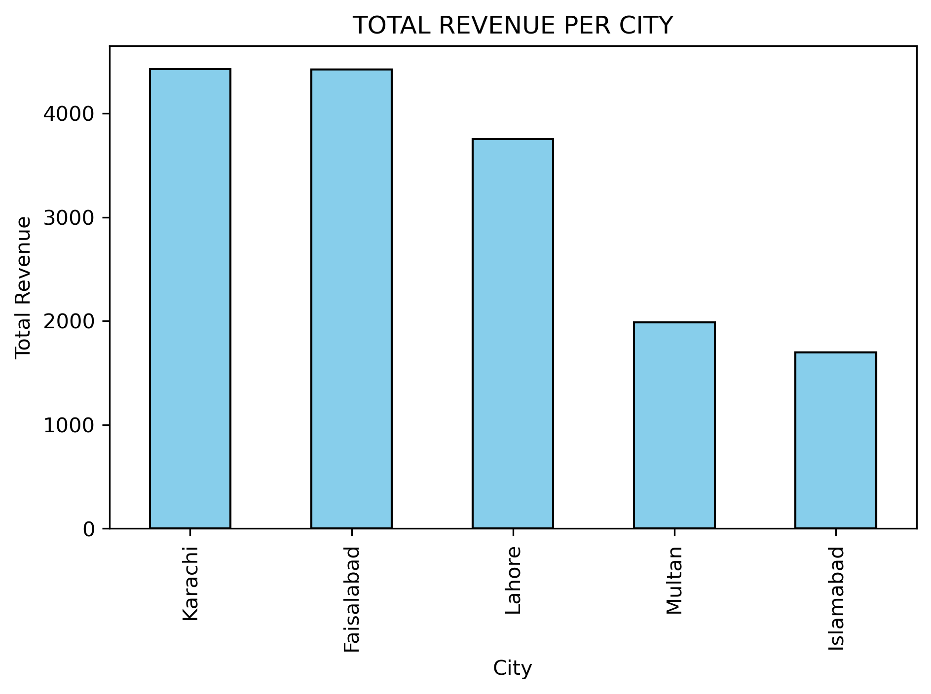
City | Total_Revenue
Karachi | 4430
Faisalabad | 4425
Lahore | 3755
Multan | 1985
Islamabad | 1695

Revenue by Product
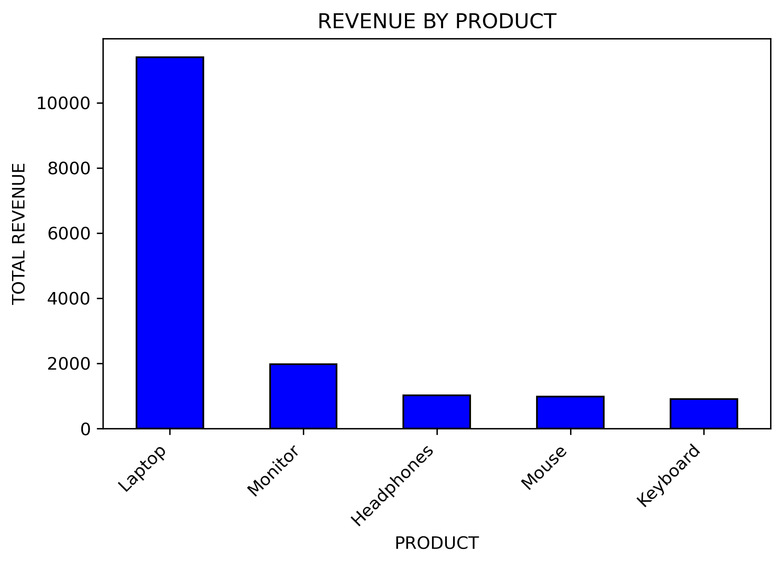
Product | Total_Revenue
Laptop | 11400
Monitor | 1980
Headphones | 1020
Mouse | 980
Keyboard | 910

Top Salesperson
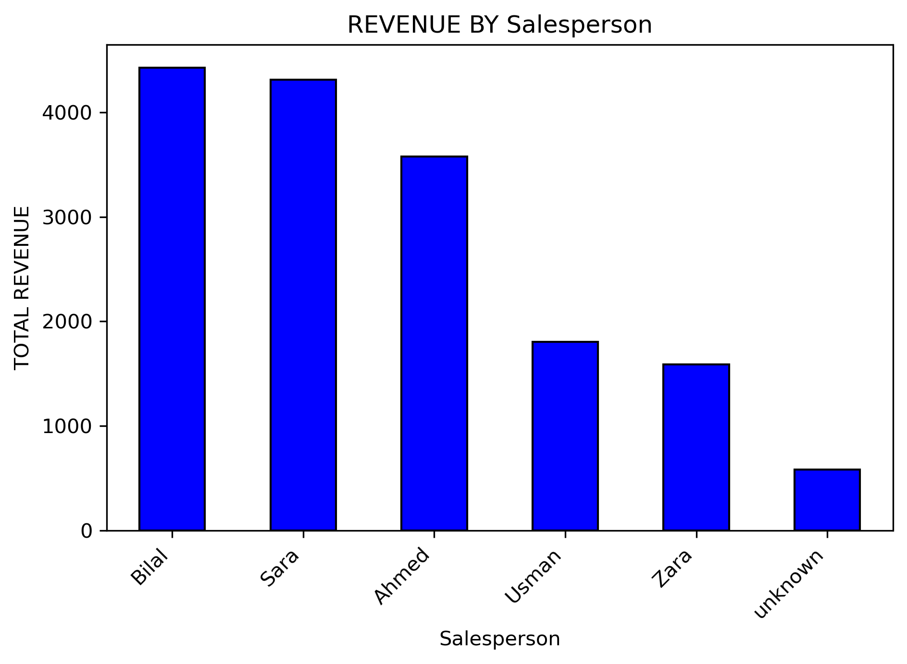
Salesperson | Total_Revenue
Bilal | 4425
Sara | 4310
Ahmed | 3575
Usman | 1805
Zara | 1590
unknown | 585

Daily Revenue Trend
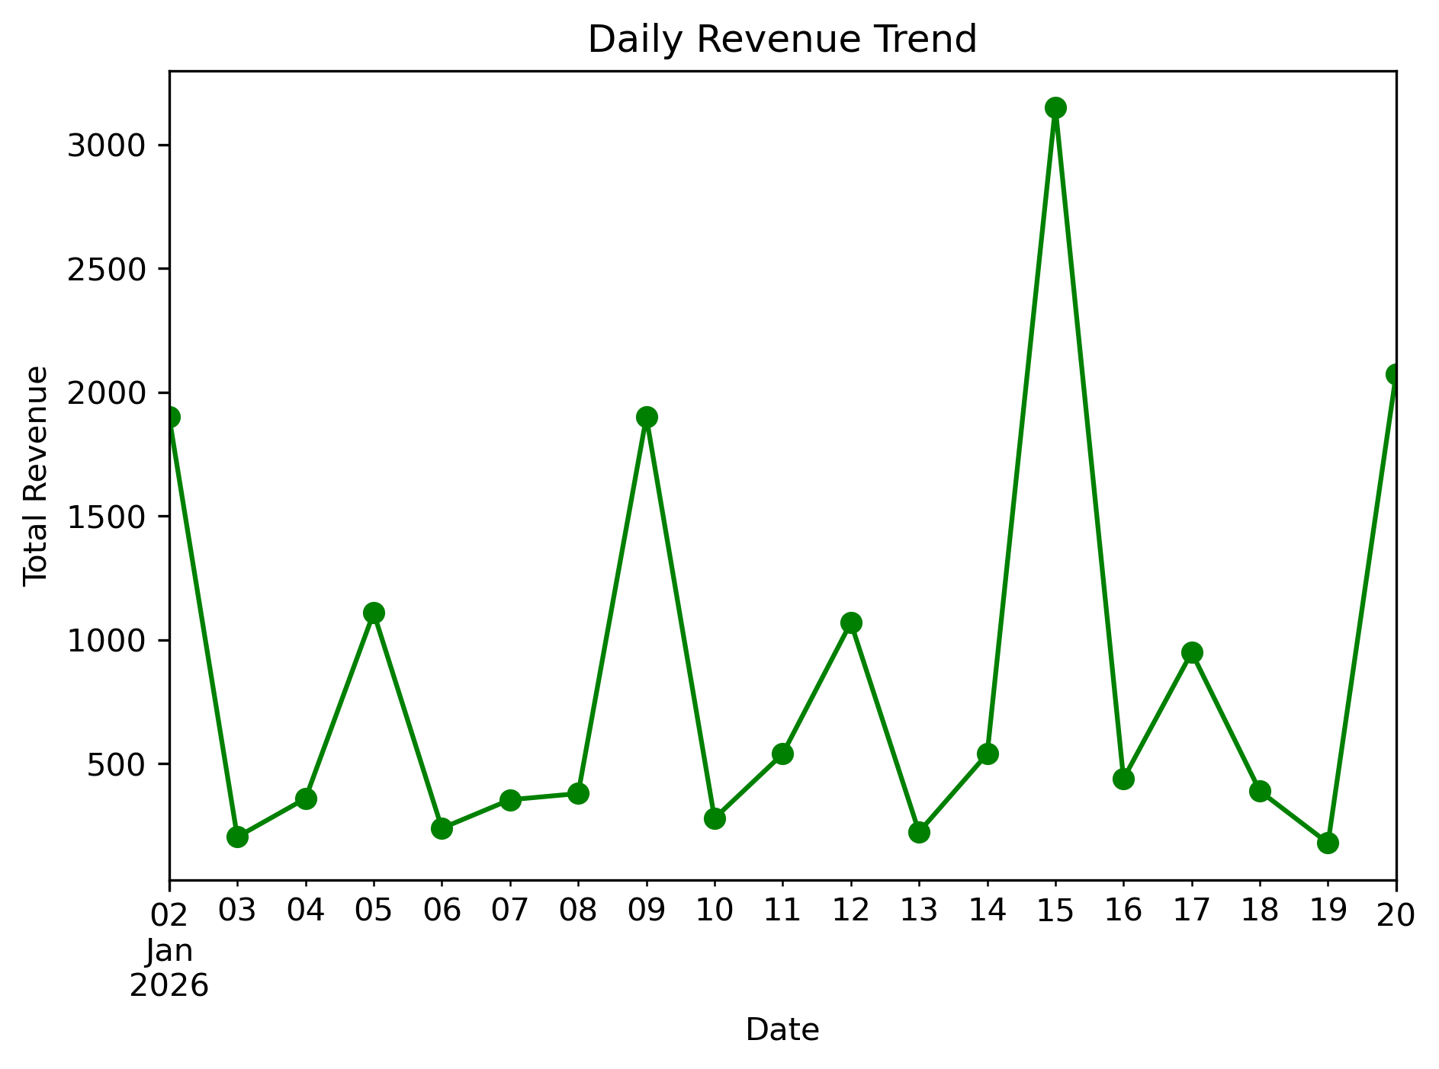
Date | Total_Revenue
2026-01-02 | 1900
2026-01-03 | 205
2026-01-04 | 360
2026-01-05 | 1110
2026-01-06 | 240
2026-01-07 | 355
2026-01-08 | 380
2026-01-09 | 1900
2026-01-10 | 280
2026-01-11 | 540
2026-01-12 | 1070
2026-01-13 | 225
2026-01-14 | 540
2026-01-15 | 3150
2026-01-16 | 440
2026-01-17 | 950
2026-01-18 | 390
2026-01-19 | 180
2026-01-20 | 2075

