Discussion
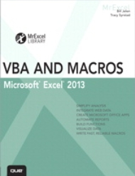
VBA & Macros for Microsoft Excel 2013
Chapter 11- Advanced Filters

This chapter demonstrates a number of different Filters, building to a cool
macro that can create 27 reports in about a minute.

Filters are fast, using built-in functionality from Excel. At MrExcel Consulting,
we use these techniques regularly in our client's reports.

