Sheet1
Can you quantify the time difference in execution as the dataset size grows, between the 2 implementations?

Based on below data and chart, there is a huge performance gain for HashSet data structure (smart) compared to ArrayList(Brute) when data size > 60k

Smart vs Brute (Best)
Smart vs Brute (Avg)
 | smart |  |  | brute
data size | best | worst | avg | best | worst | avg
100 | 0.008 | 0.007 | 0.007 | 0.001 | 0.001 | 0.001
10k | 0.026 | 0.014 | 0.003 | 0.716 | 0.716 | 0
60k | 0.227 | 0.041 | 0.062 | 37.354 | 33.548 | 24.094

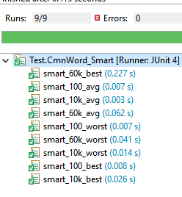
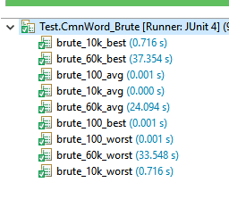

Smart vs Brute (Worst)

