Report
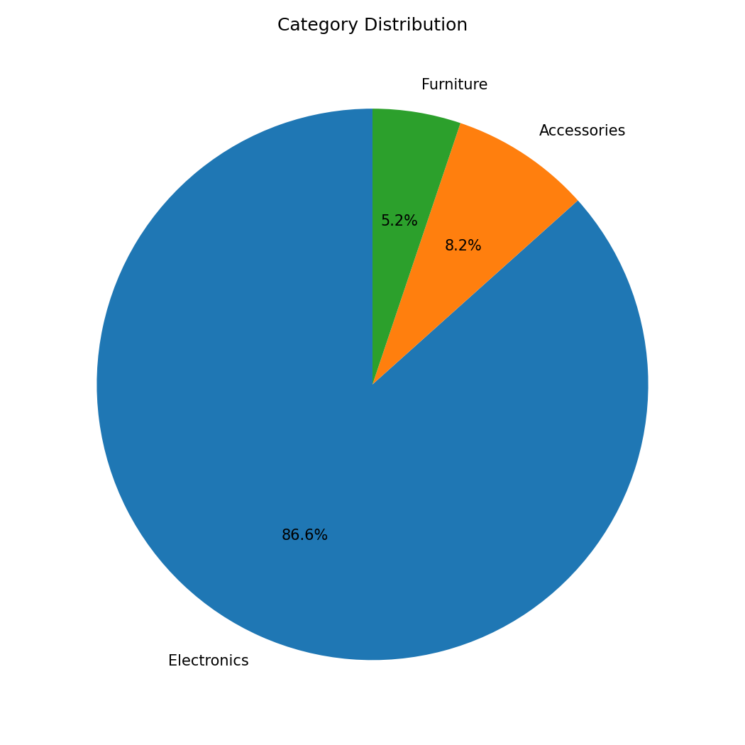
Excel Sales Automation Report

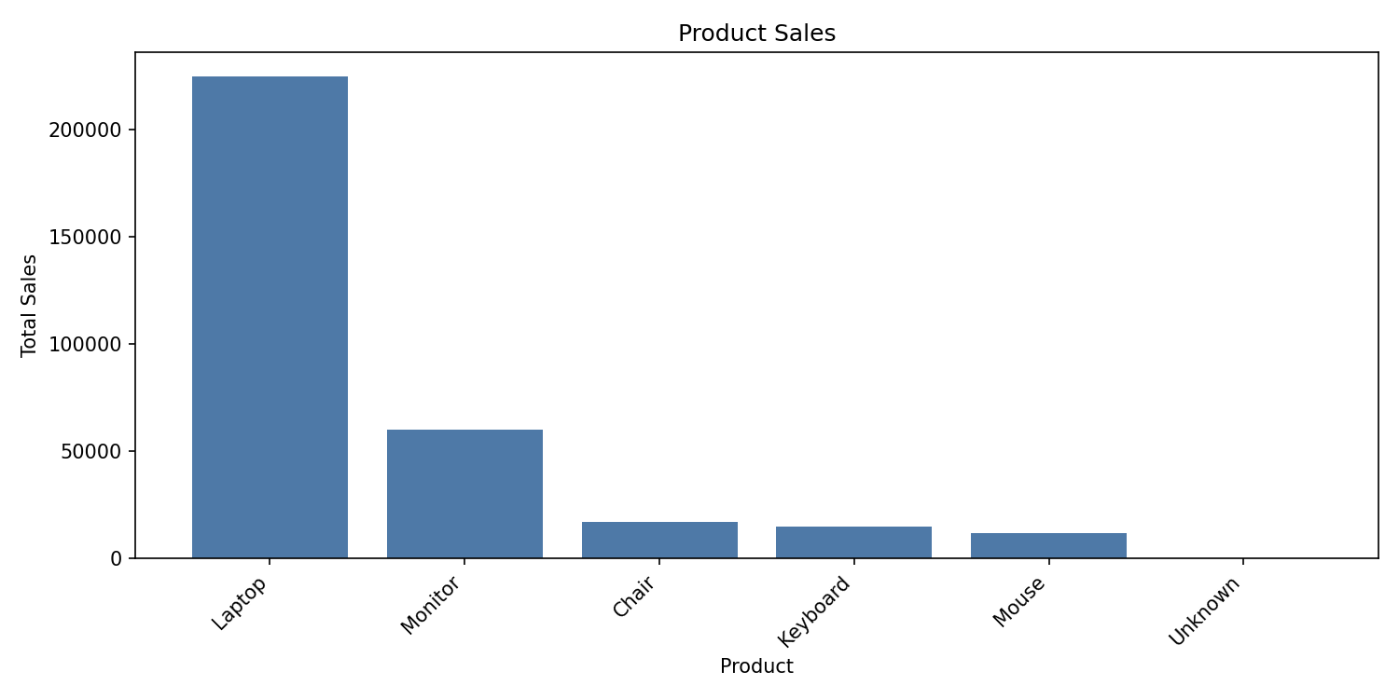
Summary
Total Revenue | 329000
Best Selling Product | Laptop
Top Salesperson | Amit

Sales by Category
Category | Total Sales
Electronics | 285000
Accessories | 27000
Furniture | 17000

