Sales and Product Insights
Sum of Price | Total Revenue
$60,175 | $60,175

Row Labels | Sum of Quantity | Row Labels | Sum of Quantity
Paneer Tikka | 112 | Chinese | 271
Vada Pav | 103 | Indian | 202
Fried Rice | 102 | Fast Food | 192
Burger | 98 | Street Food | 103
Pizza | 94 | Italian | 90
Pasta | 90 | South Indian | 54
Biryani | 90 | Grand Total | 912
Noodles | 90
Spring Roll | 79
Dosa | 54
Grand Total | 912

Row Labels | Sum of Price
Delhi | 10421
Bangalore | 9542
Pune | 9337
Hyderabad | 8688
Chennai | 8470
Kolkata | 7121
Mumbai | 6596
Grand Total | 60175

Delivery & Operations
Average of Delivery_Time (mins)
54.443333333 | 54.44

Row Labels | Average of Delivery_Time (mins)
Bangalore | 52.29
Chennai | 61.95
Delhi | 54.35
Hyderabad | 56.00
Kolkata | 50.08
Mumbai | 48.61
Pune | 56.09
Grand Total | 54.44

Row Labels | Count of Order_ID
Cancelled | 10.67%
Delayed | 18.67%
Delivered | 70.67%
Grand Total | 100.00%

Row Labels | Average of Delivery_Time (mins)
Swiggy | 49.65
Dunzo | 55.04
Zomato | 55.91
Uber Eats | 56.99
Grand Total | 54.44

Customer & Payment
3.71

Row Labels | Count of Order_ID
Cash | 79
Credit Card | 55
Debit Card | 59
Net Banking | 47
UPI | 60
Grand Total | 300

Row Labels | Average of Customer_Rating
Bangalore | 3.69
Chennai | 3.77
Delhi | 3.75
Hyderabad | 3.76
Kolkata | 3.81
Mumbai | 3.73
Pune | 3.50
Grand Total | 3.71

-0.036553562816 | -0.036553562816

Bangalore | 3.69
Chennai | 3.77
Delhi | 3.75
Hyderabad | 3.76
Kolkata | 3.81
Mumbai | 3.73
Pune | 3.50

Cash | 79
Credit Card | 55
Debit Card | 59
Net Banking | 47
UPI | 60

Delivey Time & Rating Relation
 | Customer_Rating
81 | 3
58 | 5
77 | 1
89 | 2
36 | 3
31 | 2
31 | 4
70 | 3
59 | 4
42 | 5
49 | 4
38 | 3
86 | 5
30 | 5
87 | 4
39 | 5
30 | 5
22 | 2
24 | 5
77 | 4
39 | 5
78 | 3
52 | 5
89 | 5
48 | 3
76 | 3
48 | 4
46 | 3
20 | 4
75 | 1
28 | 5
21 | 3
59 | 3
48 | 5
61 | 3
55 | 3
82 | 5
65 | 4
48 | 4
28 | 4
24 | 2
82 | 4
72 | 4
72 | 4
54 | 4
75 | 2
34 | 4
70 | 5
23 | 3
29 | 3
...

Dashboard
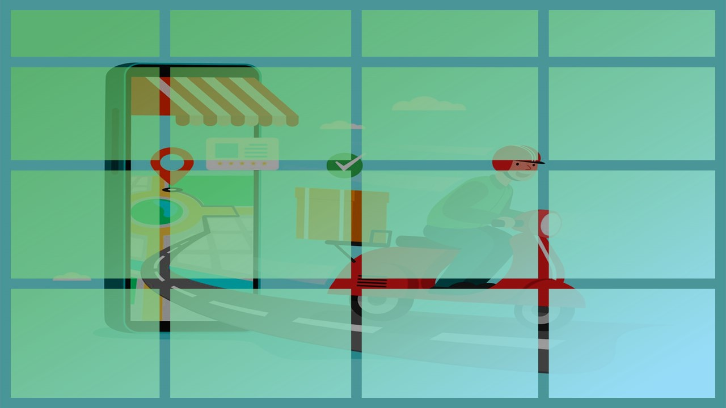
FOOD DELIVERY
Total Revenue
Average Delivery Time
Average Customer Rating
$60,175
54.44
Minutes
3.71
Sales & Products
Selling Products
 | Total
Chinese | 271
Indian | 202
Fast Food | 192
Street Food | 103
Italian | 90
South Indian | 54
 | Total
Delhi | 10421
Bangalore | 9542
Pune | 9337
Hyderabad | 8688
Chennai | 8470
Kolkata | 7121
Mumbai | 6596
Top Selling Product: Paneer Tikka has the highest number of sales. Top Selling Category: Chinese Cuisine is the most populal category
Top City: Delhi contributes much to sales
 | Total
Paneer Tikka | 112
Vada Pav | 103
Fried Rice | 102
Burger | 98
Pizza | 94
Pasta | 90
Biryani | 90
Noodles | 90
Spring Roll | 79
Dosa | 54

Delivery & Operations
 | Total
Bangalore | 52.29
Chennai | 61.95
Delhi | 54.35
Hyderabad | 56.00
Kolkata | 50.08
Mumbai | 48.61
Pune | 56.09
 | Total
Cancelled | 10.67%
Delayed | 18.67%
Delivered | 70.67%
 | Total
Swiggy | 49.65
Dunzo | 55.04
Zomato | 55.91
Uber Eats | 56.99
Quickest City: Mumbai delivers the orders quickly. Success Delivery Status: 70.67% of orders are delivered successfully
Fatest Delivery Partner: Uber delivers fastly

Customer & Payment
Payment Methods
Customer Ratings
Link Between Delivery Time & Customer Ratings
Preferred Payment MethodL: Cash payments are preferred Customer Rating by City: Kolkata has the highest ratings from customers
Bangalore | 3.69
Chennai | 3.77
Delhi | 3.75
Hyderabad | 3.76
Kolkata | 3.81
Mumbai | 3.73
Pune | 3.50
Correlation Coefficient = - 0.036553563
Negative correlation between delivery time and customer rating indicates when delivery time increases, customer satisfaction (rating) tends to decrease.

