Dashboard
PIZZA SALES ANALYSIS DASHBOARD

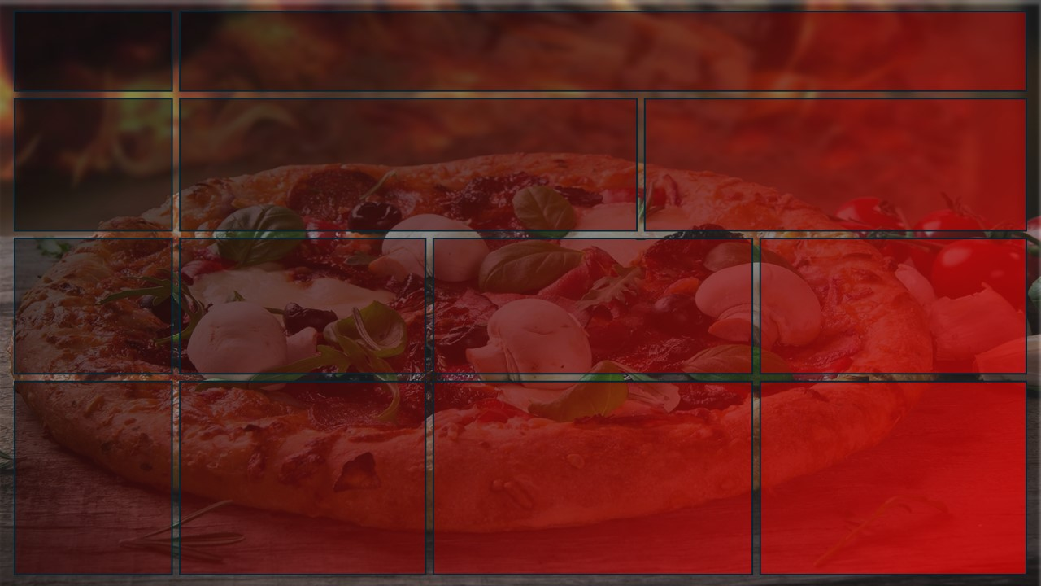
Total Revenue
Total Revenue
Avg Order Value
Total Pizza Sold
Total Orders
Avg Pizza Per Order
PIZZA SALES
$817,860
$38.31
49574
21350
2.32

Busiest Days and Times
Daily Trend for Total Orders
 | Total
9 AM | 1
10 AM | 8
11 AM | 1231
12 PM | 2520
1 PM | 2455
2 PM | 1472
3 PM | 1468
4 PM | 1920
5 PM | 2336
6 PM | 2399
7 PM | 2009
8 PM | 1642
9 PM | 1198
10 PM | 663
11 PM | 28
Hourly Trend for Total Orders
 | Total
Sunday | 2624
Monday | 2794
Tuesday | 2973
Wednesday | 3024
Thursday | 3239
Friday | 3538
Saturday | 3158
DAYS: Orders are highest on Friday & Saturday Evenings
TIMES: Maximum orders are placed between 12 to 1 PM and between 5 to 8 PM

Sales by Category and Size
Percentage of Sales by Category
 | Total
Large | 0.45890333024
Medium | 0.30492044421
Regualr | 0.21773468411
X-Large | 0.0172107685
XX-Large | 0.0012307729425
Total Orders by Category
CATEGORY: Maximum sales & Total orders are contributed by category Classic
SIZE: Maximum sales & Total orders are contributed by size Large
 | Total
Chicken | 0.23955137532
Classic | 0.26905960231
Supreme | 0.25456311211
Veggie | 0.23682591026

Best & Worst Pizza
Best 5 Pizzas by Quantity sold
Worst 5 Pizzas by Quantity sold
BEST: Classic Deluxe and Barbecue Chicken are the best sellers and revenue generators
WORST: Brie Carre is the worst seller with less revenue generation
 | Total
The Thai Chicken Pizza | 2371
The Pepperoni Pizza | 2418
The Hawaiian Pizza | 2422
The Barbecue Chicken Pizza | 2432
The Classic Deluxe Pizza | 2453
 | Total
The Brie Carre Pizza | 490
The Mediterranean Pizza | 934
The Calabrese Pizza | 937
The Spinach Supreme Pizza | 950
The Soppressata Pizza | 961

 | Created by Pavithra Rajendran | March 2025

