Sheet1
Workload | DRAM parameters | Measured IPC | Reasoning | Motivation for running this
cacheoccupy_stride_stream | tCAS=tRP=tCAS=12.5ns | 0.195919 | DBUS_CONGESTED: 0 | Baseline | IPC in both cases <1 even though we have an OOO -> mainly because the cache is not being used enough because of the program and stalling for DRAM access. The number of L2 reads is higher for stride (and so are the misses and avg latency) hence the lower IPC.
cache_miss_random | tCAS=tRP=tCAS=12.5ns | 0.365855
cacheoccupy_stride_stream | 4x tCAS (Column Access) | 0.0619224 | Delay amplified since reading from sense amplifiers occurs more often than precharge/activation? | Varying Timing Parameters
 | 4x tRP (Row Precharge) | 0.155748 | Since row management policy is same and Activation,Precharge pattern would be identical both these params affect IPC the same extent
 | 4x tRCD (Row to Columns Delay, measures Activation) | 0.155748
cacheoccupy_stride_stream | All Row Buffer Misses | 0.0862821 | Reduced IPC, because in strided access there is possibility of exploting locality | Importance of Row Buffer hits/ management policy i.e When to replace contents of row buffer? Since we want to reuse the loaded buffer for all relevant col accesses
cache_miss_random | All Row Buffer Misses | 0.365832 | No reduction in IPC, workload does not leverage locality. Buffer management does not have any impact
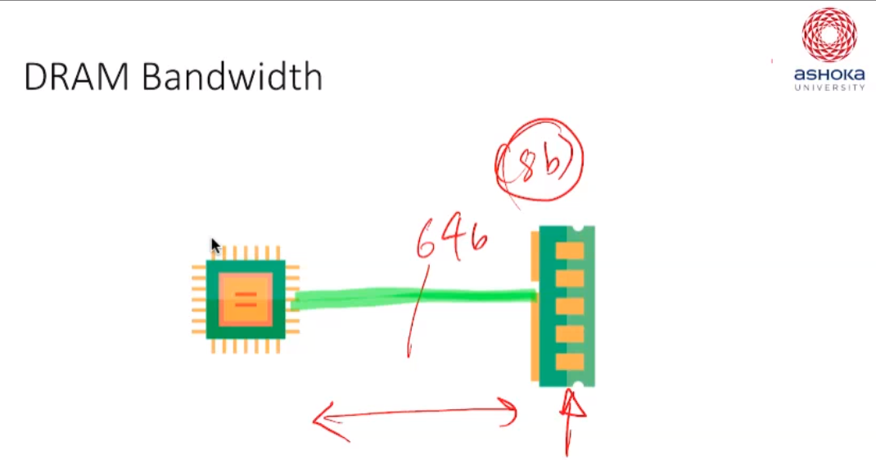
cacheoccupy_stride_stream | DRAM CH WIDTH 8B -> 1B | 0.168154 | DBUS_CONGESTED: 64828. 15% IPC reduction because of bus stalls, but shouldn't it be more? Bus was underutilized in the first place | Varying DRAM Bus Width

