Sheet1
Frequency VARIATION
 | GPU2 | GPU3 | GPU4
case 33 |  | 1432
case 34 |  | 1455 | 1413
case 35 | 1447 | 1455 | 1413
Kernel runtime variation
 | GPU2 | GPU3 | GPU4
case 33 |  | 2300.11
case 34 |  | 2271.69 | 2330.9
case 35 | 2281.26 | 2270.57 | 2331.66
Frequency

Case | GPU2 | GPU3 | GPU4
case 33 |  | 1432
case 34 |  | 1455 | 1413
case 35 | 1447 | 1455 | 1413

Power

Case | GPU2 | GPU3 | GPU4
case 33 |  | 295.833
case 34 |  | 296.046 | 295.821
case 35 | 295.581 | 296.087 | 295.525

Kernel Runtime
POWER VARIATION
 | GPU2 | GPU3 | GPU4
case 33 |  | 295.833
case 34 |  | 296.046 | 295.821
case 35 | 295.581 | 296.087 | 295.525
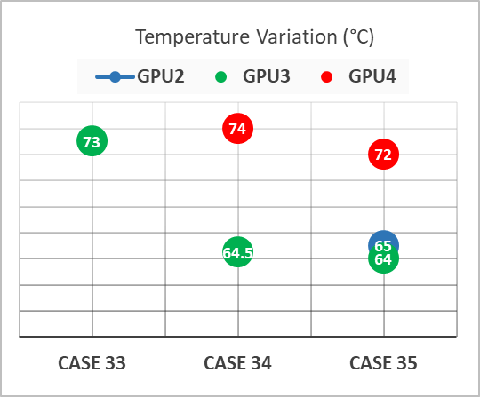
Case | GPU2 | GPU3 | GPU4
case 33 |  | 2300.11
case 34 |  | 2271.69 | 2330.9
case 35 | 2281.26 | 2270.57 | 2331.66

Sheet3
1 | 0
2 | 0
2 | 1
3 | 0 |  |  |  | GPU2 | GPU3 | GPU0 | GPU1
3 | 1
3 | 2
4 | 0
Frequency variation
 | GPU0 | GPU1 | GPU2 | GPU3
Case 1 | 2316.27755
Case 2 | 2320.884525 | 2274.62075
Case 3 | 2325.90505 | 2276.149275 | 2264.157425
Case 4 | 2324.2206 | 2275.05115 | 2264.4855 | 2317.5748
4 | 1
4 | 2
4 | 3

 | GPU0 | GPU1 | GPU2 | GPU3
Case 1 | 2316.27755
Case 2 | 2320.884525 | 2274.62075
Case 3 | 2325.90505 | 2276.149275 | 2264.157425
Case 4 | 2324.2206 | 2275.05115 | 2264.4855 | 2317.5748

 | GPU0 | GPU1 | GPU2 | GPU3
14 | 2312.0378
15 |  | 2272.79665
16 |  |  | 2266.12335
17 |  |  |  | 2315.46655

