Environment used
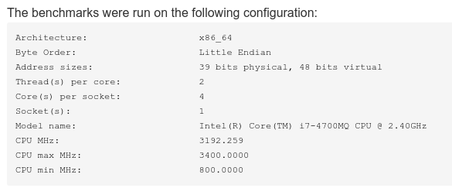

Metrics and Observations (Runtime,threads)

Metrics
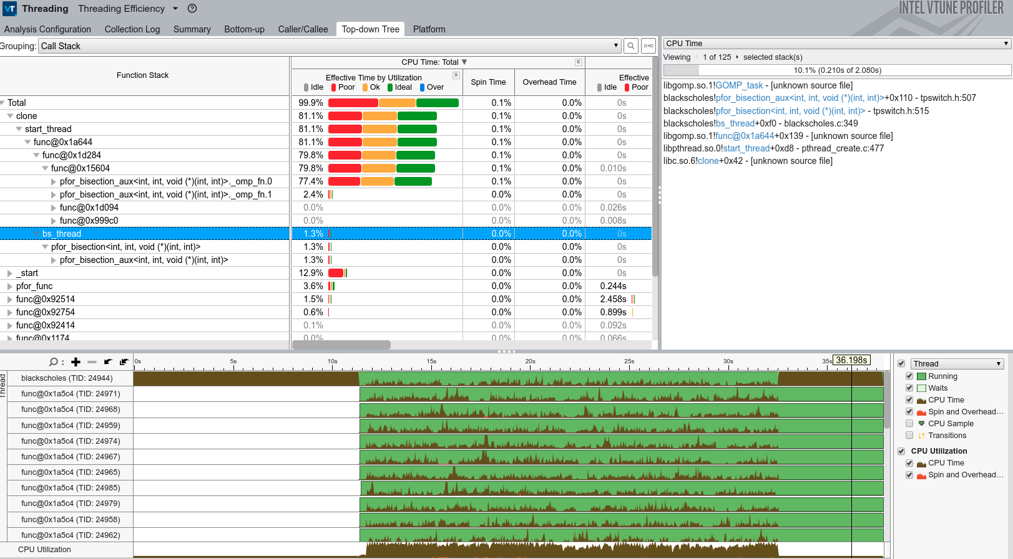
Execution time distribution (freqmine when logical CPU=8)
 |  |  | Runtime reported by PARSEC logs |  |  |  |  | Intel VTUNE |  | HPCToolkit (Approach/flow seems similar to vTune) | Score-P (uses Compiler instrumentation, flags needed in source code)
Workload | tp-parsec cmd for task_omp | Number of threads (-n/ OMP_NUM_THREADS) | real (cmd invocation to termination) | user (program was running on the CPU) | sys (program was waiting for OS to perform tasks for it) | user+sys (if less than real, it means multiple threads) | real - (user+sys) (rough approximate of parallelization) | Utilization | Threads | TBD | TBD
blackscholes (100x10^7 nested loop with grain size 10k) | -a build run -p blackscholes -c gcc-task_omp -i native -n 4 | 1 | 74.68 | 73.89 | 0.32 | 74.21 | 0.47
 |  | 2 | 48.06 | 80.08 | 0.38 | 80.46 | -32.4
 |  | 4 | 38.58 | 80.82 | 0.44 | 81.26 | -42.68
 |  | 8 | 34.25 | 111.2 | 0.54 | 111.74 | -77.49 | Image 2 | Image 1
 |  | 16 | 35.84 | 167.77 | 0.77 | 168.54 | -132.7
 |  | 32 | 35.02 | 168.11 | 0.76 | 168.87 | -133.85 | Img9 | Img10
bodytrack (5 for loops) | -a build run -p bodytrack -c gcc-task_omp -i native -n 4 | 1 | 110.48 | 109.88 | 0.57 | 110.45 | 0.03
 |  | 2 | 108.64 | 111.36 | 0.8 | 112.16 | -3.52
 |  | 4 | 46.03 | 130.08 | 0.83 | 130.91 | -84.88
 |  | 8 | 53.04 | 286.67 | 1.55 | 288.22 | -235.18
 |  | 16 | 42.96 | 300.92 | 3.72 | 304.64 | -261.68
 |  | 32 | 41.61 | 294.91 | 4.9 | 299.81 | -258.2
freqmine (7 loops with grain size 1) | -a build run -p freqmine -c gcc-task_omp -i native -n 4 | 1 | 377.82 | 376.96 | 0.54 | 377.5 | 0.32 | Img5 (As expected there is only 1 core utilised) | Img6 (the bisection is still present, for grain=1 I wasn't expecting them)
 |  | 2 | 342.5 | 424.03 | 0.71 | 424.74 | -82.24
 |  | 4 | 211.89 | 470.95 | 1.04 | 471.99 | -260.1
 |  | 8 | 134.91 | 622.7 | 1.71 | 624.41 | -489.5 | Img3 | Img4
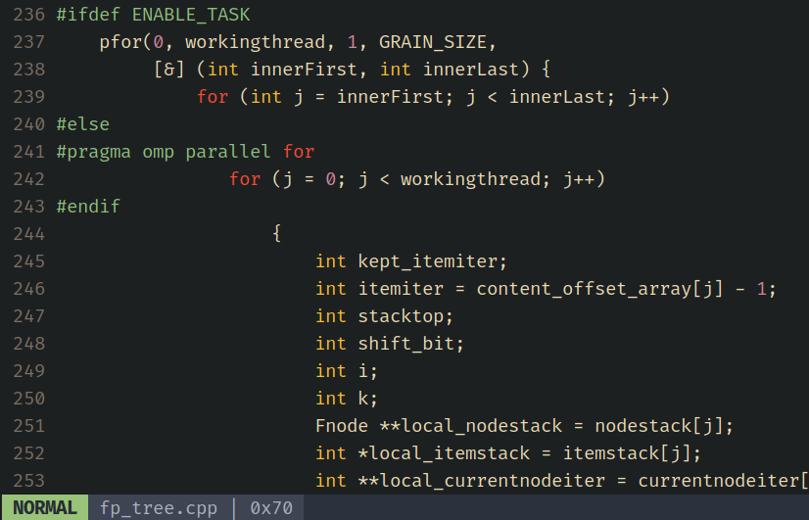
 |  | 16 | 157 | 1157.14 | 2.77 | 1159.91 | -1002.91 |  |  |  | "Parallell for" vs "Task pfor" in the source code of freqmine
 |  | 32 | 157.56 | 1162.42 | 3.29 | 1165.71 | -1008.15 | Img8 | Img7 (Thread oversubscription because logical cpu count is 8, also all 8 threads are more utilised than other experiments)

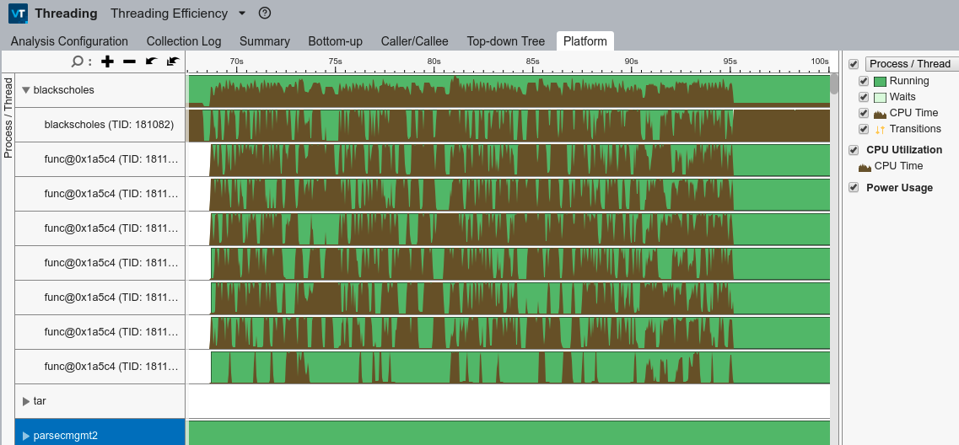
Image 1

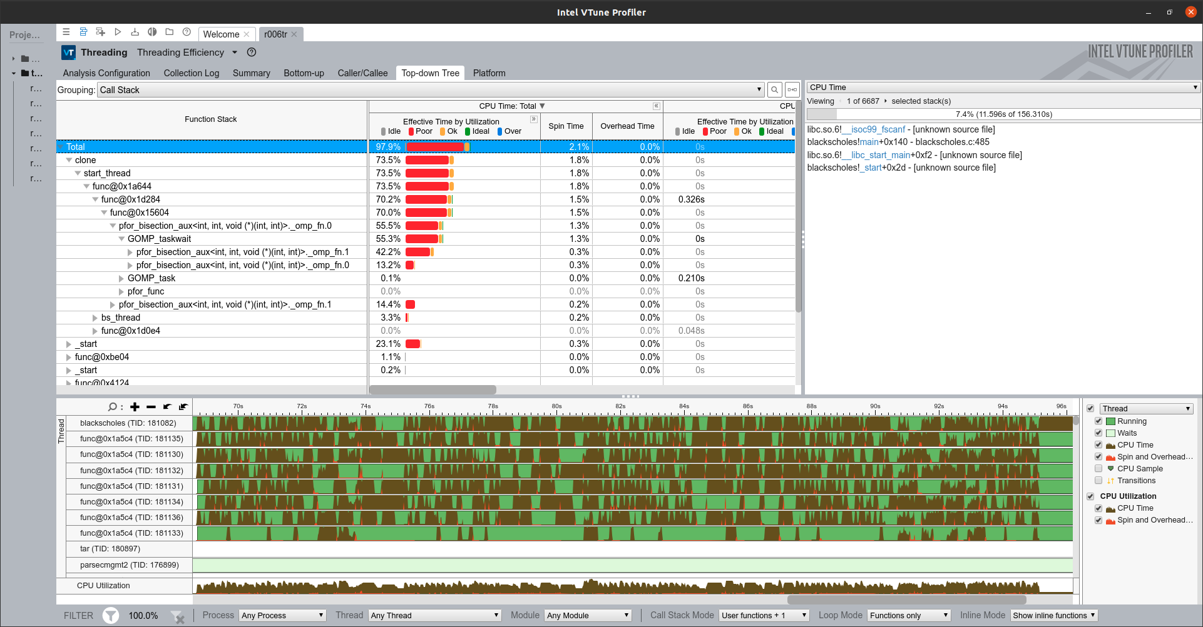
Image 2

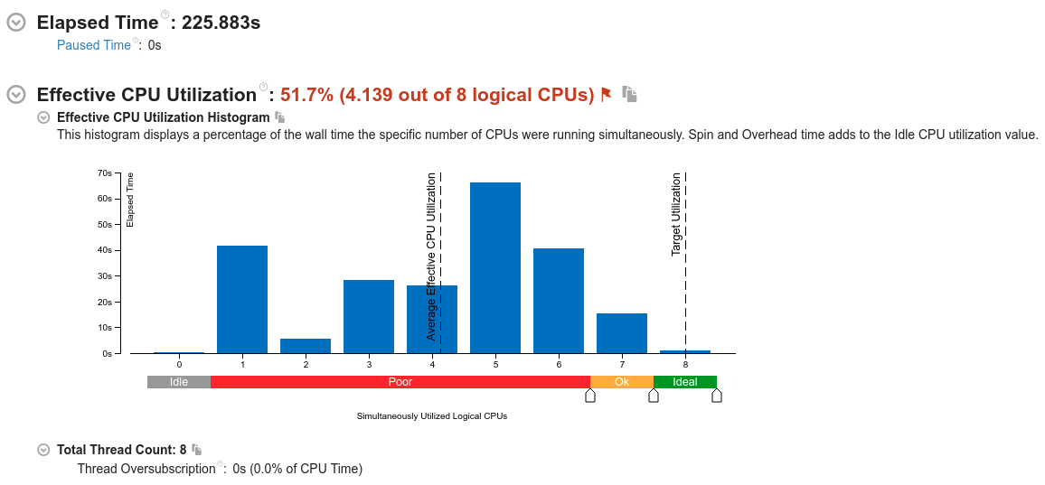
Img3

Img4

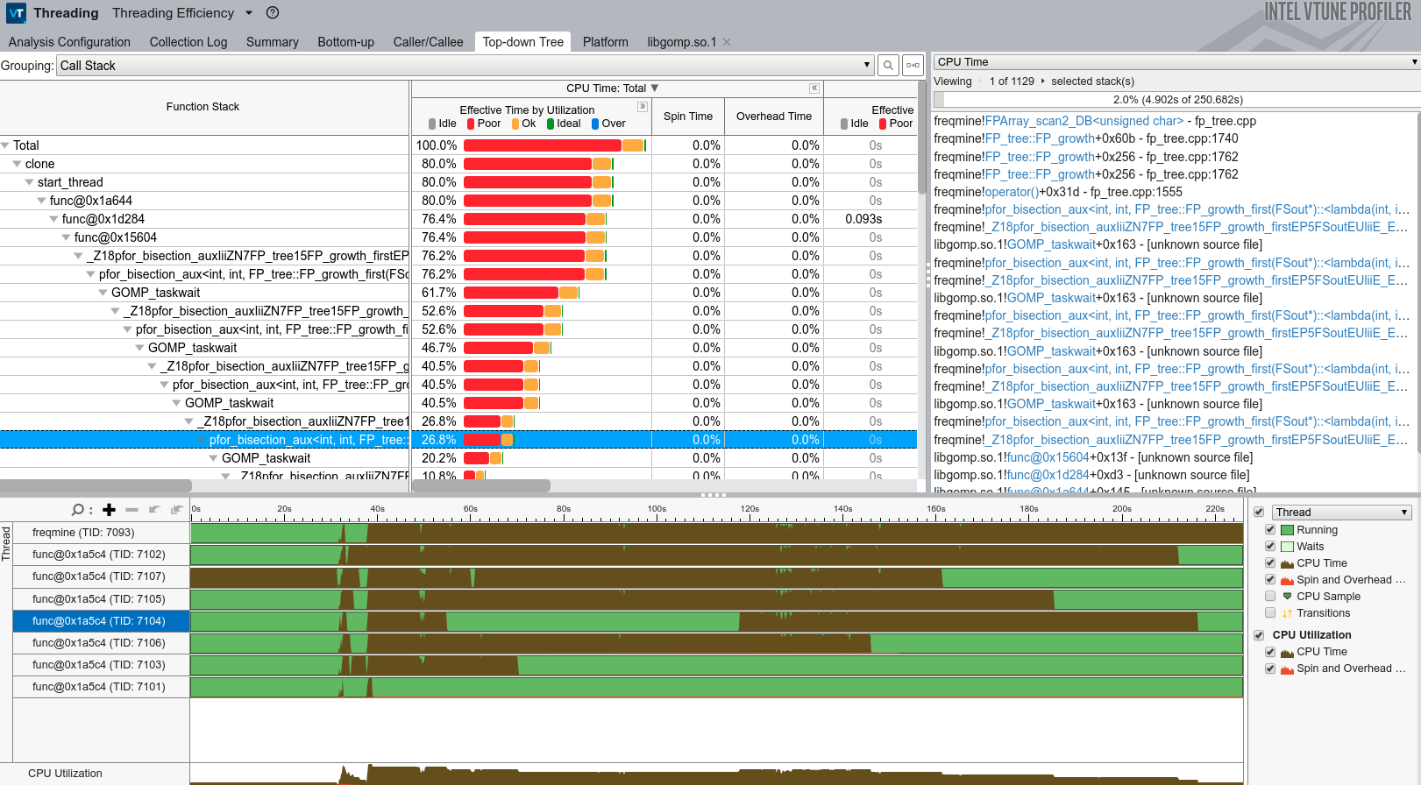

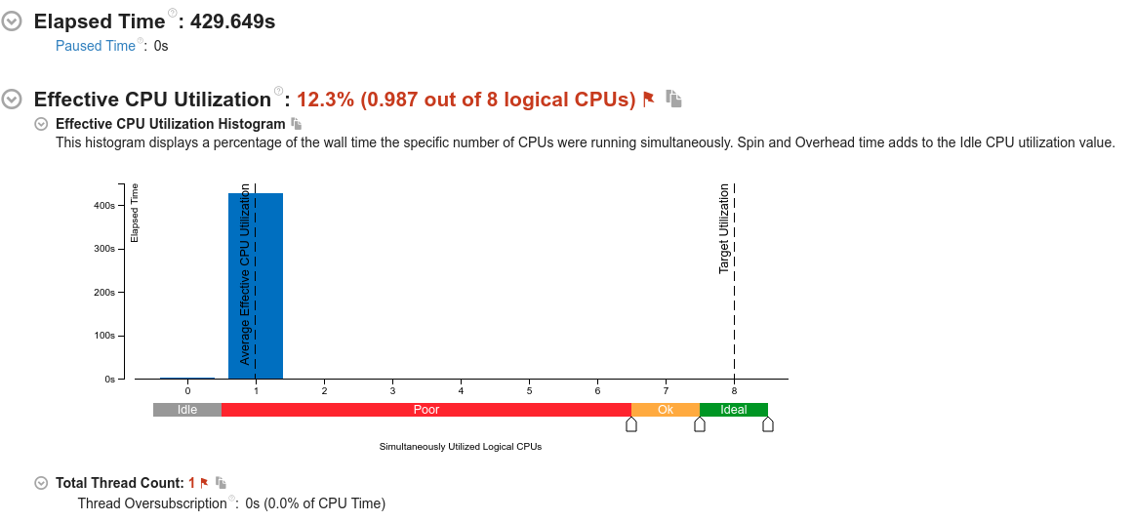
Img5

Img6

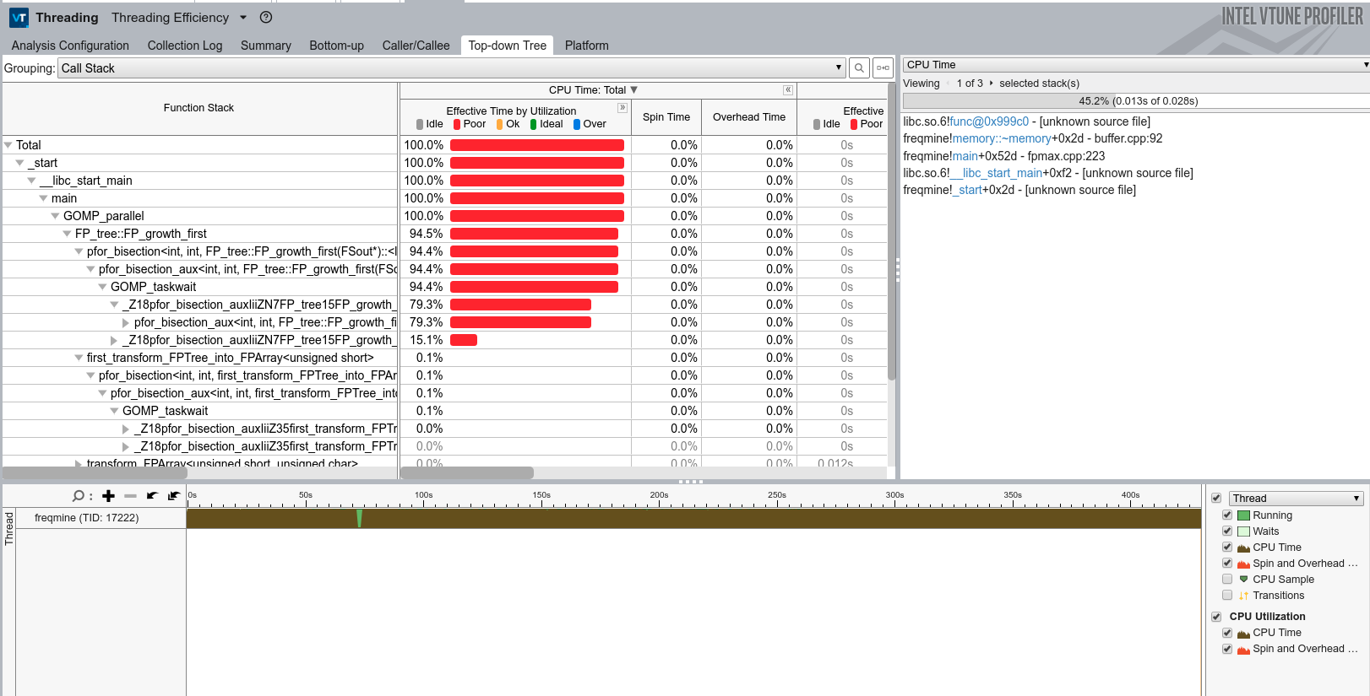

Img7
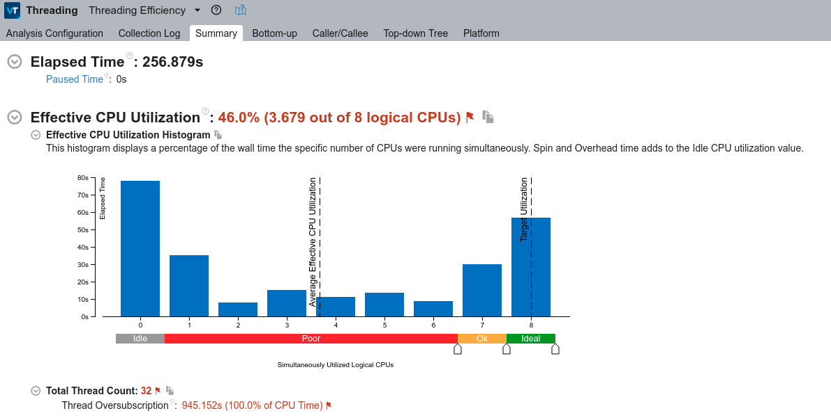

Img8

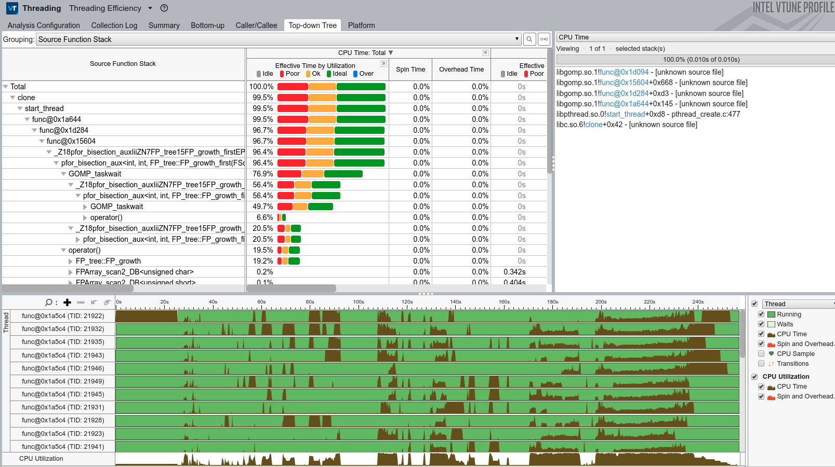

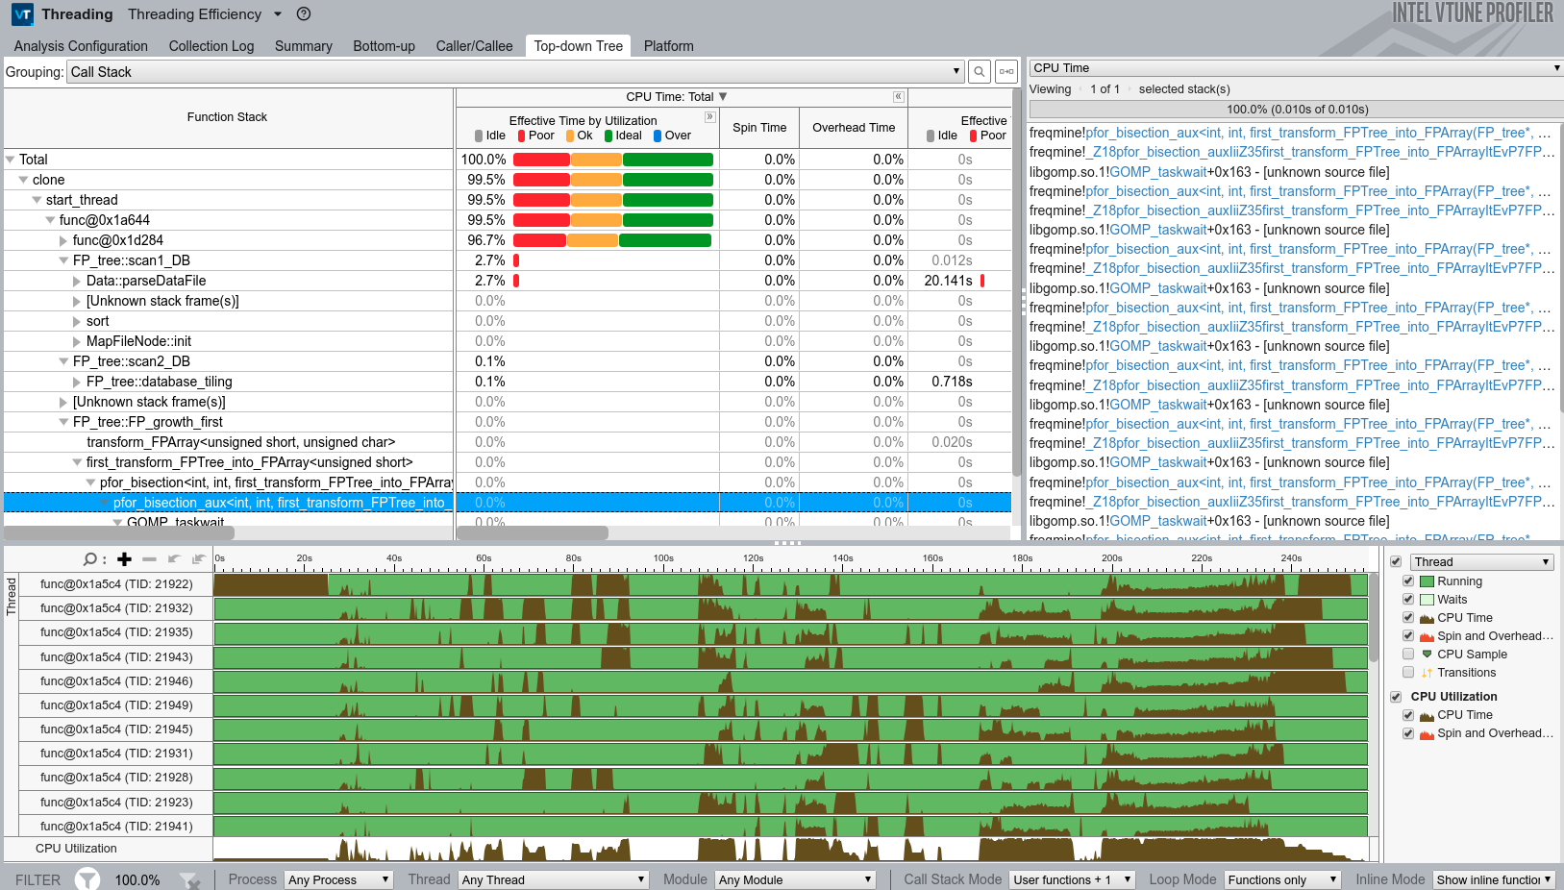

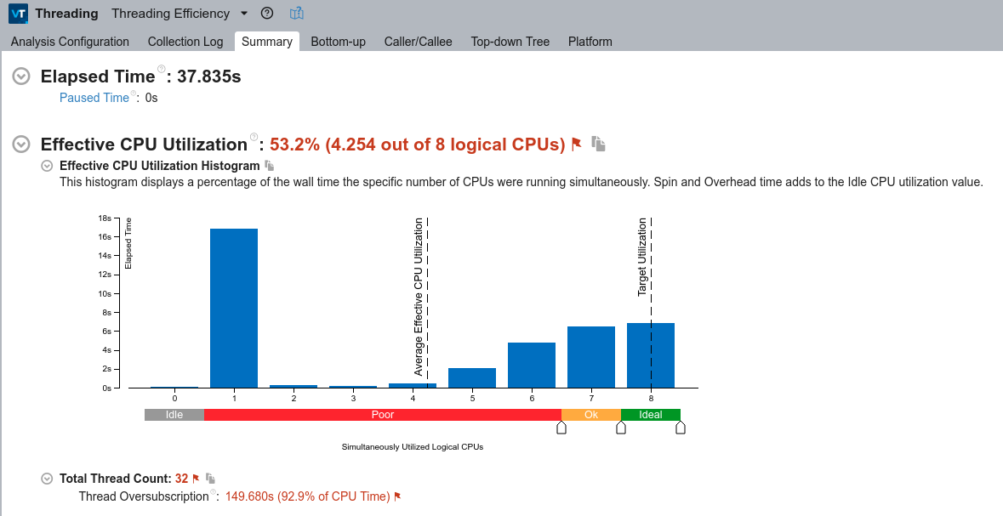
Img9

Img10

