Linear_Reg
 |  | Steps involved in ML:
 | Business case understanding | problem identification
 |  | identify dependent and independent variables
 | Pre-processing | outlier treatment
 |  | missing value imputation
 |  | variable transformation
 |  | dummy variable creation
 |  | Dimentionality reduction
 | model building, tetsing and tuning | split data into training and testing set
 |  | build model on training set
 |  | test model on test set
 |  | model refinement/hyperparameter tuning

 | Regression : | statistical technique to find mathematical relation between dependent and independent variables | ex. Y = m X + c
 |  |  | Y is dependent variable | Endogeneous variable | Target var. | Response variable
 | we have to find m and c value for our model |  | X is independent variable | Exogeneous variables | Predictor variable

 | Linear Regression | when the target variable is continuous in nature
 |  | continuous variables: which can take infinite number of values for a given range (between start and stop values)
 |  | categorical variables: which can accept only discrete values

 | Assumptions: | 1. there should be a linear relationship b/t depepndent and independent var.
 |  | 2. data should be NORMALLY distributed
 |  | 3. there should be NO missing value present in dataset
 |  | 4. there should be NO outlier present in dataset
 |  | 5. there should be NO or min. Multicollinearity present in dataset
 |  | 6. there should be no Hetroscadasticity present in dataset

 | Hetroscadasticity | ideally, error term should be constant w.r.t. predictors

 |  |  |  |  |  |  |  | if p is high; NULL will fly
 |  |  |  |  |  |  |  | if p is low NULL will go

 |  |  | H0 for Linear Regression model: |  | all the coeff. Of the model are zero (the predictive power of the model is zero)

 |  |  |  | p-value is low: |  | H0 rejected
 |  |  |  | p-value is high: |  | H0 accepted |  | p is low | p high
 |  |  |  |  |  |  | T stats | high | low
 |  |  |  |  |  |  | F stats | high | low
 |  |  | t = coef. / std. error

 | Linear reg. is based on OLS (Ordinary Least square) method |  |  |  | y = m1*x1 + m2*x2+….

 |  |  |  |  | y = b1*x1 + b2*x2+….
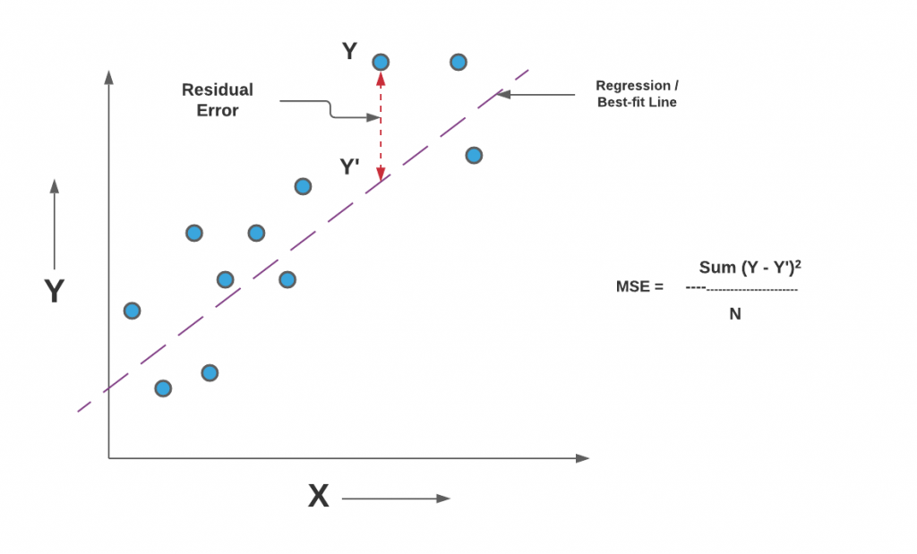

 |  |  |  | the cost function or loss function for Linear reg. is MSE

 |  |  |  | MSE | Mean Squared Error

 | missing value imputation | for continuous var. | for categorical var.
 |  | if the distribution is normal then MEAN of that var. can be used for imputation | MODE
 |  | if the distribution is not normal (i.e. we have skewed distribution) then MEDIAN can be used for imputation
 |  | other method for imputation can be KNN imputation

 | outlier treatment | IQR method | max. value > (Q3+1.5*IQR) or min value<(Q1-1.5*IQR) then cap max and min values to this limit
 |  | Standard deviation method | 2.5 sd or 3 sd
 |  | Winsorization method (1st and 99th percentile) or (5th and 95th percentile) | capping the max and min value to 99th and 1st percentile respectively
 |  | Detect: BOX plot, generate the flag

 | concept of dummy variables | for nominal categorical varible
 |  | = (n-1)

 | ex. 2 dummy variables for 3 nominal categorical variable | city type | tier_1 | tier_2
 |  | metro | 0 | 0
 |  | tier1 | 1 | 0
 |  | tier2 | 0 | 1

 | Model Performance/Evaluation metrics:

1 | R-square; = (SSE with no-slope - SSE with best fit line) / SSE with no-slope | How much variation can be explained by model considering all the variables whether significant or not.
 | value in b/t 0 and 1

2 | adjusted R Square | How much variation can be explained by model considering only significant variables. | R2 will always greater than adj. R2
 |  | the difference b/w Rsquare and adj R square not more than 2 to 3 %

 | Variance Inflation Factor (VIF) | It tells, how much variance has been increased when variables are correlated compare to when they were un-correlated. Ideally it should be 1, but upto 2 or 3 is also acceptable.
 |  | formula = 1/(1-R2)

 | Multicollinearity: | Multicollinearity is a statistical concept where several independent variables in a model are correlated.
 |  | Two variables are considered to be perfectly collinear if their correlation coefficient is +/- 1.0.
 |  | Multicollinearity among independent variables will result in less reliable statistical inferences.
 |  | It is better to use independent variables that are not correlated or repetitive when building multiple regression models that use two or more variables.
 |  | The existence of multicollinearity in a data set can lead to less reliable results due to larger standard errors.

 |  | detection: correlation matrix, VIF value
 |  | how to avoid: drop insignificant variables
 |  | what if multicollinearity exists in final model?

