conti_cat_variables
1 | continuous data |  | it can be measured and calculated |  |  | 10 to 20
 |  |  |  | continuous | fraction also accepted | can accept any value for the given range |  |  | 10 to 12 ….how many values? ----- infinite values
 |  |  |  |  |  | 10,10.2,13,19.99999
2 | Catgorical data |  | it is non-numeric. It can be observed but not measured
 |  | ordinal | ex. Shirt size (s,m,l,xl) | Discrete? | only integers | can accept only integer values for given range
 |  | nominal | ex. Color of shirt(black,red,blue)

3 | continuous data | ordinal data | nominal data | categorical data
 | mean | mode | mode | nomial | color |  | ordinal | size of shirt
 | median | median |  |  | black |  |  | s
 | mode |  |  |  | red |  |  | m | s<m<l….
 | std |  |  |  | blue |  |  | l
 | variance |  |  |  | … |  |  | xl
 | sum |  |  |  |  |  |  | xll
 |  |  |  |  |  |  |  | ..
 |  |  |  | ex. : | Defaulter | yes / no
4 | Types of statistics | descriptive |  | 1 | yes
 |  | inferential |  | 2 | no
 |  |  | 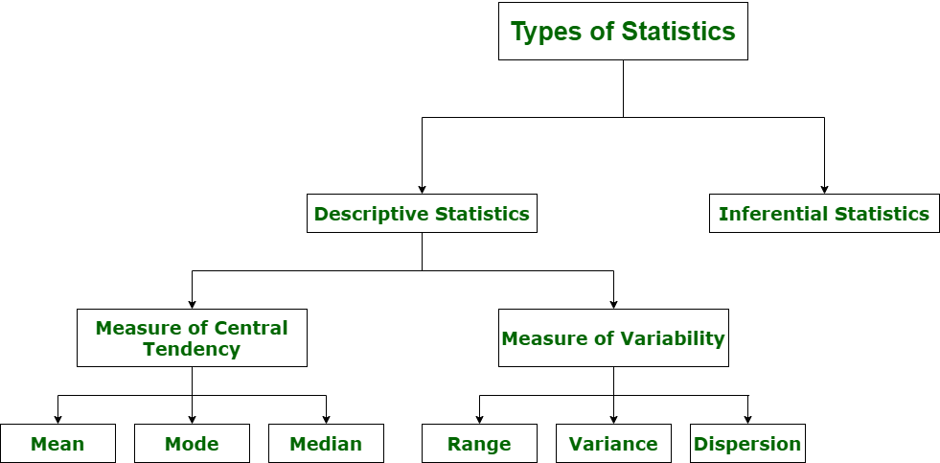 | 3 | no
 |  |  |  | 4 | no
 |  |  |  | … | …

 |  |  |  | ex. | jersy_number
 |  |  |  | 1 | 32
 |  |  |  | 2 | 11
 |  |  |  | 3 | 19
 |  |  |  | 4 | 55
 |  |  |  | 5 | 101
 |  |  |  | 6 | 21
 |  |  |  | 7 | 99
 |  |  |  | 8 | 51
 |  |  |  | … | …

quantile
 | Mean | Median | Mode
 | average | positional average | frequencial average |  |  | mean vs median ---- why require both? |  |  | mean | avg. |  | student1 | student2 | mean is affected by outliers, meadian is not
21 | 25.083333333 | 23.5 | 21 |  |  |  |  |  |  |  |  | 33 | 10
21 |  |  |  |  |  | which one is more robust? That is less affected by outliers |  |  |  |  |  | 37 | 10
21 |  |  |  |  |  |  |  |  |  |  |  | 30 | 80
23 |  |  |  |  |  | mean = 25.08 |  |  | median | middle value
24 |  |  |  |  |  |  |  |  |  |  | mean = | 33.3 | 33.3
25 |  |  |  |  |  |  |  |  |  |  | median = | 33 | 10
23
28 |  |  |  |  |  |  |  |  | mode | most frequent value
29
30
23 |  |  |  |  |  |  |  | Outliers |  | data point which is very much different from other data points
33
 |  |  |  |  |  |  |  |  | emp | salary
 |  |  |  |  | mean |  |  |  | se1 | 50k
 | ex. Datapoints: 3, 7, 8, 5, 12, 14, 21, 13, 18 |  |  |  | 11.222222222 |  |  |  | se2 | 51.2k
 |  |  |  |  |  |  |  |  | se3 | 48k
 | median: 1. arrange data in increasing order |  | 3,5,7,8,12,13,14,18,21 |  |  |  |  |  | se4 | 52.4k
 | 2. identify the number of obs. |  | n = 9 (odd) |  |  |  |  |  | se5 | 55k
 | 3. median value will be at = (n+1)/2 |  | 5th value = 12 is median |  |  |  |  |  | se6 | 49.5k
 |  |  |  |  |  |  |  |  | se7 | 52.2k
 |  |  |  |  |  |  |  |  | se8 | 51k
 |  |  | 3,5,7,8,12,13,14,18,21,25 |  |  |  |  |  | e9 | 1.2L
 |  |  | n = 10 (even) |  |  |  |  |  | e10 | 15L
 | 3. median value = mean of (n/2)th value and (n/2 + 1) th value |  | mean of 12 and 13 = 12.5 is the median

 | Quartiles | Quantile : divide the distribution into four equal parts |  |  | Percentile : divide the distribution into hundred equal parts |  | Decile : divide the distribution into ten equal parts

 |  | The lower half of a data set is the set of all values that are to the left of the median value when the data has been put into increasing order.

 |  | The upper half of a data set is the set of all values that are to the right of the median value when the data has been put into increasing order.

Q1: 25% data covered
Q2:( Median ) : 50% data |  | The first quantile, denoted by Q1 , is the median of the lower half of the data set. This means that about 25% of the numbers in the data set lie below Q1 and about 75% lie above Q1 .
Q3: 75% data |  | The third quantile, denoted by Q3 , is the median of the upper half of the data set. This means that about 75% of the numbers in the data set lie below Q3 and about 25% lie above Q3

 |  | ex.1 Find the first and third quartiles of the data set {3, 7, 8, 5, 12, 14, 21, 13, 18}. First, we write data in increasing order: 3, 5, 7, 8, 12, 13, 14, 18, 21. the median is 12. Therefore, the lower half of the data is: {3, 5, 7, 8}. The first quartile, Q1, is the median of {3, 5, 7, 8}.

 |  | ex.2. Find the first and third quartiles of the set {3, 7, 8, 5, 12, 14, 21, 15, 18, 14}. First, we write the data in increasing order: 3, 5, 7, 8, 12, 14, 14, 15, 18, 21. As before, the median is 13 (it is the mean of 12 and 14 — the pair of middle entries). Therefore, the lower half of the data is: {3, 5, 7, 8, 12}. Notice that 12 is included in the lower half since it is below the median value. Then Q1 = 7 (there are five values in the lower half, so the middle value is the median). Similarly, the upper half of the data is: {14, 14, 15, 18, 21}, so Q3 = 15.

Inter Quantile Range |  | IQR = Q3 - Q1

 | Mode | Bimodel
 |  | Trimodel
 |  | Multimodel

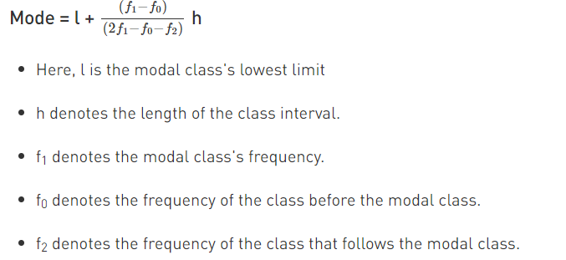
 |  | how to find mode if class interval is given? | class interval | frequency
 |  |  | 0-10 | 5
 |  |  | 10-20 | 4
 |  |  | 20-30 | 7
 |  |  | 30-40 | 2
 |  |  | 40-50 | 6

 |  |  | l = 20
 |  |  | h = 10
 |  |  | f1 = 7
 |  |  | f0 = 4
 |  |  | f2 = 2

 |  |  | total # = 25
 |  |  |  |  | step1 | step 2
 |  |  | class interval | count (f) | mid point of class interval (d) | d*f
 |  |  | 0-10 | 3 | 5 | 15
 |  |  | 10-20 | 10 | 15 | 150
 |  |  | 20-30 | 6 | 25 | 150
 |  |  | 30-40 | 4 | 35 | 140
 |  |  | 40-50 | 2 | 45 | 90

 |  |  |  |  | sum of d*f = | 545

 |  |  |  |  | mean = 545 / 25

