Exercise 1
=POISSON.DIST(3,2,FALSE) |  |  | 0.18044704432 | Poisson distribution with λ=2, the probability P(X=3) is approximately 0.1804
 |  |  |  | Poisson distribution with λ=2, the probability P(X=1) is approximately 0.2707
 |  |  |  | Poisson distribution with λ=2, the probability P(X=6) is approximately 0.0120
=POISSON.DIST(1,0.3,FALSE) |  |  | 0.2222454662
=POISSON.DIST(3,3/4,FALSE) |  |  | 0.03321327324
=POISSON.DIST(0,1/6,FALSE) |  |  | 0.84648172489

 | lambda | X | Prob
 | 2 | 0 | 0
 | 2 | 1 | 0.18393972059
 | 2 | 2 | 0.27067056647
 | 2 | 3 | 0.22404180766
 | 2 | 4 | 0.14652511111
 | 2 | 5 | 0.084224337489
 | 2 | 6 | 0.04461753918
 | 2 | 7 | 0.022341108156
 | 2 | 8 | 0.010734804093
 | 2 | 9 | 0.0049980970655
 | 2 | 10 | 0.0022699964881
 | 2 | 11 | 0.0010104528978
 | 2 | 12 | 0.00044238328944
 | 2 | 13 | 0.00019099783489

Exercise 2
Given that 1 million radioactive atoms decayed to 977,287 over 365 days, we can calculate the average rate of decay per day:

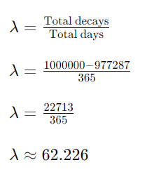

Now, we can use this rate parameter to estimate the probability of 50 decays in a single day using the Poisson distribution:

lambda | X
62.226 | 50 | 0.015527835763

Exercise 3
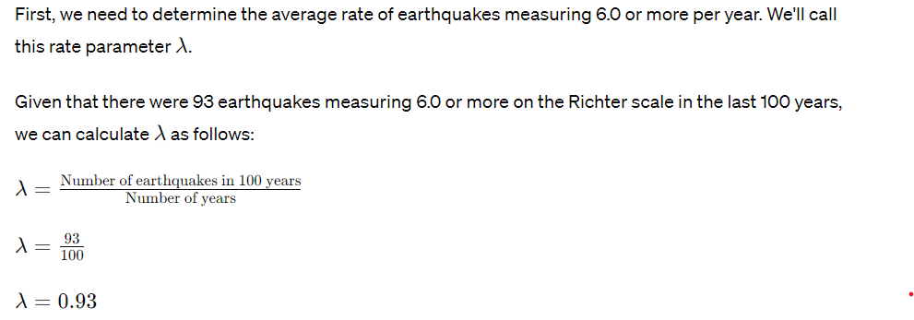

lambda | X
0.93 | 3 | 0.052893673136

So, the probability of having 3 earthquakes in the same year that all measure 6.0 or more on the Richter scale is approximately 0.05195, or 5.195%

Exercise 4
Neuroblastoma, a rare form of malignant tumor, occurs in 11 out of a million children. In the 12,439 children of Oak Park, Illinois, 4 cases of neuroblastoma are reported. Assuming there was nothing special about Oak Park where the chance of neuroblastoma is higher than normal, find the probability of seeing more than a single case of neuroblastoma in a population this size. What can you likely conclude?

Probability of neuroblastoma occurring in a single child: 𝑝 |  |  | p | 0.000011

Total number of children in Oak Park, Illinois: |  |  | n | 12429

Number of reported cases of neuroblastoma: |  |  | k | 4

We will first calculate the mean (𝜆λ) of the Poisson distribution using the formula

λ=n×p | 0.136719

Now, we can calculate the probability of seeing more than a single case of neuroblastoma in this population using the cumulative distribution function (CDF) of the Poisson distribution:

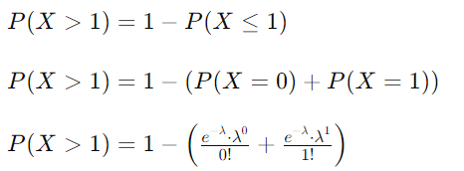

 | 0.0085363143655

=1-POISSON.DIST(1,12439*11/1000000, TRUE) |  | 0.0085363143655

Exercise 5
Suppose the probability of suffering a fever from the flu vaccine is 0.005. If 1000 people are given the vaccine, use the Poisson distribution to approximate the probability that a) 1 person suffers a fever as a result; and b) more than 6 people suffer a fever as a result.

lambda | 5

 | k | Prob
P(1) | 1 | 0.033689734995

P(X<=6) | 6 | 0.23781653703 | 1-POISSON.DIST(6,5,TRUE)

Exercise 6
Telephone calls enter a college switchboard on the average of two every three minutes. What is the probability of 5 or more calls arriving in a 9-minute period?

Given that calls arrive at an average rate of two calls every three minutes, we can calculate the average rate of calls per minute (𝜆λ):

Now, since we're interested in the number of calls arriving in a 9-minute period, we'll use the Poisson distribution with

Now, we'll calculate the probability of having 5 or more calls arriving in a 9-minute period using the cumulative distribution function (CDF) of the Poisson distribution:

Now, we'll calculate each individual term:

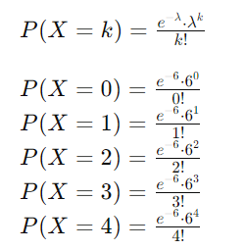

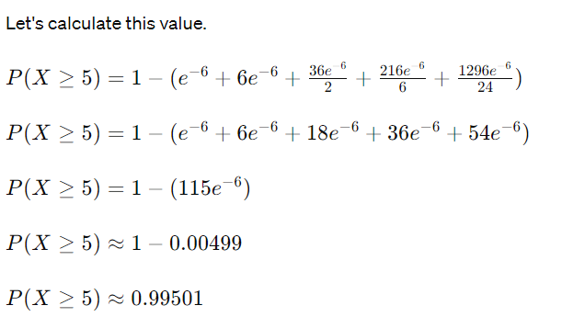

So, the probability of having 5 or more calls arriving in a 9-minute period is approximately 0.99501 or 99.501%.

This suggests that it's very likely to have 5 or more calls in a 9-minute period, given the average arrival rate.

USING EXCEL

=1-POISSON.DIST(4,6,TRUE) | 0.71494349968

Exercise 7
After receiving a large shipment of computer chips, 800 chips are randomly selected. If 3 or fewer defective chips are found, the entire lot is accepted without inspecting the remaining chips in the lot. If 4 or more chips are defective, every chip in the entire lot is carefully inspected at the supplier's expense. Assume that the true proportion of nonconforming computer chips being supplied is 0.001. Use the Poisson distribution to approximate the probability the lot will be accepted.

n | 800
p | 0.001

λ=E(X)=np | 0.8

P(X≤3)=P(0)+P(1)+P(2)+P(3)

 | K | Prob
P(0) | 0 | 0.44932896412
P(1) | 1 | 0.35946317129
P(2) | 2 | 0.14378526852
P(3) | 3 | 0.038342738271

 |  | 0.9909201422

=POISSON.DIST(3,0.8,TRUE) |  | 0.9909201422

