Solution
EXL EQ Case Challenge 2019
Case Study : Fraudulent Claims for XYZ

Answer (Add rows, if required)
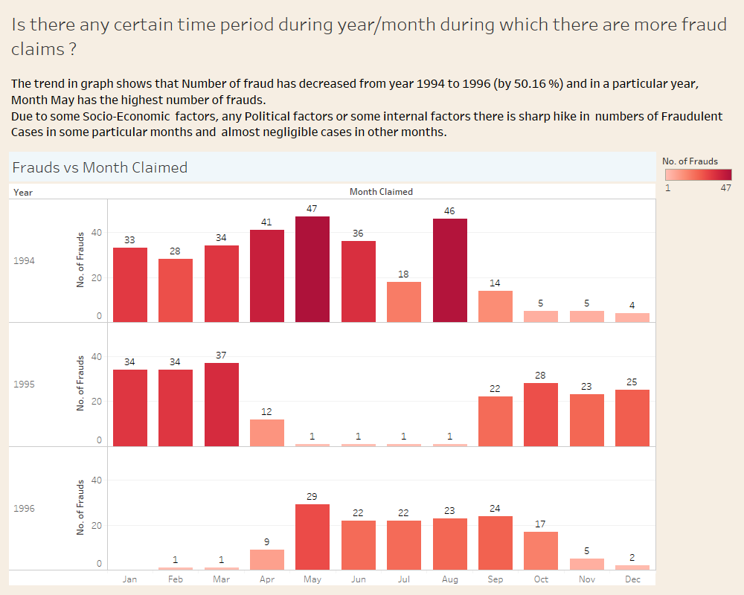

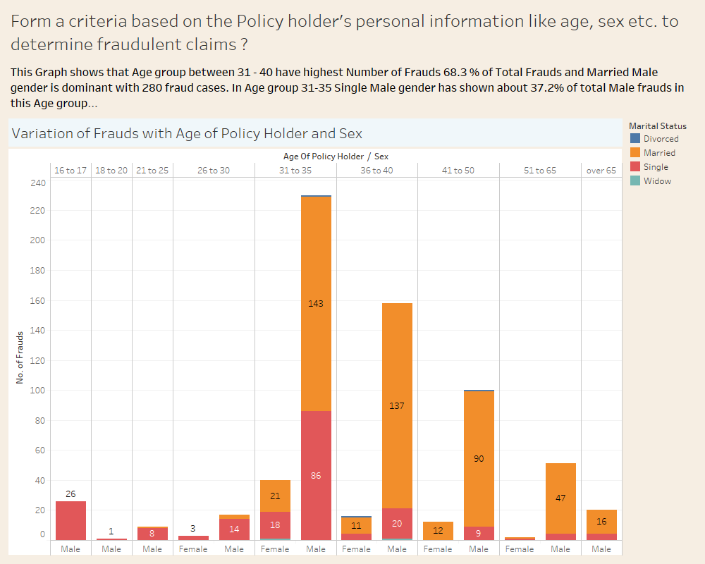

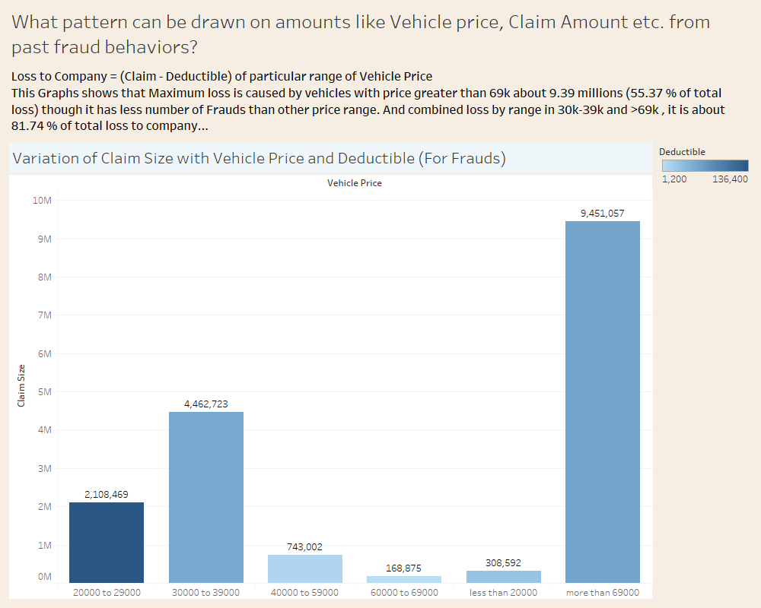

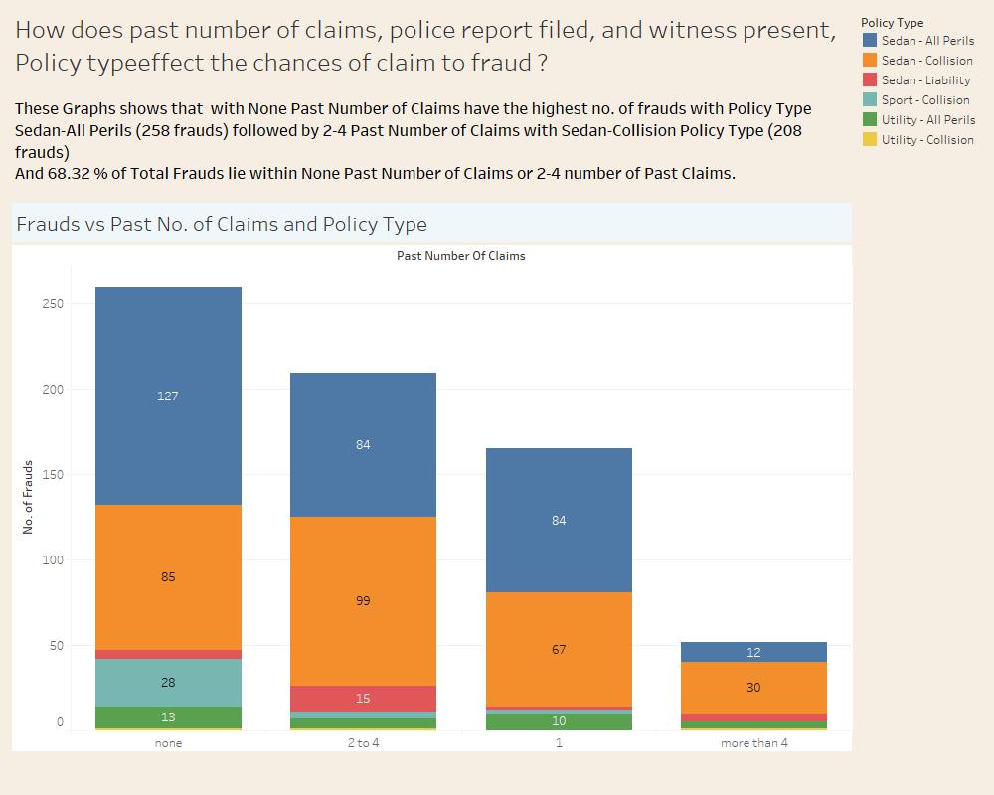

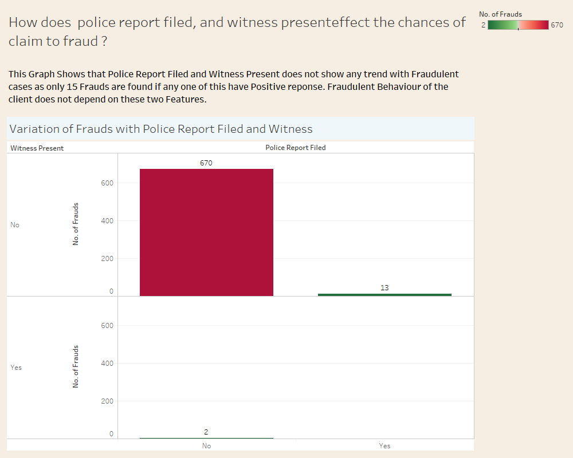

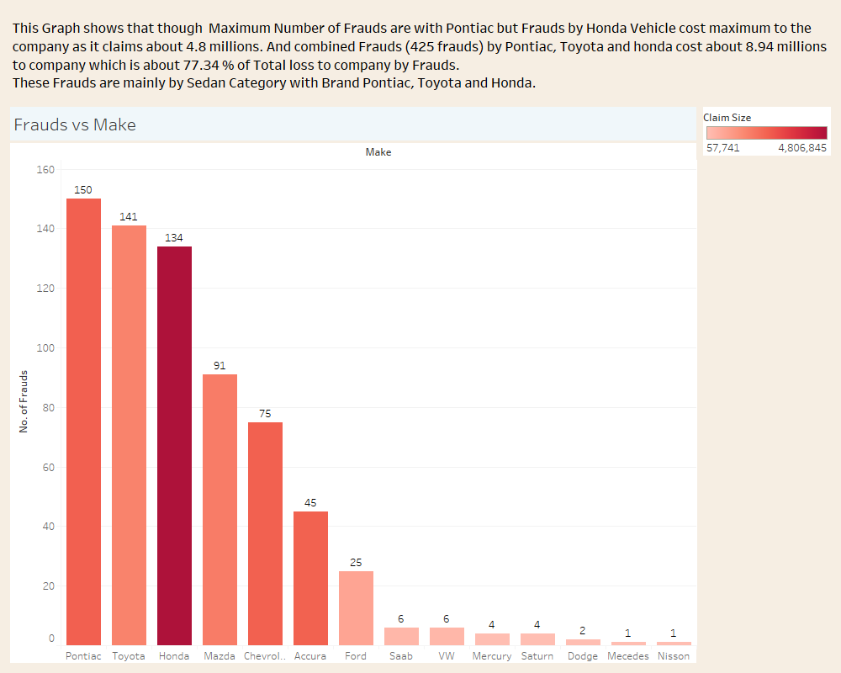

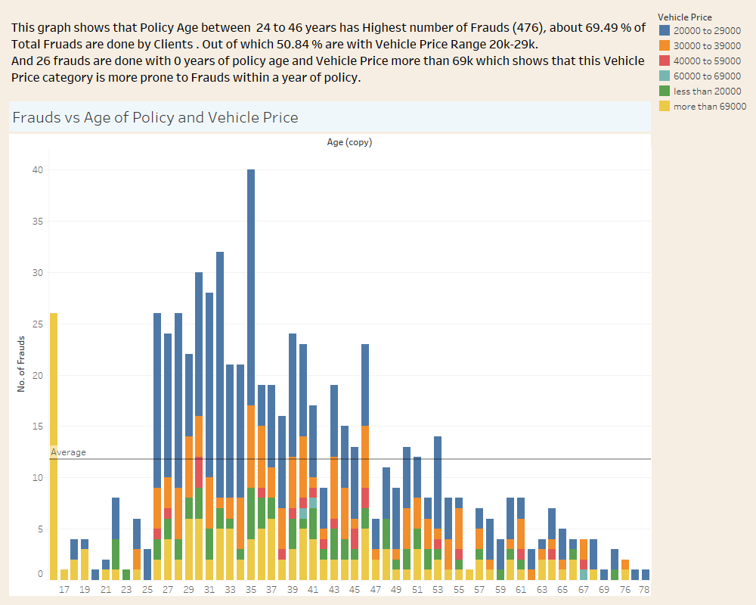

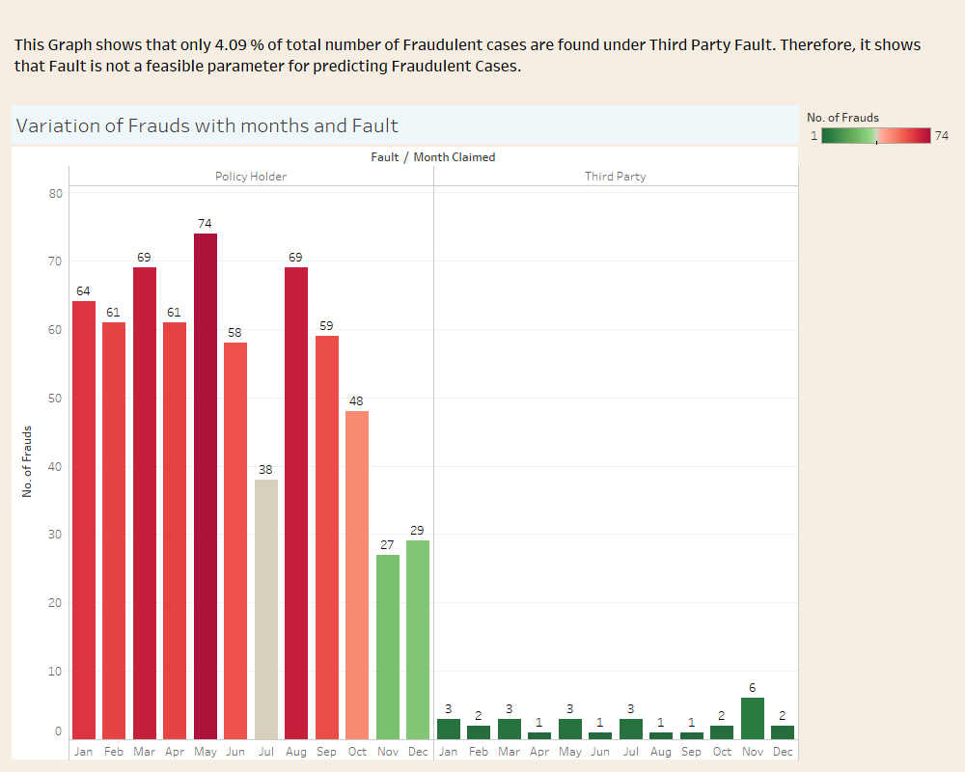

 | Box Plot
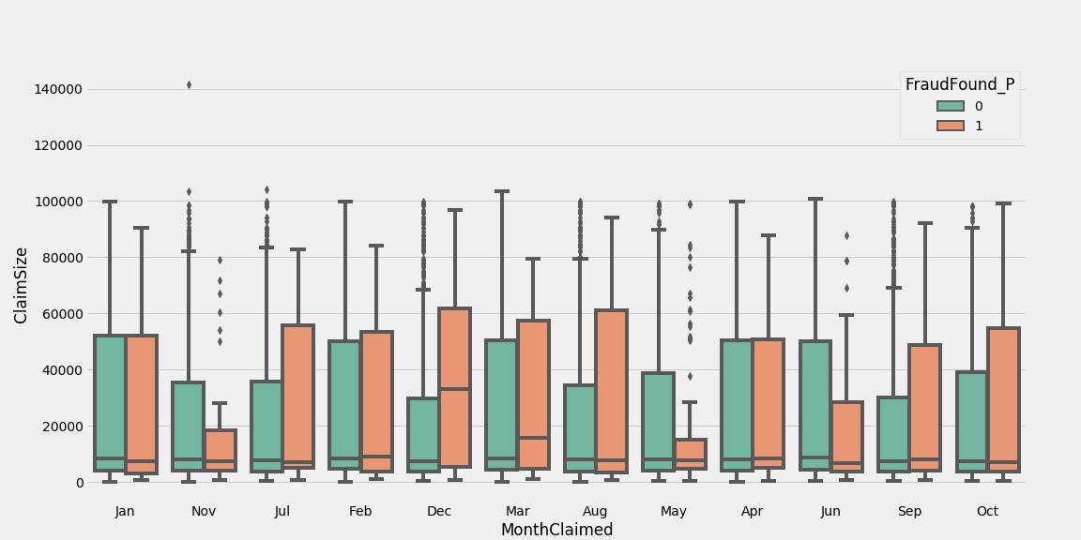

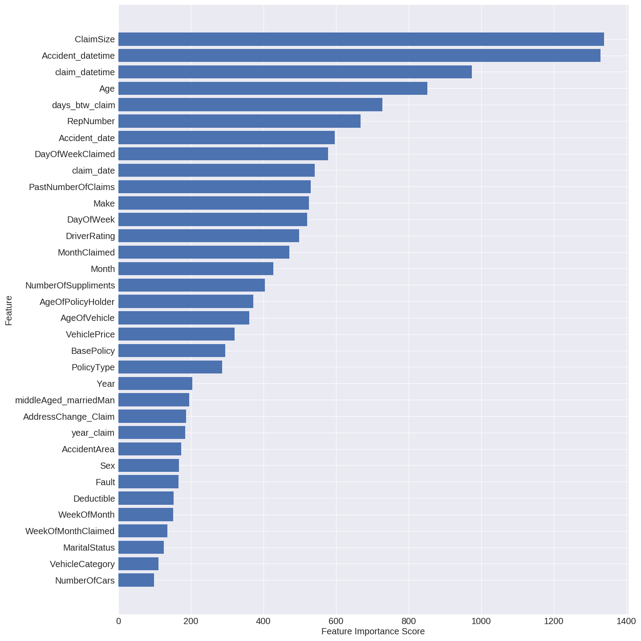

This is the plot that shows the relative importance of the features of the data.Importance is calculated for a single decision tree by the amount that each attribute split point improves the performance
measure, weighted by the number of observations the node is responsible for, the net importance is calculated by taking average of importance of each feature of all the trees built.

According to this plot it is clear that the most important features that predict whether the claim is fraud or not are 'Accident_datetime' which is equivalent to date of accident,
'ClaimSize' i.e. the amount of claim, 'claim_datetime' whichis just date of claim, 'Age' of the policy, 'days_btw_claim' which is the time gap between the accident and request for claim.

Approach/business logic used for identifying Fraudulent Claims

Type of problem: This is a binary classification problem. In this problem, we have to predict if the claim made is fraudulent or not based on the data provided to us on the claim made. Business Problem: We want to somehow maximize the number of true predictions of positive class i.e. if the claim is fraudulent. We can afford to predict some non-fraudulent claims to be fraudulent but cannot bear the risk of missing a fraudulent claim, as it incurs us most of the cost. Approach: 1. Loading and Cleaning: First we cleaned our data i.e. removed any missing values. 2. Preprocessing: Then processed the data i.e. converted strings into numerical values to ease calculations, converted date strings to datetimes etc. 3. Feature engineering: We created new features like a feature for 'middle-aged married man', a feature for representing the date of accident and a feature representing the date of claim, we also created a feature that represents the time difference between the accident and claim filed, from existing set of features to make our model more powerful. Here we used both our intuition and statistical analysis to make new features. We also dropped some useless features that were not helping our predict fraud like 'PoliceReportFiled', 'WitnessPresent', 'Days_Policy_Claim'. 4. Splitting the data: To check and evaluate the performance of our model we split our data into a train set (70% of original) and test set (30% of original) randomly. 5. Oversampling: Our data is highly imbalanced, the ratio of fraudulent to non-fraudulent is 0.06. To deal with this we used SMOTE oversampling method to generate synthetic data. 6. Model selection, training, tuning: We selected XGBClassifier for this problem due to lack of available data and the superior performance of xgboost algorithm over other available algorithms. We trained the model on the processed data and then tuned the model parameters to obtain results. 7. Result prediction: Finally we predicted the results of the

Assumptions (if applicable)

We make use of the following software in this project: 1. Python: For analysis, making the model etc. We specifically used Jupyter Notebooks in python and version of python used is 3.6.7 2. Tableau: For data visualization. We used the following third-party packages in python: 1. Pandas 0.22.0 2. Numpy 1.14.6 3. Matplotlib 3.0.2 4. Sci-kit Learn 0.20.2 5. Xgboost 0.7.post4 We took the following assumptions while processing the data: 1. We replaced some of the missing values with the mean of each column and some of them were dropped. 2. We dropped some features which were less important. We took the following assumptions while making new features: 1. We assumed that, if the claim date is before the accident date then it is exactly one year ahead of its current date. 2. If the date in a particular month exceeds the maximum number of days in that month then the actual date is the last day of that month.

