Sheet1
 |  | NAGARJUNA COLLEGE OF INFORMATION TECHNOLOY
 |  |  | Statistics Practical no. 7
Name: Rajip Maharjan
Roll no: 14 |  |  |  |  |  |  | Date:2080/05/03
Subject: Statistics-II(STA-210)
 |  |  | Regression analysis
 |  |  | Initial | Initial
 | Piglet number |  | weight | age | Weight gain y
 |  | 1 | 39 | 8 | 7
 |  | 2 | 52 | 6 | 6
 |  | 3 | 49 | 7 | 8
 |  | 4 | 46 | 12 | 10
 |  | 5 | 61 | 9 | 9
 |  | 6 | 35 | 6 | 5
 |  | 7 | 25 | 7 | 3
 |  | 8 | 55 | 4 | 4
(i) Determine the least square equation that best describes these three variables.
(ii) Calculate the standard error.
(iii) How much gain in weight of a pig in a week can we expect with the food supplement
if it were 9 weeks old and weighted 48 pounds?
(iv) Test the significance of regression coefficients and overall fit the regression equation.
(v) Conduct the residual analysis.
(vi) Determine partial correlations, multiple correlation and coefficient of multiple
determination and interpret.

Working Expression:
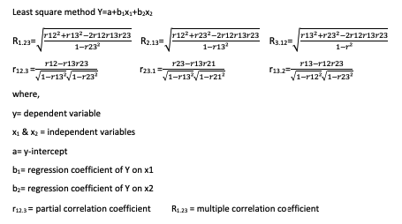

 | x | y | x1 | x2
 | 1 | 7 | 39 | 8
 | 2 | 6 | 52 | 6
 | 3 | 8 | 49 | 7
 | 4 | 10 | 46 | 12
 | 5 | 9 | 61 | 9
 | 6 | 5 | 35 | 6
 | 7 | 3 | 25 | 7
 | 8 | 4 | 55 | 4

 | SUMMARY OUTPUT

 | Regression Statistics
Multiple R |  | 0.93870817782
R Square |  | 0.8811730431
Adjusted R Square |  | 0.83364226034
Standard Error |  | 0.99907278912
Observations |  | 8

ANOVA
 | df | SS | MS | F | Significance F
Regression | 2 | 37.00926781 | 18.504633905 | 18.538997087 | 0.0048672924106
Residual | 5 | 4.9907321898 | 0.99814643795
Total | 7 | 42

 | Coefficients | Standard Error | t Stat | P-value | Lower 95% | Upper 95% | Lower 95.0% | Upper 95.0%
Intercept | -4.1917094034 | 1.8881191946 | -2.2200449078 | 0.077123896712 | -9.0452743087 | 0.66185550188 | -9.0452743087 | 0.66185550188
X Variable 1 | 0.10483432561 | 0.032291470382 | 3.2465020754 | 0.022784152826 | 0.021826458402 | 0.18784219282 | 0.021826458402 | 0.18784219282
X Variable 2 | 0.80650253145 | 0.15823657139 | 5.0968150055 | 0.0037803112379 | 0.39974247532 | 1.2132625876 | 0.39974247532 | 1.2132625876

 | RESIDUAL OUTPUT |  |  |  | PROBABILITY OUTPUT

 | Observation | Predicted Y | Residuals |  | Percentile | Y
 | 1 | 6.3488495471 | 0.65115045291 |  | 6.25 | 3
 | 2 | 6.0986907171 | -0.098690717125 |  | 18.75 | 4
 | 3 | 6.5906902717 | 1.4093097283 |  | 31.25 | 5
 | 4 | 10.308699952 | -0.30869995219 |  | 43.75 | 6
 | 5 | 9.461707242 | -0.46170724199 |  | 56.25 | 7
 | 6 | 4.3165071817 | 0.68349281827 |  | 68.75 | 8
 | 7 | 4.0746664571 | -1.0746664571 |  | 81.25 | 9
 | 8 | 4.800188631 | -0.80018863105 |  | 93.75 | 10

X Variable 1 Residual Plot
X Variable 2 Residual Plot

Normal Probability Plot

