Sheet1
Name of Algorithm | True Positive | False Negative | False Positive | True Negative | Accuracy | Precision | Recall | F1 Score | Threshold | AUC | Graph | Performance Rank | Mistakes in Validation Dataset
Two-Class Averaged Perceptron | 39 | 14 | 10 | 66 | 0.814 | 0.795 | 0.736 | 0.765 | 0.5 | 0.873 | 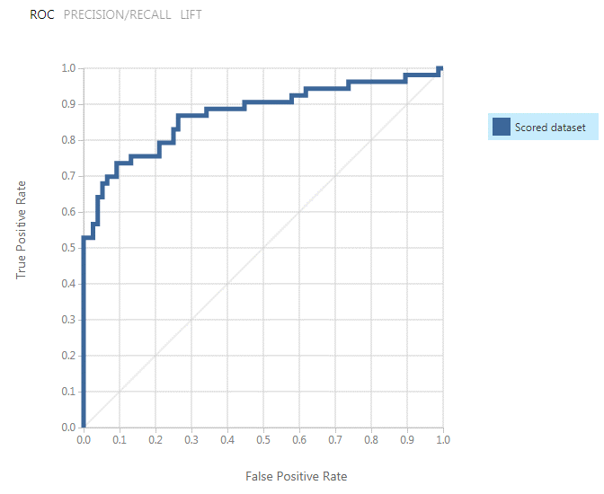 | 2 | 27/170
Two-Class Bayes Point Machine | 39 | 14 | 9 | 67 | 0.822 | 0.813 | 0.736 | 0.772 | 0.5 | 0.866 | 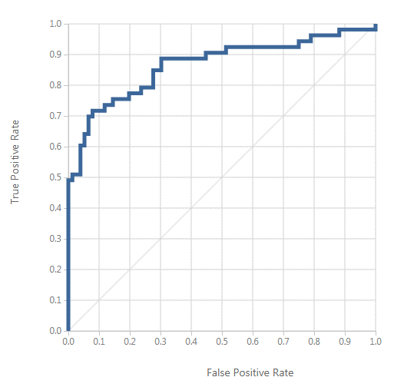 | 3 | 27/170
Two-Class Boosted Decision Tree | 39 | 14 | 13 | 63 | 0.791 | 0.75 | 0.736 | 0.743 | 0.5 | 0.836 | 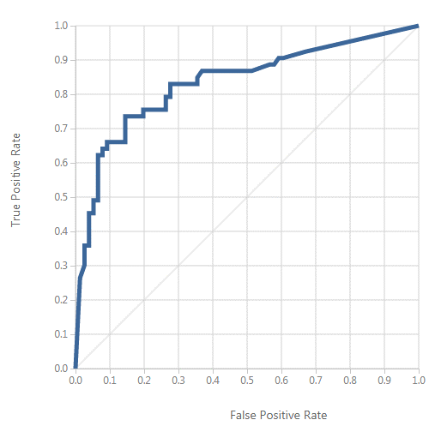 | 9
Two-Class Decision Forest | 39 | 14 | 8 | 68 | 0.829 | 0.83 | 0.736 | 0.78 | 0.5 | 0.852 | 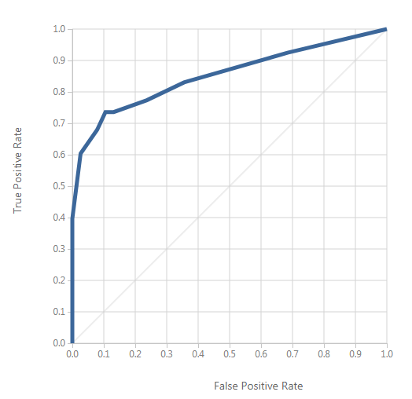 | 6 | 42/170
Two-Class Decision Jungle | 38 | 15 | 5 | 71 | 0.845 | 0.884 | 0.717 | 0.792 | 0.5 | 0.874 | 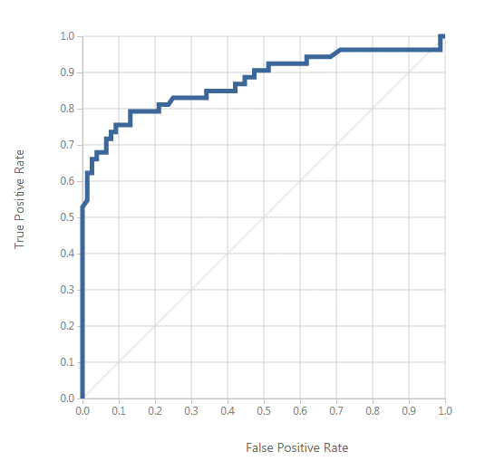 | 5 | 35/170
Two-Class Locally Deep Support Vector Machine | 41 | 12 | 9 | 67 | 0.837 | 0.82 | 0.774 | 0.796 | 0.5 | 0.849 | 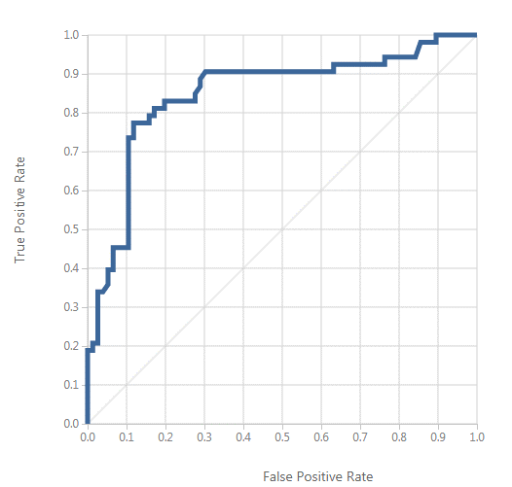 | 7
Two-Class Logistic Regression | 37 | 16 | 10 | 66 | 0.798 | 0.787 | 0.698 | 0.74 | 0.5 | 0.876 | 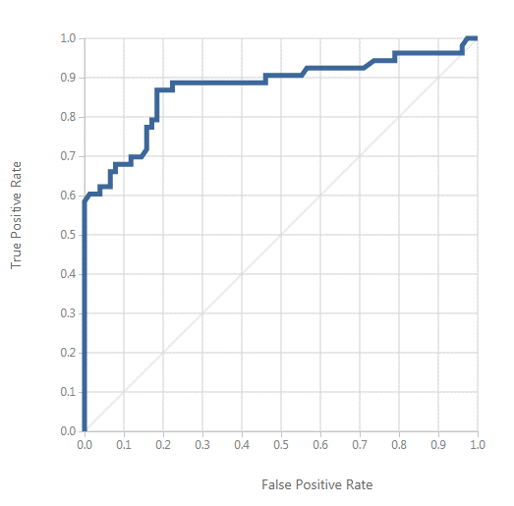 | 4 | 29/170
Two-Class Neural Network | 40 | 13 | 10 | 66 | 0.822 | 0.8 | 0.755 | 0.777 | 0.5 | 0.894 | 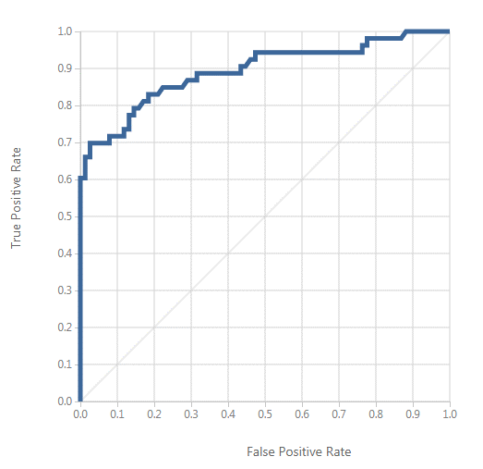 | 1 | 23/170
Two-Class Support Vector Machine | 38 | 15 | 10 | 66 | 0.806 | 0.792 | 0.717 | 0.752 | 0.5 | 0.847 | 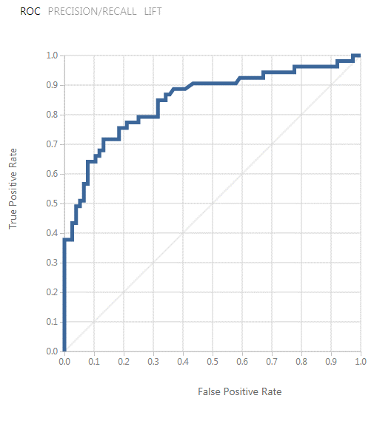 | 8

