Graphs
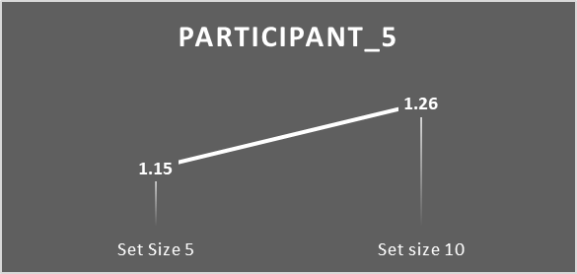
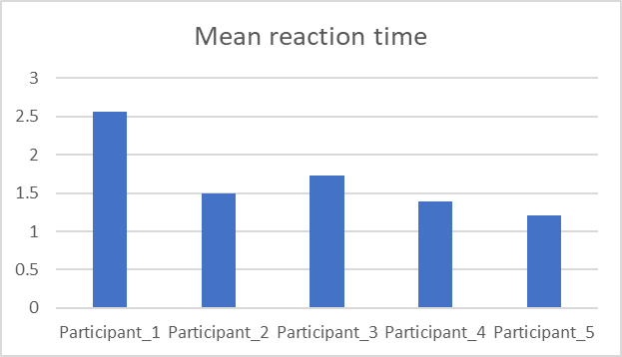
 | mean reaction time
Participant_1 | 2.56
Participant_2 | 1.49
Participant_3 | 1.73
Participant_4 | 1.39
Participant_5 | 1.21

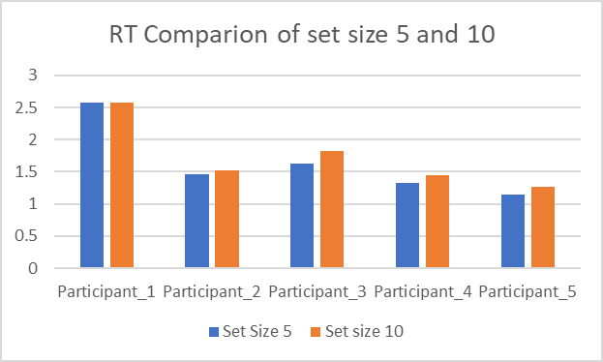

 | Set Size 5 | Set size 10
Participant_1 | 2.57 | 2.58
Participant_2 | 1.46 | 1.52
Participant_3 | 1.63 | 1.82
Participant_4 | 1.32 | 1.44
Participant_5 | 1.15 | 1.26

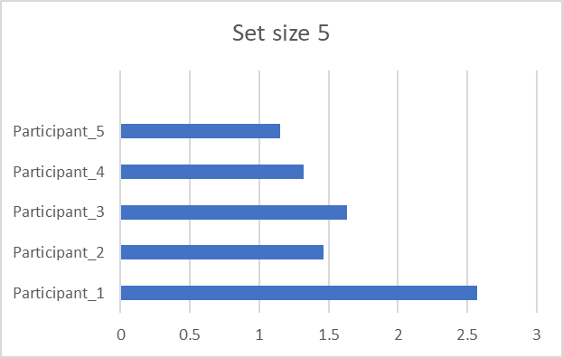
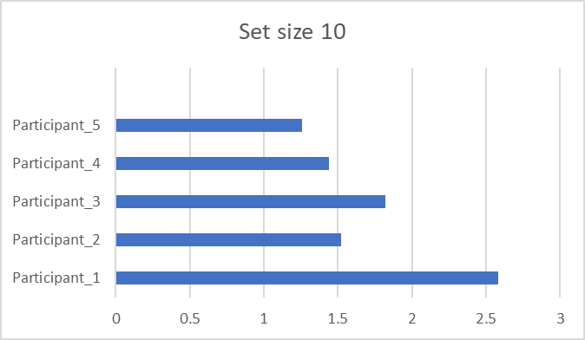
 | 10
Participant_1 | 2.58
Participant_2 | 1.52
Participant_3 | 1.82
Participant_4 | 1.44
Participant_5 | 1.26

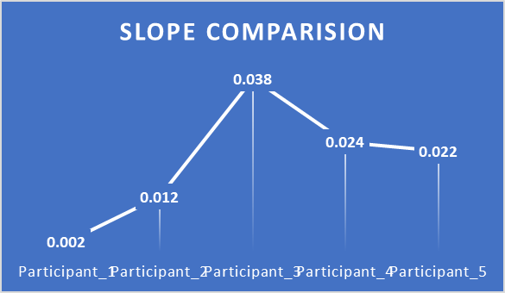

 | Slope Comparision
Participant_1 | 0.002
Participant_2 | 0.012
Participant_3 | 0.038
Participant_4 | 0.024
Participant_5 | 0.022

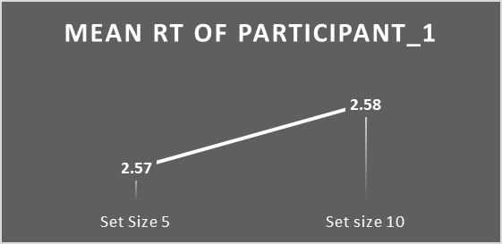
 | Set Size 5 | Set size 10
Participant_1 | 2.57 | 2.58

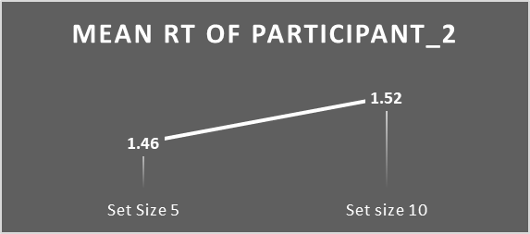
 | Set Size 5 | Set size 10
Participant_2 | 1.46 | 1.52

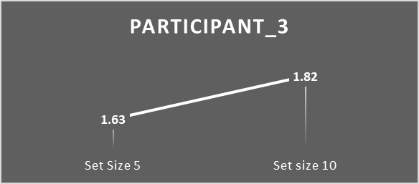
 | Set Size 5 | Set size 10
Participant_3 | 1.63 | 1.82

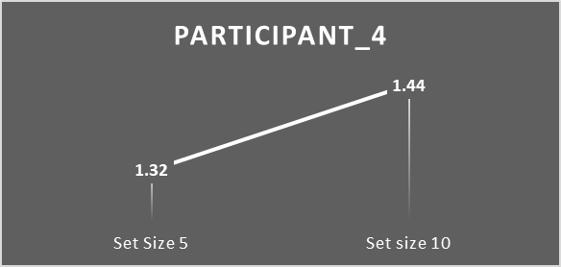
 | Set Size 5 | Set size 10
Participant_4 | 1.32 | 1.44

 | Set Size 5 | Set size 10
Participant_5 | 1.15 | 1.26

