Bug Report
Bug ID | Module Name | Build No | Description | TC ID | Steps | Screenshot | Severity | Priority | Reported By | Assigned To | Status | Fixed Date
BUG_1 | OTP Verification | v1.0 | Expired OTP is still being accepted | TC_9 | 1. Enter email 2. Click Verify 3. Wait until OTP expires 4. Enter expired OTP 5. Click Verify | NA | High | High | Harshal | Dev Team | Open | -
BUG_2 | Registration | v1.0 | Mobile number validation is not working | TC_15 | 1. Enter an invalid mobile number 2. Click Sign Up | 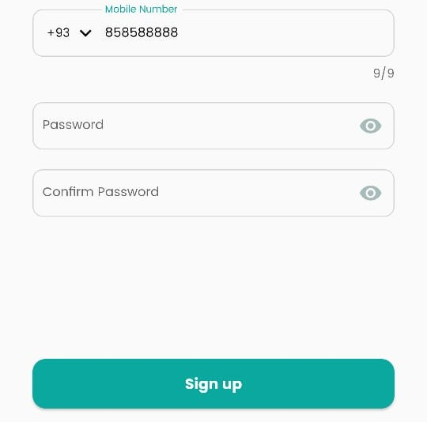 | Medium | High | Harshal | Dev Team | Open | -
BUG_3 | Registration | v1.0 | Name field is accepting spaces | TC_20 | 1. Enter spaces in First Name or Last Name 2. Click Sign Up | 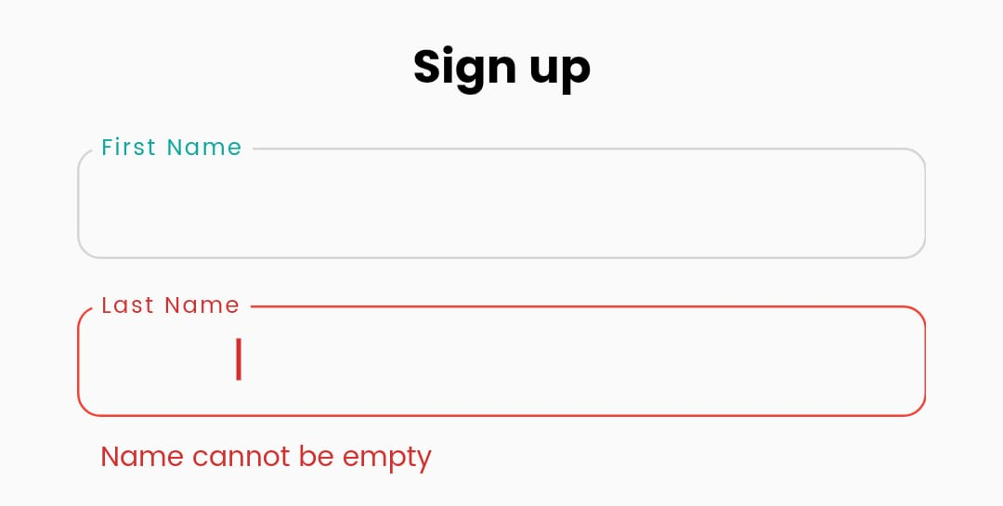 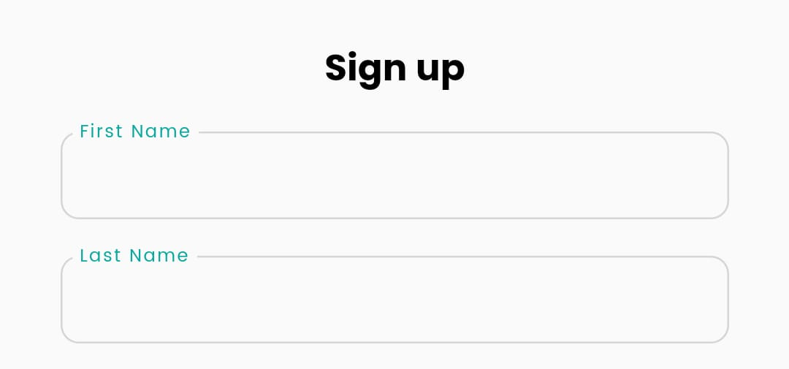 | Medium | Medium | Harshal | Dev Team | Open | -
BUG_4 | Registration | v1.0 | Password field accepts spaces at the beginning and end | TC_21 | 1. Enter a password with spaces 2. Click Sign Up | 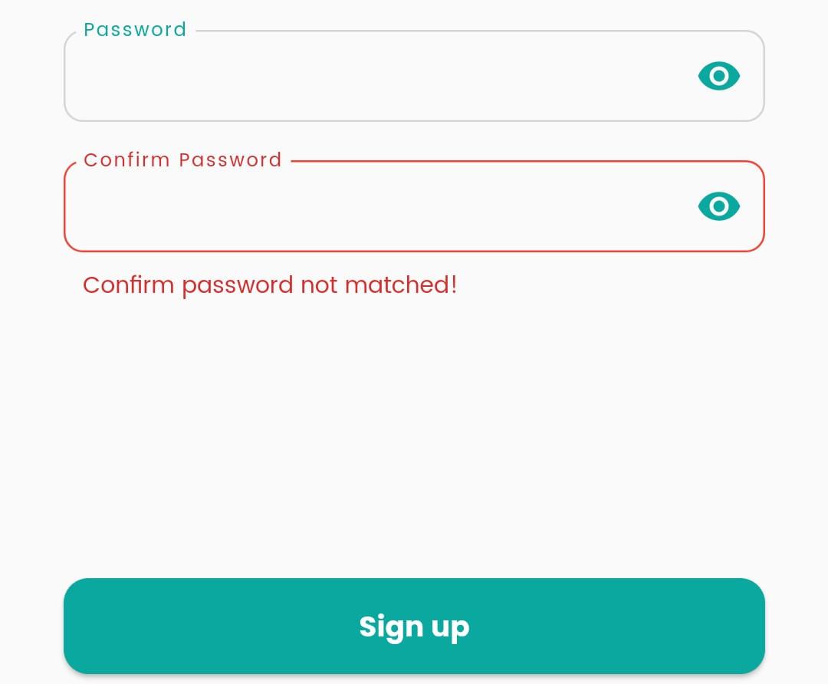 | Medium | Medium | Harshal | Dev Team | Open | -
BUG_5 | Logout | v1.0 | Logout button does not redirect to Sign In page | TC_24 | 1. Click Logout 2. Confirm logout 3. Observe if user is redirected to Sign In | NA | High | High | Harshal | Dev Team | Open | -
BUG_6 | Homepage | v1.0 | Location selection is not working | TC_2 | 1. Tap on the location field 2. Search for a location 3. Observe if location updates on the homepage | 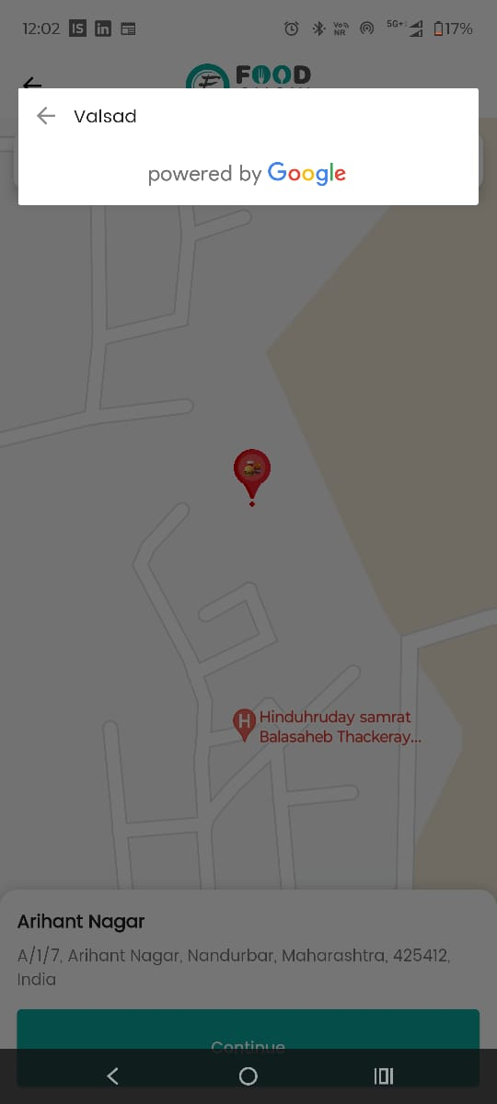 | High | High | Harshal | Dev Team | Open | -
BUG_7 | Homepage | v1.0 | Restaurant search fails when location is not set | TC_3 | 1. Tap on the search bar 2. Enter a restaurant name 3. Observe the results displayed | 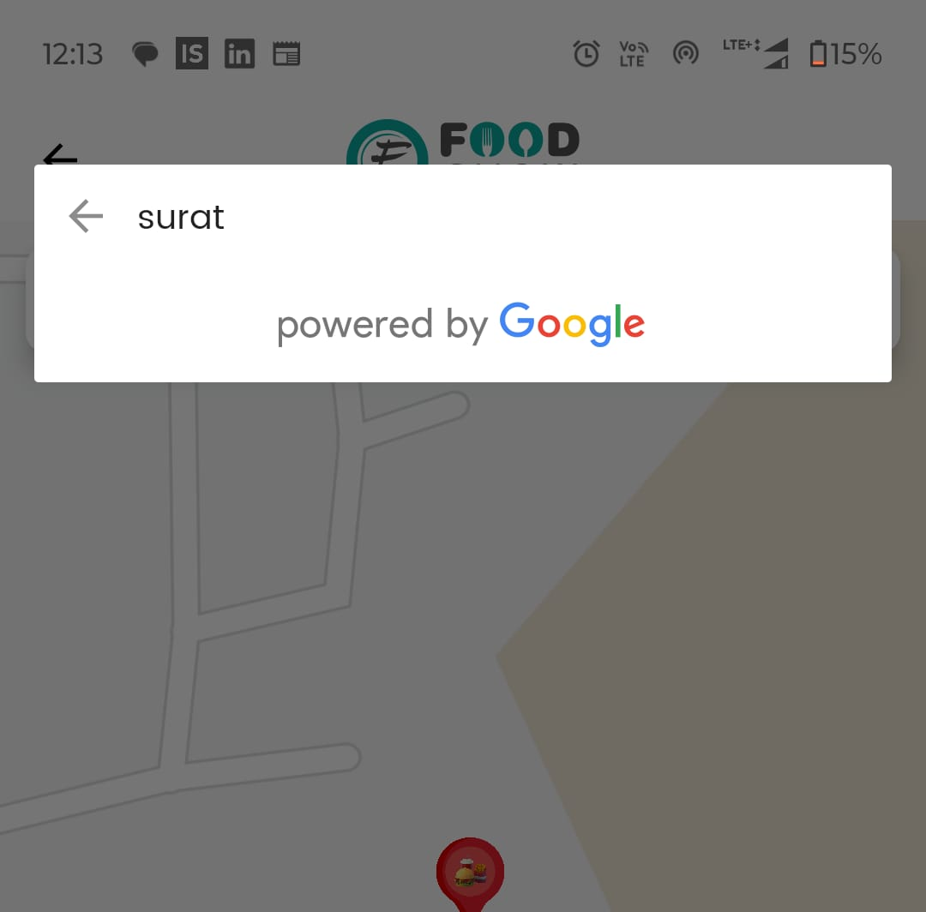 Attached | High | High | Harshal | Dev Team | Open | -
BUG_8 | Homepage | v1.0 | No proper error message when location selection fails | TC_4 | 1. Try selecting a location multiple times 2. Observe if an error message is displayed | NA | Medium | Medium | Harshal | Dev Team | Open | -

