Univariate Category Variables
Education Level
 |  | Pay_Amt
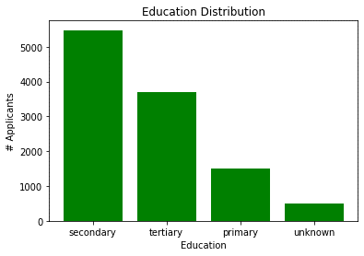
 |  | Apr 2020 Payment Amount

 | High proportion of customers with "secondary" level of education

