Sheet1
S.No | Name | Employee ID | Designation | Company Mail | Phone Number | Date of Joining | Today Date | Experience | Qualification | Certifications | Skills | Photo
1 | Jyothsna Guddinti | CT0567 | Aptitude Trainer | jyothsnag@codetantra.in | 9032487040 | 17/02/2025 |  |  | MCA | No | Aptitude Logical Reasoning Analytical thinking Problem-Solving Conceptual Teaching Student Engagement | 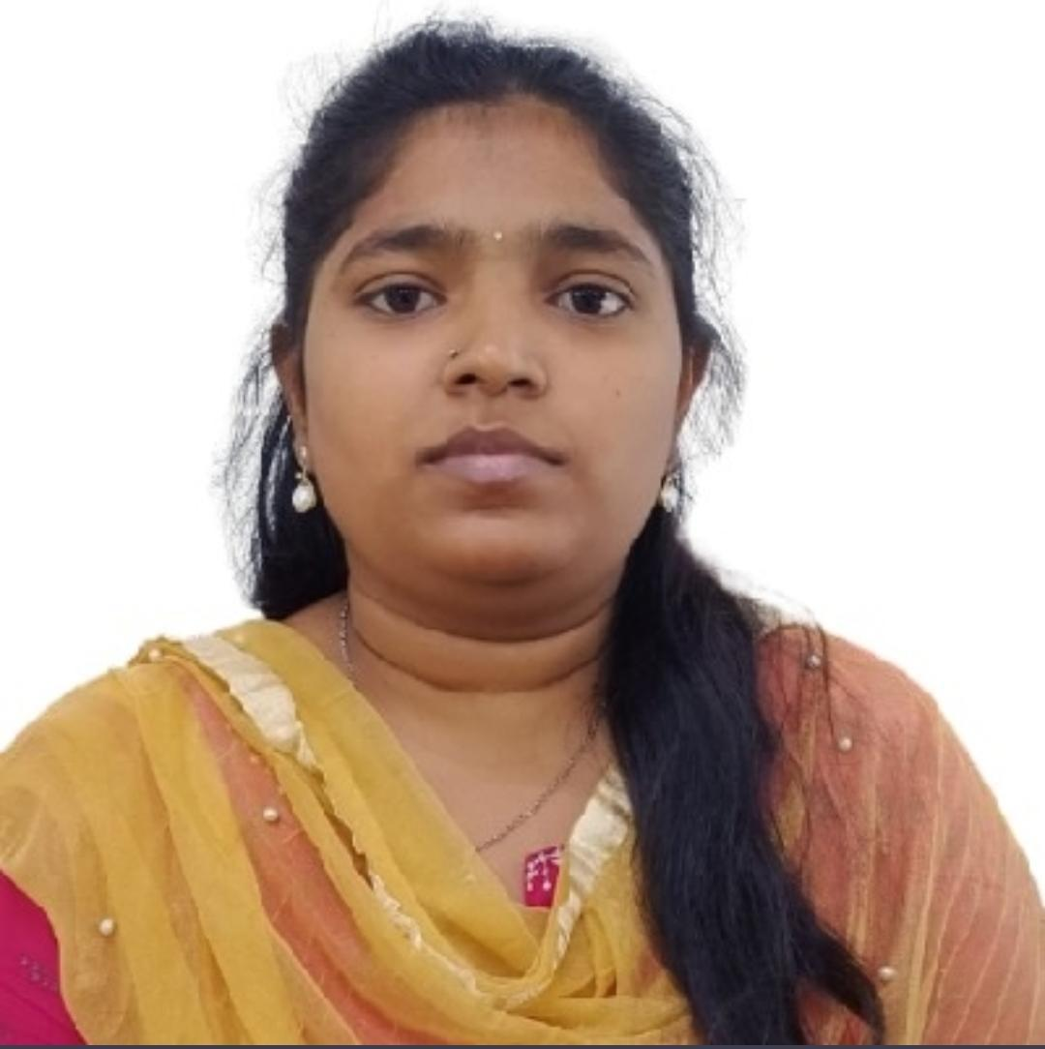
2 | Sukanya Bollrpogu | CT0565 | Aptitude Trainer | sukanyab@codetantra.in | 7729815519 | 17/02/2025 |  |  | MCA | No | Aptitude Logical Reasoning Analytical thinking Problem-Solving Conceptual Teaching Student Engagement | 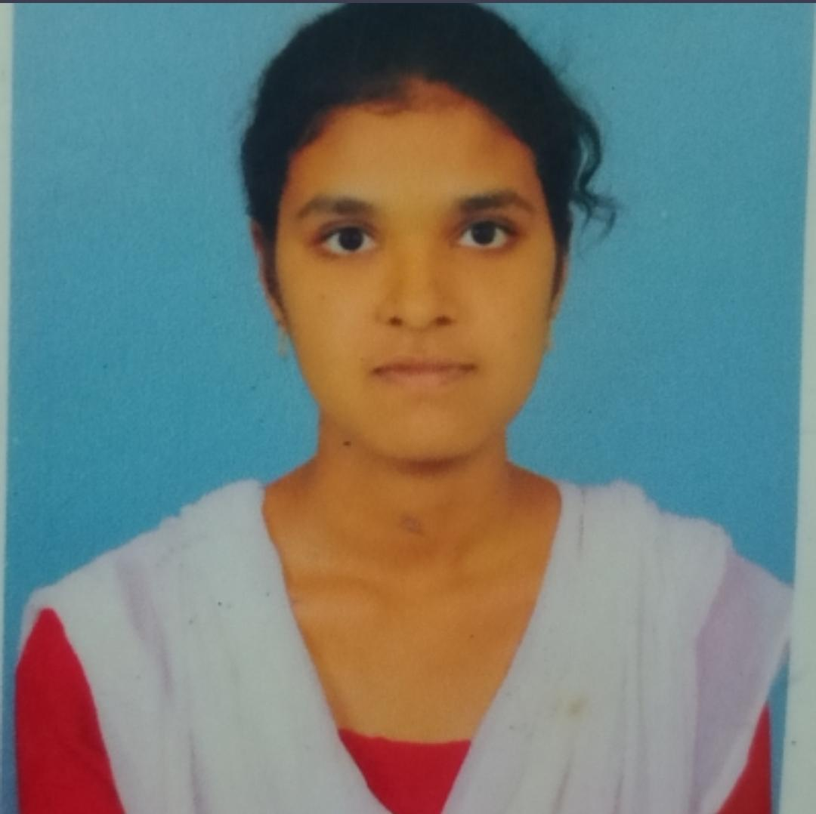
3 | Gayathri Puja Merugumilli | CT0711 | Aptitude Trainer | gayathrim@codetantra.in | 9059864286 | 20/06/2025 |  |  | MCA | No | Aptitude Logical Reasoning Analytical thinking Problem-Solving Conceptual Teaching Student Engagement | 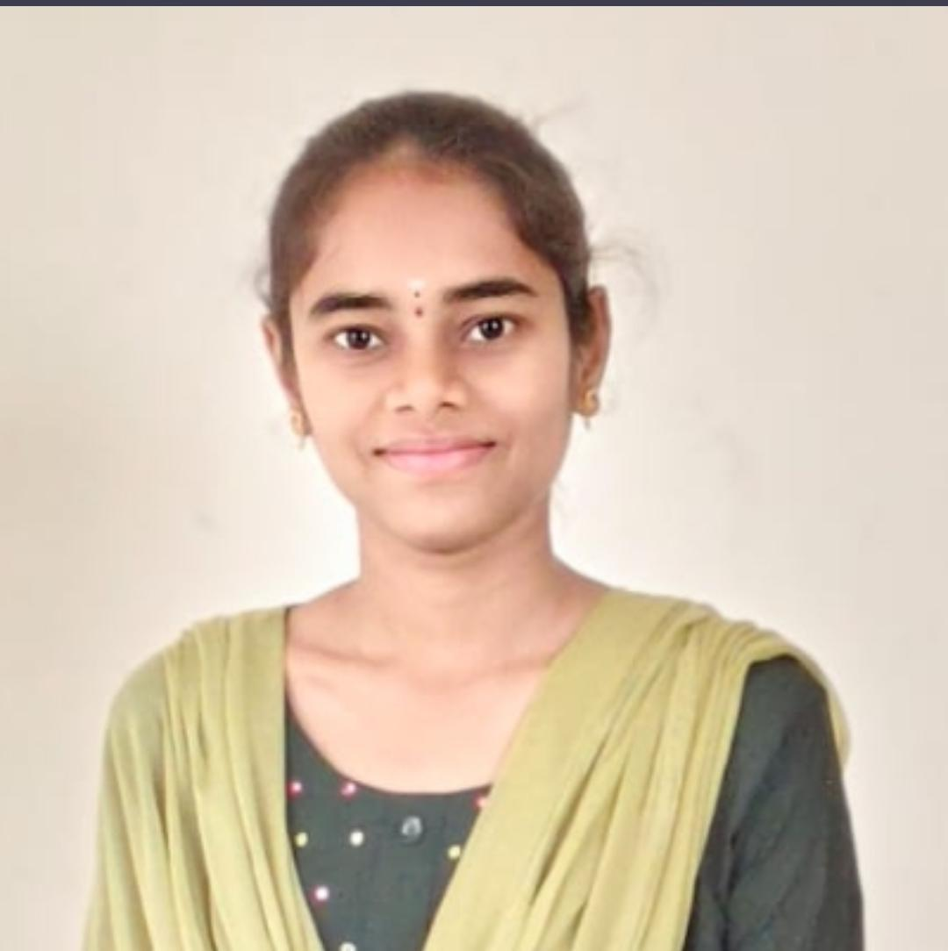
4 | Navya Sree Pedumajji | CT0697 | Aptitude Trainer | navyap@codetantra.in | 9014967528 | 02/06/2025 |  |  | B.tech | No | Aptitude Logical Reasoning Analytical thinking Problem-Solving Conceptual Teaching Student Engagement | 
5 | Sravanthi Bejjam | CT0616 | Aptitude Trainer | sravanthib@codetantra.in | 8187070100 | 18/03/2025 |  |  | MCA | No | Aptitude Logical Reasoning Analytical thinking Problem-Solving Conceptual Teaching Student Engagement | 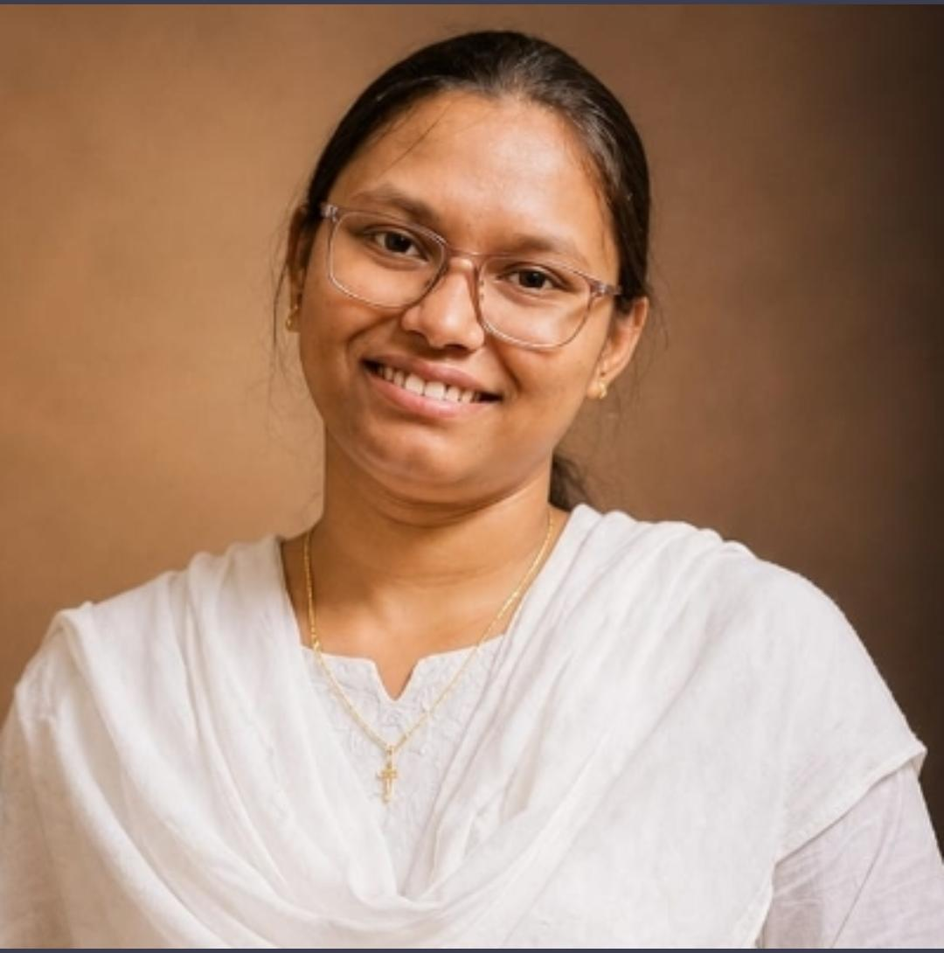
6 | Venkata Harsha Vardhan Patapanjula | CT0770 | Aptitude Trainer | harshap@codetantra.in | 9346694929 | 15/09/2025 |  |  | B.tech | No | Aptitude Logical Reasoning Analytical thinking Problem-Solving Conceptual Teaching Student Engagement | 
7 | Manikanta Pokala | CT0939 | Aptitude Trainer | manikantap@codetantra.in | 8008034615 | 18/05/2026 |  |  | B.tech | No | Aptitude Logical Reasoning Analytical thinking Problem-Solving Conceptual Teaching Student Engagement | 
8 | Vanaja kanala | CT0917 | Aptitude Trainer | vanajak@codetanta.in | 9347533139 | 04/05/2026 |  |  | MCA | No | Aptitude Logical Reasoning Analytical thinking Problem-Solving Conceptual Teaching Student Engagement | 
9 | Suresh Kakani | CT0963 | Aptitude Trainer | sureshk@codetanta.in | 9010488790 | 10/08/2026 |  |  | B.tech | No | Aptitude Logical Reasoning Analytical thinking Problem-Solving Conceptual Teaching Student Engagement | 

