3.0
 | CH to complete the form before he/she is able to Close the case

Yes
Not
Applicable
Checklist for Closing of Claims File
1 | Claims Payment Made
a) | Insured's claim
b) | Third Party Claimant
c) | Reimbursement for Third Party Administrator

2 | Fees Payment For Service Providers?
a) | Adjuster Fees
b) | Forensic Services
c) | Legal Fees
d) | Others

3 | Liaison With Underwriting / Business Units
a) | Risks Improvement Recommendations
b) | Claims Settlement Amount For SI Adjustment
b) | Inform BU/UW to reinstate premium/adjust Sum Insured

6 4 | Discharge Voucher
a) | Received From Insured
b) | Received From TP Claimant
c) | Court Order
Remarks

Clear
Submit
Cancel

4.0
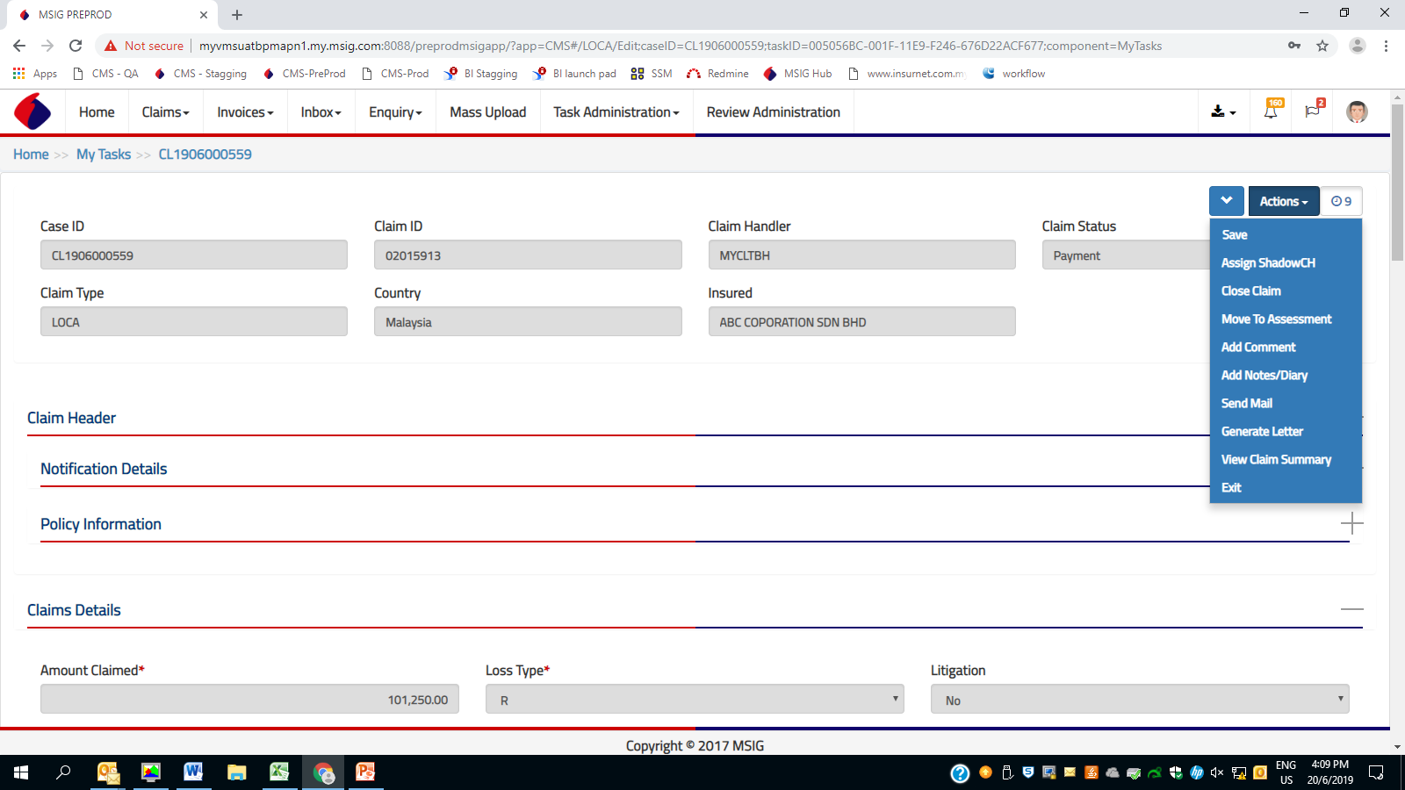
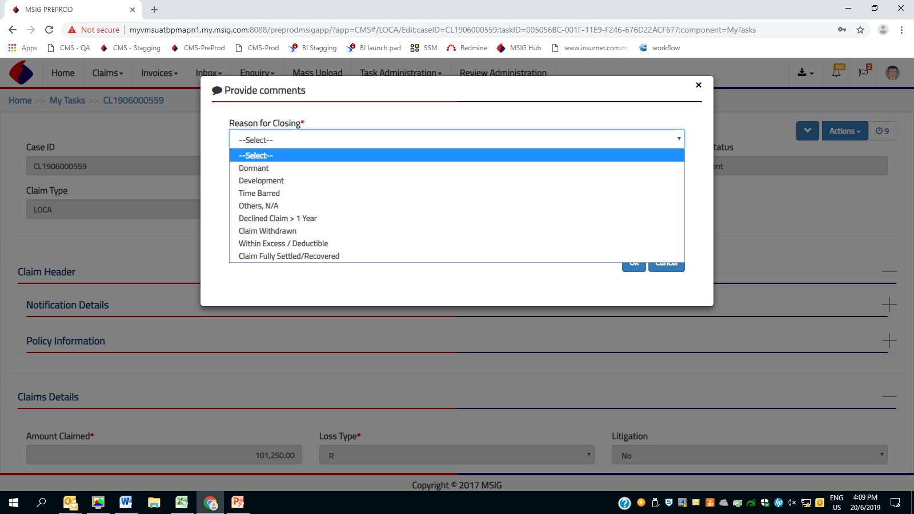
Current Steps
Closing a case with Action button
1 | CH click Close Claim via Action button
2 | Reason for Closing Dialog will appear
3 | CH fill in the information and proceed with OK button.
4 | Case status will change from xxxx to Closed
5 | P400 status will change from Active to Closed
6 | Case will move from Mytask to Mycase

4.1
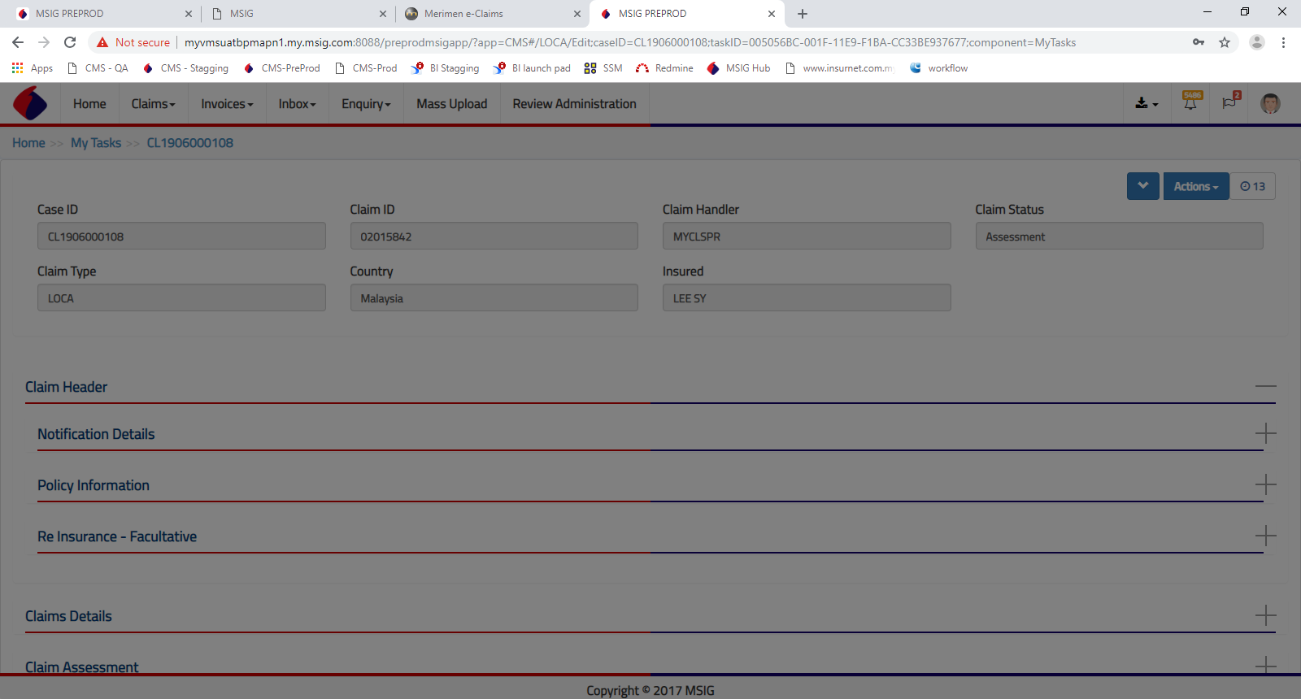
Future Steps
1 | CH click Close Claim via Action Button
new | New Checklist Box will appear. CH to complete the checklist & resume to existing Step 2.
2 | Reason for Closing Dialog will appear
3 | CH fill in the information and proceed with OK button.
new | Copy of the completed Checklist to be attached to the case
new | Update process history "Checklist completed"
4 | Case status will change from xxxx to Closed
5 | P400 status will change from Active to Closed
6 | Case will move from Mytask to Mycase

new | New Checklist Box will appear. CH to complete the checklist & resume to existing Step 2.

5.0
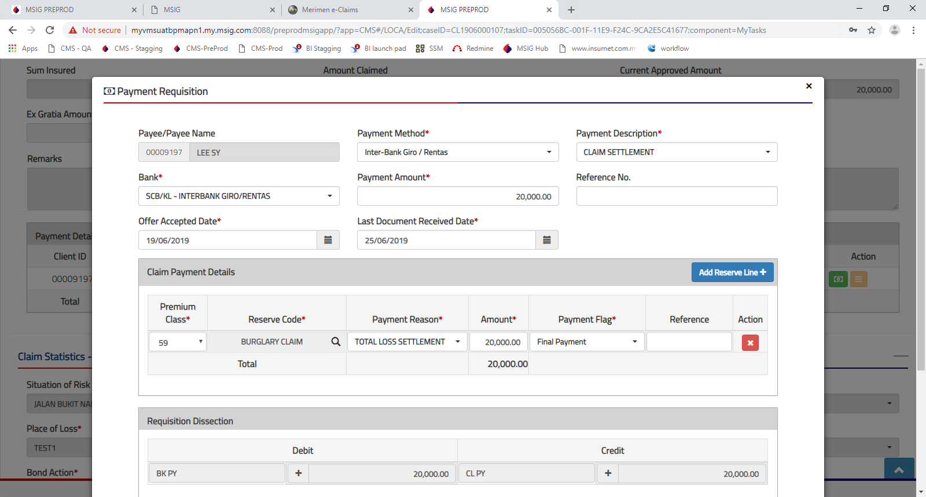
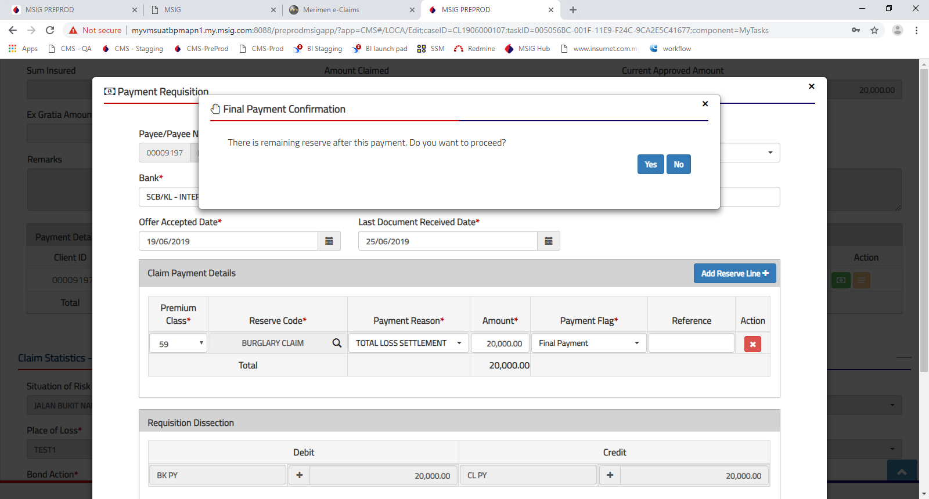
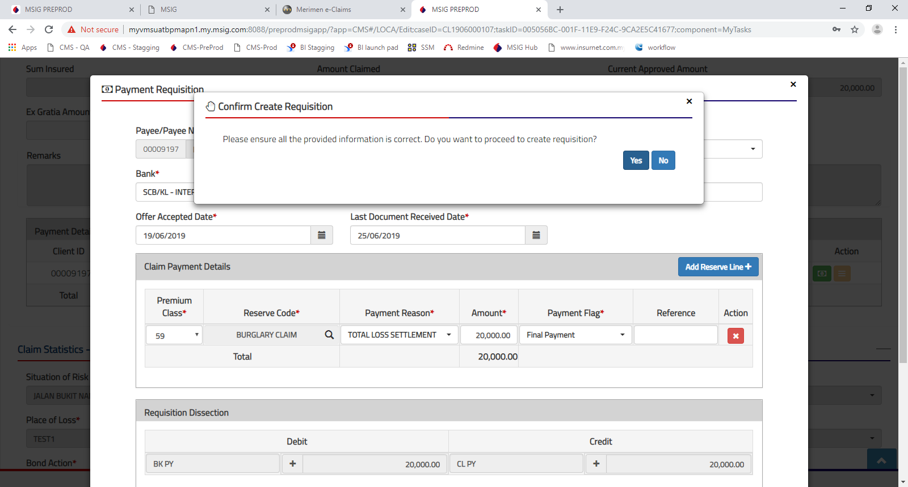
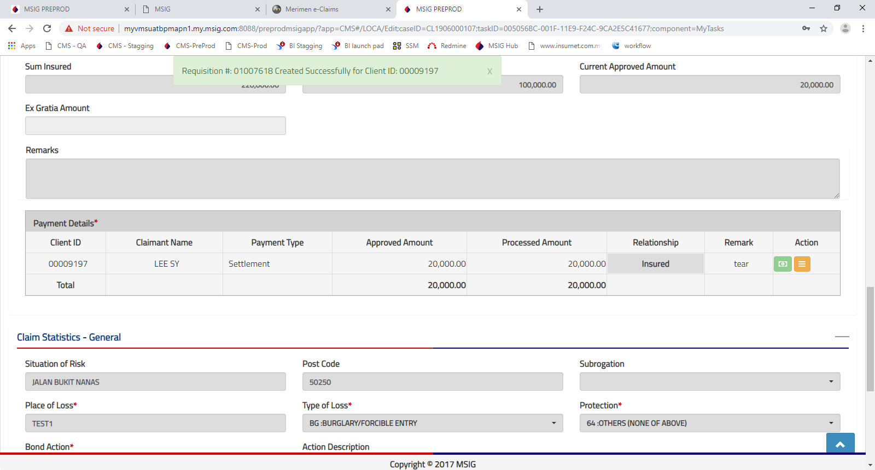
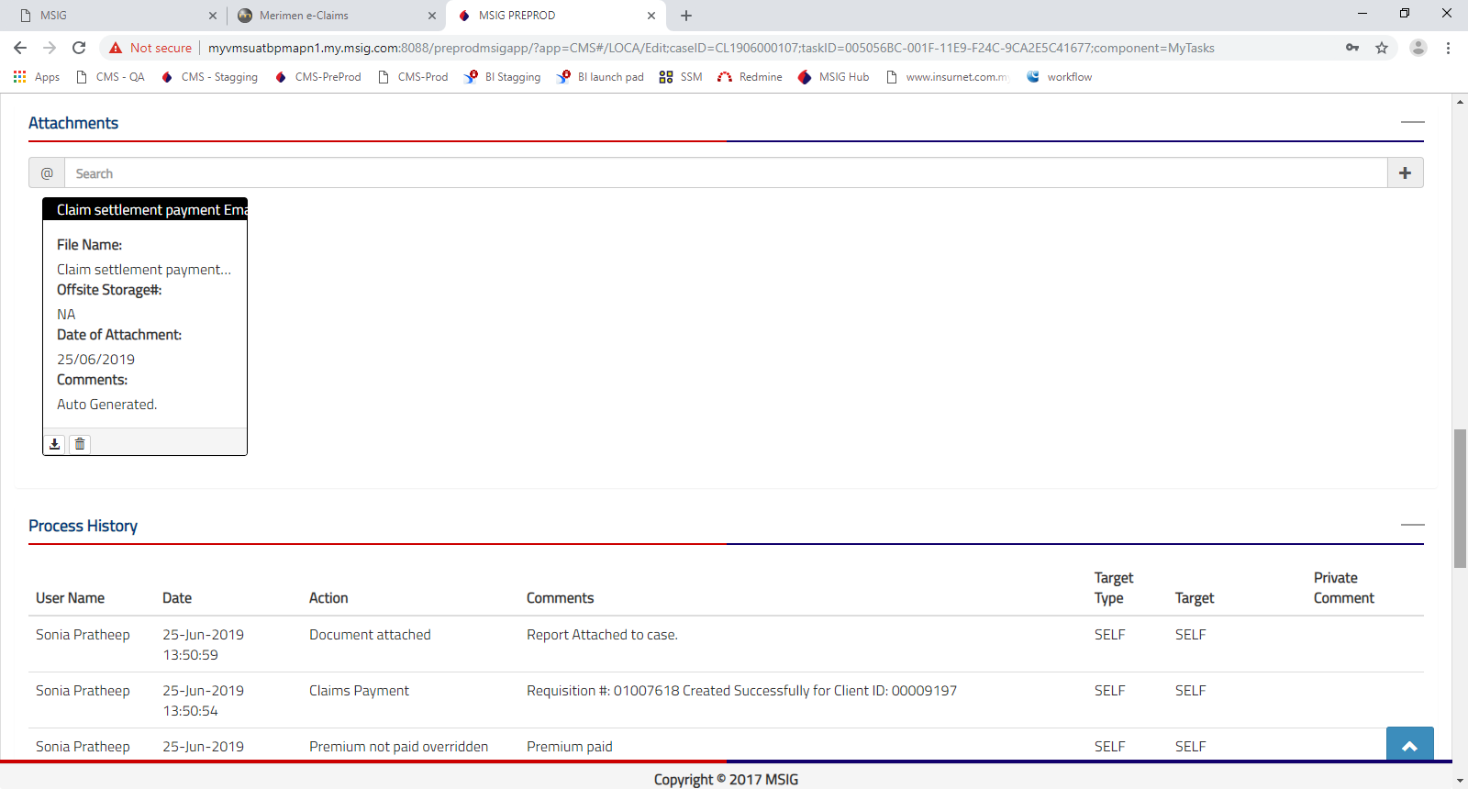
Current Steps
Closing of a case via payment flag Final (F)

1 | Click Create Payment Requisition in Payment Details
2 | If premium not Paid, there is an alert to CH to attach the necessary approval & complete the free text reason
3 | Capture the mandatory information.
4 | Capture payment flag as Final (F)
5 | If there is remaining reserve, a prompter will appear [Final Payment Confirmation]
6 | A prompter will appear [Confirm Create Requisition]
7 | A message of "Requsition successfully created" will appear
8 | Process History will be updated with requsition detail… "Requisition #: 01007618 Created Successfully for Client ID: 00009197"
9 | Process History will be updated with… Report Attached to case
10 | "Claim settlement payment Email to AH" letter will be attached to the case

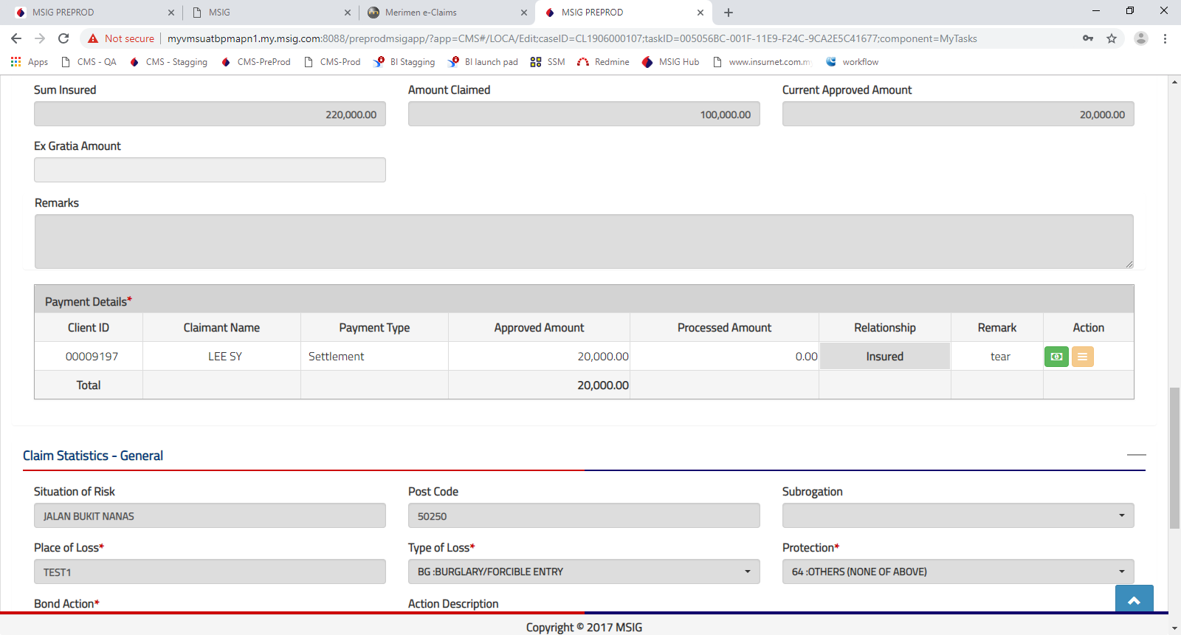

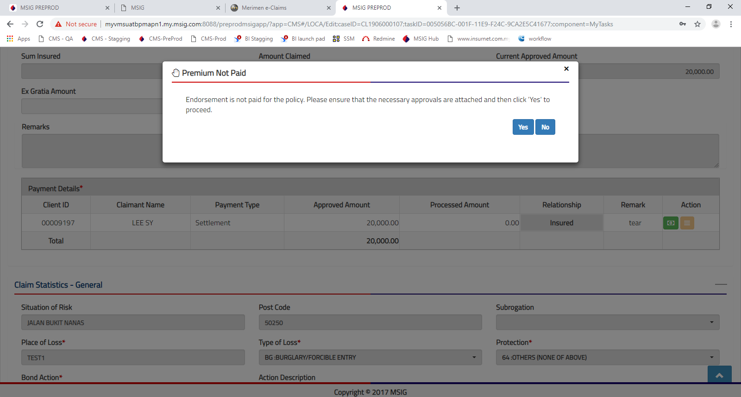

Work in progress :
Redmine 2039 Premium Check Bypass a) Override the premium
b) Bypass approval
There will be a dropdown reason for CH to select:
i) If the reason is available, CH is able to proceed with the selection and proceed with payment.
ii) If the reason is not available, case will be routed to DCEO/CEO. No changes towards SVP as Reviewer for all cases to DCEO/CEO.

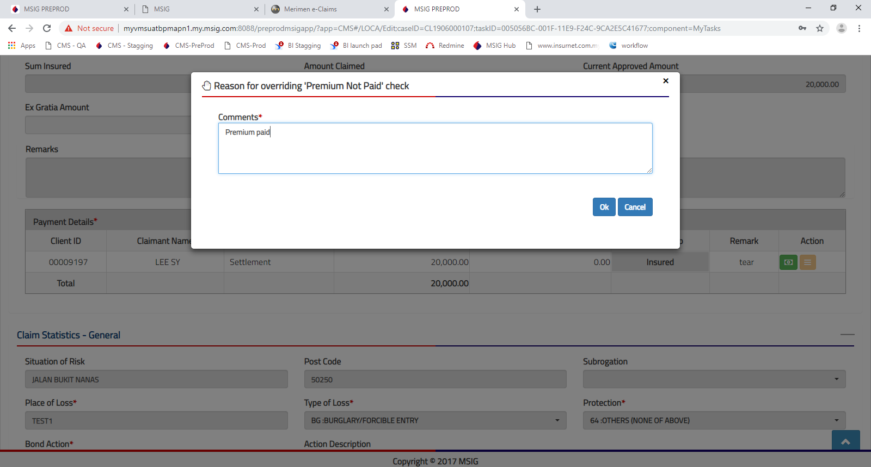

Work in progress :
Redmine 2039 Premium Check Bypass
This window will be replaced with Dropdown reasons

5.1
Future Steps
Closing of a case via payment flag Final (F)

Work in progress :
Redmine 2039 Premium Check Bypass a) Override the premium
b) Bypass approval
There will be a dropdown reason for CH to select:
i) If the reason is available, CH is able to proceed with the selection and proceed with payment.
ii) If the reason is not available, case will be routed to DCEO/CEO. No changes towards SVP as Reviewer for all cases to DCEO/CEO.

Work in progress :
Redmine 2039 Premium Check Bypass
This window will be replaced with Dropdown reasons

new | New Checklist Box will appear. It is mandatory for CH to complete the checklist

Target Implementation
 | Phase 1 - to agree on the Checklist template | Phase 2 - to set the default value | Phase 3 - to automate the value |  | Phase 4 - to review and amend Work Instruction / ICP, if necessary

Yes
Not
Applicable
 | CH to complete the form before he/she is able to Close the case. | Each LOB is different, default value is different, need concensus from all or value from each LOB | Validation for each product is diferrent. Need earlier phases to be finalised
 |  | Default value | Automate default value
Checklist for Closing of Claims File
1 | Claims Payment Made
a) | Insured's claim | Y | Y | Validation towards existing value in the case
b) | Third Party Claimant | Y | Y | Validation towards existing value in the case
c) | Reimbursement for Third Party Administrator | Y | N | Validation towards existing value in the case

2 | Fees Payment For Service Providers?
a) | Adjuster Fees | Y | Y | Validation towards existing value in the case
b) | Forensic Services | Y | Y | Validation towards existing value in the case
c) | Legal Fees | Y | Y | Validation towards existing value in the case
d) | Others | Y | Y | Validation towards existing value in the case

3 | Liaison With Underwriting / Business Units
a) | Risks Improvement Recommendations | Y | Y | Enhancement :New field in Case to capture and management RiM
b) | Claims Settlement Amount For SI Adjustment
b) | Inform BU/UW to reinstate premium/adjust Sum Insured | Y | Y | Enhancement : Auto send email

6 4 | Discharge Voucher
a) | Received From Insured | Y | Y | Validation towards existing value in the case. Naming convention
b) | Received From TP Claimant | N | Y | Validation towards existing value in the case. Naming convention
c) | Court Order | N | Y | Validation towards existing value in the case. Naming convention
Remarks

Clear
Submit
Cancel

