Node-Labels
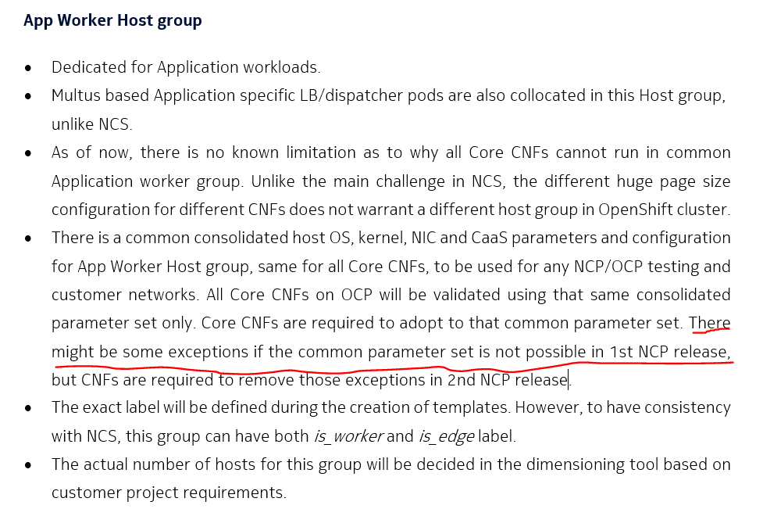
Back to Table of Content
 | Label | Gateway |  |  |  | Storage |  |  |  |  | appworker
 |  | gateway1.ncpwlk.paclyca01.mnc.mcc | gateway2.ncpwlk.paclyca01.mnc.mcc | gateway3.ncpwlk.paclyca01.mnc.mcc | gateway4.ncpwlk.paclyca01.mnc.mcc | storage0.ncpwlk.paclyca01.mnc.mcc | storage1.ncpwlk.paclyca01.mnc.mcc | storage2.ncpwlk.paclyca01.mnc.mcc | storage3.ncpwlk.paclyca01.mnc.mcc | storage4.ncpwlk.paclyca01.mnc.mcc | appworker0.ncpwlk.paclyca01.mnc.mcc | appworker1.ncpwlk.paclyca01.mnc.mcc | appworker2.ncpwlk.paclyca01.mnc.mcc | appworker3.ncpwlk.paclyca01.mnc.mcc | appworker4.ncpwlk.paclyca01.mnc.mcc | appworker5.ncpwlk.paclyca01.mnc.mcc | appworker6.ncpwlk.paclyca01.mnc.mcc | appworker7.ncpwlk.paclyca01.mnc.mcc | appworker8.ncpwlk.paclyca01.mnc.mcc | appworker9.ncpwlk.paclyca01.mnc.mcc | appworker10.ncpwlk.paclyca01.mnc.mcc | appworker11.ncpwlk.paclyca01.mnc.mcc | appworker12.ncpwlk.paclyca01.mnc.mcc | appworker13.ncpwlk.paclyca01.mnc.mcc | appworker14.ncpwlk.paclyca01.mnc.mcc | appworker15.ncpwlk.paclyca01.mnc.mcc | appworker16.ncpwlk.paclyca01.mnc.mcc | appworker17.ncpwlk.paclyca01.mnc.mcc | appworker18.ncpwlk.paclyca01.mnc.mcc | appworker19.ncpwlk.paclyca01.mnc.mcc | appworker20.ncpwlk.paclyca01.mnc.mcc | appworker21.ncpwlk.paclyca01.mnc.mcc | appworker22.ncpwlk.paclyca01.mnc.mcc | appworker23.ncpwlk.paclyca01.mnc.mcc | appworker24.ncpwlk.paclyca01.mnc.mcc | appworker25.ncpwlk.paclyca01.mnc.mcc | appworker26.ncpwlk.paclyca01.mnc.mcc | appworker27.ncpwlk.paclyca01.mnc.mcc | appworker28.ncpwlk.paclyca01.mnc.mcc | appworker29.ncpwlk.paclyca01.mnc.mcc | appworker30.ncpwlk.paclyca01.mnc.mcc | appworker31.ncpwlk.paclyca01.mnc.mcc | appworker32.ncpwlk.paclyca01.mnc.mcc | appworker33.ncpwlk.paclyca01.mnc.mcc | appworker34.ncpwlk.paclyca01.mnc.mcc
 | is_edge=true |  |  |  |  |  |  |  |  |  | x | x | x | x | x | x | x | x | x | x | x | x | x | x | x | x | x | x | x | x | x | x | x | x | x | x | x | x | x | x | x | x | x | x | x
 | is_worker=true |  |  |  |  |  |  |  |  |  | x | x | x | x | x | x | x | x | x | x | x | x | x | x | x | x | x | x | x | x | x | x | x | x | x | x | x | x | x | x | x | x | x | x | x
 | node-role.kubernetes.io/appworker : "" |  |  |  |  |  |  |  |  |  | x | x | x | x | x | x | x | x | x | x | x | x | x | x | x | x | x | x | x | x | x | x | x | x | x | x | x | x | x | x | x | x | x | x | x
 | node-role.kubernetes.io/gateway : "" | x | x | x | x
 | node-role.kubernetes.io/storage : "" |  |  |  |  | x | x | x | x | x
 | cluster.ocs.openshift.io/openshift-storage: "" |  |  |  |  | x | x | x | x | x
 | feature.node.kubernetes.io/network-sriov.capable: "true" |  |  |  |  |  |  |  |  |  | x | x | x | x | x | x | x | x | x | x | x | x | x | x | x | x | x | x | x | x | x | x | x | x | x | x | x | x | x | x | x | x | x | x | x
 | node-role.kubernetes.io/appworker-mcp-a: "" |  |  |  |  |  |  |  |  |  | x | x | x | x | x | x | x | x | x
 | node-role.kubernetes.io/appworker-mcp-b: "" |  |  |  |  |  |  |  |  |  |  |  |  |  |  |  |  |  |  | x | x | x | x | x | x | x | x | x
 | node-role.kubernetes.io/appworker-mcp-c: "" |  |  |  |  |  |  |  |  |  |  |  |  |  |  |  |  |  |  |  |  |  |  |  |  |  |  |  | x | x | x | x | x | x | x | x | x
 | node-role.kubernetes.io/appworker-mcp-d: "" |  |  |  |  |  |  |  |  |  |  |  |  |  |  |  |  |  |  |  |  |  |  |  |  |  |  |  |  |  |  |  |  |  |  |  |  | x | x | x | x | x | x | x | x
 | node-role.kubernetes.io/gateway-mcp-a: "" | x | x
 | node-role.kubernetes.io/gateway-mcp-b: "" |  |  | x | x
 | is_gateway=true | x | x | x | x
 | k8s.ovn.org/egress-assignable: "" | x | x | x | x

 | HostGroup As per Accord | Total Count |  |  | mcp-a |  | mcp-b |  | mcp-c |  | mcp-d |  | mcp-a |  | mcp-b |  | storage
 | CWL-Worker-Network | 35 |  |  | 9 |  | 9 |  | 9 |  | 8
 | Gateway nodes | 4 |  |  |  |  |  |  |  |  |  |  | 2 |  | 2
 | Storage |  |  |  |  |  |  |  |  |  |  |  |  |  |  |  | 5

CWL-MetalLB
Back to Table of Content
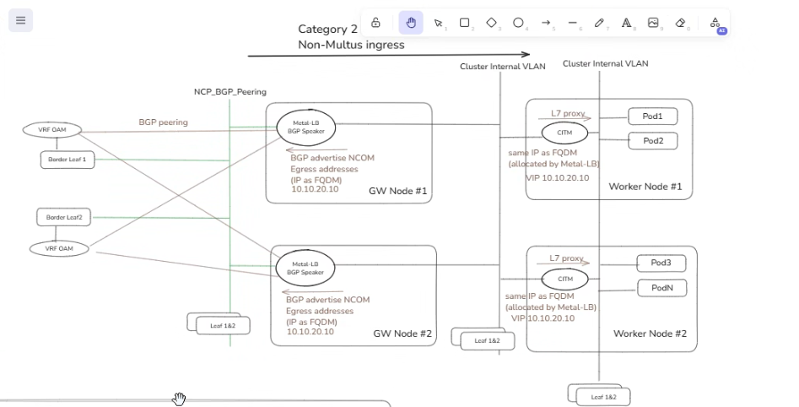

 | OAM VRF BGP Configuration
 | VLAN | Network_Name | VLAN_Subnet | BGP_Peer1_Address | BGP_Peer2_Address | BGP_PeerASN | BGP_Server_ASN | BGP_PeerPort | BGP Community | BFD_Status | BFD_Receive_Interval | BFD_Transmit_Interval | BFD_Detect_Multiplier | echoMode | BFD_PassiveMode | autoAssign | ipAddressPools
 | 104 | ncp-metallb-oam-pa-pa | 10.89.97.160 | 10.89.97.162 | 10.89.97.163 | 4200000320 | 4200000320 | 179 | You can set 65501:1 as a tenant community while advertising to fabric. Fabric will not add any community value while exporting to MetalLB, we will simply advertise default route(without setting any community value) unless you need more specific data. | Enable | 300 | 300 | 3 | FALSE | TRUE | FALSE | 10.89.101.128/27
 | 105 | ncp-metallb-oam-pa-hn | 10.89.147.192 | 10.89.147.194 | 10.89.147.195 | 4200000320 | 4200000320 | 179 | You can set 65501:1 as a tenant community while advertising to fabric. Fabric will not add any community value while exporting to MetalLB, we will simply advertise default route(without setting any community value) unless you need more specific data. | Enable | 300 | 300 | 3 | FALSE | TRUE | FALSE | 10.89.147.128/28
 | 106 | ncp-metallb-oam-pa-sv | 10.85.187.32 | 10.85.187.34 | 10.85.187.35 | 4200000320 | 4200000320 | 179 | You can set 65501:1 as a tenant community while advertising to fabric. Fabric will not add any community value while exporting to MetalLB, we will simply advertise default route(without setting any community value) unless you need more specific data. | Enable | 300 | 300 | 3 | FALSE | TRUE | FALSE | 10.85.186.240/28
 | 107 | ncp-metallb-oam-pa-ni | 10.86.10.96 | 10.86.10.98 | 10.86.10.99 | 4200000320 | 4200000320 | 179 | You can set 65501:1 as a tenant community while advertising to fabric. Fabric will not add any community value while exporting to MetalLB, we will simply advertise default route(without setting any community value) unless you need more specific data. | Enable | 300 | 300 | 3 | FALSE | TRUE | FALSE | 10.86.10.16/28

 | OAM (ingress-Egress SNAT, Metal LB BGP)
 | VRF | Subnet name | Vlan-ID | Host | IPv4 Address | CIDR | Port | Comments
 | PA_OAM | NCP_MetalLB_OAM_PA-PA | 104 | Network | 10.89.97.160 | /27 |  | Common-OAM-BGP-Egress-SNAT
 | PA_OAM | NCP_MetalLB_OAM_PA-PA | 104 | Gateway | 10.89.97.161 | /27
 | PA_OAM | NCP_MetalLB_OAM_PA-PA | 104 | B-Leaf1 | 10.89.97.162 | /27
 | PA_OAM | NCP_MetalLB_OAM_PA-PA | 104 | B-Leaf2 | 10.89.97.163 | /27
 | PA_OAM | NCP_MetalLB_OAM_PA-PA | 104 | GW Node 1 | 10.89.97.164 | /27
 | PA_OAM | NCP_MetalLB_OAM_PA-PA | 104 | GW Node 2 | 10.89.97.165 | /27
 | PA_OAM | NCP_MetalLB_OAM_PA-PA | 104 | GW Node 3 | 10.89.97.166 | /27
 | PA_OAM | NCP_MetalLB_OAM_PA-PA | 104 | GW Node 4 | 10.89.97.167 | /27
 | PA_OAM | NCP_MetalLB_OAM_PA-PA | 104 | NCOM-Egress-OAM-1 | 10.89.97.168 | /27
 | PA_OAM | NCP_MetalLB_OAM_PA-PA | 104 | NTAS paclypatsb01 | 10.89.97.169 | /27
 | PA_OAM | NCP_MetalLB_OAM_PA-PA | 104 | ENUM paclycattn01 | 10.89.97.170 | /27
 | PA_OAM | NCP_MetalLB_OAM_PA-PA | 104 | NPC paclypanpc01 | 10.89.97.171 | /27
 | PA_OAM | NCP_MetalLB_OAM_PA-PA | 104 | NCD-Egress-OAM-1 | 10.89.97.172 | /27
 | PA_OAM | NCP_MetalLB_OAM_PA-PA | 104 | Reserved for Future | 10.89.97.173-190 | /27
 | PA_OAM | NCP_MetalLB_OAM_PA-PA | 104 | Broadcast | 10.89.97.191 | /27
 | HN_OAM | NCP_MetalLB_OAM_PA-HN | 105 | Network | 10.89.147.192 | /27
 | HN_OAM | NCP_MetalLB_OAM_PA-HN | 105 | Gateway | 10.89.147.193 | /27
 | HN_OAM | NCP_MetalLB_OAM_PA-HN | 105 | B-Leaf1 | 10.89.147.194 | /27
 | HN_OAM | NCP_MetalLB_OAM_PA-HN | 105 | B-Leaf2 | 10.89.147.195 | /27
 | HN_OAM | NCP_MetalLB_OAM_PA-HN | 105 | GW Node 1 | 10.89.147.196 | /27
 | HN_OAM | NCP_MetalLB_OAM_PA-HN | 105 | GW Node 2 | 10.89.147.197 | /27
 | HN_OAM | NCP_MetalLB_OAM_PA-HN | 105 | GW Node 3 | 10.89.147.198 | /27
 | HN_OAM | NCP_MetalLB_OAM_PA-HN | 105 | GW Node 4 | 10.89.147.199 | /27
 | HN_OAM | NCP_MetalLB_OAM_PA-HN | 105 | egress NTAS paclyhntsb01 | 10.89.147.200 | /27
 | HN_OAM | NCP_MetalLB_OAM_PA-HN | 105 |  | 10.89.147.201 | /27
 | HN_OAM | NCP_MetalLB_OAM_PA-HN | 105 |  | 10.89.147.202 | /27
 | HN_OAM | NCP_MetalLB_OAM_PA-HN | 105 |  | 10.89.147.203 | /27
 | HN_OAM | NCP_MetalLB_OAM_PA-HN | 105 | Reserved for Future | 10.89.97.204-222 | /27
 | HN_OAM | NCP_MetalLB_OAM_PA-HN | 105 | Broadcast | 10.89.147.223 | /27
 | SV_OAM | NCP_MetalLB_OAM_PA-SV | 106 | Network | 10.85.187.32 | /27
 | SV_OAM | NCP_MetalLB_OAM_PA-SV | 106 | Gateway | 10.85.187.33 | /27
 | SV_OAM | NCP_MetalLB_OAM_PA-SV | 106 | B-Leaf1 | 10.85.187.34 | /27
 | SV_OAM | NCP_MetalLB_OAM_PA-SV | 106 | B-Leaf2 | 10.85.187.35 | /27
 | SV_OAM | NCP_MetalLB_OAM_PA-SV | 106 | GW Node 1 | 10.85.187.36 | /27
 | SV_OAM | NCP_MetalLB_OAM_PA-SV | 106 | GW Node 2 | 10.85.187.37 | /27
 | SV_OAM | NCP_MetalLB_OAM_PA-SV | 106 | GW Node 3 | 10.85.187.38 | /27
 | SV_OAM | NCP_MetalLB_OAM_PA-SV | 106 | GW Node 4 | 10.85.187.39 | /27
 | SV_OAM | NCP_MetalLB_OAM_PA-SV | 106 | egress 'NTAS paclysvtsb01 | 10.85.187.40 | /27
 | SV_OAM | NCP_MetalLB_OAM_PA-SV | 106 |  | 10.85.187.41 | /27
 | SV_OAM | NCP_MetalLB_OAM_PA-SV | 106 |  | 10.85.187.42 | /27
 | SV_OAM | NCP_MetalLB_OAM_PA-SV | 106 |  | 10.85.187.43 | /27
 | SV_OAM | NCP_MetalLB_OAM_PA-SV | 106 | Reserved for Future | 10.85.187.44-62 | /27
 | SV_OAM | NCP_MetalLB_OAM_PA-SV | 106 | Broadcast | 10.85.187.63 | /27
 | NI_OAM | NCP_MetalLB_OAM_PA-NI | 107 | Network | 10.86.10.96 | /27
 | NI_OAM | NCP_MetalLB_OAM_PA-NI | 107 | Gateway | 10.86.10.97 | /27
 | NI_OAM | NCP_MetalLB_OAM_PA-NI | 107 | B-Leaf1 | 10.86.10.98 | /27
 | NI_OAM | NCP_MetalLB_OAM_PA-NI | 107 | B-Leaf2 | 10.86.10.99 | /27
 | NI_OAM | NCP_MetalLB_OAM_PA-NI | 107 | GW Node 1 | 10.86.10.100 | /27
 | NI_OAM | NCP_MetalLB_OAM_PA-NI | 107 | GW Node 2 | 10.86.10.101 | /27
 | NI_OAM | NCP_MetalLB_OAM_PA-NI | 107 | GW Node 3 | 10.86.10.102 | /27
 | NI_OAM | NCP_MetalLB_OAM_PA-NI | 107 | GW Node 4 | 10.86.10.103 | /27
 | NI_OAM | NCP_MetalLB_OAM_PA-NI | 107 | egress NPC paclyninpc01 | 10.86.10.104 | /27
 | NI_OAM | NCP_MetalLB_OAM_PA-NI | 107 |  | 10.86.10.105 | /27
 | NI_OAM | NCP_MetalLB_OAM_PA-NI | 107 |  | 10.86.10.106 | /27
 | NI_OAM | NCP_MetalLB_OAM_PA-NI | 107 |  | 10.86.10.107 | /27
 | NI_OAM | NCP_MetalLB_OAM_PA-NI | 107 | Reserved for Future | 10.86.10.108-126 | /27
 | NI_OAM | NCP_MetalLB_OAM_PA-NI | 107 | Broadcast | 10.86.10.108-127 | /27

