Sheet1
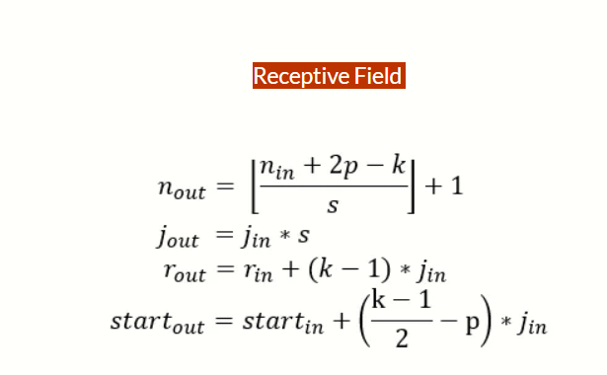
Kernel | Padding | Stride | Input size | Output Size | Receptive Field | JumpIn | JumpOut
0 | 0 | 1 | 32 | 32 | 1 | 1 | 1
3 | 1 | 1 | 32 | 32 | 3 | 1 | 1
3 | 1 | 1 | 32 | 32 | 5 | 1 | 1
3 | 1 | 1 | 32 | 32 | 7 | 1 | 1
2 | 0 | 2 | 32 | 16 | 8 | 1 | 2
3 | 1 | 1 | 16 | 16 | 12 | 2 | 2
3 | 1 | 1 | 16 | 16 | 16 | 2 | 2
3 | 1 | 1 | 16 | 16 | 20 | 2 | 2
3 | 0 | 2 | 16 | 8 | 24 | 2 | 4
2 | 0 | 2 | 8 | 4 | 28 | 4 | 8
3 | 0 | 1 | 4 | 2 | 44 | 8 | 8
3 | 1 | 1 | 2 | 2 | 60 | 8 | 8
2 | 0 | 2 | 2 | 1 | 68 | 8 | 16
3 | 0 | 1 | 1 | -1 | 100 | 16 | 16
3 | 0 | 1 | -1 | -3 | 132 | 16 | 16
3 | 0 | 1 | -3 | -5 | 164 | 16 | 16
3 | 0 | 1 | -5 | -7 | 196 | 16 | 16
3 | 0 | 1 | -7 | -9 | 228 | 16 | 16
3 | 0 | 1 | -9 | -11 | 260 | 16 | 16
3 | 0 | 1 | -11 | -13 | 292 | 16 | 16
3 | 0 | 1 | -13 | -15 | 324 | 16 | 16
3 | 0 | 1 | -15 | -17 | 356 | 16 | 16
3 | 0 | 1 | -17 | -19 | 388 | 16 | 16
3 | 0 | 1 | -19 | -21 | 420 | 16 | 16
3 | 0 | 1 | -21 | -23 | 452 | 16 | 16
3 | 0 | 1 | -23 | -25 | 484 | 16 | 16
3 | 0 | 1 | -25 | -27 | 516 | 16 | 16
3 | 0 | 1 | -27 | -29 | 548 | 16 | 16
3 | 0 | 1 | -29 | -31 | 580 | 16 | 16
3 | 0 | 1 | -31 | -33 | 612 | 16 | 16
3 | 0 | 1 | -33 | -35 | 644 | 16 | 16

