Fiori Screens
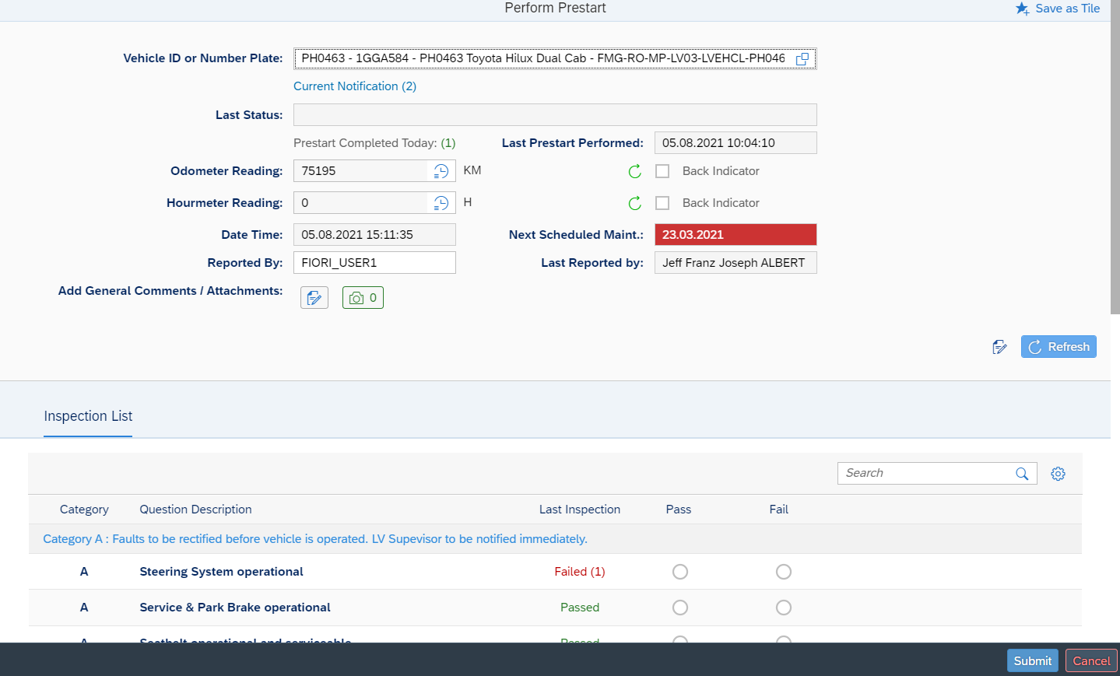
S.No | Prestart | Screen title | Details
1 | Vehicle Prestart

