Sheet1
1.What is a ETL? ETL stands for Extract, Transform, Load. It refers to a process used in data management and data integration that involves extracting data from various sources, transforming it into a suitable format, and then loading it into a target database or data warehouse for analysis, reporting, and other purposes.
2.What is ELT? ELT stands for Extract, Load, Transform. It is a data integration process similar to ETL, but with a slightly different approach to handling data. In ELT, the order of operations is rearranged compared to ETL
3.List out various tools in ETL? Apache Nifi,Talend,Apache Spark,Microsoft SQL Server Integration Services(SSIC),Informatica PowerCenter, IBM InfoSphere Datastorage,Apache Airflow,Pentaho Data Intergration,AWS Glue,Google Cloud Dataflow,Matillion,SnapLogic,CloverETL,Talend Cloud<Databricks.

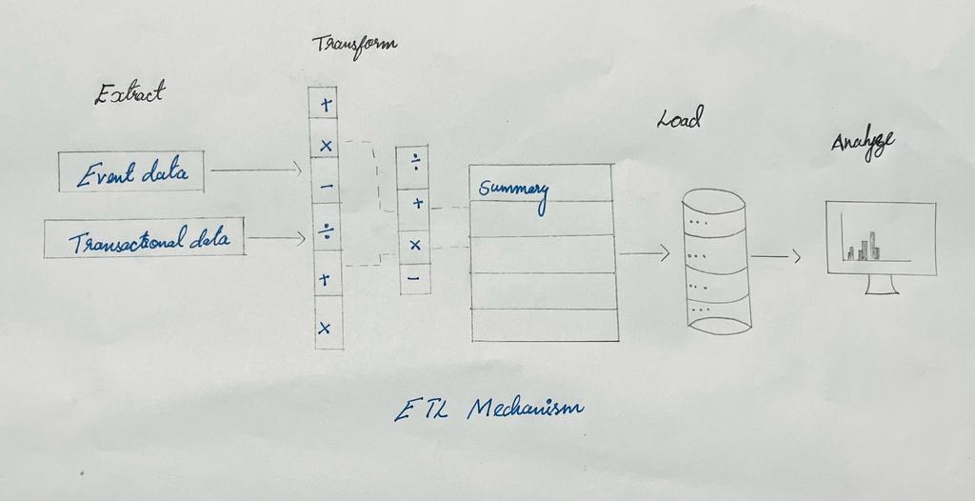
4.Draw the mechanism of ETL?

5.What is a datalake? A data lake is a centralized repository that allows you to store vast amounts of structured, semi-structured, and unstructured data at any scale. It is designed to handle data in its raw, native format, without the need for extensive preprocessing or schema imposition. The concept of a data lake is in contrast to traditional data warehouses, which often require data to be structured and preprocessed before storage.
6.What is a data warehouse? A data warehouse is a centralized and integrated repository of data that is specifically designed for supporting business intelligence (BI), reporting, data analysis, and decision-making processes. Unlike data lakes that can store raw and unprocessed data, data warehouses store data in a structured and organized format that is optimized for querying and analysis. Data warehouses play a critical role in transforming raw data into actionable insights for organizations.
7.OLTP VS OLAP? OLTP databases are designed for managing and processing day-to-day operational transactions in real time. These transactions are typically short and frequent, involving tasks like inserting, updating, and deleting individual records. OLTP databases focus on maintaining data accuracy, ensuring data integrity, and supporting concurrent access by multiple users. OLAP databases are designed for complex data analysis and reporting. They focus on providing fast query response times for analytical tasks that involve aggregations, comparisons, and trend analysis. OLAP systems are used to extract insights from large volumes of historical data.
8.What are all the various analytical tools that can be connected with Datawarehouse? Tableau,Power BI,QlikView?Qlik Sense,Looker,Microstraegy,Sisense,Dommo,Yellowfin,Mode Analytics,Cognos Analytics,Google datat studio,Superset,Zoomdata.

9.Explain the different stages used in ETL? 1.Extration- Data extration,Data profilling. 2.Transformation-DataCleaning,DataValidation,DataTransformation,Data Transformation,Data Aggregation,Data Enrichment,Data Quality Checks. 3.Loading-Staging,Loading,Indexs and Keys,Data Intergity Checks. 4.Post-Processing.Error Handling,Auditing and Logging.5.Monitoring and Maintence-Performance Monitoring,Data Refresh,Data Lineage and Documentation.
10.Explain 3 use cases for NOSQL? NoSQL (Not Only SQL) databases are designed to handle large volumes of diverse and unstructured data, offering flexible data models and horizontal scalability. They are well-suited for scenarios where traditional relational databases may not be the most efficient choice.
11.What are all the characteristics of a nosql? 1.Scalability,2.High Availability and Fault Tolerance.3.flexible Data Models,4.Low Latency,5.Distributed Architecture,6.Schema-on-Read,7.Variety od Data Models,8.High Write Throughput,9.Polyglot Persistence,10.Use Case-Specific Optimization,11.Data Distribution and Replication,12.Open Source and Community-Driven.
12.What are all the tools used to analyse nosql? 1.Query Language and APIs, MongoDB,CQL,N1QL,Gremlin. 2.NoSQL Database Clients. 3.Data Visualization Tools. 4.ETL and Data Integration Tools. 5.Monitoring and Management Tools.6.NoSQL-Specific Analytics Platforms. 7.Customer Scripts and APIs. 8.Third-party Integration.

