sales_by_region
Sales by Region
region | total_loss | total_profit | net_profit
West | $(22,720.96) | $131,125.34 | $108,404.38
East | $(49,578.55) | $140,932.43 | $91,353.88
South | $(27,504.83) | $74,054.03 | $46,549.20
Central | $(56,314.89) | $96,021.25 | $39,706.36

sales_by_category
Sales by Category
category | total_loss | total_profit | net_profit
Technology | $(38,579.92) | $183,966.05 | $145,386.13
Office Supplies | $(56,615.26) | $178,862.66 | $122,247.40
Furniture | $(60,924.05) | $79,304.33 | $18,380.28

discount vs profit
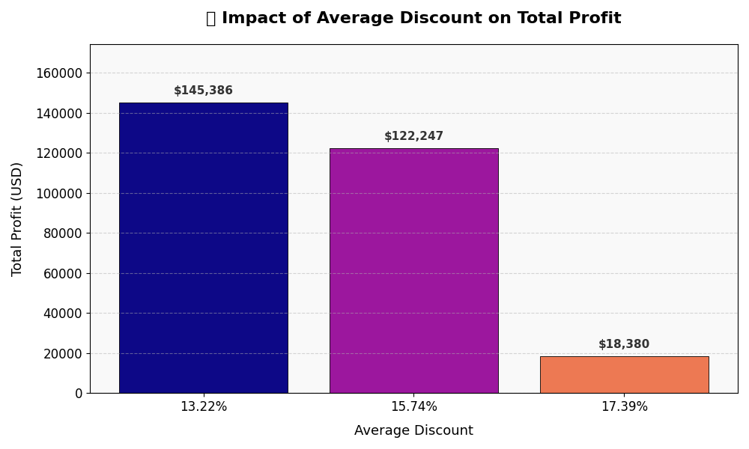
category | avg_discount | total_profit | loss_orders
Technology | 13.22% | $145,386.13 | 271
Office Supplies | 15.74% | $122,247.40 | 886
Furniture | 17.39% | $18,380.28 | 713

KPI dashboard
KPI DASHBOARD

Total sales
Total Profit
Profit Margin

$2,295,509.57
$286,013.82
12.46%

Profit Making Product
Profit Making Category
AOV

Canon imageCLASS 2200 Advanced Copier
Sales by Category
 | total_loss | total_profit | net_profit
Technology | $(38,579.92) | $183,966.05 | $145,386.13
Office Supplies | $(56,615.26) | $178,862.66 | $122,247.40
Furniture | $(60,924.05) | $79,304.33 | $18,380.28
Technology
$458.09

Loss Making Product
Loss Orders
Loss Making Category

Cubify CubeX 3D Printer Double Head Print
18.73%
Furniture

