Sheet4
VACCINATION REPORT
 |  |  |  |  |  | Row Labels | Sum of Total Cases | Sum of Active | Sum of Discharged | Sum of Deaths
Row Labels | Sum of partial_vaccinated | Sum of totally_vaccinated | Sum of Precaution Dose |  |  | Goa | 2633731 | 51 | 259354 | 4014
Goa | 1440045 | 1295735 | 138697 |  |  | Grand Total | 2633731 | 51 | 259354 | 4014
Grand Total | 1440045 | 1295735 | 138697

CASE STATUS

TOTAL CASES

 |  |  |  | Row Labels | Sum of Total Cases
 |  |  |  | Goa | 2633731
 |  |  |  | Grand Total | 2633731

FINAL DASHBOARD
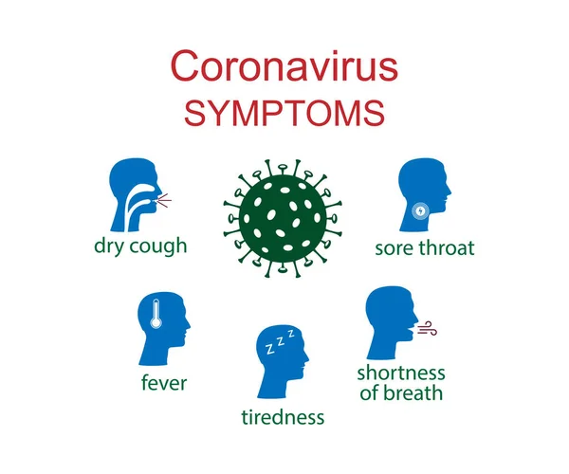

COVID 19 INDIA 2023





CASE STATUS
 | Sum of Total Cases | Sum of Active | Sum of Discharged | Sum of Deaths
Goa | 2633731 | 51 | 259354 | 4014
VACCINATION REPORT
 | Sum of partial_vaccinated | Sum of totally_vaccinated | Sum of Precaution Dose
Goa | 1440045 | 1295735 | 138697

