revenue_by_category
Revenue by Category
category | total_revenue | total_orders | avg_order_value
Electronics | 655231.6 | 83 | 7894.36
Footwear | 173120 | 21 | 8243.81
Clothing | 120386.5 | 39 | 3086.83
Health | 84030.75 | 17 | 4942.99
Accessories | 82217.7 | 26 | 3162.22
Sports | 73386.45 | 34 | 2158.42
Bags | 69106.8 | 17 | 4065.11
Beauty | 53675.95 | 49 | 1095.43
Stationery | 12916.8 | 14 | 922.63

monthly_sales
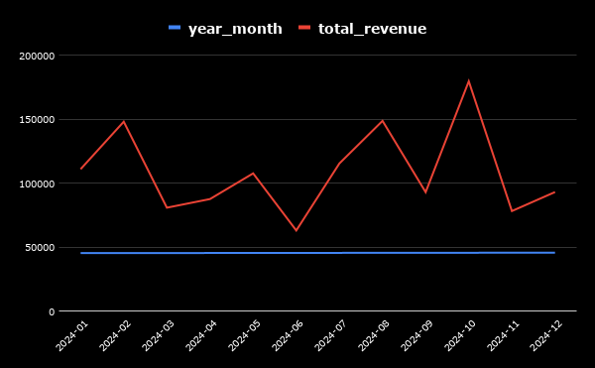
year_month | total_revenue | total_orders | mom_growth_pct
2024-01-01 | 111020.7 | 20 | 0
2024-02-01 | 148159.25 | 28 | 33.45
2024-03-01 | 80849.45 | 22 | -45.43
2024-04-01 | 87604.35 | 17 | 8.35
2024-05-01 | 107706.75 | 28 | 22.95
2024-06-01 | 63012.9 | 17 | -41.5
2024-07-01 | 115468.9 | 29 | 83.25
2024-08-01 | 148798.05 | 30 | 28.86
2024-09-01 | 92992.6 | 19 | -37.5
2024-10-01 | 179786.15 | 32 | 93.33
2024-11-01 | 78221.05 | 24 | -56.49
2024-12-01 | 93088.95 | 25 | 19.01

aov_by_region
Average Order Value by Region
region | total_revenue | total_orders | avg_order_value
East | 275155.35 | 47 | 5854.37
West | 259929.5 | 57 | 4560.17
North | 194984.15 | 44 | 4431.46
South | 202975.9 | 51 | 3979.92
Unknown | 391027.65 | 101 | 3871.56

order_status
status | total_orders | total_revenue | order_percentage
Cancelled | 40 | 219011.75 | 13.33
Completed | 187 | 817847.35 | 62.33
Order Status Analysis
Pending | 38 | 135228.85 | 12.67
Returned | 35 | 151984.6 | 11.67

