Login
Topic Description: Login Verification
Test Scenation | To check the login process
Test ID | TC_L

 | **Employee Details will be uploaded manually through dashboard

 | Password based login
Test ID | Test Case | Test Data | Steps | Expected Result | Actual Result | Status
 | To verify with valid credentials |  | 1) Go to Vantage circle log in page 2) Add valid username and password and Click Login | 1) Login page appears 2) User logs in to the platform | User logs in to the platform
 | To verify if a user can login with Invalid credentials |  | 1) Go to Vantage circle log in page 2) Add invalid username and password and Click Login | 1) Login page appears 2) Error pops up : User details not found | User is unable to log in
 | To verify if a user can login with Empty credentials |  | 1) Go to Vantage circle log in page 2) Click on 'Login' | 1) Login page appears 2) Error pops up: Email address cannot be blank and password cannot be blank | User is unable to log in
 | To verify if the Password is visible |  | 1) Go to Vantage circle log in page 2) Add valid username and password [password is hidden] 3) Click on password visibility button | 1) Login page appears 2) Username and password is added 3) Password is visible
 | To verify if the account gets locked if multiple incorrect entries |  | 1) Go to Vantage circle log in page 2) Add Valid username and incorrect password and Click Login 3) Click on Login Multiple times | 1) Login page appears 2) Error pops up : You have entered an invalid email or password 3) Error pops up : Your account has been locked | User is blocked
 | To verify if the Forgot password button is working correctly |  | 1) Go to Vantage circle log in page 2) Click on Forgot password 3) Add email and submit | 1) Login page appears 2) Forgot password assistance window pops up 3) User receives mail to change the password | Password is changed

 | SSO based login
Test ID | Test Case | Test Data | Steps | Expected Result | Actual Result | Status

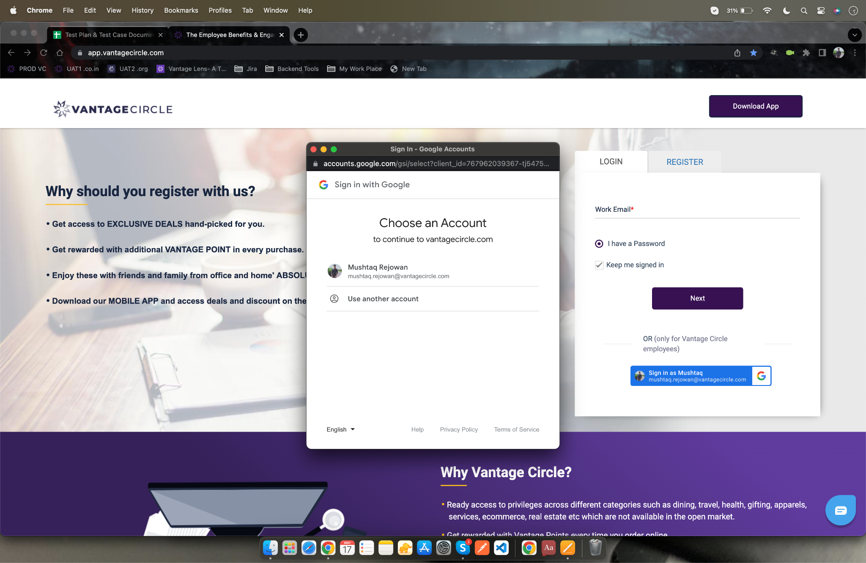
 | To verify with SSO based login |  | 1) Go to company URL Vantage circle page 2) Click on sign in link 3) Select mail account | 1) User is redirected to company's vantage circle log in page 2) Sign in menu appears 3) User navigates to home page

