averagePrecisions
dataset | embedding_method | reference_vector | euclidian | cosine | minkowski | mahalanobis | braycurtis | canberra | chebyshev | cityblock | correlation
RMV | FeatherGraph | mean | 0.22 | 0.2 | 0.23 | 0.24 | 0.23 | 0.24 | 0.22 | 0.23 | 0.21
RMV | FeatherGraph | initial | 0.25 | 0.25 | 0.25 | 0.3 | 0.24 | 0.22 | 0.24 | 0.25 | 0.25
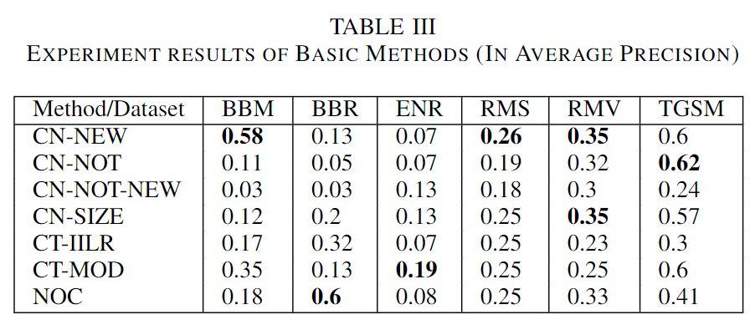
RMV | GL2Vec | mean | 0.41 | 0.46 | 0.45 | 0.26 | 0.5 | 0.46 | 0.67 | 0.45 | 0.49
RMV | GL2Vec | initial | 0.45 | 0.42 | 0.49 | 0 | 0.35 | 0.32 | 0.35 | 0.49 | 0.41
RMV | Graph2Vec | mean | 0.48 | 0.46 | 0.48 | 0 | 0.43 | 0.46 | 0.46 | 0.48 | 0.46
RMV | Graph2Vec | initial | 0.34 | 0.42 | 0.35 | 0 | 0.27 | 0.23 | 0.39 | 0.35 | 0.42
RMV | LDP | mean | 0.23 | 0.21 | 0.23 | 0 | 0.23 | 0.22 | 0.22 | 0.23 | 0.21
RMV | LDP | initial | 0.2 | 0.22 | 0.2 | 0 | 0.2 | 0.21 | 0.2 | 0.2 | 0.23
RMS | FeatherGraph | mean | 0.23 | 0.23 | 0.22 | 0 | 0.23 | 0.22 | 0.23 | 0.22 | 0.23
RMS | FeatherGraph | initial | 0.25 | 0.25 | 0.24 | 0 | 0.24 | 0.23 | 0.25 | 0.24 | 0.25
RMS | GL2Vec | mean | 0.45 | 0.49 | 0.44 | 0.41 | 0.37 | 0.38 | 0.42 | 0.44 | 0.5
RMS | GL2Vec | initial | 0.49 | 0.56 | 0.47 | 0 | 0.36 | 0.29 | 0.63 | 0.47 | 0.55
RMS | Graph2Vec | mean | 0.3 | 0.22 | 0.29 | 0.27 | 0.28 | 0.28 | 0.3 | 0.29 | 0.16
RMS | Graph2Vec | initial | 0.21 | 0.22 | 0.21 | 0 | 0.21 | 0.21 | 0.22 | 0.21 | 0.22
RMS | LDP | mean | 0.39 | 0.21 | 0.41 | 0 | 0.22 | 0.22 | 0.37 | 0.41 | 0.21
RMS | LDP | initial | 0.21 | 0.24 | 0.21 | 0 | 0.21 | 0.21 | 0.21 | 0.21 | 0.24
ENRON | FeatherGraph | mean | 0 | 0 | 0 | 0 | 0 | 0 | 0 | 0 | 0
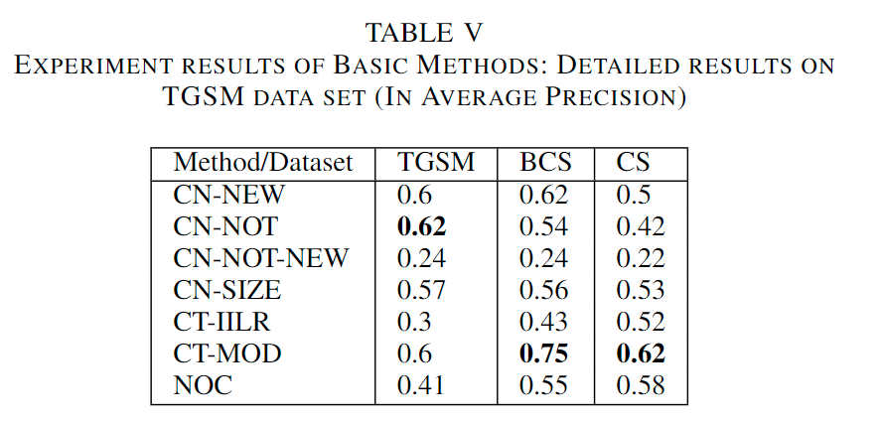
ENRON | FeatherGraph | initial | 0 | 0 | 0 | 0 | 0 | 0 | 0 | 0 | 0
ENRON | GL2Vec | mean | 0.12 | 0.2 | 0.12 | 0.09 | 0.12 | 0.14 | 0.12 | 0.12 | 0.2
ENRON | GL2Vec | initial | 0.12 | 0.2 | 0.12 | 0 | 0.11 | 0.11 | 0.12 | 0.12 | 0.2
ENRON | Graph2Vec | mean | 0.18 | 0.2 | 0.17 | 0.24 | 0.15 | 0.17 | 0.14 | 0.17 | 0.2
ENRON | Graph2Vec | initial | 0.16 | 0.2 | 0.15 | 0 | 0.15 | 0.24 | 0.14 | 0.15 | 0.2
ENRON | LDP | mean | 0 | 0 | 0 | 0 | 0 | 0 | 0 | 0 | 0
ENRON | LDP | initial | 0 | 0 | 0 | 0 | 0 | 0 | 0 | 0 | 0
CS | FeatherGraph | mean | 0.48 | 0.65 | 0.49 | 0 | 0.5 | 0.51 | 0.49 | 0.49 | 0.65
CS | FeatherGraph | initial | 0.39 | 0.39 | 0.42 | 0 | 0.4 | 0.47 | 0.39 | 0.42 | 0.4
CS | GL2Vec | mean | 0.46 | 0.56 | 0.47 | 0.29 | 0.54 | 0.49 | 0.52 | 0.47 | 0.55
CS | GL2Vec | initial | 0.41 | 0.48 | 0.44 | 0 | 0.5 | 0.48 | 0.45 | 0.44 | 0.49
CS | Graph2Vec | mean | 0.46 | 0.46 | 0.49 | 0 | 0.46 | 0.45 | 0.58 | 0.49 | 0.47
CS | Graph2Vec | initial | 0.46 | 0.46 | 0.5 | 0 | 0.54 | 0.5 | 0.5 | 0.5 | 0.45
CS | LDP | mean | 0.47 | 0.32 | 0.48 | 0 | 0.48 | 0.49 | 0.47 | 0.48 | 0
CS | LDP | initial | 0.59 | 0.52 | 0.59 | 0 | 0.59 | 0.49 | 0.59 | 0.59 | 0.39
BCS | Graph2Vec | mean | 0.59 | 0.53 | 0.65 | 0 | 0.57 | 0.55 | 0.41 | 0.65 | 0.53
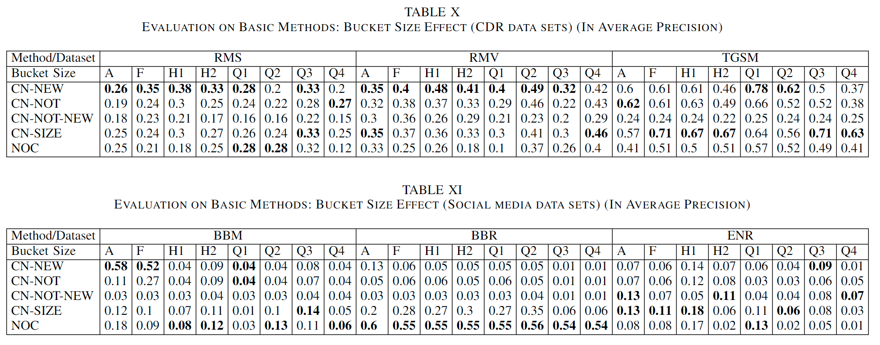
BCS | Graph2Vec | initial | 0.46 | 0.44 | 0.48 | 0 | 0.46 | 0.48 | 0.38 | 0.48 | 0.43
TGSM | Graph2Vec | mean | 0.59 | 0.45 | 0.55 | 0.28 | 0.53 | 0.5 | 0.5 | 0.55 | 0.5
TGSM | Graph2Vec | initial | 0.5 | 0.47 | 0.5 | 0 | 0.51 | 0.43 | 0.48 | 0.5 | 0.42
BBR | Graph2Vec | mean | 0.08 | 0.05 | 0.08 | 0.04 | 0.08 | 0.08 | 0.12 | 0.08 | 0.05
BBR | Graph2Vec | initial | 0.06 | 0.07 | 0.06 | 0 | 0.06 | 0.07 | 0.05 | 0.06 | 0.06

Line Graph:
dataset | embedding_method | reference_vector | euclidian | cosine | minkowski | mahalanobis | braycurtis | canberra | chebyshev | cityblock | correlation
RMV | Graph2Vec | mean | 0.44 | 0.44 | 0.44 | 0.25 | 0.56 | 0.63 | 0.44 | 0.44 | 0.44
RMV | Graph2Vec | initial | 0.45 | 0.35 | 0.46 | 0 | 0.3 | 0.32 | 0.43 | 0.46 | 0.35
RMV | LDP | mean | 0.27 | 0.21 | 0.32 | 0 | 0.23 | 0.23 | 0.21 | 0.32 | 0.21
RMV | LDP | initial | 0.2 | 0.24 | 0.21 | 0 | 0.2 | 0.22 | 0.2 | 0.21 | 0.24
RMV | FeatherGraph | mean | 0.22 | 0.21 | 0.23 | 0 | 0.23 | 0.22 | 0.22 | 0.23 | 0.22
RMV | FeatherGraph | initial | 0.24 | 0.25 | 0.25 | 0 | 0.27 | 0.23 | 0.24 | 0.25 | 0.24
RMS | Graph2Vec | mean | 0.29 | 0.39 | 0.28 | 0.28 | 0.26 | 0.28 | 0.3 | 0.28 | 0.39
RMS | Graph2Vec | initial | 0.26 | 0.46 | 0.27 | 0 | 0.23 | 0.22 | 0.22 | 0.27 | 0.46
RMS | LDP | mean | 0.36 | 0.2 | 0.37 | 0 | 0.22 | 0.22 | 0.36 | 0.37 | 0.21
RMS | LDP | initial | 0.2 | 0.21 | 0.2 | 0 | 0.2 | 0.21 | 0.2 | 0.2 | 0.21
RMS | FeatherGraph | mean | 0.25 | 0.26 | 0.25 | 0 | 0.25 | 0.24 | 0.25 | 0.25 | 0.26
RMS | FeatherGraph | initial | 0.25 | 0.26 | 0.26 | 0 | 0.27 | 0.25 | 0.25 | 0.26 | 0.26
ENRON | Graph2Vec | mean | 0.07 | 0.1 | 0.07 | 0.05 | 0.07 | 0.08 | 0.07 | 0.07 | 0.1
ENRON | Graph2Vec | initial | 0.07 | 0.1 | 0.07 | 0 | 0.07 | 0.07 | 0.07 | 0.07 | 0.1
ENRON | LDP | mean | 0 | 0 | 0 | 0 | 0 | 0 | 0 | 0 | 0
ENRON | LDP | initial | 0 | 0 | 0 | 0 | 0 | 0 | 0 | 0 | 0
ENRON | FeatherGraph | mean | 0 | 0 | 0 | 0 | 0 | 0 | 0 | 0 | 0
ENRON | FeatherGraph | initial | 0 | 0 | 0 | 0 | 0 | 0 | 0 | 0 | 0
CS | Graph2Vec | mean | 0.42 | 0.42 | 0.38 | 0.67 | 0.48 | 0.4 | 0.63 | 0.38 | 0.4
CS | Graph2Vec | initial | 0.44 | 0.45 | 0.44 | 0 | 0.48 | 0.5 | 0.44 | 0.44 | 0.49
CS | LDP | mean | 0.48 | 0.45 | 0.5 | 0 | 0.48 | 0.55 | 0.48 | 0.5 | 0.6
CS | LDP | initial | 0.59 | 0.6 | 0.59 | 0 | 0.59 | 0.52 | 0.59 | 0.59 | 0.51
CS | FeatherGraph | mean | 0.54 | 0.63 | 0.54 | 0 | 0.55 | 0.49 | 0.49 | 0.54 | 0.5
CS | FeatherGraph | initial | 0.54 | 0.5 | 0.54 | 0.4 | 0.54 | 0.57 | 0.5 | 0.54 | 0.5

