Task1
B-DACM-S-0.1 scoring sheet

 | Table dimensions |  |  | Tablecloth dimensions
 | Length | 120 |  | Length | 240
 | Width | 70 |  | Width | 145

 |  |  |  | 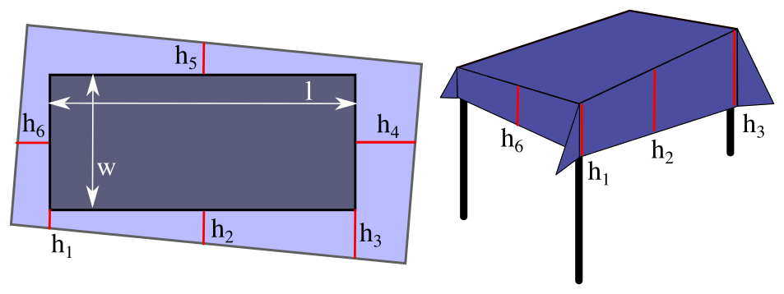 |  |  |  |  |  |  |  |  | Indicate planned grasping points
 |  |  |  |  |  |  |  |  |  |  |  |  | 
Starting config. | Success [MAN] (1 | 0) | Success [GR2] (1 | 0) | Success [GR1] (1 | 0) | h1 | h2 | h3 | h4 | h5 | h6 | Quality function rotation | Quality function in length | Quality function in width | Time in sec | Force measures (norm in N) |  |  | Assumptions | Used (YES | NO) | Assumptions | Used (YES | NO) | New assumptions
 |  |  |  |  |  |  |  |  |  |  |  |  |  | min | avg | max
[pg2] |  |  |  |  |  |  |  |  |  | 0 | 0 | 0 |  |  |  |  | Table color
 |  |  |  |  |  |  |  |  |  | 0 | 0 | 0 |  |  |  |  | Table position
 |  |  |  |  |  |  |  |  |  | 0 | 0 | 0 |  |  |  |  | Illumination changes
 |  |  |  |  |  |  |  |  |  | 0 | 0 | 0 |  |  |  |  | Tablecloth color
 |  |  |  |  |  |  |  |  |  | 0 | 0 | 0 |  |  |  |  | Tablecloth dimensions

Summary: | 0.00% |  |  |  |  |  |  |  |  | - | - | - | avg: - | avg: - | avg: - | avg: - | Assumptions: | 0/5 | New assumptions: |  | NO
 |  |  |  |  |  |  |  |  |  |  |  |  | var: - | var: - | var: - | var: -

Starting config. | Success [MAN] (1 | 0) | Success [GR2] (1 | 0) | Success [GR1] (1 | 0) | h1 | h2 | h3 | h4 | h5 | h6 | Quality function rotation | Quality function in length | Quality function in width | Time in sec | Force measures (norm in N) |  |  | Assumptions | Used (YES | NO) | Assumptions | Used (YES | NO) | New assumptions
 |  |  |  |  |  |  |  |  |  |  |  |  |  | min | avg | max
[pg1] |  |  |  |  |  |  |  |  |  | 0 | 0 | 0 |  |  |  |  | Table color |  | Folded to make robot grasp short edge of tablecloth
 |  |  |  |  |  |  |  |  |  | 0 | 0 | 0 |  |  |  |  | Table position |  | Illumination changes
 |  |  |  |  |  |  |  |  |  | 0 | 0 | 0 |  |  |  |  | Object position
 |  |  |  |  |  |  |  |  |  | 0 | 0 | 0 |  |  |  |  | Tablecloth color
 |  |  |  |  |  |  |  |  |  | 0 | 0 | 0 |  |  |  |  | Tablecloth dimensions

Summary: | 0.00% | 0.00% |  |  |  |  |  |  |  | - | - | - | avg: - | avg: - | avg: - | avg: - | Assumptions: | 0/7 | New assumptions: |  | NO
 |  |  |  |  |  |  |  |  |  |  |  |  | var: - | var: - | var: - | var: -

Starting config. | Success [MAN] (1 | 0) | Success [GR2] (1 | 0) | Success [GR1] (1 | 0) | h1 | h2 | h3 | h4 | h5 | h6 | Quality function rotation | Quality function in length | Quality function in width | Time in sec | Force measures (norm in N) |  |  | Assumptions | Used (YES | NO) | Assumptions | Used (YES | NO) | New assumptions
 |  |  |  |  |  |  |  |  |  |  |  |  |  | min | avg | max
[cr] |  |  |  |  |  |  |  |  |  | 0 | 0 | 0 |  |  |  |  | Table color |  | Grasp points visible on table
 |  |  |  |  |  |  |  |  |  | 0 | 0 | 0 |  |  |  |  | Table position |  | Illumination changes
 |  |  |  |  |  |  |  |  |  | 0 | 0 | 0 |  |  |  |  | Object position |  | Cloth placed to make robot grasp the short edge of tablecloth
 |  |  |  |  |  |  |  |  |  | 0 | 0 | 0 |  |  |  |  | Tablecloth color
 |  |  |  |  |  |  |  |  |  | 0 | 0 | 0 |  |  |  |  | Tablecloth dimensions

Summary: | 0.00% | 0.00% | 0.00% |  |  |  |  |  |  | - | - | - | avg: - | avg: - | avg: - | avg: - | Assumptions: | 0/8 | New assumptions: |  | NO
 |  |  |  |  |  |  |  |  |  |  |  |  | var: - | var: - | var: - | var: -

Starting config. | Success [MAN] (1 | 0) | Success [GR2] (1 | 0) | Success [GR1] (1 | 0) | h1 | h2 | h3 | h4 | h5 | h6 | Quality function rotation | Quality function in length | Quality function in width | Time in sec | Force measures (norm in N) |  |  | Assumptions | Used (YES | NO) | Assumptions | Used (YES | NO) | New assumptions
 |  |  |  |  |  |  |  |  |  |  |  |  |  | min | avg | max
[fd] |  |  |  |  |  |  |  |  |  | 0 | 0 | 0 |  |  |  |  | Table color |  | Top layer of folded tablecloth contains grasp point
 |  |  |  |  |  |  |  |  |  | 0 | 0 | 0 |  |  |  |  | Table position |  | Illumination changes
 |  |  |  |  |  |  |  |  |  | 0 | 0 | 0 |  |  |  |  | Object position |  | Folded to make robot grasp short edge of tablecloth
 |  |  |  |  |  |  |  |  |  | 0 | 0 | 0 |  |  |  |  | Tablecloth color
 |  |  |  |  |  |  |  |  |  | 0 | 0 | 0 |  |  |  |  | Tablecloth dimensions

Summary: | 0.00% | 0.00% | 0.00% |  |  |  |  |  |  | - | - | - | avg: - | avg: - | avg: - | avg: - | Assumptions: | 0/8 | New assumptions: |  | NO
 |  |  |  |  |  |  |  |  |  |  |  |  | var: - | var: - | var: - | var: -

Starting config. | Success [MAN] (1 | 0) | Success [GR2] (1 | 0) | Success [GR1] (1 | 0) |  |  |  |  |  |  | Quality function rotation | Quality function in lenght | Quality function in width | Time in sec | Force measures (norm in N) |  |  | Assumptions: | New assumptions:
 |  |  |  |  |  |  |  |  |  |  |  |  |  | min | avg | max
[pg2] | 0.00% |  |  |  |  |  |  |  |  | - | - | - | avg: - | avg: - | avg: - | avg: - | 0/5 | NO
 |  |  |  |  |  |  |  |  |  |  |  |  | var: - | var: - | var: - | var: -
[pg1] | 0.00% | 0.00% |  |  |  |  |  |  |  | - | - | - | avg: - | avg: - | avg: - | avg: - | 0/7 | NO
 |  |  |  |  |  |  |  |  |  |  |  |  | var: - | var: - | var: - | var: -
[cr] | 0.00% | 0.00% | 0.00% |  |  |  |  |  |  | - | - | - | avg: - | avg: - | avg: - | avg: - | 0/8 | NO
 |  |  |  |  |  |  |  |  |  |  |  |  | var: - | var: - | var: - | var: -
[fd] | 0.00% | 0.00% | 0.00% |  |  |  |  |  |  | - | - | - | avg: - | avg: - | avg: - | avg: - | 0/8 | NO
 |  |  |  |  |  |  |  |  |  |  |  |  | var: - | var: - | var: - | var: -

Comments
● What makes the system successful? ● What makes the system fail? ● What was improved compared to other methods? ● Chosen grasping points and/or grasping strategy.

