sheet2
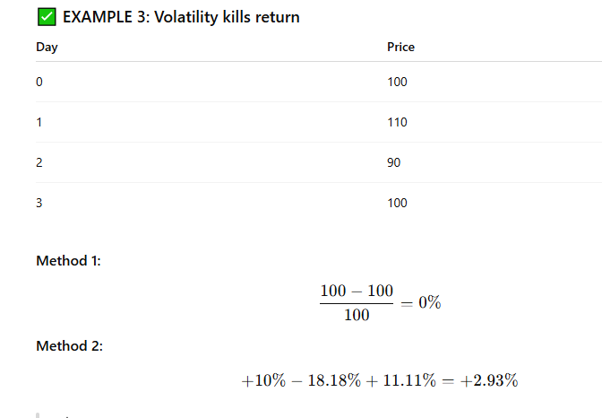
Day | AdjVal[t] | AdjVal[t+1] | 1D Shift (%)
0 | 110 | 108 | (110−108)/108 ≈ 1.85% | 1.85%
1 | 108 | 106 | (108−106)/106 ≈ 1.89% | 1.89%
2 | 106 | 107 | (106−107)/107 ≈ −0.93% | -0.93%
3 | 107 | 109 | (107−109)/109 ≈ −1.83% | -1.83%
4 | 109 | 108 | (109−108)/108 ≈ 0.93% | 0.93%
5 | 108 | 107 | (108−107)/107 ≈ 0.93% | 0.93%
6 | 107 | 105 | (107−105)/105 ≈ 1.90% | 1.90%
7 | 105 | 104 | (105−104)/104 ≈ 0.96% | 0.96%
8 | 104 | 103 | (104−103)/103 ≈ 0.97% | 0.97%
9 | 103 | 100 | (103−100)/100 ≈ 3.00% | 3.00%
 | 100
 |  |  |  | 9.67%
 | 6.80%

 | When returns are all positive, Method 2 overstates gains.

 | When returns are mixed, Method 2 can understate or overstate.

 | When returns are volatile, Method 2 deviates more from the truth.

 | because it does not capture compounding effect

 | Day | Price
 | 0 | 100
 | 1 | 102
 | 2 | 104.04
 | 3 | 106.12
 | 4 | 108.24

