Heatmap
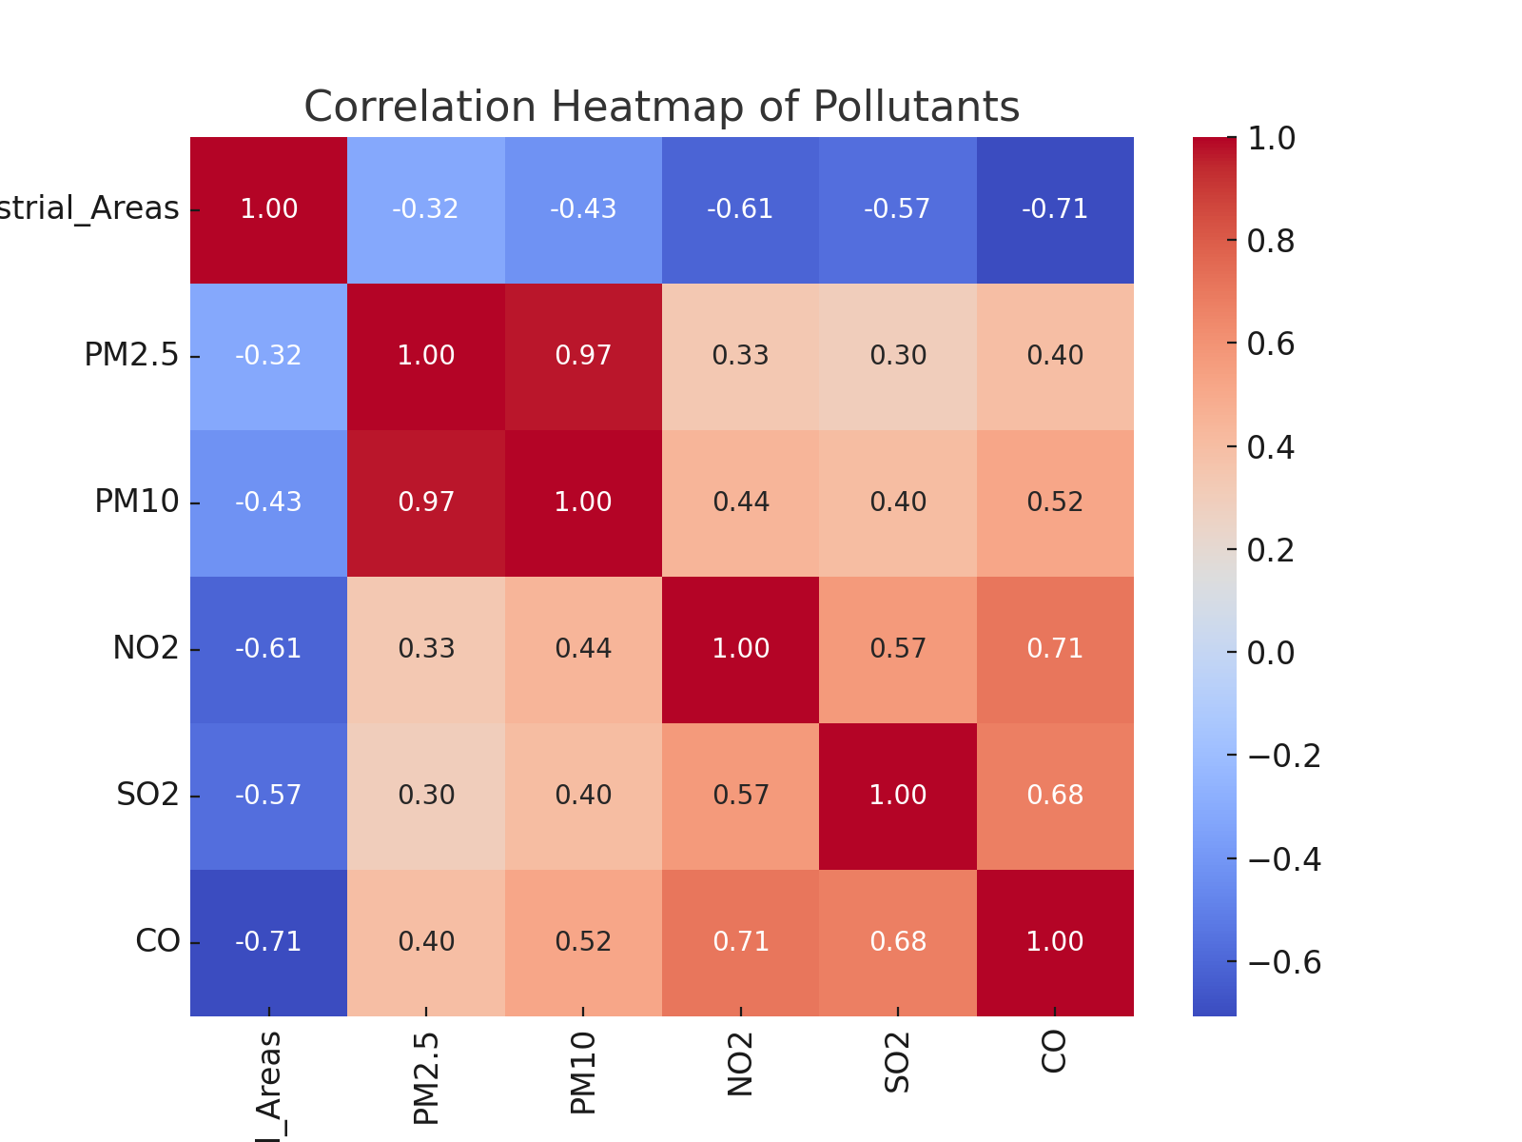

Trends
Air Quality | PM2.5 | PM10 | NO2 | SO2 | CO
Good | 9.9109 | 14.9896 | 19.44845 | 5.035 | 0.99959
Hazardous | 41.9208 | 61.508 | 40.5962 | 20.0234 | 2.49124
Moderate | 20.4618 | 30.604333333 | 26.435133333 | 9.9769333333 | 1.5052933333
Poor | 29.2358 | 44.4521 | 33.2128 | 15.027 | 1.99903

Pollutant Trends by Air Quality

Charts
Air Quality | Temperature | Humidity | Air Quality | PM2.5 | PM10 | NO2 | SO2 | CO | Air Quality | Proximity_to_Industrial_Areas | Population_Density
Good | 24.94655 | 60.02195 | Good | 9.9109 | 14.9896 | 19.44845 | 5.035 | 0.99959 | Good | 11.9879 | 398.944
Hazardous | 40.3478 | 89.473 | Hazardous | 41.9208 | 61.508 | 40.5962 | 20.0234 | 2.49124 | Hazardous | 4.5924 | 696.01
Moderate | 30.142 | 70.211533333 | Moderate | 20.4618 | 30.604333333 | 26.435133333 | 9.9769333333 | 1.5052933333 | Moderate | 6.9586666667 | 497.56533333
Poor | 34.8651 | 80.1829 | Poor | 29.2358 | 44.4521 | 33.2128 | 15.027 | 1.99903 | Poor | 5.417 | 594.878

Temperature & Humidity by Air Quality
Pollutants by Air Quality
Proximity to Industrial Areas & Population Density by Air Quality

