GL
25109600

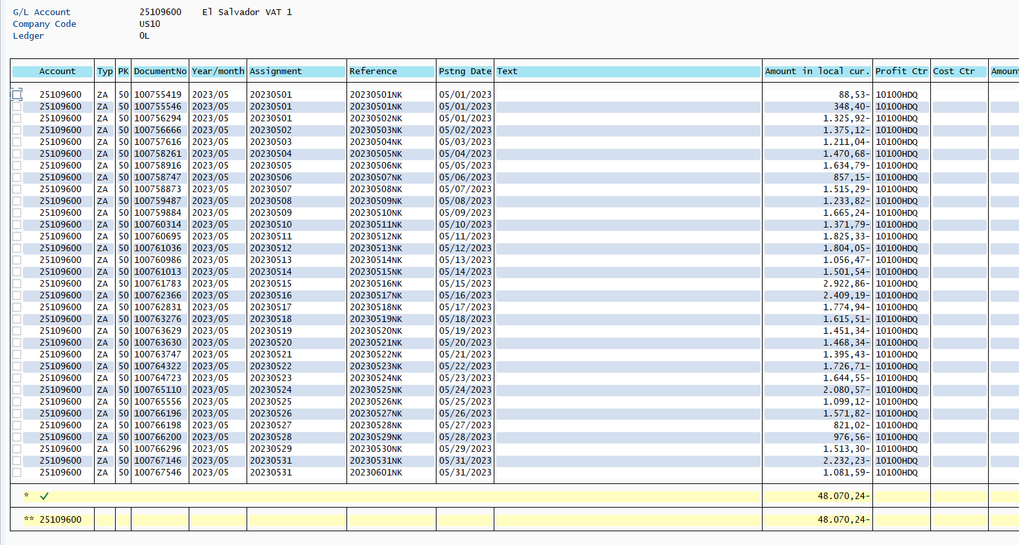

 | 48,070.24 | VAT Collected

