Dashboard
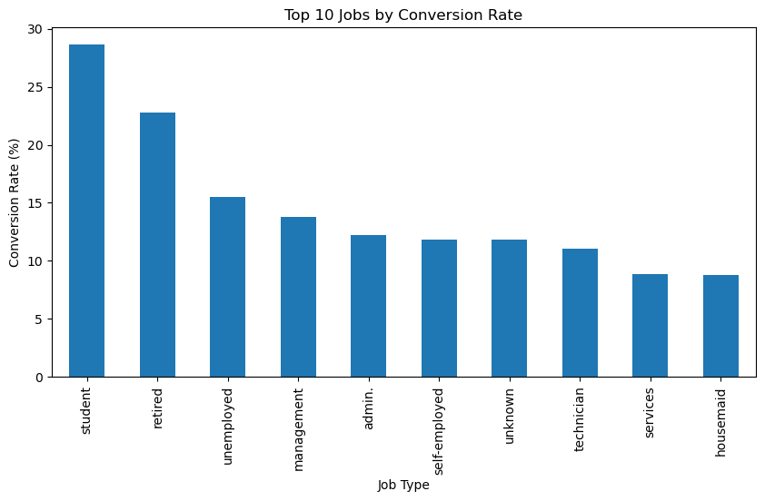
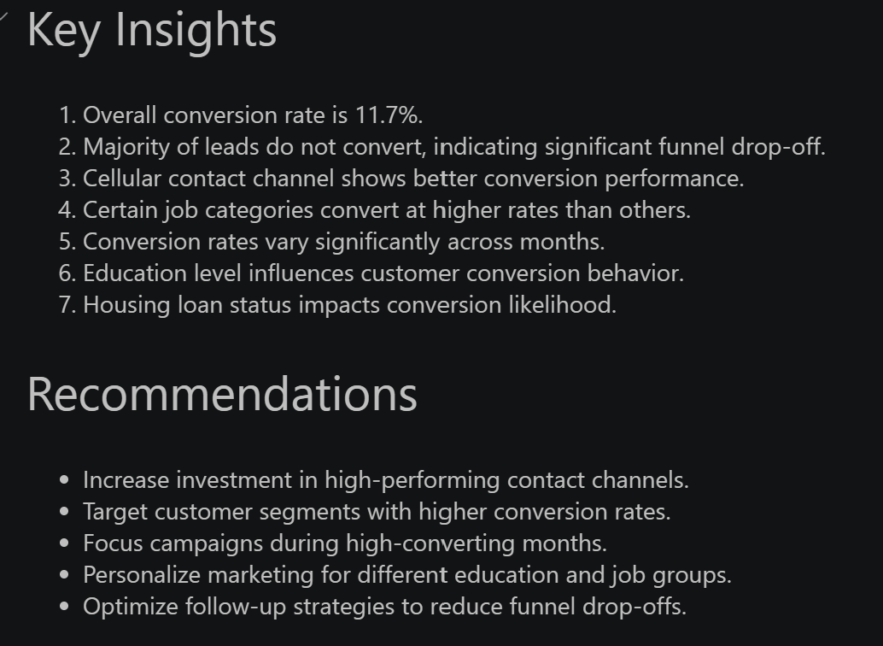
Marketing Funnel & Conversion Performance Dashboard
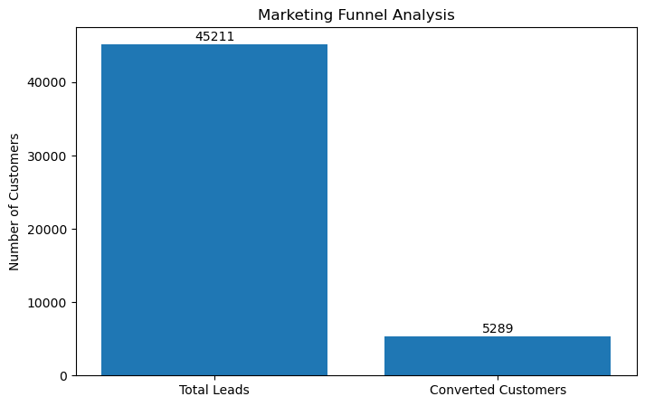
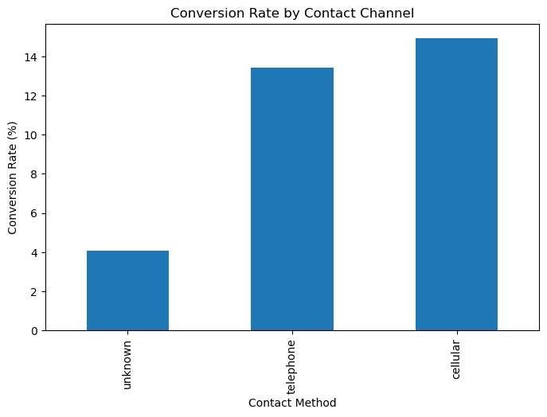
Total Leads | Converted Customers | Conversion Rate
45,211 | 5,289 | 11.70%

